ControlCentre
Clean
 |  | Server: | DESKTOP-A7IIVA2

Extract to
 | This file
 | New file
 | Individual
Exec Selected
 |  |  |  | Hold Shift to Execute Command Immediately

sp_Blitz
 |  |  |  | SQL Server Health check

sp_BlitzFirst
 |  |  |  | Speed check summary

sp_BlitzIndex
 |  |  |  | Index check

sp_BlitzCache
 |  |  |  | Query check

sp_BlitzWho
 |  |  |  | Who's Doing What

 |  |  |  |  | About Blitz Excel

FAQ
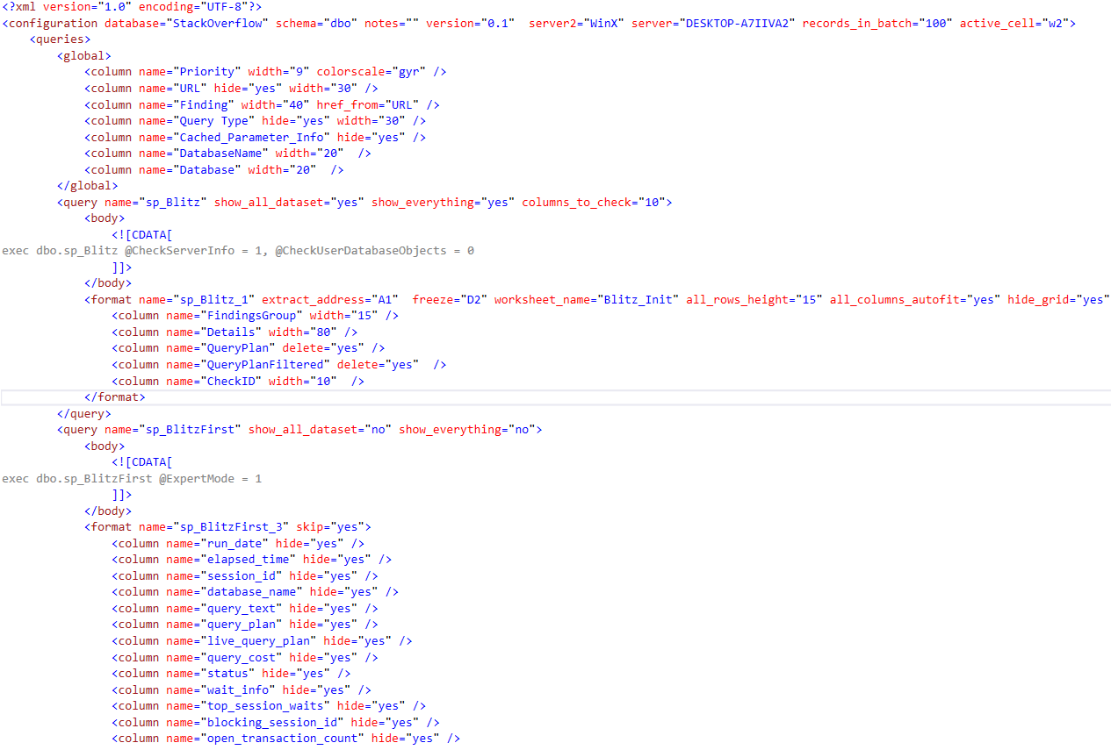
Query section <query /> | <configuration><queries><query /> | Config Example
name="sp_Blitz" | Name of the Query. Will be used as Prefix
show_all_dataset="yes" | Force to show all dataset produced (Flag skip="yes" will be ignored)
show_everything="yes" | Force to show all dataset and columns produced (Flags skip="yes" and hide="yes" will be ignored)

Query Body section <body /> | Defines SQL query or Stored Procedure call

Format section <format /> | <configuration><queries><query><format />
name="sp_Blitz_1" | Apply following rules for the dataset
worksheet_name="Blitz_Init" | Define name for worksheet
extract_address="A1" | Start cell address for extract
freeze="D2" | Freeze header for scrolling
all_rows_height="15" | Define height of all rows
all_columns_autofit="yes" | Apply Autofit for all columns
hide_grid="yes" | Hide grids for worksheet
hide_heading="yes" | Hide heading for worksheet
order_by="-Priority" | Sort table by defined column name. "-" is Descending order
skip="yes" | Do not process dataset

Column section <column /> | <configuration><queries><query><format><column />
name="Database" | name of column to configure
width="auto" | Define width automatically or as number [auto|N]
delete="yes" | Delete a column in a table [yes|no]
hide="yes" | Hide the column in a table [yes|no]
text_wrap="no" | Wrap a text in a cell [yes|no]
valign="top" | Vertical text alignment in a cell [top|center|bottom]
halign="left" | Horizontal text alignment in a cell [left|center|right|general]
href_from="WebSite" | Make hiperlink using URL from provided column name (WebSite)
format="#,##0" | Define format for a column
force_to_number="yes" | Force string to number (not as a Text)
databar="yes" | Set column as Data Bar (Same as Conditional Formatting)
bar_color="2668287" | Define data bar for a column (same as Conditional formatting)
colorscale="gyr" | Define Color Scale for a column (same as Conditional formatting) [gyr|ryg]

Log
Clear
Log Id | Type | Date | Function | Command | Message | Additional

