Sales
Order ID | Customer Info | Product | Category | Quantity | Price | Region | Order Date | Channel | Status | Discount | Sales
1001 | Arjun | 9876543210 | Pen | Stationery | 10 | 20 | india | 2024-04-12 | Online | Delivered | 5% | 200
1002 | Neha | 9123456780 | Notebook | Stationery | 5 | 50 | US |  | Offline | Pending | 10% | 250 | Sales=Quantity * Price
1003 | Rohit | 9988776655 | Pencil | Stationery | 8 | 10 | UK | 2024-03-15 | Online | Delivered |  | 80
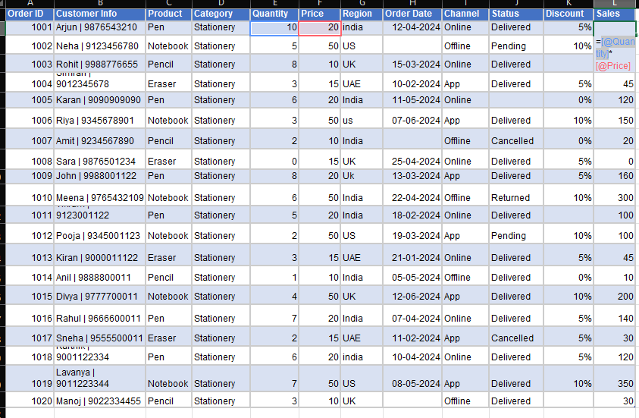
1004 | Simran | 9012345678 | Eraser | Stationery | 3 | 15 | UAE | 2024-02-10 | App | Delivered | 5% | 45
1005 | Karan | 9090909090 | Pen | Stationery | 6 | 20 | India | 2024-05-11 | Online |  | 0% | 120
1006 | Riya | 9345678901 | Notebook | Stationery | 3 | 50 | us | 2024-06-07 | App | Delivered | 10% | 150
1007 | Amit | 9234567890 | Pencil | Stationery | 2 | 10 | India |  | Offline | Cancelled | 0% | 20
1008 | Sara | 9876501234 | Eraser | Stationery | 0 | 15 | UK | 2024-04-25 | Online | Delivered | 5% | 0
1009 | John | 9988001122 | Pen | Stationery | 8 | 20 | Uk | 2024-03-13 | App | Delivered | 5% | 160
1010 | Meena | 9765432109 | Notebook | Stationery | 6 | 50 | India | 2024-04-22 | Offline | Returned | 10% | 300
1011 | Vikram | 9123001122 | Pen | Stationery | 5 | 20 | India | 2024-02-18 | Online | Delivered |  | 100
1012 | Pooja | 9345001123 | Notebook | Stationery | 2 | 50 | US | 2024-03-19 | App | Pending | 10% | 100
1013 | Kiran | 9000011122 | Eraser | Stationery | 3 | 15 | UAE | 2024-01-21 | Online | Delivered | 5% | 45
1014 | Anil | 9888800011 | Pencil | Stationery | 1 | 10 | India | 2024-05-05 | Offline | Delivered | 0% | 10
1015 | Divya | 9777700011 | Notebook | Stationery | 4 | 50 | UK | 2024-06-12 | App | Delivered | 10% | 200
1016 | Rahul | 9666600011 | Pen | Stationery | 7 | 20 | India | 2024-04-07 | Online | Delivered | 5% | 140
1017 | Sneha | 9555500011 | Eraser | Stationery | 2 | 15 | UAE | 2024-02-11 | App | Cancelled | 5% | 30
1018 | Karthik | 9001122334 | Pen | Stationery | 6 | 20 | india | 2024-04-10 | Online | Delivered | 5% | 120
1019 | Lavanya | 9011223344 | Notebook | Stationery | 7 | 50 | US | 2024-05-08 | App | Delivered | 10% | 350
1020 | Manoj | 9022334455 | Pencil | Stationery | 3 | 10 | UK |  | Offline | Delivered |  | 30

Total Sales
Order ID | Customer Info | Product | Category | Quantity | Price | Region | Order Date | Channel | Status | Discount | Sales
1001 | Arjun | 9876543210 | Pen | Stationery | 10 | 20 | india | 2024-04-12 | Online | Delivered | 5% | 200
1002 | Neha | 9123456780 | Notebook | Stationery | 5 | 50 | US |  | Offline | Pending | 10% | 250 | Total Sales | 2450
1003 | Rohit | 9988776655 | Pencil | Stationery | 8 | 10 | UK | 2024-03-15 | Online | Delivered |  | 80
1004 | Simran | 9012345678 | Eraser | Stationery | 3 | 15 | UAE | 2024-02-10 | App | Delivered | 5% | 45
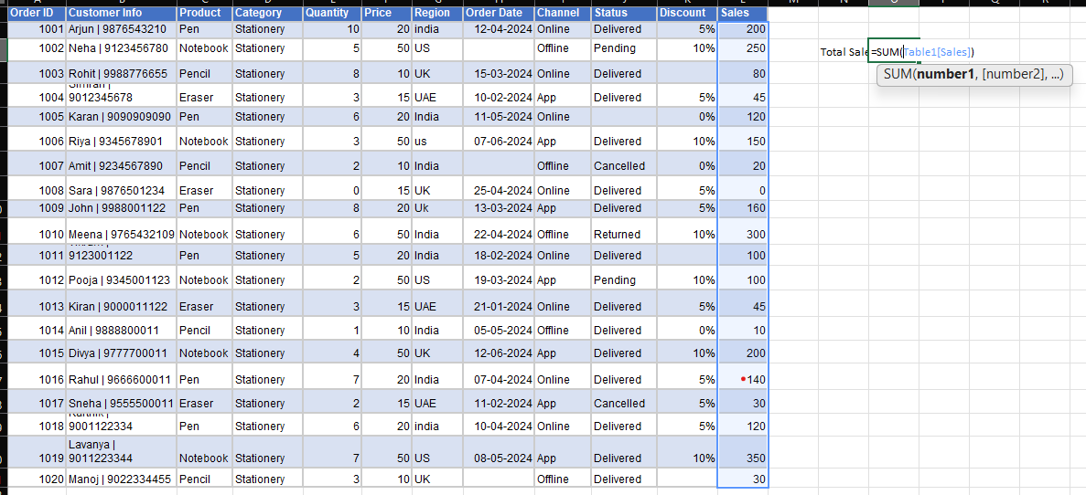
1005 | Karan | 9090909090 | Pen | Stationery | 6 | 20 | India | 2024-05-11 | Online |  | 0% | 120
1006 | Riya | 9345678901 | Notebook | Stationery | 3 | 50 | us | 2024-06-07 | App | Delivered | 10% | 150
1007 | Amit | 9234567890 | Pencil | Stationery | 2 | 10 | India |  | Offline | Cancelled | 0% | 20
1008 | Sara | 9876501234 | Eraser | Stationery | 0 | 15 | UK | 2024-04-25 | Online | Delivered | 5% | 0
1009 | John | 9988001122 | Pen | Stationery | 8 | 20 | Uk | 2024-03-13 | App | Delivered | 5% | 160
1010 | Meena | 9765432109 | Notebook | Stationery | 6 | 50 | India | 2024-04-22 | Offline | Returned | 10% | 300
1011 | Vikram | 9123001122 | Pen | Stationery | 5 | 20 | India | 2024-02-18 | Online | Delivered |  | 100
1012 | Pooja | 9345001123 | Notebook | Stationery | 2 | 50 | US | 2024-03-19 | App | Pending | 10% | 100
1013 | Kiran | 9000011122 | Eraser | Stationery | 3 | 15 | UAE | 2024-01-21 | Online | Delivered | 5% | 45
1014 | Anil | 9888800011 | Pencil | Stationery | 1 | 10 | India | 2024-05-05 | Offline | Delivered | 0% | 10
1015 | Divya | 9777700011 | Notebook | Stationery | 4 | 50 | UK | 2024-06-12 | App | Delivered | 10% | 200
1016 | Rahul | 9666600011 | Pen | Stationery | 7 | 20 | India | 2024-04-07 | Online | Delivered | 5% | 140
1017 | Sneha | 9555500011 | Eraser | Stationery | 2 | 15 | UAE | 2024-02-11 | App | Cancelled | 5% | 30
1018 | Karthik | 9001122334 | Pen | Stationery | 6 | 20 | india | 2024-04-10 | Online | Delivered | 5% | 120
1019 | Lavanya | 9011223344 | Notebook | Stationery | 7 | 50 | US | 2024-05-08 | App | Delivered | 10% | 350
1020 | Manoj | 9022334455 | Pencil | Stationery | 3 | 10 | UK |  | Offline | Delivered |  | 30

Average Sales
Order ID | Customer Info | Product | Category | Quantity | Price | Region | Order Date | Channel | Status | Discount | Sales
1001 | Arjun | 9876543210 | Pen | Stationery | 10 | 20 | india | 2024-04-12 | Online | Delivered | 5% | 200
1002 | Neha | 9123456780 | Notebook | Stationery | 5 | 50 | US |  | Offline | Pending | 10% | 250 | Average Sales | 122.5
1003 | Rohit | 9988776655 | Pencil | Stationery | 8 | 10 | UK | 2024-03-15 | Online | Delivered |  | 80
1004 | Simran | 9012345678 | Eraser | Stationery | 3 | 15 | UAE | 2024-02-10 | App | Delivered | 5% | 45
1005 | Karan | 9090909090 | Pen | Stationery | 6 | 20 | India | 2024-05-11 | Online |  | 0% | 120
1006 | Riya | 9345678901 | Notebook | Stationery | 3 | 50 | us | 2024-06-07 | App | Delivered | 10% | 150
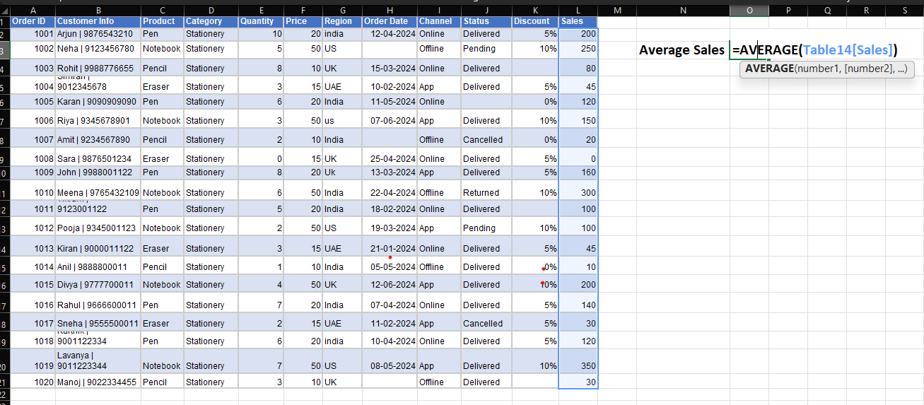
1007 | Amit | 9234567890 | Pencil | Stationery | 2 | 10 | India |  | Offline | Cancelled | 0% | 20
1008 | Sara | 9876501234 | Eraser | Stationery | 0 | 15 | UK | 2024-04-25 | Online | Delivered | 5% | 0
1009 | John | 9988001122 | Pen | Stationery | 8 | 20 | Uk | 2024-03-13 | App | Delivered | 5% | 160
1010 | Meena | 9765432109 | Notebook | Stationery | 6 | 50 | India | 2024-04-22 | Offline | Returned | 10% | 300
1011 | Vikram | 9123001122 | Pen | Stationery | 5 | 20 | India | 2024-02-18 | Online | Delivered |  | 100
1012 | Pooja | 9345001123 | Notebook | Stationery | 2 | 50 | US | 2024-03-19 | App | Pending | 10% | 100
1013 | Kiran | 9000011122 | Eraser | Stationery | 3 | 15 | UAE | 2024-01-21 | Online | Delivered | 5% | 45
1014 | Anil | 9888800011 | Pencil | Stationery | 1 | 10 | India | 2024-05-05 | Offline | Delivered | 0% | 10
1015 | Divya | 9777700011 | Notebook | Stationery | 4 | 50 | UK | 2024-06-12 | App | Delivered | 10% | 200
1016 | Rahul | 9666600011 | Pen | Stationery | 7 | 20 | India | 2024-04-07 | Online | Delivered | 5% | 140
1017 | Sneha | 9555500011 | Eraser | Stationery | 2 | 15 | UAE | 2024-02-11 | App | Cancelled | 5% | 30
1018 | Karthik | 9001122334 | Pen | Stationery | 6 | 20 | india | 2024-04-10 | Online | Delivered | 5% | 120
1019 | Lavanya | 9011223344 | Notebook | Stationery | 7 | 50 | US | 2024-05-08 | App | Delivered | 10% | 350
1020 | Manoj | 9022334455 | Pencil | Stationery | 3 | 10 | UK |  | Offline | Delivered |  | 30

Highest Sales Value
Order ID | Customer Info | Product | Category | Quantity | Price | Region | Order Date | Channel | Status | Discount | Sales
1001 | Arjun | 9876543210 | Pen | Stationery | 10 | 20 | india | 2024-04-12 | Online | Delivered | 5% | 200
1002 | Neha | 9123456780 | Notebook | Stationery | 5 | 50 | US |  | Offline | Pending | 10% | 250 | Highest Sales Value | 350
1003 | Rohit | 9988776655 | Pencil | Stationery | 8 | 10 | UK | 2024-03-15 | Online | Delivered |  | 80
1004 | Simran | 9012345678 | Eraser | Stationery | 3 | 15 | UAE | 2024-02-10 | App | Delivered | 5% | 45
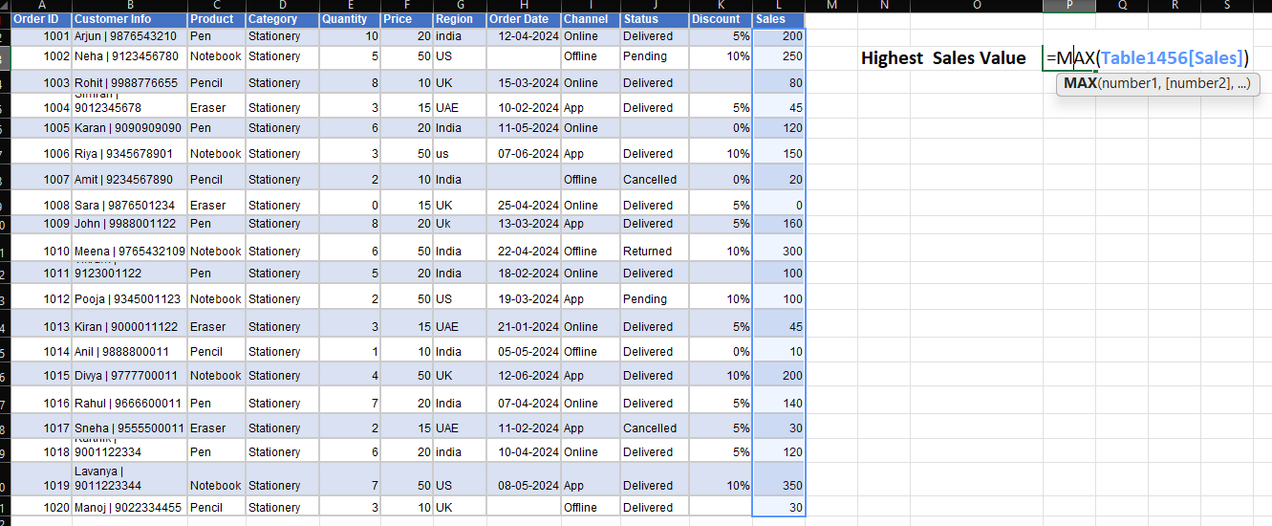
1005 | Karan | 9090909090 | Pen | Stationery | 6 | 20 | India | 2024-05-11 | Online |  | 0% | 120
1006 | Riya | 9345678901 | Notebook | Stationery | 3 | 50 | us | 2024-06-07 | App | Delivered | 10% | 150
1007 | Amit | 9234567890 | Pencil | Stationery | 2 | 10 | India |  | Offline | Cancelled | 0% | 20
1008 | Sara | 9876501234 | Eraser | Stationery | 0 | 15 | UK | 2024-04-25 | Online | Delivered | 5% | 0
1009 | John | 9988001122 | Pen | Stationery | 8 | 20 | Uk | 2024-03-13 | App | Delivered | 5% | 160
1010 | Meena | 9765432109 | Notebook | Stationery | 6 | 50 | India | 2024-04-22 | Offline | Returned | 10% | 300
1011 | Vikram | 9123001122 | Pen | Stationery | 5 | 20 | India | 2024-02-18 | Online | Delivered |  | 100
1012 | Pooja | 9345001123 | Notebook | Stationery | 2 | 50 | US | 2024-03-19 | App | Pending | 10% | 100
1013 | Kiran | 9000011122 | Eraser | Stationery | 3 | 15 | UAE | 2024-01-21 | Online | Delivered | 5% | 45
1014 | Anil | 9888800011 | Pencil | Stationery | 1 | 10 | India | 2024-05-05 | Offline | Delivered | 0% | 10
1015 | Divya | 9777700011 | Notebook | Stationery | 4 | 50 | UK | 2024-06-12 | App | Delivered | 10% | 200
1016 | Rahul | 9666600011 | Pen | Stationery | 7 | 20 | India | 2024-04-07 | Online | Delivered | 5% | 140
1017 | Sneha | 9555500011 | Eraser | Stationery | 2 | 15 | UAE | 2024-02-11 | App | Cancelled | 5% | 30
1018 | Karthik | 9001122334 | Pen | Stationery | 6 | 20 | india | 2024-04-10 | Online | Delivered | 5% | 120
1019 | Lavanya | 9011223344 | Notebook | Stationery | 7 | 50 | US | 2024-05-08 | App | Delivered | 10% | 350
1020 | Manoj | 9022334455 | Pencil | Stationery | 3 | 10 | UK |  | Offline | Delivered |  | 30

Lowest Sales Value
Order ID | Customer Info | Product | Category | Quantity | Price | Region | Order Date | Channel | Status | Discount | Sales
1001 | Arjun | 9876543210 | Pen | Stationery | 10 | 20 | india | 2024-04-12 | Online | Delivered | 5% | 200
1002 | Neha | 9123456780 | Notebook | Stationery | 5 | 50 | US |  | Offline | Pending | 10% | 250 | Lowest Sales Value | 0
1003 | Rohit | 9988776655 | Pencil | Stationery | 8 | 10 | UK | 2024-03-15 | Online | Delivered |  | 80
1004 | Simran | 9012345678 | Eraser | Stationery | 3 | 15 | UAE | 2024-02-10 | App | Delivered | 5% | 45
1005 | Karan | 9090909090 | Pen | Stationery | 6 | 20 | India | 2024-05-11 | Online |  | 0% | 120
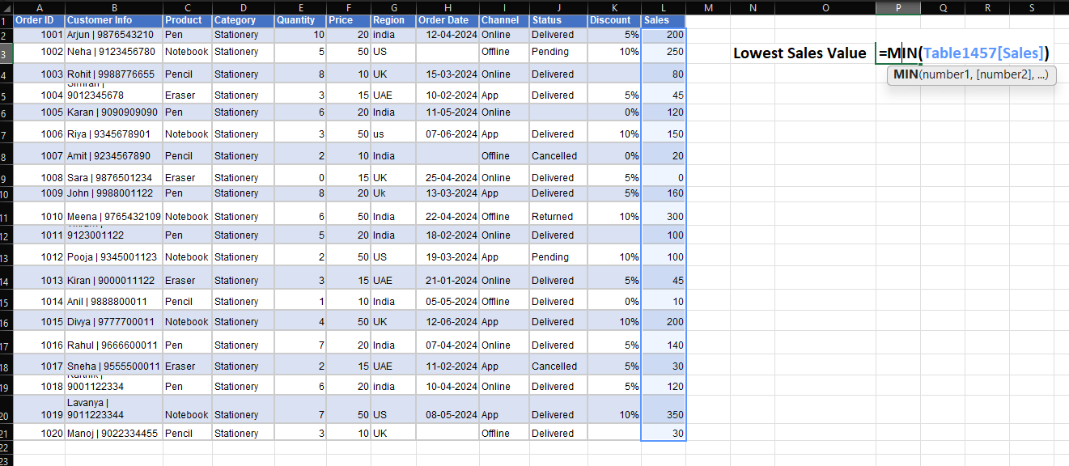
1006 | Riya | 9345678901 | Notebook | Stationery | 3 | 50 | us | 2024-06-07 | App | Delivered | 10% | 150
1007 | Amit | 9234567890 | Pencil | Stationery | 2 | 10 | India |  | Offline | Cancelled | 0% | 20
1008 | Sara | 9876501234 | Eraser | Stationery | 0 | 15 | UK | 2024-04-25 | Online | Delivered | 5% | 0
1009 | John | 9988001122 | Pen | Stationery | 8 | 20 | Uk | 2024-03-13 | App | Delivered | 5% | 160
1010 | Meena | 9765432109 | Notebook | Stationery | 6 | 50 | India | 2024-04-22 | Offline | Returned | 10% | 300
1011 | Vikram | 9123001122 | Pen | Stationery | 5 | 20 | India | 2024-02-18 | Online | Delivered |  | 100
1012 | Pooja | 9345001123 | Notebook | Stationery | 2 | 50 | US | 2024-03-19 | App | Pending | 10% | 100
1013 | Kiran | 9000011122 | Eraser | Stationery | 3 | 15 | UAE | 2024-01-21 | Online | Delivered | 5% | 45
1014 | Anil | 9888800011 | Pencil | Stationery | 1 | 10 | India | 2024-05-05 | Offline | Delivered | 0% | 10
1015 | Divya | 9777700011 | Notebook | Stationery | 4 | 50 | UK | 2024-06-12 | App | Delivered | 10% | 200
1016 | Rahul | 9666600011 | Pen | Stationery | 7 | 20 | India | 2024-04-07 | Online | Delivered | 5% | 140
1017 | Sneha | 9555500011 | Eraser | Stationery | 2 | 15 | UAE | 2024-02-11 | App | Cancelled | 5% | 30
1018 | Karthik | 9001122334 | Pen | Stationery | 6 | 20 | india | 2024-04-10 | Online | Delivered | 5% | 120
1019 | Lavanya | 9011223344 | Notebook | Stationery | 7 | 50 | US | 2024-05-08 | App | Delivered | 10% | 350
1020 | Manoj | 9022334455 | Pencil | Stationery | 3 | 10 | UK |  | Offline | Delivered |  | 30

Total Orders
Order ID | Customer Info | Product | Category | Quantity | Price | Region | Order Date | Channel | Status | Discount | Sales
1001 | Arjun | 9876543210 | Pen | Stationery | 10 | 20 | india | 2024-04-12 | Online | Delivered | 5% | 200
1002 | Neha | 9123456780 | Notebook | Stationery | 5 | 50 | US |  | Offline | Pending | 10% | 250 | Total Orders | 20
1003 | Rohit | 9988776655 | Pencil | Stationery | 8 | 10 | UK | 2024-03-15 | Online | Delivered |  | 80
1004 | Simran | 9012345678 | Eraser | Stationery | 3 | 15 | UAE | 2024-02-10 | App | Delivered | 5% | 45
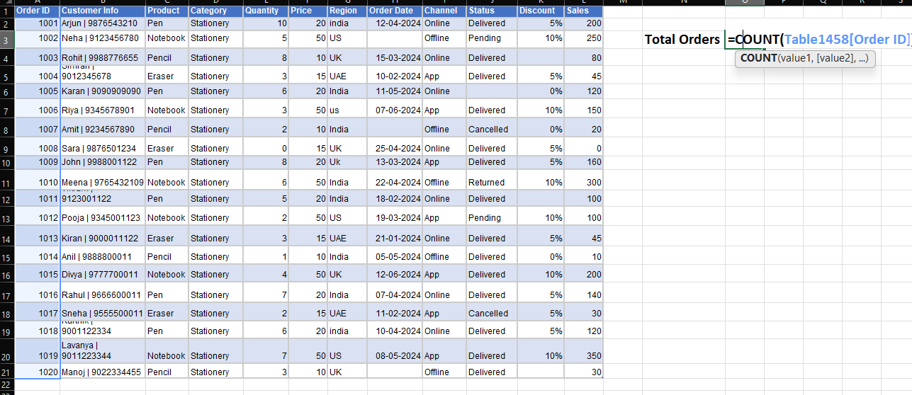
1005 | Karan | 9090909090 | Pen | Stationery | 6 | 20 | India | 2024-05-11 | Online |  | 0% | 120
1006 | Riya | 9345678901 | Notebook | Stationery | 3 | 50 | us | 2024-06-07 | App | Delivered | 10% | 150
1007 | Amit | 9234567890 | Pencil | Stationery | 2 | 10 | India |  | Offline | Cancelled | 0% | 20
1008 | Sara | 9876501234 | Eraser | Stationery | 0 | 15 | UK | 2024-04-25 | Online | Delivered | 5% | 0
1009 | John | 9988001122 | Pen | Stationery | 8 | 20 | Uk | 2024-03-13 | App | Delivered | 5% | 160
1010 | Meena | 9765432109 | Notebook | Stationery | 6 | 50 | India | 2024-04-22 | Offline | Returned | 10% | 300
1011 | Vikram | 9123001122 | Pen | Stationery | 5 | 20 | India | 2024-02-18 | Online | Delivered |  | 100
1012 | Pooja | 9345001123 | Notebook | Stationery | 2 | 50 | US | 2024-03-19 | App | Pending | 10% | 100
1013 | Kiran | 9000011122 | Eraser | Stationery | 3 | 15 | UAE | 2024-01-21 | Online | Delivered | 5% | 45
1014 | Anil | 9888800011 | Pencil | Stationery | 1 | 10 | India | 2024-05-05 | Offline | Delivered | 0% | 10
1015 | Divya | 9777700011 | Notebook | Stationery | 4 | 50 | UK | 2024-06-12 | App | Delivered | 10% | 200
1016 | Rahul | 9666600011 | Pen | Stationery | 7 | 20 | India | 2024-04-07 | Online | Delivered | 5% | 140
1017 | Sneha | 9555500011 | Eraser | Stationery | 2 | 15 | UAE | 2024-02-11 | App | Cancelled | 5% | 30
1018 | Karthik | 9001122334 | Pen | Stationery | 6 | 20 | india | 2024-04-10 | Online | Delivered | 5% | 120
1019 | Lavanya | 9011223344 | Notebook | Stationery | 7 | 50 | US | 2024-05-08 | App | Delivered | 10% | 350
1020 | Manoj | 9022334455 | Pencil | Stationery | 3 | 10 | UK |  | Offline | Delivered |  | 30

Orders from India
Order ID | Customer Info | Product | Category | Quantity | Price | Region | Order Date | Channel | Status | Discount | Sales
1001 | Arjun | 9876543210 | Pen | Stationery | 10 | 20 | india | 2024-04-12 | Online | Delivered | 5% | 200
1002 | Neha | 9123456780 | Notebook | Stationery | 5 | 50 | US |  | Offline | Pending | 10% | 250 | Orders From India | 8
1003 | Rohit | 9988776655 | Pencil | Stationery | 8 | 10 | UK | 2024-03-15 | Online | Delivered |  | 80
1004 | Simran | 9012345678 | Eraser | Stationery | 3 | 15 | UAE | 2024-02-10 | App | Delivered | 5% | 45
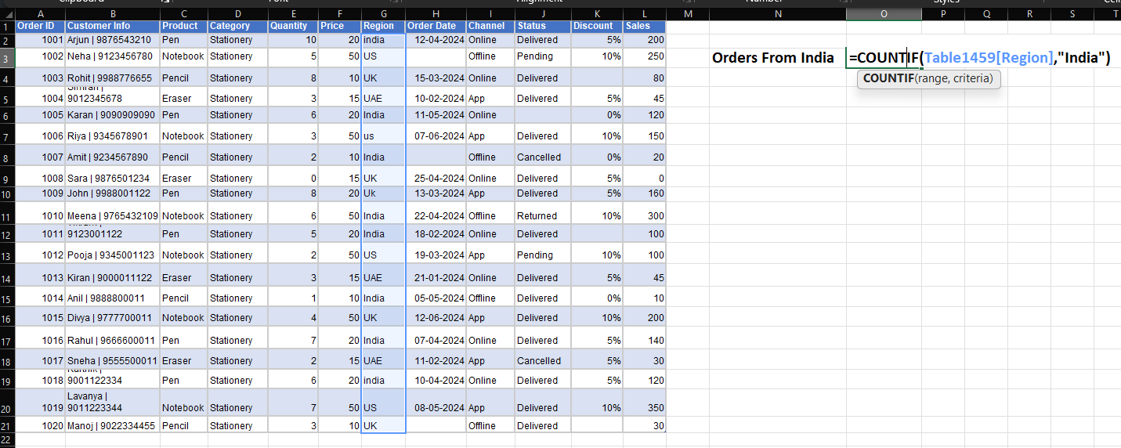
1005 | Karan | 9090909090 | Pen | Stationery | 6 | 20 | India | 2024-05-11 | Online |  | 0% | 120
1006 | Riya | 9345678901 | Notebook | Stationery | 3 | 50 | us | 2024-06-07 | App | Delivered | 10% | 150
1007 | Amit | 9234567890 | Pencil | Stationery | 2 | 10 | India |  | Offline | Cancelled | 0% | 20
1008 | Sara | 9876501234 | Eraser | Stationery | 0 | 15 | UK | 2024-04-25 | Online | Delivered | 5% | 0
1009 | John | 9988001122 | Pen | Stationery | 8 | 20 | Uk | 2024-03-13 | App | Delivered | 5% | 160
1010 | Meena | 9765432109 | Notebook | Stationery | 6 | 50 | India | 2024-04-22 | Offline | Returned | 10% | 300
1011 | Vikram | 9123001122 | Pen | Stationery | 5 | 20 | India | 2024-02-18 | Online | Delivered |  | 100
1012 | Pooja | 9345001123 | Notebook | Stationery | 2 | 50 | US | 2024-03-19 | App | Pending | 10% | 100
1013 | Kiran | 9000011122 | Eraser | Stationery | 3 | 15 | UAE | 2024-01-21 | Online | Delivered | 5% | 45
1014 | Anil | 9888800011 | Pencil | Stationery | 1 | 10 | India | 2024-05-05 | Offline | Delivered | 0% | 10
1015 | Divya | 9777700011 | Notebook | Stationery | 4 | 50 | UK | 2024-06-12 | App | Delivered | 10% | 200
1016 | Rahul | 9666600011 | Pen | Stationery | 7 | 20 | India | 2024-04-07 | Online | Delivered | 5% | 140
1017 | Sneha | 9555500011 | Eraser | Stationery | 2 | 15 | UAE | 2024-02-11 | App | Cancelled | 5% | 30
1018 | Karthik | 9001122334 | Pen | Stationery | 6 | 20 | india | 2024-04-10 | Online | Delivered | 5% | 120
1019 | Lavanya | 9011223344 | Notebook | Stationery | 7 | 50 | US | 2024-05-08 | App | Delivered | 10% | 350
1020 | Manoj | 9022334455 | Pencil | Stationery | 3 | 10 | UK |  | Offline | Delivered |  | 30

Quantity > 5
Order ID | Customer Info | Product | Category | Quantity | Price | Region | Order Date | Channel | Status | Discount | Sales
1001 | Arjun | 9876543210 | Pen | Stationery | 10 | 20 | india | 2024-04-12 | Online | Delivered | 5% | 200
1002 | Neha | 9123456780 | Notebook | Stationery | 5 | 50 | US |  | Offline | Pending | 10% | 250 | Quantity > 5 | 8
1003 | Rohit | 9988776655 | Pencil | Stationery | 8 | 10 | UK | 2024-03-15 | Online | Delivered |  | 80
1004 | Simran | 9012345678 | Eraser | Stationery | 3 | 15 | UAE | 2024-02-10 | App | Delivered | 5% | 45
1005 | Karan | 9090909090 | Pen | Stationery | 6 | 20 | India | 2024-05-11 | Online |  | 0% | 120
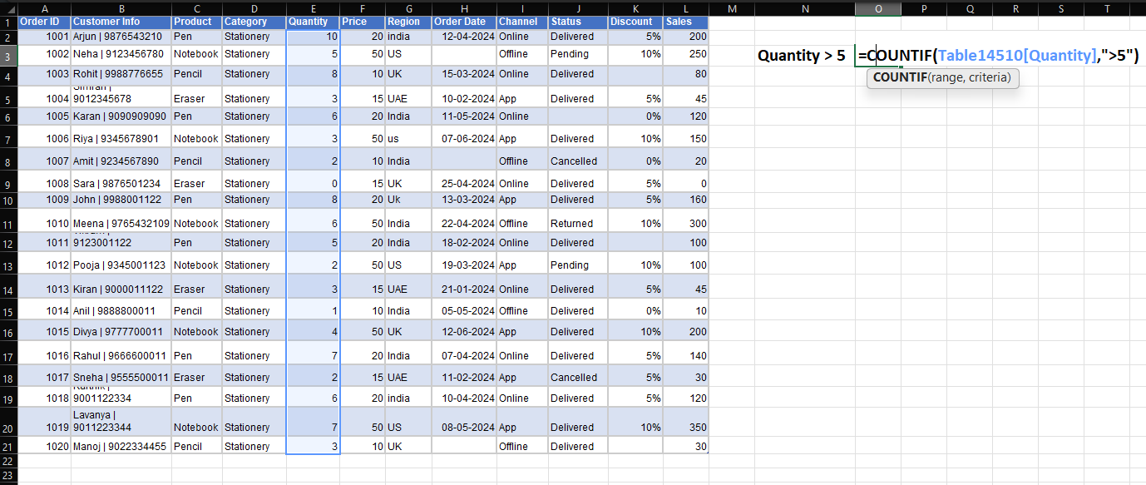
1006 | Riya | 9345678901 | Notebook | Stationery | 3 | 50 | us | 2024-06-07 | App | Delivered | 10% | 150
1007 | Amit | 9234567890 | Pencil | Stationery | 2 | 10 | India |  | Offline | Cancelled | 0% | 20
1008 | Sara | 9876501234 | Eraser | Stationery | 0 | 15 | UK | 2024-04-25 | Online | Delivered | 5% | 0
1009 | John | 9988001122 | Pen | Stationery | 8 | 20 | Uk | 2024-03-13 | App | Delivered | 5% | 160
1010 | Meena | 9765432109 | Notebook | Stationery | 6 | 50 | India | 2024-04-22 | Offline | Returned | 10% | 300
1011 | Vikram | 9123001122 | Pen | Stationery | 5 | 20 | India | 2024-02-18 | Online | Delivered |  | 100
1012 | Pooja | 9345001123 | Notebook | Stationery | 2 | 50 | US | 2024-03-19 | App | Pending | 10% | 100
1013 | Kiran | 9000011122 | Eraser | Stationery | 3 | 15 | UAE | 2024-01-21 | Online | Delivered | 5% | 45
1014 | Anil | 9888800011 | Pencil | Stationery | 1 | 10 | India | 2024-05-05 | Offline | Delivered | 0% | 10
1015 | Divya | 9777700011 | Notebook | Stationery | 4 | 50 | UK | 2024-06-12 | App | Delivered | 10% | 200
1016 | Rahul | 9666600011 | Pen | Stationery | 7 | 20 | India | 2024-04-07 | Online | Delivered | 5% | 140
1017 | Sneha | 9555500011 | Eraser | Stationery | 2 | 15 | UAE | 2024-02-11 | App | Cancelled | 5% | 30
1018 | Karthik | 9001122334 | Pen | Stationery | 6 | 20 | india | 2024-04-10 | Online | Delivered | 5% | 120
1019 | Lavanya | 9011223344 | Notebook | Stationery | 7 | 50 | US | 2024-05-08 | App | Delivered | 10% | 350
1020 | Manoj | 9022334455 | Pencil | Stationery | 3 | 10 | UK |  | Offline | Delivered |  | 30

Missing Order Date
Order ID | Customer Info | Product | Category | Quantity | Price | Region | Order Date | Channel | Status | Discount | Sales
1001 | Arjun | 9876543210 | Pen | Stationery | 10 | 20 | india | 2024-04-12 | Online | Delivered | 5% | 200
1002 | Neha | 9123456780 | Notebook | Stationery | 5 | 50 | US |  | Offline | Pending | 10% | 250 | Missing Order Date | 3
1003 | Rohit | 9988776655 | Pencil | Stationery | 8 | 10 | UK | 2024-03-15 | Online | Delivered |  | 80
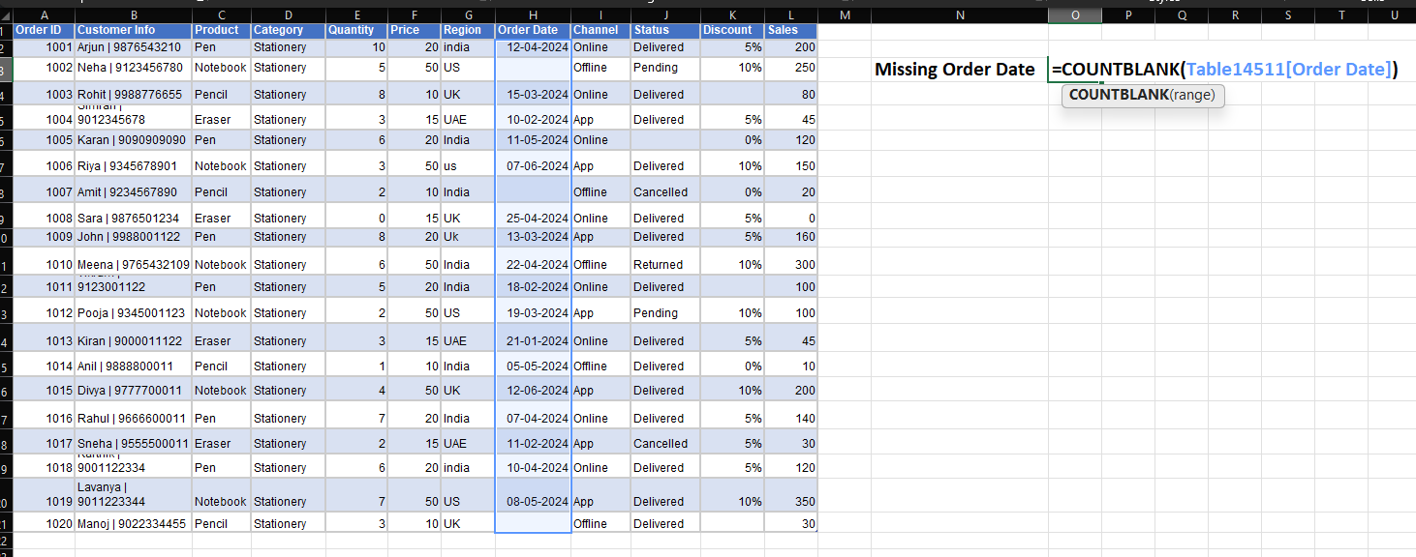
1004 | Simran | 9012345678 | Eraser | Stationery | 3 | 15 | UAE | 2024-02-10 | App | Delivered | 5% | 45
1005 | Karan | 9090909090 | Pen | Stationery | 6 | 20 | India | 2024-05-11 | Online |  | 0% | 120
1006 | Riya | 9345678901 | Notebook | Stationery | 3 | 50 | us | 2024-06-07 | App | Delivered | 10% | 150
1007 | Amit | 9234567890 | Pencil | Stationery | 2 | 10 | India |  | Offline | Cancelled | 0% | 20
1008 | Sara | 9876501234 | Eraser | Stationery | 0 | 15 | UK | 2024-04-25 | Online | Delivered | 5% | 0
1009 | John | 9988001122 | Pen | Stationery | 8 | 20 | Uk | 2024-03-13 | App | Delivered | 5% | 160
1010 | Meena | 9765432109 | Notebook | Stationery | 6 | 50 | India | 2024-04-22 | Offline | Returned | 10% | 300
1011 | Vikram | 9123001122 | Pen | Stationery | 5 | 20 | India | 2024-02-18 | Online | Delivered |  | 100
1012 | Pooja | 9345001123 | Notebook | Stationery | 2 | 50 | US | 2024-03-19 | App | Pending | 10% | 100
1013 | Kiran | 9000011122 | Eraser | Stationery | 3 | 15 | UAE | 2024-01-21 | Online | Delivered | 5% | 45
1014 | Anil | 9888800011 | Pencil | Stationery | 1 | 10 | India | 2024-05-05 | Offline | Delivered | 0% | 10
1015 | Divya | 9777700011 | Notebook | Stationery | 4 | 50 | UK | 2024-06-12 | App | Delivered | 10% | 200
1016 | Rahul | 9666600011 | Pen | Stationery | 7 | 20 | India | 2024-04-07 | Online | Delivered | 5% | 140
1017 | Sneha | 9555500011 | Eraser | Stationery | 2 | 15 | UAE | 2024-02-11 | App | Cancelled | 5% | 30
1018 | Karthik | 9001122334 | Pen | Stationery | 6 | 20 | india | 2024-04-10 | Online | Delivered | 5% | 120
1019 | Lavanya | 9011223344 | Notebook | Stationery | 7 | 50 | US | 2024-05-08 | App | Delivered | 10% | 350
1020 | Manoj | 9022334455 | Pencil | Stationery | 3 | 10 | UK |  | Offline | Delivered |  | 30

Avg Sales(India)
Order ID | Customer Info | Product | Category | Quantity | Price | Region | Order Date | Channel | Status | Discount | Sales
1001 | Arjun | 9876543210 | Pen | Stationery | 10 | 20 | india | 2024-04-12 | Online | Delivered | 5% | 200
1002 | Neha | 9123456780 | Notebook | Stationery | 5 | 50 | US |  | Offline | Pending | 10% | 250 | Average Sales(India) | 126.25
1003 | Rohit | 9988776655 | Pencil | Stationery | 8 | 10 | UK | 2024-03-15 | Online | Delivered |  | 80
1004 | Simran | 9012345678 | Eraser | Stationery | 3 | 15 | UAE | 2024-02-10 | App | Delivered | 5% | 45

1005 | Karan | 9090909090 | Pen | Stationery | 6 | 20 | India | 2024-05-11 | Online |  | 0% | 120
1006 | Riya | 9345678901 | Notebook | Stationery | 3 | 50 | us | 2024-06-07 | App | Delivered | 10% | 150
1007 | Amit | 9234567890 | Pencil | Stationery | 2 | 10 | India |  | Offline | Cancelled | 0% | 20
1008 | Sara | 9876501234 | Eraser | Stationery | 0 | 15 | UK | 2024-04-25 | Online | Delivered | 5% | 0
1009 | John | 9988001122 | Pen | Stationery | 8 | 20 | Uk | 2024-03-13 | App | Delivered | 5% | 160
1010 | Meena | 9765432109 | Notebook | Stationery | 6 | 50 | India | 2024-04-22 | Offline | Returned | 10% | 300
1011 | Vikram | 9123001122 | Pen | Stationery | 5 | 20 | India | 2024-02-18 | Online | Delivered |  | 100
1012 | Pooja | 9345001123 | Notebook | Stationery | 2 | 50 | US | 2024-03-19 | App | Pending | 10% | 100
1013 | Kiran | 9000011122 | Eraser | Stationery | 3 | 15 | UAE | 2024-01-21 | Online | Delivered | 5% | 45
1014 | Anil | 9888800011 | Pencil | Stationery | 1 | 10 | India | 2024-05-05 | Offline | Delivered | 0% | 10
1015 | Divya | 9777700011 | Notebook | Stationery | 4 | 50 | UK | 2024-06-12 | App | Delivered | 10% | 200
1016 | Rahul | 9666600011 | Pen | Stationery | 7 | 20 | India | 2024-04-07 | Online | Delivered | 5% | 140
1017 | Sneha | 9555500011 | Eraser | Stationery | 2 | 15 | UAE | 2024-02-11 | App | Cancelled | 5% | 30
1018 | Karthik | 9001122334 | Pen | Stationery | 6 | 20 | india | 2024-04-10 | Online | Delivered | 5% | 120
1019 | Lavanya | 9011223344 | Notebook | Stationery | 7 | 50 | US | 2024-05-08 | App | Delivered | 10% | 350
1020 | Manoj | 9022334455 | Pencil | Stationery | 3 | 10 | UK |  | Offline | Delivered |  | 30

Performance Classification
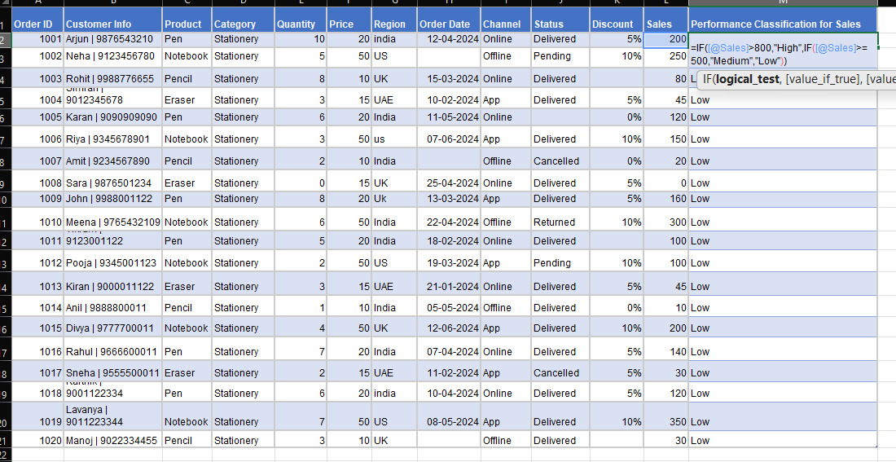
Order ID | Customer Info | Product | Category | Quantity | Price | Region | Order Date | Channel | Status | Discount | Sales | Performance Classification for Sales
1001 | Arjun | 9876543210 | Pen | Stationery | 10 | 20 | india | 2024-04-12 | Online | Delivered | 5% | 200 | Low
1002 | Neha | 9123456780 | Notebook | Stationery | 5 | 50 | US |  | Offline | Pending | 10% | 250 | Low
1003 | Rohit | 9988776655 | Pencil | Stationery | 8 | 10 | UK | 2024-03-15 | Online | Delivered |  | 80 | Low
1004 | Simran | 9012345678 | Eraser | Stationery | 3 | 15 | UAE | 2024-02-10 | App | Delivered | 5% | 45 | Low
1005 | Karan | 9090909090 | Pen | Stationery | 6 | 20 | India | 2024-05-11 | Online |  | 0% | 120 | Low
1006 | Riya | 9345678901 | Notebook | Stationery | 3 | 50 | us | 2024-06-07 | App | Delivered | 10% | 150 | Low
1007 | Amit | 9234567890 | Pencil | Stationery | 2 | 10 | India |  | Offline | Cancelled | 0% | 20 | Low
1008 | Sara | 9876501234 | Eraser | Stationery | 0 | 15 | UK | 2024-04-25 | Online | Delivered | 5% | 0 | Low
1009 | John | 9988001122 | Pen | Stationery | 8 | 20 | Uk | 2024-03-13 | App | Delivered | 5% | 160 | Low
1010 | Meena | 9765432109 | Notebook | Stationery | 6 | 50 | India | 2024-04-22 | Offline | Returned | 10% | 300 | Low
1011 | Vikram | 9123001122 | Pen | Stationery | 5 | 20 | India | 2024-02-18 | Online | Delivered |  | 100 | Low
1012 | Pooja | 9345001123 | Notebook | Stationery | 2 | 50 | US | 2024-03-19 | App | Pending | 10% | 100 | Low
1013 | Kiran | 9000011122 | Eraser | Stationery | 3 | 15 | UAE | 2024-01-21 | Online | Delivered | 5% | 45 | Low
1014 | Anil | 9888800011 | Pencil | Stationery | 1 | 10 | India | 2024-05-05 | Offline | Delivered | 0% | 10 | Low
1015 | Divya | 9777700011 | Notebook | Stationery | 4 | 50 | UK | 2024-06-12 | App | Delivered | 10% | 200 | Low
1016 | Rahul | 9666600011 | Pen | Stationery | 7 | 20 | India | 2024-04-07 | Online | Delivered | 5% | 140 | Low
1017 | Sneha | 9555500011 | Eraser | Stationery | 2 | 15 | UAE | 2024-02-11 | App | Cancelled | 5% | 30 | Low
1018 | Karthik | 9001122334 | Pen | Stationery | 6 | 20 | india | 2024-04-10 | Online | Delivered | 5% | 120 | Low
1019 | Lavanya | 9011223344 | Notebook | Stationery | 7 | 50 | US | 2024-05-08 | App | Delivered | 10% | 350 | Low
1020 | Manoj | 9022334455 | Pencil | Stationery | 3 | 10 | UK |  | Offline | Delivered |  | 30 | Low

Sales > 500 AND Delivered
Order ID | Customer Info | Product | Category | Quantity | Price | Region | Order Date | Channel | Status | Discount | Sales | Performance Classification for Sales
1001 | Arjun | 9876543210 | Pen | Stationery | 10 | 20 | india | 2024-04-12 | Online | Delivered | 5% | 200 | Low
1002 | Neha | 9123456780 | Notebook | Stationery | 5 | 50 | US |  | Offline | Pending | 10% | 250 | Low | Sales > 500 AND Delivered | 0
1003 | Rohit | 9988776655 | Pencil | Stationery | 8 | 10 | UK | 2024-03-15 | Online | Delivered |  | 80 | Low

1004 | Simran | 9012345678 | Eraser | Stationery | 3 | 15 | UAE | 2024-02-10 | App | Delivered | 5% | 45 | Low
1005 | Karan | 9090909090 | Pen | Stationery | 6 | 20 | India | 2024-05-11 | Online |  | 0% | 120 | Low
1006 | Riya | 9345678901 | Notebook | Stationery | 3 | 50 | us | 2024-06-07 | App | Delivered | 10% | 150 | Low
1007 | Amit | 9234567890 | Pencil | Stationery | 2 | 10 | India |  | Offline | Cancelled | 0% | 20 | Low
1008 | Sara | 9876501234 | Eraser | Stationery | 0 | 15 | UK | 2024-04-25 | Online | Delivered | 5% | 0 | Low
1009 | John | 9988001122 | Pen | Stationery | 8 | 20 | Uk | 2024-03-13 | App | Delivered | 5% | 160 | Low
1010 | Meena | 9765432109 | Notebook | Stationery | 6 | 50 | India | 2024-04-22 | Offline | Returned | 10% | 300 | Low
1011 | Vikram | 9123001122 | Pen | Stationery | 5 | 20 | India | 2024-02-18 | Online | Delivered |  | 100 | Low
1012 | Pooja | 9345001123 | Notebook | Stationery | 2 | 50 | US | 2024-03-19 | App | Pending | 10% | 100 | Low
1013 | Kiran | 9000011122 | Eraser | Stationery | 3 | 15 | UAE | 2024-01-21 | Online | Delivered | 5% | 45 | Low
1014 | Anil | 9888800011 | Pencil | Stationery | 1 | 10 | India | 2024-05-05 | Offline | Delivered | 0% | 10 | Low
1015 | Divya | 9777700011 | Notebook | Stationery | 4 | 50 | UK | 2024-06-12 | App | Delivered | 10% | 200 | Low
1016 | Rahul | 9666600011 | Pen | Stationery | 7 | 20 | India | 2024-04-07 | Online | Delivered | 5% | 140 | Low
1017 | Sneha | 9555500011 | Eraser | Stationery | 2 | 15 | UAE | 2024-02-11 | App | Cancelled | 5% | 30 | Low
1018 | Karthik | 9001122334 | Pen | Stationery | 6 | 20 | india | 2024-04-10 | Online | Delivered | 5% | 120 | Low
1019 | Lavanya | 9011223344 | Notebook | Stationery | 7 | 50 | US | 2024-05-08 | App | Delivered | 10% | 350 | Low
1020 | Manoj | 9022334455 | Pencil | Stationery | 3 | 10 | UK |  | Offline | Delivered |  | 30 | Low

Quantity =0 OR Sales<100
Order ID | Customer Info | Product | Category | Quantity | Price | Region | Order Date | Channel | Status | Discount | Sales | Performance Classification for Sales
1001 | Arjun | 9876543210 | Pen | Stationery | 10 | 20 | india | 2024-04-12 | Online | Delivered | 5% | 200 | Low
1002 | Neha | 9123456780 | Notebook | Stationery | 5 | 50 | US |  | Offline | Pending | 10% | 250 | Low
1003 | Rohit | 9988776655 | Pencil | Stationery | 8 | 10 | UK | 2024-03-15 | Online | Delivered |  | 80 | Low | Quantity = 0 OR Sales < 100 | 9
1004 | Simran | 9012345678 | Eraser | Stationery | 3 | 15 | UAE | 2024-02-10 | App | Delivered | 5% | 45 | Low
1005 | Karan | 9090909090 | Pen | Stationery | 6 | 20 | India | 2024-05-11 | Online |  | 0% | 120 | Low

1006 | Riya | 9345678901 | Notebook | Stationery | 3 | 50 | us | 2024-06-07 | App | Delivered | 10% | 150 | Low
1007 | Amit | 9234567890 | Pencil | Stationery | 2 | 10 | India |  | Offline | Cancelled | 0% | 20 | Low
1008 | Sara | 9876501234 | Eraser | Stationery | 0 | 15 | UK | 2024-04-25 | Online | Delivered | 5% | 0 | Low
1009 | John | 9988001122 | Pen | Stationery | 8 | 20 | Uk | 2024-03-13 | App | Delivered | 5% | 160 | Low
1010 | Meena | 9765432109 | Notebook | Stationery | 6 | 50 | India | 2024-04-22 | Offline | Returned | 10% | 300 | Low
1011 | Vikram | 9123001122 | Pen | Stationery | 5 | 20 | India | 2024-02-18 | Online | Delivered |  | 100 | Low
1012 | Pooja | 9345001123 | Notebook | Stationery | 2 | 50 | US | 2024-03-19 | App | Pending | 10% | 100 | Low
1013 | Kiran | 9000011122 | Eraser | Stationery | 3 | 15 | UAE | 2024-01-21 | Online | Delivered | 5% | 45 | Low
1014 | Anil | 9888800011 | Pencil | Stationery | 1 | 10 | India | 2024-05-05 | Offline | Delivered | 0% | 10 | Low
1015 | Divya | 9777700011 | Notebook | Stationery | 4 | 50 | UK | 2024-06-12 | App | Delivered | 10% | 200 | Low
1016 | Rahul | 9666600011 | Pen | Stationery | 7 | 20 | India | 2024-04-07 | Online | Delivered | 5% | 140 | Low
1017 | Sneha | 9555500011 | Eraser | Stationery | 2 | 15 | UAE | 2024-02-11 | App | Cancelled | 5% | 30 | Low
1018 | Karthik | 9001122334 | Pen | Stationery | 6 | 20 | india | 2024-04-10 | Online | Delivered | 5% | 120 | Low
1019 | Lavanya | 9011223344 | Notebook | Stationery | 7 | 50 | US | 2024-05-08 | App | Delivered | 10% | 350 | Low
1020 | Manoj | 9022334455 | Pencil | Stationery | 3 | 10 | UK |  | Offline | Delivered |  | 30 | Low

Valid or Check
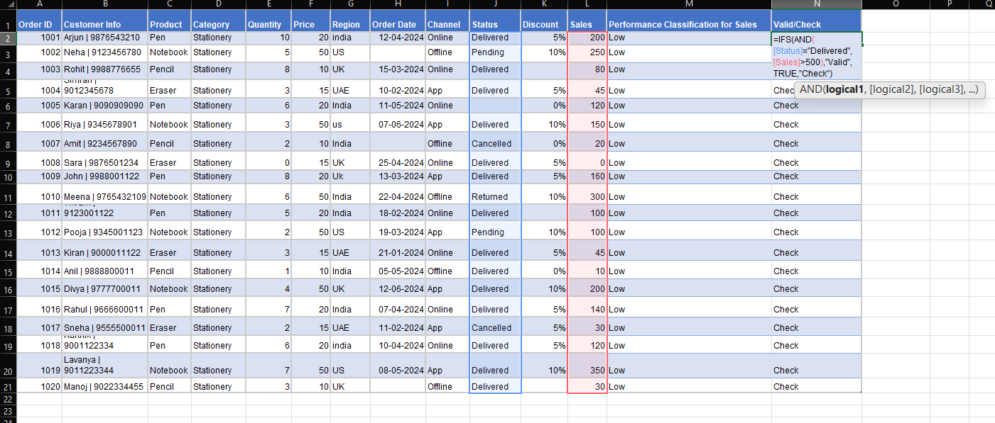
Order ID | Customer Info | Product | Category | Quantity | Price | Region | Order Date | Channel | Status | Discount | Sales | Performance Classification for Sales | Valid/Check
1001 | Arjun | 9876543210 | Pen | Stationery | 10 | 20 | india | 2024-04-12 | Online | Delivered | 5% | 200 | Low | Check
1002 | Neha | 9123456780 | Notebook | Stationery | 5 | 50 | US |  | Offline | Pending | 10% | 250 | Low | Check
1003 | Rohit | 9988776655 | Pencil | Stationery | 8 | 10 | UK | 2024-03-15 | Online | Delivered |  | 80 | Low | Check
1004 | Simran | 9012345678 | Eraser | Stationery | 3 | 15 | UAE | 2024-02-10 | App | Delivered | 5% | 45 | Low | Check
1005 | Karan | 9090909090 | Pen | Stationery | 6 | 20 | India | 2024-05-11 | Online |  | 0% | 120 | Low | Check
1006 | Riya | 9345678901 | Notebook | Stationery | 3 | 50 | us | 2024-06-07 | App | Delivered | 10% | 150 | Low | Check
1007 | Amit | 9234567890 | Pencil | Stationery | 2 | 10 | India |  | Offline | Cancelled | 0% | 20 | Low | Check
1008 | Sara | 9876501234 | Eraser | Stationery | 0 | 15 | UK | 2024-04-25 | Online | Delivered | 5% | 0 | Low | Check
1009 | John | 9988001122 | Pen | Stationery | 8 | 20 | Uk | 2024-03-13 | App | Delivered | 5% | 160 | Low | Check
1010 | Meena | 9765432109 | Notebook | Stationery | 6 | 50 | India | 2024-04-22 | Offline | Returned | 10% | 300 | Low | Check
1011 | Vikram | 9123001122 | Pen | Stationery | 5 | 20 | India | 2024-02-18 | Online | Delivered |  | 100 | Low | Check
1012 | Pooja | 9345001123 | Notebook | Stationery | 2 | 50 | US | 2024-03-19 | App | Pending | 10% | 100 | Low | Check
1013 | Kiran | 9000011122 | Eraser | Stationery | 3 | 15 | UAE | 2024-01-21 | Online | Delivered | 5% | 45 | Low | Check
1014 | Anil | 9888800011 | Pencil | Stationery | 1 | 10 | India | 2024-05-05 | Offline | Delivered | 0% | 10 | Low | Check
1015 | Divya | 9777700011 | Notebook | Stationery | 4 | 50 | UK | 2024-06-12 | App | Delivered | 10% | 200 | Low | Check
1016 | Rahul | 9666600011 | Pen | Stationery | 7 | 20 | India | 2024-04-07 | Online | Delivered | 5% | 140 | Low | Check
1017 | Sneha | 9555500011 | Eraser | Stationery | 2 | 15 | UAE | 2024-02-11 | App | Cancelled | 5% | 30 | Low | Check
1018 | Karthik | 9001122334 | Pen | Stationery | 6 | 20 | india | 2024-04-10 | Online | Delivered | 5% | 120 | Low | Check
1019 | Lavanya | 9011223344 | Notebook | Stationery | 7 | 50 | US | 2024-05-08 | App | Delivered | 10% | 350 | Low | Check
1020 | Manoj | 9022334455 | Pencil | Stationery | 3 | 10 | UK |  | Offline | Delivered |  | 30 | Low | Check

Extract Customer Name
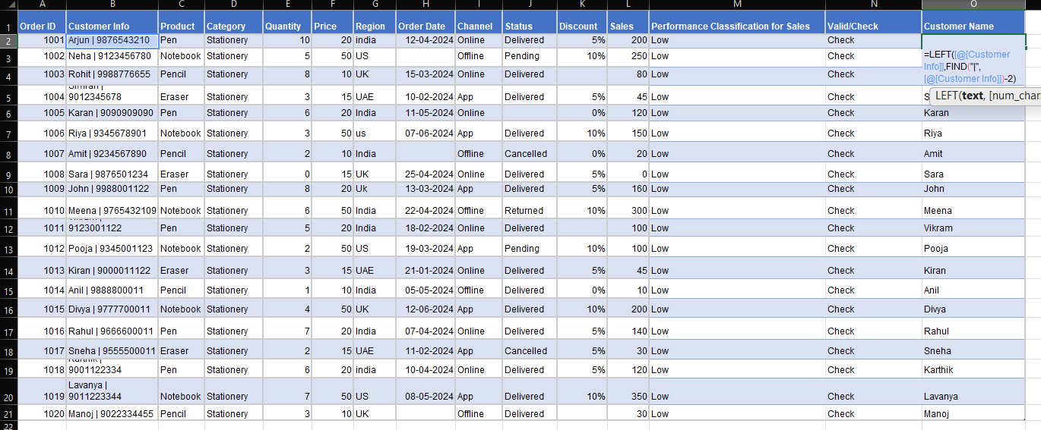
Order ID | Customer Info | Product | Category | Quantity | Price | Region | Order Date | Channel | Status | Discount | Sales | Performance Classification for Sales | Valid/Check | Customer Name
1001 | Arjun | 9876543210 | Pen | Stationery | 10 | 20 | india | 2024-04-12 | Online | Delivered | 5% | 200 | Low | Check | Arjun
1002 | Neha | 9123456780 | Notebook | Stationery | 5 | 50 | US |  | Offline | Pending | 10% | 250 | Low | Check | Neha
1003 | Rohit | 9988776655 | Pencil | Stationery | 8 | 10 | UK | 2024-03-15 | Online | Delivered |  | 80 | Low | Check | Rohit
1004 | Simran | 9012345678 | Eraser | Stationery | 3 | 15 | UAE | 2024-02-10 | App | Delivered | 5% | 45 | Low | Check | Simran
1005 | Karan | 9090909090 | Pen | Stationery | 6 | 20 | India | 2024-05-11 | Online |  | 0% | 120 | Low | Check | Karan
1006 | Riya | 9345678901 | Notebook | Stationery | 3 | 50 | us | 2024-06-07 | App | Delivered | 10% | 150 | Low | Check | Riya
1007 | Amit | 9234567890 | Pencil | Stationery | 2 | 10 | India |  | Offline | Cancelled | 0% | 20 | Low | Check | Amit
1008 | Sara | 9876501234 | Eraser | Stationery | 0 | 15 | UK | 2024-04-25 | Online | Delivered | 5% | 0 | Low | Check | Sara
1009 | John | 9988001122 | Pen | Stationery | 8 | 20 | Uk | 2024-03-13 | App | Delivered | 5% | 160 | Low | Check | John
1010 | Meena | 9765432109 | Notebook | Stationery | 6 | 50 | India | 2024-04-22 | Offline | Returned | 10% | 300 | Low | Check | Meena
1011 | Vikram | 9123001122 | Pen | Stationery | 5 | 20 | India | 2024-02-18 | Online | Delivered |  | 100 | Low | Check | Vikram
1012 | Pooja | 9345001123 | Notebook | Stationery | 2 | 50 | US | 2024-03-19 | App | Pending | 10% | 100 | Low | Check | Pooja
1013 | Kiran | 9000011122 | Eraser | Stationery | 3 | 15 | UAE | 2024-01-21 | Online | Delivered | 5% | 45 | Low | Check | Kiran
1014 | Anil | 9888800011 | Pencil | Stationery | 1 | 10 | India | 2024-05-05 | Offline | Delivered | 0% | 10 | Low | Check | Anil
1015 | Divya | 9777700011 | Notebook | Stationery | 4 | 50 | UK | 2024-06-12 | App | Delivered | 10% | 200 | Low | Check | Divya
1016 | Rahul | 9666600011 | Pen | Stationery | 7 | 20 | India | 2024-04-07 | Online | Delivered | 5% | 140 | Low | Check | Rahul
1017 | Sneha | 9555500011 | Eraser | Stationery | 2 | 15 | UAE | 2024-02-11 | App | Cancelled | 5% | 30 | Low | Check | Sneha
1018 | Karthik | 9001122334 | Pen | Stationery | 6 | 20 | india | 2024-04-10 | Online | Delivered | 5% | 120 | Low | Check | Karthik
1019 | Lavanya | 9011223344 | Notebook | Stationery | 7 | 50 | US | 2024-05-08 | App | Delivered | 10% | 350 | Low | Check | Lavanya
1020 | Manoj | 9022334455 | Pencil | Stationery | 3 | 10 | UK |  | Offline | Delivered |  | 30 | Low | Check | Manoj

Extract Customer Number
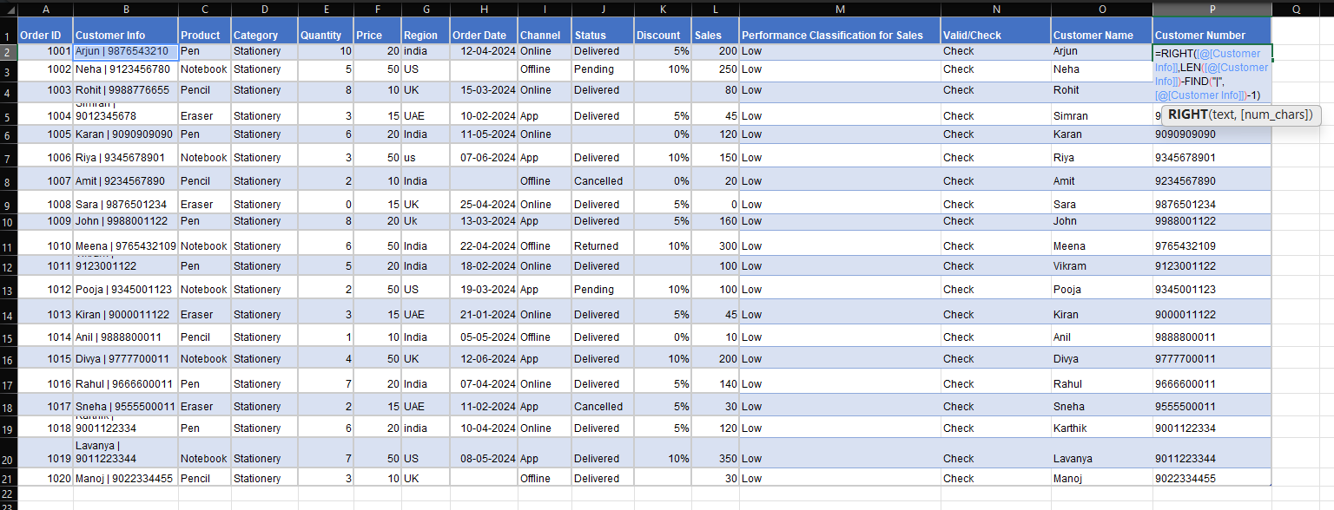
Order ID | Customer Info | Product | Category | Quantity | Price | Region | Order Date | Channel | Status | Discount | Sales | Performance Classification for Sales | Valid/Check | Customer Name | Customer Number
1001 | Arjun | 9876543210 | Pen | Stationery | 10 | 20 | india | 2024-04-12 | Online | Delivered | 5% | 200 | Low | Check | Arjun | 9876543210
1002 | Neha | 9123456780 | Notebook | Stationery | 5 | 50 | US |  | Offline | Pending | 10% | 250 | Low | Check | Neha | 9123456780
1003 | Rohit | 9988776655 | Pencil | Stationery | 8 | 10 | UK | 2024-03-15 | Online | Delivered |  | 80 | Low | Check | Rohit | 9988776655
1004 | Simran | 9012345678 | Eraser | Stationery | 3 | 15 | UAE | 2024-02-10 | App | Delivered | 5% | 45 | Low | Check | Simran | 9012345678
1005 | Karan | 9090909090 | Pen | Stationery | 6 | 20 | India | 2024-05-11 | Online |  | 0% | 120 | Low | Check | Karan | 9090909090
1006 | Riya | 9345678901 | Notebook | Stationery | 3 | 50 | us | 2024-06-07 | App | Delivered | 10% | 150 | Low | Check | Riya | 9345678901
1007 | Amit | 9234567890 | Pencil | Stationery | 2 | 10 | India |  | Offline | Cancelled | 0% | 20 | Low | Check | Amit | 9234567890
1008 | Sara | 9876501234 | Eraser | Stationery | 0 | 15 | UK | 2024-04-25 | Online | Delivered | 5% | 0 | Low | Check | Sara | 9876501234
1009 | John | 9988001122 | Pen | Stationery | 8 | 20 | Uk | 2024-03-13 | App | Delivered | 5% | 160 | Low | Check | John | 9988001122
1010 | Meena | 9765432109 | Notebook | Stationery | 6 | 50 | India | 2024-04-22 | Offline | Returned | 10% | 300 | Low | Check | Meena | 9765432109
1011 | Vikram | 9123001122 | Pen | Stationery | 5 | 20 | India | 2024-02-18 | Online | Delivered |  | 100 | Low | Check | Vikram | 9123001122
1012 | Pooja | 9345001123 | Notebook | Stationery | 2 | 50 | US | 2024-03-19 | App | Pending | 10% | 100 | Low | Check | Pooja | 9345001123
1013 | Kiran | 9000011122 | Eraser | Stationery | 3 | 15 | UAE | 2024-01-21 | Online | Delivered | 5% | 45 | Low | Check | Kiran | 9000011122
1014 | Anil | 9888800011 | Pencil | Stationery | 1 | 10 | India | 2024-05-05 | Offline | Delivered | 0% | 10 | Low | Check | Anil | 9888800011
1015 | Divya | 9777700011 | Notebook | Stationery | 4 | 50 | UK | 2024-06-12 | App | Delivered | 10% | 200 | Low | Check | Divya | 9777700011
1016 | Rahul | 9666600011 | Pen | Stationery | 7 | 20 | India | 2024-04-07 | Online | Delivered | 5% | 140 | Low | Check | Rahul | 9666600011
1017 | Sneha | 9555500011 | Eraser | Stationery | 2 | 15 | UAE | 2024-02-11 | App | Cancelled | 5% | 30 | Low | Check | Sneha | 9555500011
1018 | Karthik | 9001122334 | Pen | Stationery | 6 | 20 | india | 2024-04-10 | Online | Delivered | 5% | 120 | Low | Check | Karthik | 9001122334
1019 | Lavanya | 9011223344 | Notebook | Stationery | 7 | 50 | US | 2024-05-08 | App | Delivered | 10% | 350 | Low | Check | Lavanya | 9011223344
1020 | Manoj | 9022334455 | Pencil | Stationery | 3 | 10 | UK |  | Offline | Delivered |  | 30 | Low | Check | Manoj | 9022334455

Remove Extra Spaces
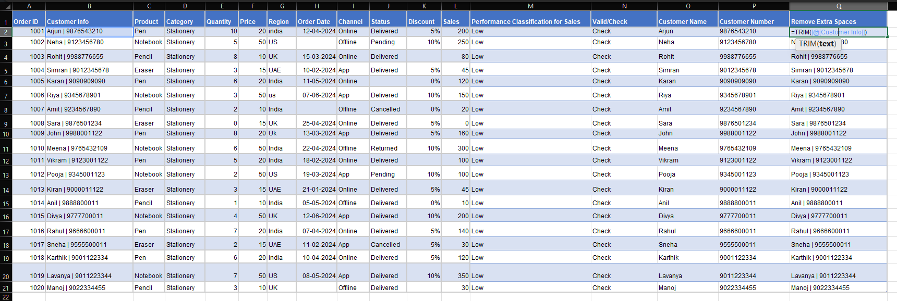
Order ID | Customer Info | Product | Category | Quantity | Price | Region | Order Date | Channel | Status | Discount | Sales | Performance Classification for Sales | Valid/Check | Customer Name | Customer Number | Remove Extra Spaces
1001 | Arjun | 9876543210 | Pen | Stationery | 10 | 20 | india | 2024-04-12 | Online | Delivered | 5% | 200 | Low | Check | Arjun | 9876543210 | Arjun | 9876543210
1002 | Neha | 9123456780 | Notebook | Stationery | 5 | 50 | US |  | Offline | Pending | 10% | 250 | Low | Check | Neha | 9123456780 | Neha | 9123456780
1003 | Rohit | 9988776655 | Pencil | Stationery | 8 | 10 | UK | 2024-03-15 | Online | Delivered |  | 80 | Low | Check | Rohit | 9988776655 | Rohit | 9988776655
1004 | Simran | 9012345678 | Eraser | Stationery | 3 | 15 | UAE | 2024-02-10 | App | Delivered | 5% | 45 | Low | Check | Simran | 9012345678 | Simran | 9012345678
1005 | Karan | 9090909090 | Pen | Stationery | 6 | 20 | India | 2024-05-11 | Online |  | 0% | 120 | Low | Check | Karan | 9090909090 | Karan | 9090909090
1006 | Riya | 9345678901 | Notebook | Stationery | 3 | 50 | us | 2024-06-07 | App | Delivered | 10% | 150 | Low | Check | Riya | 9345678901 | Riya | 9345678901
1007 | Amit | 9234567890 | Pencil | Stationery | 2 | 10 | India |  | Offline | Cancelled | 0% | 20 | Low | Check | Amit | 9234567890 | Amit | 9234567890
1008 | Sara | 9876501234 | Eraser | Stationery | 0 | 15 | UK | 2024-04-25 | Online | Delivered | 5% | 0 | Low | Check | Sara | 9876501234 | Sara | 9876501234
1009 | John | 9988001122 | Pen | Stationery | 8 | 20 | Uk | 2024-03-13 | App | Delivered | 5% | 160 | Low | Check | John | 9988001122 | John | 9988001122
1010 | Meena | 9765432109 | Notebook | Stationery | 6 | 50 | India | 2024-04-22 | Offline | Returned | 10% | 300 | Low | Check | Meena | 9765432109 | Meena | 9765432109
1011 | Vikram | 9123001122 | Pen | Stationery | 5 | 20 | India | 2024-02-18 | Online | Delivered |  | 100 | Low | Check | Vikram | 9123001122 | Vikram | 9123001122
1012 | Pooja | 9345001123 | Notebook | Stationery | 2 | 50 | US | 2024-03-19 | App | Pending | 10% | 100 | Low | Check | Pooja | 9345001123 | Pooja | 9345001123
1013 | Kiran | 9000011122 | Eraser | Stationery | 3 | 15 | UAE | 2024-01-21 | Online | Delivered | 5% | 45 | Low | Check | Kiran | 9000011122 | Kiran | 9000011122
1014 | Anil | 9888800011 | Pencil | Stationery | 1 | 10 | India | 2024-05-05 | Offline | Delivered | 0% | 10 | Low | Check | Anil | 9888800011 | Anil | 9888800011
1015 | Divya | 9777700011 | Notebook | Stationery | 4 | 50 | UK | 2024-06-12 | App | Delivered | 10% | 200 | Low | Check | Divya | 9777700011 | Divya | 9777700011
1016 | Rahul | 9666600011 | Pen | Stationery | 7 | 20 | India | 2024-04-07 | Online | Delivered | 5% | 140 | Low | Check | Rahul | 9666600011 | Rahul | 9666600011
1017 | Sneha | 9555500011 | Eraser | Stationery | 2 | 15 | UAE | 2024-02-11 | App | Cancelled | 5% | 30 | Low | Check | Sneha | 9555500011 | Sneha | 9555500011
1018 | Karthik | 9001122334 | Pen | Stationery | 6 | 20 | india | 2024-04-10 | Online | Delivered | 5% | 120 | Low | Check | Karthik | 9001122334 | Karthik | 9001122334
1019 | Lavanya | 9011223344 | Notebook | Stationery | 7 | 50 | US | 2024-05-08 | App | Delivered | 10% | 350 | Low | Check | Lavanya | 9011223344 | Lavanya | 9011223344
1020 | Manoj | 9022334455 | Pencil | Stationery | 3 | 10 | UK |  | Offline | Delivered |  | 30 | Low | Check | Manoj | 9022334455 | Manoj | 9022334455

Standardize Region

Order ID | Customer Info | Product | Category | Quantity | Price | Region | Order Date | Channel | Status | Discount | Sales | Performance Classification for Sales | Valid/Check | Customer Name | Customer Number | Remove Extra Spaces | Standardize Region
1001 | Arjun | 9876543210 | Pen | Stationery | 10 | 20 | india | 2024-04-12 | Online | Delivered | 5% | 200 | Low | Check | Arjun | 9876543210 | Arjun | 9876543210 | INDIA
1002 | Neha | 9123456780 | Notebook | Stationery | 5 | 50 | US |  | Offline | Pending | 10% | 250 | Low | Check | Neha | 9123456780 | Neha | 9123456780 | US
1003 | Rohit | 9988776655 | Pencil | Stationery | 8 | 10 | UK | 2024-03-15 | Online | Delivered |  | 80 | Low | Check | Rohit | 9988776655 | Rohit | 9988776655 | UK
1004 | Simran | 9012345678 | Eraser | Stationery | 3 | 15 | UAE | 2024-02-10 | App | Delivered | 5% | 45 | Low | Check | Simran | 9012345678 | Simran | 9012345678 | UAE
1005 | Karan | 9090909090 | Pen | Stationery | 6 | 20 | India | 2024-05-11 | Online |  | 0% | 120 | Low | Check | Karan | 9090909090 | Karan | 9090909090 | INDIA
1006 | Riya | 9345678901 | Notebook | Stationery | 3 | 50 | us | 2024-06-07 | App | Delivered | 10% | 150 | Low | Check | Riya | 9345678901 | Riya | 9345678901 | US
1007 | Amit | 9234567890 | Pencil | Stationery | 2 | 10 | India |  | Offline | Cancelled | 0% | 20 | Low | Check | Amit | 9234567890 | Amit | 9234567890 | INDIA
1008 | Sara | 9876501234 | Eraser | Stationery | 0 | 15 | UK | 2024-04-25 | Online | Delivered | 5% | 0 | Low | Check | Sara | 9876501234 | Sara | 9876501234 | UK
1009 | John | 9988001122 | Pen | Stationery | 8 | 20 | Uk | 2024-03-13 | App | Delivered | 5% | 160 | Low | Check | John | 9988001122 | John | 9988001122 | UK
1010 | Meena | 9765432109 | Notebook | Stationery | 6 | 50 | India | 2024-04-22 | Offline | Returned | 10% | 300 | Low | Check | Meena | 9765432109 | Meena | 9765432109 | INDIA
1011 | Vikram | 9123001122 | Pen | Stationery | 5 | 20 | India | 2024-02-18 | Online | Delivered |  | 100 | Low | Check | Vikram | 9123001122 | Vikram | 9123001122 | INDIA
1012 | Pooja | 9345001123 | Notebook | Stationery | 2 | 50 | US | 2024-03-19 | App | Pending | 10% | 100 | Low | Check | Pooja | 9345001123 | Pooja | 9345001123 | US
1013 | Kiran | 9000011122 | Eraser | Stationery | 3 | 15 | UAE | 2024-01-21 | Online | Delivered | 5% | 45 | Low | Check | Kiran | 9000011122 | Kiran | 9000011122 | UAE
1014 | Anil | 9888800011 | Pencil | Stationery | 1 | 10 | India | 2024-05-05 | Offline | Delivered | 0% | 10 | Low | Check | Anil | 9888800011 | Anil | 9888800011 | INDIA
1015 | Divya | 9777700011 | Notebook | Stationery | 4 | 50 | UK | 2024-06-12 | App | Delivered | 10% | 200 | Low | Check | Divya | 9777700011 | Divya | 9777700011 | UK
1016 | Rahul | 9666600011 | Pen | Stationery | 7 | 20 | India | 2024-04-07 | Online | Delivered | 5% | 140 | Low | Check | Rahul | 9666600011 | Rahul | 9666600011 | INDIA
1017 | Sneha | 9555500011 | Eraser | Stationery | 2 | 15 | UAE | 2024-02-11 | App | Cancelled | 5% | 30 | Low | Check | Sneha | 9555500011 | Sneha | 9555500011 | UAE
1018 | Karthik | 9001122334 | Pen | Stationery | 6 | 20 | india | 2024-04-10 | Online | Delivered | 5% | 120 | Low | Check | Karthik | 9001122334 | Karthik | 9001122334 | INDIA
1019 | Lavanya | 9011223344 | Notebook | Stationery | 7 | 50 | US | 2024-05-08 | App | Delivered | 10% | 350 | Low | Check | Lavanya | 9011223344 | Lavanya | 9011223344 | US
1020 | Manoj | 9022334455 | Pencil | Stationery | 3 | 10 | UK |  | Offline | Delivered |  | 30 | Low | Check | Manoj | 9022334455 | Manoj | 9022334455 | UK

Remove "pcs"

Order ID | Customer Info | Product | Category | Quantity | Price | Region | Order Date | Channel | Status | Discount | Sales | Performance Classification for Sales | Valid/Check | Customer Name | Customer Number | Remove Extra Spaces | Standardize Region | Remove "pcs"
1001 | Arjun | 9876543210 | Pen | Stationery | 10 | 20 | india | 2024-04-12 | Online | Delivered | 5% | 200 | Low | Check | Arjun | 9876543210 | Arjun | 9876543210 | INDIA | 10
1002 | Neha | 9123456780 | Notebook | Stationery | 5 | 50 | US |  | Offline | Pending | 10% | 250 | Low | Check | Neha | 9123456780 | Neha | 9123456780 | US | 5
1003 | Rohit | 9988776655 | Pencil | Stationery | 8 | 10 | UK | 2024-03-15 | Online | Delivered |  | 80 | Low | Check | Rohit | 9988776655 | Rohit | 9988776655 | UK | 8
1004 | Simran | 9012345678 | Eraser | Stationery | 3 | 15 | UAE | 2024-02-10 | App | Delivered | 5% | 45 | Low | Check | Simran | 9012345678 | Simran | 9012345678 | UAE | 3
1005 | Karan | 9090909090 | Pen | Stationery | 6 | 20 | India | 2024-05-11 | Online |  | 0% | 120 | Low | Check | Karan | 9090909090 | Karan | 9090909090 | INDIA | 6
1006 | Riya | 9345678901 | Notebook | Stationery | 3 | 50 | us | 2024-06-07 | App | Delivered | 10% | 150 | Low | Check | Riya | 9345678901 | Riya | 9345678901 | US | 3
1007 | Amit | 9234567890 | Pencil | Stationery | 2 | 10 | India |  | Offline | Cancelled | 0% | 20 | Low | Check | Amit | 9234567890 | Amit | 9234567890 | INDIA | 2
1008 | Sara | 9876501234 | Eraser | Stationery | 0 | 15 | UK | 2024-04-25 | Online | Delivered | 5% | 0 | Low | Check | Sara | 9876501234 | Sara | 9876501234 | UK | 0
1009 | John | 9988001122 | Pen | Stationery | 8 | 20 | Uk | 2024-03-13 | App | Delivered | 5% | 160 | Low | Check | John | 9988001122 | John | 9988001122 | UK | 8
1010 | Meena | 9765432109 | Notebook | Stationery | 6 | 50 | India | 2024-04-22 | Offline | Returned | 10% | 300 | Low | Check | Meena | 9765432109 | Meena | 9765432109 | INDIA | 6
1011 | Vikram | 9123001122 | Pen | Stationery | 5 | 20 | India | 2024-02-18 | Online | Delivered |  | 100 | Low | Check | Vikram | 9123001122 | Vikram | 9123001122 | INDIA | 5
1012 | Pooja | 9345001123 | Notebook | Stationery | 2 | 50 | US | 2024-03-19 | App | Pending | 10% | 100 | Low | Check | Pooja | 9345001123 | Pooja | 9345001123 | US | 2
1013 | Kiran | 9000011122 | Eraser | Stationery | 3 | 15 | UAE | 2024-01-21 | Online | Delivered | 5% | 45 | Low | Check | Kiran | 9000011122 | Kiran | 9000011122 | UAE | 3
1014 | Anil | 9888800011 | Pencil | Stationery | 1 | 10 | India | 2024-05-05 | Offline | Delivered | 0% | 10 | Low | Check | Anil | 9888800011 | Anil | 9888800011 | INDIA | 1
1015 | Divya | 9777700011 | Notebook | Stationery | 4 | 50 | UK | 2024-06-12 | App | Delivered | 10% | 200 | Low | Check | Divya | 9777700011 | Divya | 9777700011 | UK | 4
1016 | Rahul | 9666600011 | Pen | Stationery | 7 | 20 | India | 2024-04-07 | Online | Delivered | 5% | 140 | Low | Check | Rahul | 9666600011 | Rahul | 9666600011 | INDIA | 7
1017 | Sneha | 9555500011 | Eraser | Stationery | 2 | 15 | UAE | 2024-02-11 | App | Cancelled | 5% | 30 | Low | Check | Sneha | 9555500011 | Sneha | 9555500011 | UAE | 2
1018 | Karthik | 9001122334 | Pen | Stationery | 6 | 20 | india | 2024-04-10 | Online | Delivered | 5% | 120 | Low | Check | Karthik | 9001122334 | Karthik | 9001122334 | INDIA | 6
1019 | Lavanya | 9011223344 | Notebook | Stationery | 7 | 50 | US | 2024-05-08 | App | Delivered | 10% | 350 | Low | Check | Lavanya | 9011223344 | Lavanya | 9011223344 | US | 7
1020 | Manoj | 9022334455 | Pencil | Stationery | 3 | 10 | UK |  | Offline | Delivered |  | 30 | Low | Check | Manoj | 9022334455 | Manoj | 9022334455 | UK | 3

Extract Year

Order ID | Customer Info | Product | Category | Quantity | Price | Region | Order Date | Channel | Status | Discount | Sales | Performance Classification for Sales | Valid/Check | Customer Name | Customer Number | Remove Extra Spaces | Standardize Region | Remove "pcs" | Year
1001 | Arjun | 9876543210 | Pen | Stationery | 10 | 20 | india | 2024-04-12 | Online | Delivered | 5% | 200 | Low | Check | Arjun | 9876543210 | Arjun | 9876543210 | INDIA | 10 | 2024
1002 | Neha | 9123456780 | Notebook | Stationery | 5 | 50 | US |  | Offline | Pending | 10% | 250 | Low | Check | Neha | 9123456780 | Neha | 9123456780 | US | 5
1003 | Rohit | 9988776655 | Pencil | Stationery | 8 | 10 | UK | 2024-03-15 | Online | Delivered |  | 80 | Low | Check | Rohit | 9988776655 | Rohit | 9988776655 | UK | 8 | 2024
1004 | Simran | 9012345678 | Eraser | Stationery | 3 | 15 | UAE | 2024-02-10 | App | Delivered | 5% | 45 | Low | Check | Simran | 9012345678 | Simran | 9012345678 | UAE | 3 | 2024
1005 | Karan | 9090909090 | Pen | Stationery | 6 | 20 | India | 2024-05-11 | Online |  | 0% | 120 | Low | Check | Karan | 9090909090 | Karan | 9090909090 | INDIA | 6 | 2024
1006 | Riya | 9345678901 | Notebook | Stationery | 3 | 50 | us | 2024-06-07 | App | Delivered | 10% | 150 | Low | Check | Riya | 9345678901 | Riya | 9345678901 | US | 3 | 2024
1007 | Amit | 9234567890 | Pencil | Stationery | 2 | 10 | India |  | Offline | Cancelled | 0% | 20 | Low | Check | Amit | 9234567890 | Amit | 9234567890 | INDIA | 2
1008 | Sara | 9876501234 | Eraser | Stationery | 0 | 15 | UK | 2024-04-25 | Online | Delivered | 5% | 0 | Low | Check | Sara | 9876501234 | Sara | 9876501234 | UK | 0 | 2024
1009 | John | 9988001122 | Pen | Stationery | 8 | 20 | Uk | 2024-03-13 | App | Delivered | 5% | 160 | Low | Check | John | 9988001122 | John | 9988001122 | UK | 8 | 2024
1010 | Meena | 9765432109 | Notebook | Stationery | 6 | 50 | India | 2024-04-22 | Offline | Returned | 10% | 300 | Low | Check | Meena | 9765432109 | Meena | 9765432109 | INDIA | 6 | 2024
1011 | Vikram | 9123001122 | Pen | Stationery | 5 | 20 | India | 2024-02-18 | Online | Delivered |  | 100 | Low | Check | Vikram | 9123001122 | Vikram | 9123001122 | INDIA | 5 | 2024
1012 | Pooja | 9345001123 | Notebook | Stationery | 2 | 50 | US | 2024-03-19 | App | Pending | 10% | 100 | Low | Check | Pooja | 9345001123 | Pooja | 9345001123 | US | 2 | 2024
1013 | Kiran | 9000011122 | Eraser | Stationery | 3 | 15 | UAE | 2024-01-21 | Online | Delivered | 5% | 45 | Low | Check | Kiran | 9000011122 | Kiran | 9000011122 | UAE | 3 | 2024
1014 | Anil | 9888800011 | Pencil | Stationery | 1 | 10 | India | 2024-05-05 | Offline | Delivered | 0% | 10 | Low | Check | Anil | 9888800011 | Anil | 9888800011 | INDIA | 1 | 2024
1015 | Divya | 9777700011 | Notebook | Stationery | 4 | 50 | UK | 2024-06-12 | App | Delivered | 10% | 200 | Low | Check | Divya | 9777700011 | Divya | 9777700011 | UK | 4 | 2024
1016 | Rahul | 9666600011 | Pen | Stationery | 7 | 20 | India | 2024-04-07 | Online | Delivered | 5% | 140 | Low | Check | Rahul | 9666600011 | Rahul | 9666600011 | INDIA | 7 | 2024
1017 | Sneha | 9555500011 | Eraser | Stationery | 2 | 15 | UAE | 2024-02-11 | App | Cancelled | 5% | 30 | Low | Check | Sneha | 9555500011 | Sneha | 9555500011 | UAE | 2 | 2024
1018 | Karthik | 9001122334 | Pen | Stationery | 6 | 20 | india | 2024-04-10 | Online | Delivered | 5% | 120 | Low | Check | Karthik | 9001122334 | Karthik | 9001122334 | INDIA | 6 | 2024
1019 | Lavanya | 9011223344 | Notebook | Stationery | 7 | 50 | US | 2024-05-08 | App | Delivered | 10% | 350 | Low | Check | Lavanya | 9011223344 | Lavanya | 9011223344 | US | 7 | 2024
1020 | Manoj | 9022334455 | Pencil | Stationery | 3 | 10 | UK |  | Offline | Delivered |  | 30 | Low | Check | Manoj | 9022334455 | Manoj | 9022334455 | UK | 3

Extract Month

Order ID | Customer Info | Product | Category | Quantity | Price | Region | Order Date | Channel | Status | Discount | Sales | Performance Classification for Sales | Valid/Check | Customer Name | Customer Number | Remove Extra Spaces | Standardize Region | Remove "pcs" | Year | Month | Month2
1001 | Arjun | 9876543210 | Pen | Stationery | 10 | 20 | india | 2024-04-12 | Online | Delivered | 5% | 200 | Low | Check | Arjun | 9876543210 | Arjun | 9876543210 | INDIA | 10 | 2024 | 4 | Apr
1002 | Neha | 9123456780 | Notebook | Stationery | 5 | 50 | US |  | Offline | Pending | 10% | 250 | Low | Check | Neha | 9123456780 | Neha | 9123456780 | US | 5
1003 | Rohit | 9988776655 | Pencil | Stationery | 8 | 10 | UK | 2024-03-15 | Online | Delivered |  | 80 | Low | Check | Rohit | 9988776655 | Rohit | 9988776655 | UK | 8 | 2024 | 3 | Mar
1004 | Simran | 9012345678 | Eraser | Stationery | 3 | 15 | UAE | 2024-02-10 | App | Delivered | 5% | 45 | Low | Check | Simran | 9012345678 | Simran | 9012345678 | UAE | 3 | 2024 | 2 | Feb
1005 | Karan | 9090909090 | Pen | Stationery | 6 | 20 | India | 2024-05-11 | Online |  | 0% | 120 | Low | Check | Karan | 9090909090 | Karan | 9090909090 | INDIA | 6 | 2024 | 5 | May
1006 | Riya | 9345678901 | Notebook | Stationery | 3 | 50 | us | 2024-06-07 | App | Delivered | 10% | 150 | Low | Check | Riya | 9345678901 | Riya | 9345678901 | US | 3 | 2024 | 6 | Jun
1007 | Amit | 9234567890 | Pencil | Stationery | 2 | 10 | India |  | Offline | Cancelled | 0% | 20 | Low | Check | Amit | 9234567890 | Amit | 9234567890 | INDIA | 2
1008 | Sara | 9876501234 | Eraser | Stationery | 0 | 15 | UK | 2024-04-25 | Online | Delivered | 5% | 0 | Low | Check | Sara | 9876501234 | Sara | 9876501234 | UK | 0 | 2024 | 4 | Apr
1009 | John | 9988001122 | Pen | Stationery | 8 | 20 | Uk | 2024-03-13 | App | Delivered | 5% | 160 | Low | Check | John | 9988001122 | John | 9988001122 | UK | 8 | 2024 | 3 | Mar
1010 | Meena | 9765432109 | Notebook | Stationery | 6 | 50 | India | 2024-04-22 | Offline | Returned | 10% | 300 | Low | Check | Meena | 9765432109 | Meena | 9765432109 | INDIA | 6 | 2024 | 4 | Apr
1011 | Vikram | 9123001122 | Pen | Stationery | 5 | 20 | India | 2024-02-18 | Online | Delivered |  | 100 | Low | Check | Vikram | 9123001122 | Vikram | 9123001122 | INDIA | 5 | 2024 | 2 | Feb
1012 | Pooja | 9345001123 | Notebook | Stationery | 2 | 50 | US | 2024-03-19 | App | Pending | 10% | 100 | Low | Check | Pooja | 9345001123 | Pooja | 9345001123 | US | 2 | 2024 | 3 | Mar
1013 | Kiran | 9000011122 | Eraser | Stationery | 3 | 15 | UAE | 2024-01-21 | Online | Delivered | 5% | 45 | Low | Check | Kiran | 9000011122 | Kiran | 9000011122 | UAE | 3 | 2024 | 1 | Jan
1014 | Anil | 9888800011 | Pencil | Stationery | 1 | 10 | India | 2024-05-05 | Offline | Delivered | 0% | 10 | Low | Check | Anil | 9888800011 | Anil | 9888800011 | INDIA | 1 | 2024 | 5 | May
1015 | Divya | 9777700011 | Notebook | Stationery | 4 | 50 | UK | 2024-06-12 | App | Delivered | 10% | 200 | Low | Check | Divya | 9777700011 | Divya | 9777700011 | UK | 4 | 2024 | 6 | Jun
1016 | Rahul | 9666600011 | Pen | Stationery | 7 | 20 | India | 2024-04-07 | Online | Delivered | 5% | 140 | Low | Check | Rahul | 9666600011 | Rahul | 9666600011 | INDIA | 7 | 2024 | 4 | Apr
1017 | Sneha | 9555500011 | Eraser | Stationery | 2 | 15 | UAE | 2024-02-11 | App | Cancelled | 5% | 30 | Low | Check | Sneha | 9555500011 | Sneha | 9555500011 | UAE | 2 | 2024 | 2 | Feb
1018 | Karthik | 9001122334 | Pen | Stationery | 6 | 20 | india | 2024-04-10 | Online | Delivered | 5% | 120 | Low | Check | Karthik | 9001122334 | Karthik | 9001122334 | INDIA | 6 | 2024 | 4 | Apr
1019 | Lavanya | 9011223344 | Notebook | Stationery | 7 | 50 | US | 2024-05-08 | App | Delivered | 10% | 350 | Low | Check | Lavanya | 9011223344 | Lavanya | 9011223344 | US | 7 | 2024 | 5 | May
1020 | Manoj | 9022334455 | Pencil | Stationery | 3 | 10 | UK |  | Offline | Delivered |  | 30 | Low | Check | Manoj | 9022334455 | Manoj | 9022334455 | UK | 3

Old or Recent

Order ID | Customer Info | Product | Category | Quantity | Price | Region | Order Date | Channel | Status | Discount | Sales | Performance Classification for Sales | Valid/Check | Customer Name | Customer Number | Remove Extra Spaces | Standardize Region | Remove "pcs" | Year | Month | Month2 | Days Since order | Old/Recent
1001 | Arjun | 9876543210 | Pen | Stationery | 10 | 20 | india | 2024-04-12 | Online | Delivered | 5% | 200 | Low | Check | Arjun | 9876543210 | Arjun | 9876543210 | INDIA | 10 | 2024 | 4 | Apr | 741 | Old
1002 | Neha | 9123456780 | Notebook | Stationery | 5 | 50 | US |  | Offline | Pending | 10% | 250 | Low | Check | Neha | 9123456780 | Neha | 9123456780 | US | 5
1003 | Rohit | 9988776655 | Pencil | Stationery | 8 | 10 | UK | 2024-03-15 | Online | Delivered |  | 80 | Low | Check | Rohit | 9988776655 | Rohit | 9988776655 | UK | 8 | 2024 | 3 | Mar | 769 | Old
1004 | Simran | 9012345678 | Eraser | Stationery | 3 | 15 | UAE | 2024-02-10 | App | Delivered | 5% | 45 | Low | Check | Simran | 9012345678 | Simran | 9012345678 | UAE | 3 | 2024 | 2 | Feb | 803 | Old
1005 | Karan | 9090909090 | Pen | Stationery | 6 | 20 | India | 2024-05-11 | Online |  | 0% | 120 | Low | Check | Karan | 9090909090 | Karan | 9090909090 | INDIA | 6 | 2024 | 5 | May | 712 | Old
1006 | Riya | 9345678901 | Notebook | Stationery | 3 | 50 | us | 2024-06-07 | App | Delivered | 10% | 150 | Low | Check | Riya | 9345678901 | Riya | 9345678901 | US | 3 | 2024 | 6 | Jun | 685 | Old
1007 | Amit | 9234567890 | Pencil | Stationery | 2 | 10 | India |  | Offline | Cancelled | 0% | 20 | Low | Check | Amit | 9234567890 | Amit | 9234567890 | INDIA | 2
1008 | Sara | 9876501234 | Eraser | Stationery | 0 | 15 | UK | 2024-04-25 | Online | Delivered | 5% | 0 | Low | Check | Sara | 9876501234 | Sara | 9876501234 | UK | 0 | 2024 | 4 | Apr | 728 | Old
1009 | John | 9988001122 | Pen | Stationery | 8 | 20 | Uk | 2024-03-13 | App | Delivered | 5% | 160 | Low | Check | John | 9988001122 | John | 9988001122 | UK | 8 | 2024 | 3 | Mar | 771 | Old
1010 | Meena | 9765432109 | Notebook | Stationery | 6 | 50 | India | 2024-04-22 | Offline | Returned | 10% | 300 | Low | Check | Meena | 9765432109 | Meena | 9765432109 | INDIA | 6 | 2024 | 4 | Apr | 731 | Old
1011 | Vikram | 9123001122 | Pen | Stationery | 5 | 20 | India | 2024-02-18 | Online | Delivered |  | 100 | Low | Check | Vikram | 9123001122 | Vikram | 9123001122 | INDIA | 5 | 2024 | 2 | Feb | 795 | Old
1012 | Pooja | 9345001123 | Notebook | Stationery | 2 | 50 | US | 2024-03-19 | App | Pending | 10% | 100 | Low | Check | Pooja | 9345001123 | Pooja | 9345001123 | US | 2 | 2024 | 3 | Mar | 765 | Old
1013 | Kiran | 9000011122 | Eraser | Stationery | 3 | 15 | UAE | 2024-01-21 | Online | Delivered | 5% | 45 | Low | Check | Kiran | 9000011122 | Kiran | 9000011122 | UAE | 3 | 2024 | 1 | Jan | 823 | Old
1014 | Anil | 9888800011 | Pencil | Stationery | 1 | 10 | India | 2024-05-05 | Offline | Delivered | 0% | 10 | Low | Check | Anil | 9888800011 | Anil | 9888800011 | INDIA | 1 | 2024 | 5 | May | 718 | Old
1015 | Divya | 9777700011 | Notebook | Stationery | 4 | 50 | UK | 2024-06-12 | App | Delivered | 10% | 200 | Low | Check | Divya | 9777700011 | Divya | 9777700011 | UK | 4 | 2024 | 6 | Jun | 680 | Old
1016 | Rahul | 9666600011 | Pen | Stationery | 7 | 20 | India | 2024-04-07 | Online | Delivered | 5% | 140 | Low | Check | Rahul | 9666600011 | Rahul | 9666600011 | INDIA | 7 | 2024 | 4 | Apr | 746 | Old
1017 | Sneha | 9555500011 | Eraser | Stationery | 2 | 15 | UAE | 2024-02-11 | App | Cancelled | 5% | 30 | Low | Check | Sneha | 9555500011 | Sneha | 9555500011 | UAE | 2 | 2024 | 2 | Feb | 802 | Old
1018 | Karthik | 9001122334 | Pen | Stationery | 6 | 20 | india | 2024-04-10 | Online | Delivered | 5% | 120 | Low | Check | Karthik | 9001122334 | Karthik | 9001122334 | INDIA | 6 | 2024 | 4 | Apr | 743 | Old
1019 | Lavanya | 9011223344 | Notebook | Stationery | 7 | 50 | US | 2024-05-08 | App | Delivered | 10% | 350 | Low | Check | Lavanya | 9011223344 | Lavanya | 9011223344 | US | 7 | 2024 | 5 | May | 715 | Old
1020 | Manoj | 9022334455 | Pencil | Stationery | 3 | 10 | UK |  | Offline | Delivered |  | 30 | Low | Check | Manoj | 9022334455 | Manoj | 9022334455 | UK | 3

Unique Products
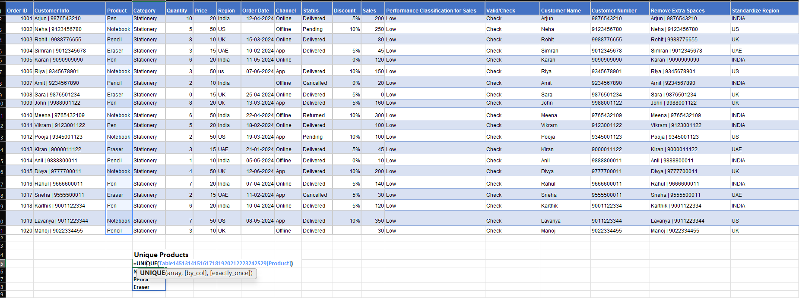
Order ID | Customer Info | Product | Category | Quantity | Price | Region | Order Date | Channel | Status | Discount | Sales | Performance Classification for Sales | Valid/Check | Customer Name | Customer Number | Remove Extra Spaces | Standardize Region | Remove "pcs" | Year | Month | Month2 | Days Since order | Old/Recent
1001 | Arjun | 9876543210 | Pen | Stationery | 10 | 20 | india | 2024-04-12 | Online | Delivered | 5% | 200 | Low | Check | Arjun | 9876543210 | Arjun | 9876543210 | INDIA | 10 | 2024 | 4 | Apr | 741 | Old
1002 | Neha | 9123456780 | Notebook | Stationery | 5 | 50 | US |  | Offline | Pending | 10% | 250 | Low | Check | Neha | 9123456780 | Neha | 9123456780 | US | 5
1003 | Rohit | 9988776655 | Pencil | Stationery | 8 | 10 | UK | 2024-03-15 | Online | Delivered |  | 80 | Low | Check | Rohit | 9988776655 | Rohit | 9988776655 | UK | 8 | 2024 | 3 | Mar | 769 | Old
1004 | Simran | 9012345678 | Eraser | Stationery | 3 | 15 | UAE | 2024-02-10 | App | Delivered | 5% | 45 | Low | Check | Simran | 9012345678 | Simran | 9012345678 | UAE | 3 | 2024 | 2 | Feb | 803 | Old
1005 | Karan | 9090909090 | Pen | Stationery | 6 | 20 | India | 2024-05-11 | Online |  | 0% | 120 | Low | Check | Karan | 9090909090 | Karan | 9090909090 | INDIA | 6 | 2024 | 5 | May | 712 | Old
1006 | Riya | 9345678901 | Notebook | Stationery | 3 | 50 | us | 2024-06-07 | App | Delivered | 10% | 150 | Low | Check | Riya | 9345678901 | Riya | 9345678901 | US | 3 | 2024 | 6 | Jun | 685 | Old
1007 | Amit | 9234567890 | Pencil | Stationery | 2 | 10 | India |  | Offline | Cancelled | 0% | 20 | Low | Check | Amit | 9234567890 | Amit | 9234567890 | INDIA | 2
1008 | Sara | 9876501234 | Eraser | Stationery | 0 | 15 | UK | 2024-04-25 | Online | Delivered | 5% | 0 | Low | Check | Sara | 9876501234 | Sara | 9876501234 | UK | 0 | 2024 | 4 | Apr | 728 | Old
1009 | John | 9988001122 | Pen | Stationery | 8 | 20 | Uk | 2024-03-13 | App | Delivered | 5% | 160 | Low | Check | John | 9988001122 | John | 9988001122 | UK | 8 | 2024 | 3 | Mar | 771 | Old
1010 | Meena | 9765432109 | Notebook | Stationery | 6 | 50 | India | 2024-04-22 | Offline | Returned | 10% | 300 | Low | Check | Meena | 9765432109 | Meena | 9765432109 | INDIA | 6 | 2024 | 4 | Apr | 731 | Old
1011 | Vikram | 9123001122 | Pen | Stationery | 5 | 20 | India | 2024-02-18 | Online | Delivered |  | 100 | Low | Check | Vikram | 9123001122 | Vikram | 9123001122 | INDIA | 5 | 2024 | 2 | Feb | 795 | Old
1012 | Pooja | 9345001123 | Notebook | Stationery | 2 | 50 | US | 2024-03-19 | App | Pending | 10% | 100 | Low | Check | Pooja | 9345001123 | Pooja | 9345001123 | US | 2 | 2024 | 3 | Mar | 765 | Old
1013 | Kiran | 9000011122 | Eraser | Stationery | 3 | 15 | UAE | 2024-01-21 | Online | Delivered | 5% | 45 | Low | Check | Kiran | 9000011122 | Kiran | 9000011122 | UAE | 3 | 2024 | 1 | Jan | 823 | Old
1014 | Anil | 9888800011 | Pencil | Stationery | 1 | 10 | India | 2024-05-05 | Offline | Delivered | 0% | 10 | Low | Check | Anil | 9888800011 | Anil | 9888800011 | INDIA | 1 | 2024 | 5 | May | 718 | Old
1015 | Divya | 9777700011 | Notebook | Stationery | 4 | 50 | UK | 2024-06-12 | App | Delivered | 10% | 200 | Low | Check | Divya | 9777700011 | Divya | 9777700011 | UK | 4 | 2024 | 6 | Jun | 680 | Old
1016 | Rahul | 9666600011 | Pen | Stationery | 7 | 20 | India | 2024-04-07 | Online | Delivered | 5% | 140 | Low | Check | Rahul | 9666600011 | Rahul | 9666600011 | INDIA | 7 | 2024 | 4 | Apr | 746 | Old
1017 | Sneha | 9555500011 | Eraser | Stationery | 2 | 15 | UAE | 2024-02-11 | App | Cancelled | 5% | 30 | Low | Check | Sneha | 9555500011 | Sneha | 9555500011 | UAE | 2 | 2024 | 2 | Feb | 802 | Old
1018 | Karthik | 9001122334 | Pen | Stationery | 6 | 20 | india | 2024-04-10 | Online | Delivered | 5% | 120 | Low | Check | Karthik | 9001122334 | Karthik | 9001122334 | INDIA | 6 | 2024 | 4 | Apr | 743 | Old
1019 | Lavanya | 9011223344 | Notebook | Stationery | 7 | 50 | US | 2024-05-08 | App | Delivered | 10% | 350 | Low | Check | Lavanya | 9011223344 | Lavanya | 9011223344 | US | 7 | 2024 | 5 | May | 715 | Old
1020 | Manoj | 9022334455 | Pencil | Stationery | 3 | 10 | UK |  | Offline | Delivered |  | 30 | Low | Check | Manoj | 9022334455 | Manoj | 9022334455 | UK | 3

 |  |  | Unique Products
 |  |  | Pen
 |  |  | Notebook
 |  |  | Pencil
 |  |  | Eraser

Sort by Sales(High to Low)
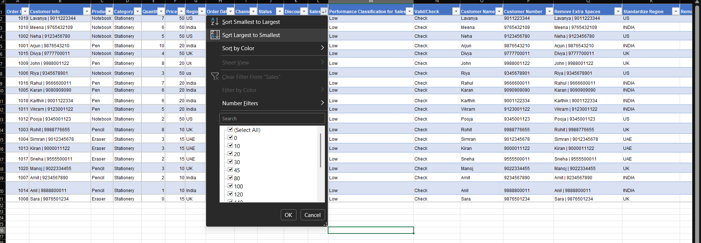
Order ID | Customer Info | Product | Category | Quantity | Price | Region | Order Date | Channel | Status | Discount | Sales | Performance Classification for Sales | Valid/Check | Customer Name | Customer Number | Remove Extra Spaces | Standardize Region | Remove "pcs" | Year | Month | Month2 | Days Since order | Old/Recent
1019 | Lavanya | 9011223344 | Notebook | Stationery | 7 | 50 | US | 2024-05-08 | App | Delivered | 10% | 350 | Low | Check | Lavanya | 9011223344 | Lavanya | 9011223344 | US | 7 | 2024 | 5 | May | 715 | Old
1010 | Meena | 9765432109 | Notebook | Stationery | 6 | 50 | India | 2024-04-22 | Offline | Returned | 10% | 300 | Low | Check | Meena | 9765432109 | Meena | 9765432109 | INDIA | 6 | 2024 | 4 | Apr | 731 | Old
1002 | Neha | 9123456780 | Notebook | Stationery | 5 | 50 | US |  | Offline | Pending | 10% | 250 | Low | Check | Neha | 9123456780 | Neha | 9123456780 | US | 5
1001 | Arjun | 9876543210 | Pen | Stationery | 10 | 20 | india | 2024-04-12 | Online | Delivered | 5% | 200 | Low | Check | Arjun | 9876543210 | Arjun | 9876543210 | INDIA | 10 | 2024 | 4 | Apr | 741 | Old
1015 | Divya | 9777700011 | Notebook | Stationery | 4 | 50 | UK | 2024-06-12 | App | Delivered | 10% | 200 | Low | Check | Divya | 9777700011 | Divya | 9777700011 | UK | 4 | 2024 | 6 | Jun | 680 | Old
1009 | John | 9988001122 | Pen | Stationery | 8 | 20 | Uk | 2024-03-13 | App | Delivered | 5% | 160 | Low | Check | John | 9988001122 | John | 9988001122 | UK | 8 | 2024 | 3 | Mar | 771 | Old
1006 | Riya | 9345678901 | Notebook | Stationery | 3 | 50 | us | 2024-06-07 | App | Delivered | 10% | 150 | Low | Check | Riya | 9345678901 | Riya | 9345678901 | US | 3 | 2024 | 6 | Jun | 685 | Old
1016 | Rahul | 9666600011 | Pen | Stationery | 7 | 20 | India | 2024-04-07 | Online | Delivered | 5% | 140 | Low | Check | Rahul | 9666600011 | Rahul | 9666600011 | INDIA | 7 | 2024 | 4 | Apr | 746 | Old
1005 | Karan | 9090909090 | Pen | Stationery | 6 | 20 | India | 2024-05-11 | Online |  | 0% | 120 | Low | Check | Karan | 9090909090 | Karan | 9090909090 | INDIA | 6 | 2024 | 5 | May | 712 | Old
1018 | Karthik | 9001122334 | Pen | Stationery | 6 | 20 | india | 2024-04-10 | Online | Delivered | 5% | 120 | Low | Check | Karthik | 9001122334 | Karthik | 9001122334 | INDIA | 6 | 2024 | 4 | Apr | 743 | Old
1011 | Vikram | 9123001122 | Pen | Stationery | 5 | 20 | India | 2024-02-18 | Online | Delivered |  | 100 | Low | Check | Vikram | 9123001122 | Vikram | 9123001122 | INDIA | 5 | 2024 | 2 | Feb | 795 | Old
1012 | Pooja | 9345001123 | Notebook | Stationery | 2 | 50 | US | 2024-03-19 | App | Pending | 10% | 100 | Low | Check | Pooja | 9345001123 | Pooja | 9345001123 | US | 2 | 2024 | 3 | Mar | 765 | Old
1003 | Rohit | 9988776655 | Pencil | Stationery | 8 | 10 | UK | 2024-03-15 | Online | Delivered |  | 80 | Low | Check | Rohit | 9988776655 | Rohit | 9988776655 | UK | 8 | 2024 | 3 | Mar | 769 | Old
1004 | Simran | 9012345678 | Eraser | Stationery | 3 | 15 | UAE | 2024-02-10 | App | Delivered | 5% | 45 | Low | Check | Simran | 9012345678 | Simran | 9012345678 | UAE | 3 | 2024 | 2 | Feb | 803 | Old
1013 | Kiran | 9000011122 | Eraser | Stationery | 3 | 15 | UAE | 2024-01-21 | Online | Delivered | 5% | 45 | Low | Check | Kiran | 9000011122 | Kiran | 9000011122 | UAE | 3 | 2024 | 1 | Jan | 823 | Old
1017 | Sneha | 9555500011 | Eraser | Stationery | 2 | 15 | UAE | 2024-02-11 | App | Cancelled | 5% | 30 | Low | Check | Sneha | 9555500011 | Sneha | 9555500011 | UAE | 2 | 2024 | 2 | Feb | 802 | Old
1020 | Manoj | 9022334455 | Pencil | Stationery | 3 | 10 | UK |  | Offline | Delivered |  | 30 | Low | Check | Manoj | 9022334455 | Manoj | 9022334455 | UK | 3
1007 | Amit | 9234567890 | Pencil | Stationery | 2 | 10 | India |  | Offline | Cancelled | 0% | 20 | Low | Check | Amit | 9234567890 | Amit | 9234567890 | INDIA | 2
1014 | Anil | 9888800011 | Pencil | Stationery | 1 | 10 | India | 2024-05-05 | Offline | Delivered | 0% | 10 | Low | Check | Anil | 9888800011 | Anil | 9888800011 | INDIA | 1 | 2024 | 5 | May | 718 | Old
1008 | Sara | 9876501234 | Eraser | Stationery | 0 | 15 | UK | 2024-04-25 | Online | Delivered | 5% | 0 | Low | Check | Sara | 9876501234 | Sara | 9876501234 | UK | 0 | 2024 | 4 | Apr | 728 | Old

Highlight(ConditionalFormatting
Order ID | Customer Info | Product | Category | Quantity | Price | Region | Order Date | Channel | Status | Discount | Sales | Performance Classification for Sales | Valid/Check | Customer Name | Customer Number | Remove Extra Spaces | Standardize Region | Remove "pcs" | Year | Month | Month2 | Days Since order | Old/Recent
1001 | Arjun | 9876543210 | Pen | Stationery | 10 | 20 | india | 2024-04-12 | Online | Delivered | 5% | 200 | Low | Check | Arjun | 9876543210 | Arjun | 9876543210 | INDIA | 10 | 2024 | 4 | Apr | 741 | Old | High Sales>800 | Missing Values | Invalid Records
1002 | Neha | 9123456780 | Notebook | Stationery | 5 | 50 | US |  | Offline | Pending | 10% | 250 | Low | Check | Neha | 9123456780 | Neha | 9123456780 | US | 5
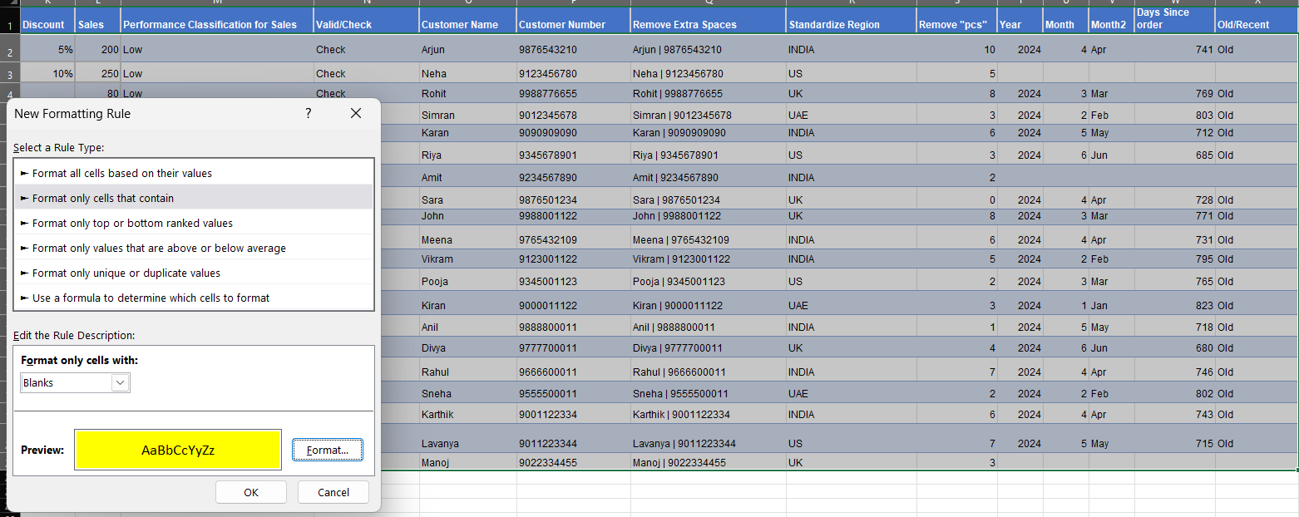
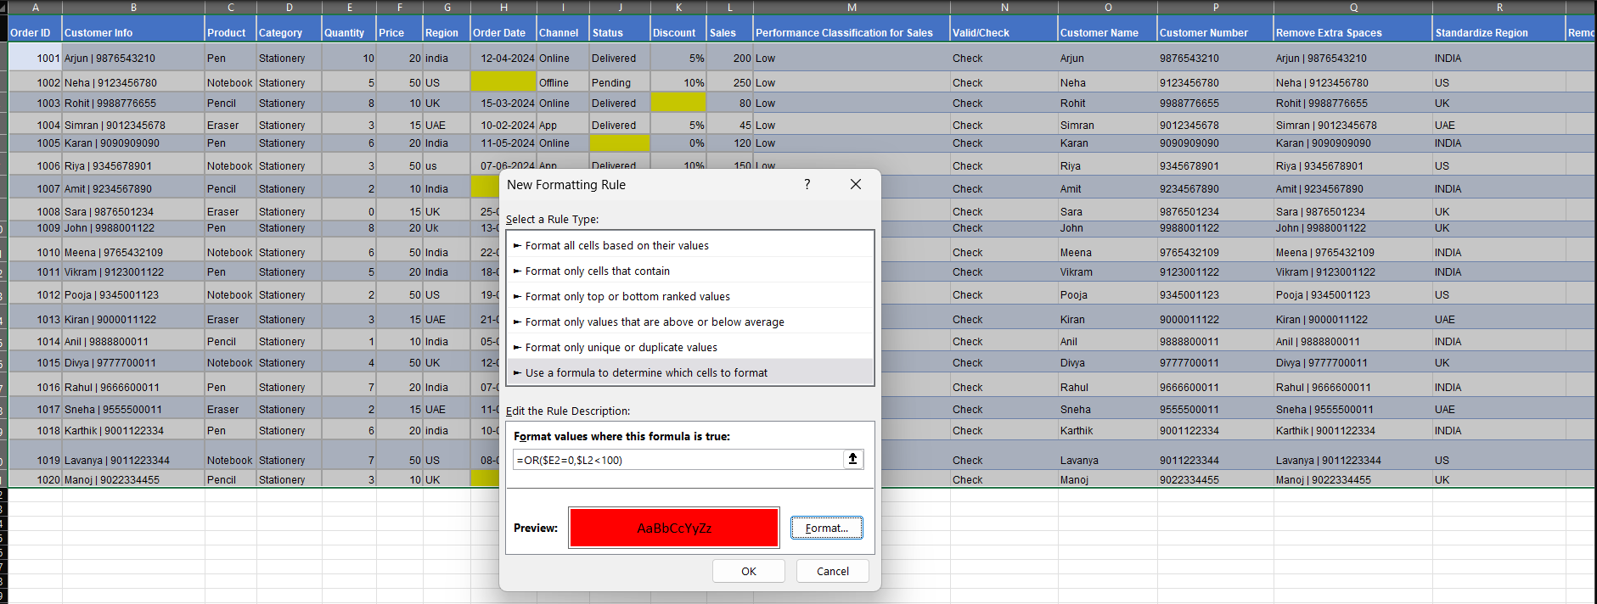
1003 | Rohit | 9988776655 | Pencil | Stationery | 8 | 10 | UK | 2024-03-15 | Online | Delivered |  | 80 | Low | Check | Rohit | 9988776655 | Rohit | 9988776655 | UK | 8 | 2024 | 3 | Mar | 769 | Old
1004 | Simran | 9012345678 | Eraser | Stationery | 3 | 15 | UAE | 2024-02-10 | App | Delivered | 5% | 45 | Low | Check | Simran | 9012345678 | Simran | 9012345678 | UAE | 3 | 2024 | 2 | Feb | 803 | Old
1005 | Karan | 9090909090 | Pen | Stationery | 6 | 20 | India | 2024-05-11 | Online |  | 0% | 120 | Low | Check | Karan | 9090909090 | Karan | 9090909090 | INDIA | 6 | 2024 | 5 | May | 712 | Old
1006 | Riya | 9345678901 | Notebook | Stationery | 3 | 50 | us | 2024-06-07 | App | Delivered | 10% | 150 | Low | Check | Riya | 9345678901 | Riya | 9345678901 | US | 3 | 2024 | 6 | Jun | 685 | Old
1007 | Amit | 9234567890 | Pencil | Stationery | 2 | 10 | India |  | Offline | Cancelled | 0% | 20 | Low | Check | Amit | 9234567890 | Amit | 9234567890 | INDIA | 2
1008 | Sara | 9876501234 | Eraser | Stationery | 0 | 15 | UK | 2024-04-25 | Online | Delivered | 5% | 0 | Low | Check | Sara | 9876501234 | Sara | 9876501234 | UK | 0 | 2024 | 4 | Apr | 728 | Old
1009 | John | 9988001122 | Pen | Stationery | 8 | 20 | Uk | 2024-03-13 | App | Delivered | 5% | 160 | Low | Check | John | 9988001122 | John | 9988001122 | UK | 8 | 2024 | 3 | Mar | 771 | Old
1010 | Meena | 9765432109 | Notebook | Stationery | 6 | 50 | India | 2024-04-22 | Offline | Returned | 10% | 300 | Low | Check | Meena | 9765432109 | Meena | 9765432109 | INDIA | 6 | 2024 | 4 | Apr | 731 | Old
1011 | Vikram | 9123001122 | Pen | Stationery | 5 | 20 | India | 2024-02-18 | Online | Delivered |  | 100 | Low | Check | Vikram | 9123001122 | Vikram | 9123001122 | INDIA | 5 | 2024 | 2 | Feb | 795 | Old
1012 | Pooja | 9345001123 | Notebook | Stationery | 2 | 50 | US | 2024-03-19 | App | Pending | 10% | 100 | Low | Check | Pooja | 9345001123 | Pooja | 9345001123 | US | 2 | 2024 | 3 | Mar | 765 | Old
1013 | Kiran | 9000011122 | Eraser | Stationery | 3 | 15 | UAE | 2024-01-21 | Online | Delivered | 5% | 45 | Low | Check | Kiran | 9000011122 | Kiran | 9000011122 | UAE | 3 | 2024 | 1 | Jan | 823 | Old
1014 | Anil | 9888800011 | Pencil | Stationery | 1 | 10 | India | 2024-05-05 | Offline | Delivered | 0% | 10 | Low | Check | Anil | 9888800011 | Anil | 9888800011 | INDIA | 1 | 2024 | 5 | May | 718 | Old
1015 | Divya | 9777700011 | Notebook | Stationery | 4 | 50 | UK | 2024-06-12 | App | Delivered | 10% | 200 | Low | Check | Divya | 9777700011 | Divya | 9777700011 | UK | 4 | 2024 | 6 | Jun | 680 | Old
1016 | Rahul | 9666600011 | Pen | Stationery | 7 | 20 | India | 2024-04-07 | Online | Delivered | 5% | 140 | Low | Check | Rahul | 9666600011 | Rahul | 9666600011 | INDIA | 7 | 2024 | 4 | Apr | 746 | Old
1017 | Sneha | 9555500011 | Eraser | Stationery | 2 | 15 | UAE | 2024-02-11 | App | Cancelled | 5% | 30 | Low | Check | Sneha | 9555500011 | Sneha | 9555500011 | UAE | 2 | 2024 | 2 | Feb | 802 | Old
1018 | Karthik | 9001122334 | Pen | Stationery | 6 | 20 | india | 2024-04-10 | Online | Delivered | 5% | 120 | Low | Check | Karthik | 9001122334 | Karthik | 9001122334 | INDIA | 6 | 2024 | 4 | Apr | 743 | Old
1019 | Lavanya | 9011223344 | Notebook | Stationery | 7 | 50 | US | 2024-05-08 | App | Delivered | 10% | 350 | Low | Check | Lavanya | 9011223344 | Lavanya | 9011223344 | US | 7 | 2024 | 5 | May | 715 | Old
1020 | Manoj | 9022334455 | Pencil | Stationery | 3 | 10 | UK |  | Offline | Delivered |  | 30 | Low | Check | Manoj | 9022334455 | Manoj | 9022334455 | UK | 3

