Instructions
To create a Weight, Target Weight and BMI Tracker Dashboard Chart, go to the Weight Detail worksheet.

Fill in all the red text shown below:

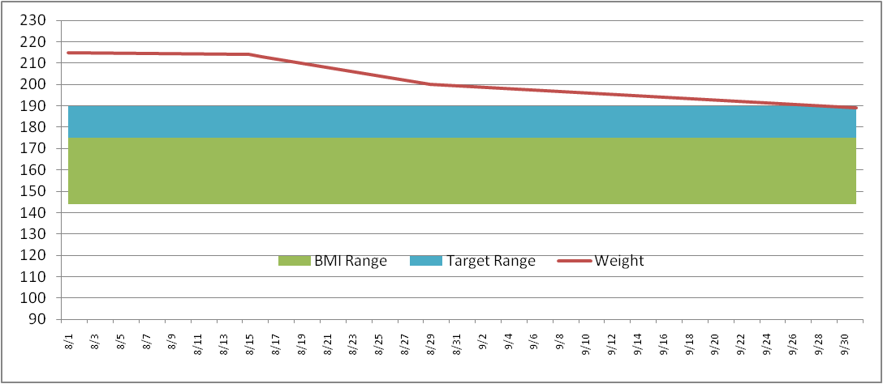
Enter in your NEAREST height in Inches (minimum 58 inches)
Height (inches) | 70

Then enter your target weight range minimum and maximum
Target Weight
Min | 175
Max | 185

Then fill in your last and most current weigh in dates and weight
Date | Weight | BMI Low | BMI Range | Target Low | Target Range
2011-09-01 | 215 | 136 | 36 | 175 | 10
2011-09-02 | 214

This will then build your chart ==================================>
* Current weight line (Red line)
* Target weight range (Blue band)
* Normal BMI weight range (Green band)
The Chart is dynamic and will keep expanding for every date/weight you enter

Weight Detail
Date | Weight | BMI Low | BMI Range | Target Low | Target Range |  | >= 58 Inches
2023-02-01 | 95 | 128 | 34 | 150 | 50 | Height (inches) | 69
2023-02-22 | 93 | 128 | 34 | 150 | 50 | Target Weight | 5 ft 9 in | Normal BMI Range
 |  |  |  |  |  | Min | 150 | Min | 128
 |  |  |  |  |  | Max | 200 | Max | 162
 | Weight | BMI Low | BMI Range | Target Low | Target Range
2/1/2023 | 95 | 128 | 34 | 150 | 50
2/22/2023 | 93 | 128 | 34 | 150 | 50
 |  |  |  |  |  | Current Weight | 93 | Current Weight | 93
 |  |  |  |  |  | Starting Weight | 95 | Previous Weight | 95
 |  |  |  |  |  | Weight Loss | -2 | Weight Loss | -2

Weight Chart
 | BMI Low
2/1/2023 | 128

DASHBOARD
 | BMI Low
2/1/2023 | 128

 | Weight | BMI Low | BMI Range | Target Low | Target Range
2/1/2023 | 95 | 128 | 34 | 150 | 50
2/22/2023 | 93 | 128 | 34 | 150 | 50

