Analysis Sheet
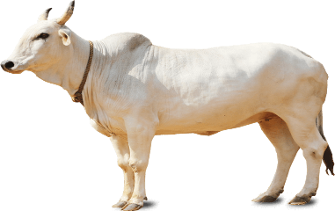
AGARWAL FARMS

Total Month Taken | 6
Your Expected Salary per Month
Land Rent Charges / If you own the land, give the estimation of Land rent | ₹ 10,000.00
Cost of Production | ₹ 17,560.00
As per your mentioned data, your salary should be | ₹ 30,000.00
Mention Interest Percent | 30
Interest Charges | $ 2,634.00
Total Cost of Production | ₹30,194.00
Mentioned Selling Amount | ₹15,000.00
Profit or Loss | Loss
Loss | -₹15,194.00
Loss Percentage | 50%
Earning per Month | -₹ 2,532.33

Analysis
Seeds | ₹ 5,000.00 | 8%
Manual Labour | ₹ 2,000.00 | 3%
Fertilizer & Other Chemical | ₹ 2,000.00 | 3%
Farm Machinery Rent | ₹ 6,100.00 | 10%
Diesel Charges | ₹ 1,120.00 | 2%
Other Charges | ₹ 1,340.00 | 2%
Salary | ₹ 30,000.00 | 50%
Interest Charges | ₹ 2,634.00 | 4%
Land Rent Charges | ₹ 10,000.00 | 17%

Please ensure you enter every single entry in Entry Sheet, Your last entry should be on date Selling of goods & mentioned a "Diesel Charges" or in "Other Goods" [as you pay diesel Charges to bring your crops to market]

