1. Title Page
Grocery Basket Analysis
Project Name]

Project Name: Instacart Grocery Basket Analysis
Date: May 9, 2024
Analyst Name: Ronda Austin

Contents:
Population Flow
Consistency checks
Wrangling steps
Column derivations
Visualizations
Recommendations

2. Population Flow
Title page

Population flow

Exclusion flag
Condition: max_order < 5
Obervations to be removed: 7,989,982
Final total count of order_products_all: 24,414,877

Orders_products_merged
Orders_products_combined
Orders_products_all

Total:
32,404,859
Total:
32,434,489
Total:
32,404,859

1.) The grey boxes in the first row of the population flow represent the original data sets as they were when you downloaded them. In the Total fields you need to add the count of the rows when you imported the data set into Jupyter.
2.) The second row of boxes (coloured) represents the data sets after you manipulated them, e.g., removed missing values and duplicates. In the Total fields you need to add the count of the rows after conducting these operations. This offers a visual oveview of how the data flows throughout the data consistency checks.
3.) The third row, where also the arrows are coloured, represents the merges you performed between the datasets. In the Total fields you need to add the count of the rows in the merged datasets, so that you end up with the final dataset (in the red box). Keep in mind the final dataset should be without exclusions (based on the exclusion flag).

3. Consistency checks
 |  |  |  | Title page
Consistency checks

Dataset | Missing values | Missing values treatment | Duplicates
orders | 206,209 missing values in days_since_last_order | These are the first orders made and remain in the data. | No
products | 16 missing product names | Missing data was removed. | 5 duplicates found and deleted
orders_products_prior | 2 |  | No
customers | 11,259 missing values in the 'First_Name' column. | The data remained in the dataframe. The data is necessary and the First Name of the customer is not needed. | No

4. Wrangling steps
 |  |  |  | Title page
Wrangling steps

Columns dropped | Columns renamed | Columns' type changed | Comment/Reason
eval_set |  |  | Column is not needed
 | 'Surnam' changed to' Last Name' |  | Easier to understand
 | n_dependants' changed to 'number_of_dependants |  | Easier to understand
 | STATE' is changed to 'State' |  | Provides consistency
 |  | user_id' is converted to string | to remove from statistical analysis
 |  | order_id is converted to string | to remove from statistical analysis
Unnamed 0.1 |  |  | Unnecessary
Unnamed 0.1 |  |  | Unnecessary
_merge |  |  | Unnecessary
 | order_dow' renamed 'orders_days_of_week' |  | For clarity of what dow refers to
 | days_since_prior_order' renamed to days_since_last_order |  | Easier to understand

5. Column derivations
 |  |  |  |  | Title page

Column derivations and aggregations

In this tab you should add tables below that the frequences of flags/label variables that you produced after deriving them. NB: don't do this for continuous variables, only for flags.
Dataset | New column | Column/s it was derived from | Conditions
df_ords_prods-merge | price_range_loc | prices | <= 5 low range product, >5 and <=15 mid range product, >15 high range product
df_ords_prods-merge | Busiest days | orders_day_of_week | 4 orders in a week
df_ords_prods-merge | Busiest day | orders_day_of_week | 3-4 orders a week
df_ords_prods-merge | Busiest period of day | order_hour_of_day | order_hour_of_day value in 9, 10, 11, 12, 13, 14, 15, 16, most orders, value in 0, 1, 2, 3, 4, 5, 6, 23, fewest orders, all else average orders | loyalty_flag | spender_flag
ords_prods-merge | max_order | user_id, order_number | 'max_order'] = ords_prods_merge.groupby(['user_id'])['order_number' | Regular customer 15876776 | High spender 32371364
ords_prods-merge | loyalty_flag | max_order | > 40 orders, loyal customer; <=40 & >10 regular customer; <=, new customer | Loyal customer 10284093 | Low spender 31890
ords_prods_merge | average_price | user_id, prices | user_id and prices | New customer 6243990 | nan 1605
ords_prods_merge | spender_flag | average_price | average price < 10 low spender, average price > 10, high spender | Name: count, dtype: int64 | Name: count, dtype: int64
ords_prods_merge | customer_frequency | user_id, days_since_last_order | If median number of days since_last order is: >20 = non-frequent customer; >10 & <=20 Regular customer; <=10, Frequent customer.
df_final | region | state | Difines all states into Norheast, Midwest, South, and West Regions.
df_final | exclusion_flag | max_order | <5 orders, low activity customer; >+ 5 orders, high activity customers. | exclusion_flag
 |  |  |  | High activity customers 24414877
 |  |  |  | Low activity customers 7989982
 |  |  |  | Name: count, dtype: int64

6. Visualizations
Visualizations

Visualizations

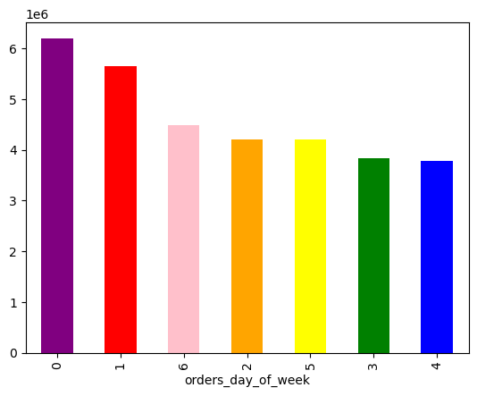

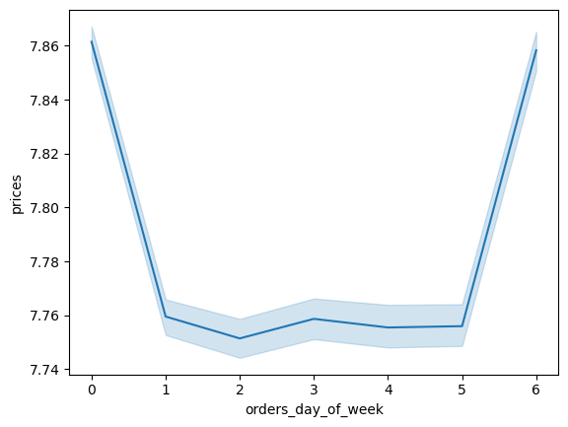

Shows the number of orders for each day of the week. 0=Saturday, 1=Sunday, and 6= Friday, are the busiest days with the most orders.

Frequency of prices of products. This shows most items are priced beteen $1-$25, with most between $1-$15.
Prices of the orders on days of the week. More is spent on 0 =Saturday and 6 = Friday.

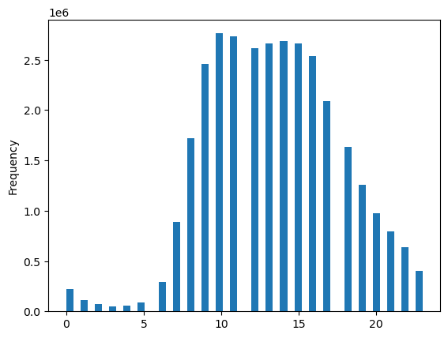

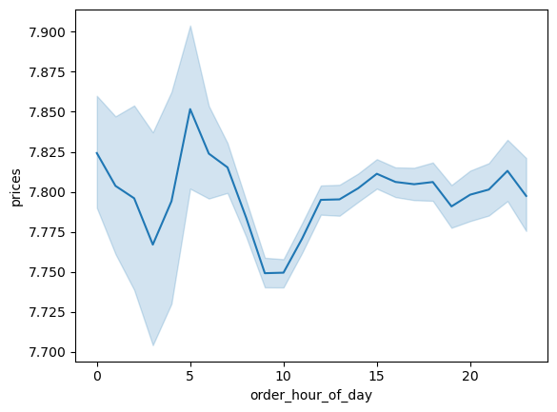
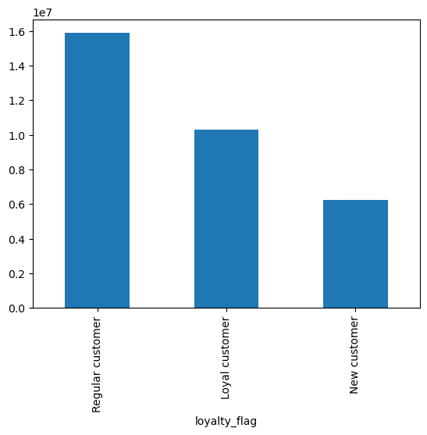

This is the order frequency by hour of the day. The hours with the most orders are 10:00-11:00, with the most orders ranging from 10:00 through 15:00.

The most spent on orders are early at 05:00 and the early hours and late at night around midnight. The fewest orders are at 10:00.

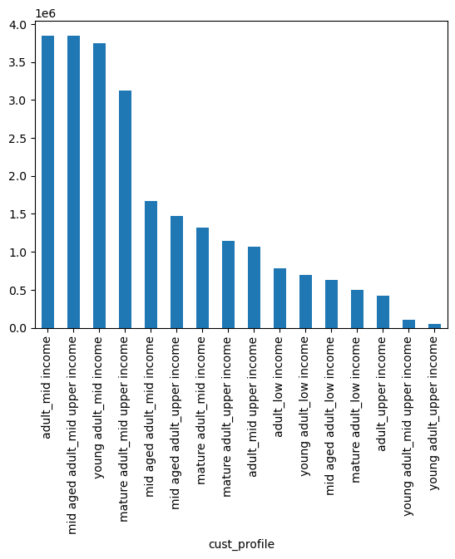

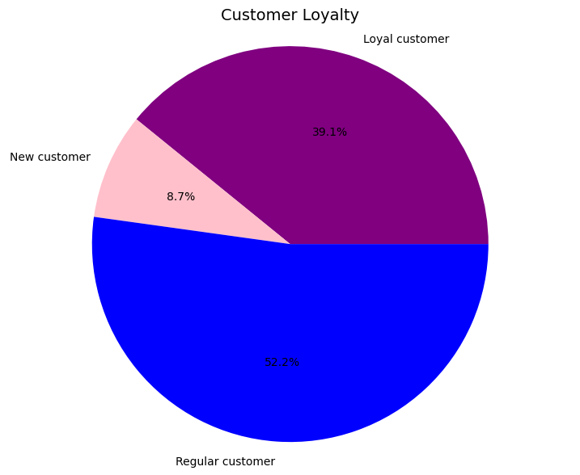
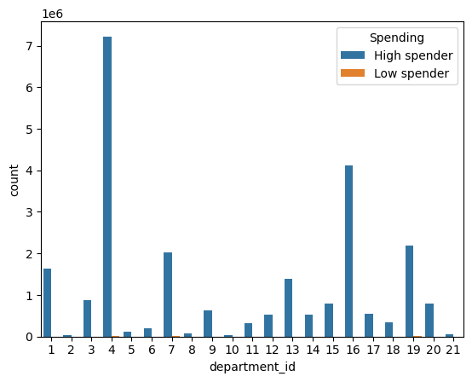

This shows the count of orders for the departments, for high and low spenders. The departments that high spenders purchase from the most are, in order from largest amounts, 4:produce, 16:dairy eggs, 19:snacks, 7:beverages, 1:frozen, and 13:pantry.

The customer profile shows the highest count of orders are customers in the profiles:
adult/middle income: age 30-40,
income $ 50,000-100,000/year;
middle aged adult/middle upper income: age over 45, income $100,001-150,000/year;
young adult/ middle income:
age under 30, income $ 50,000-100,000/year;
mature adult/middle income. age over 65, income $50,000-100,000/year.
The above two graphs show customer loyalty. 52.2% of between 11-40 orders, are from regular customers, 39.1% of the orders above 40, are from loyal customers and 8.7% of orders of 10 or less, are from new customers.

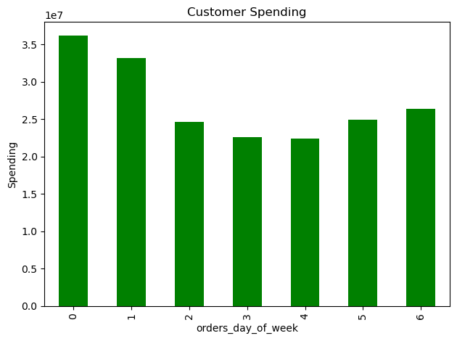
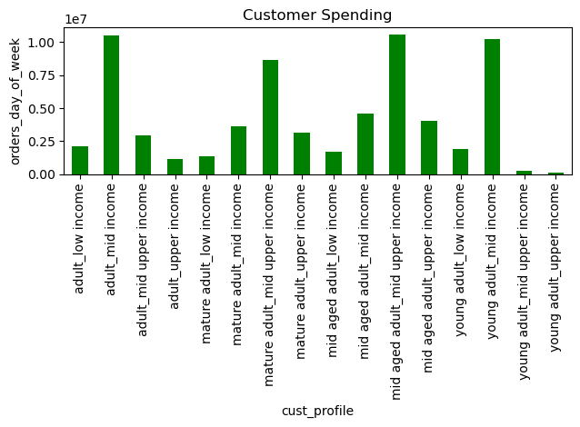

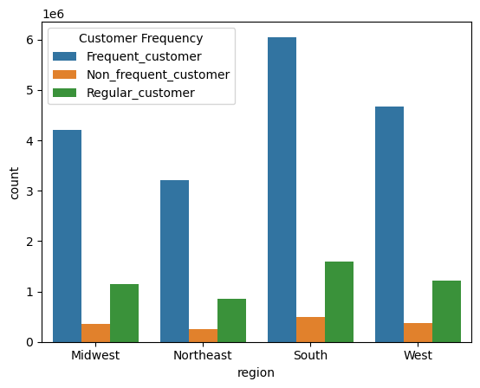

The spending of orders by day of the week. The most is spent on 0 = Saturday, 1 = Sunday, and 6 = Friday.
The customers who spend the most during week .

The count of customer frequency by region. The south has the most orders for all categories, fdollowed by the West. The midwest and northeast may need some additional marketing or may have lower orders from smaller populations.

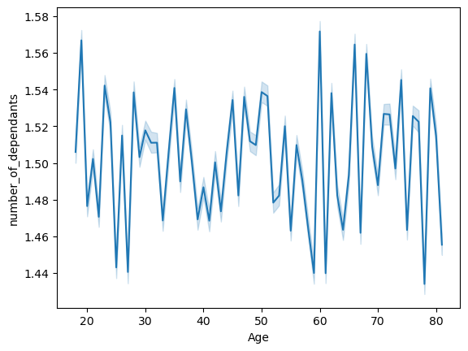


This is the relationship of age to number of dependants.
The line chart does not show a connection between age and the number of dependants.
This is the relationship between age and income. There is a fairly equal ditribution of all ages and income up to $200,000. The higher income brackets tend to fall in older aged categories

7. Recommendations
Recommendations

Recommendations

In this tab you should include any recommendations you would made to Instcart in terms of their marketing strategy based on the questions posed in the brief. Every key question has been covered in the Tasks of the Exercises - here you need to add an item - a visualisation or table/crosstable that is showing the answer in the data, acompanied by a comment from you. Please, list the questions below and add the answer underneath.



Question: The sales team needs to know what the busiest days of the week and hours of the day are (i.e., the days and times with the most orders) in order to schedule ads at times when there are fewer orders.
Answer: The busiest days are Saturday, Sunday, and Friday. Marketing efforts should be especially focused on Tuesdays and Wednesdays when orders were lowest.
The order frequency by hour of day shows the most orders suring thr day between 10:00 am and 3:00pm. The most orders are placed at 10:00-11:00am. Marketing efforts should entice shoppers to get some shopping in early before the day begins or in the evening, especially on the weekends when time is better spent with family and friends.
Having a sale or discounts to make purchases on certain days/certain hours
during the day may allure shoppers.

Order frequency by hour of the day.

Question: They also want to know whether there are particular times of the day when people spend the most money, as this might inform the type of products they advertise at these times.
Answer: The hours of the day with the most spent on orders are in the early morning, close to 5:00 am, midnight, and 10:00pm. From 8:00 am until noon, there are low spending orders.
Advertise higher end/luxury products that have coupons or are on sale during low spending hours.







Question: Instacart has a lot of products with different price tags. Marketing and sales want to use simpler price range groupings to help direct their efforts.
Answer: Group price products in groups of 3 or 5, for example Budget, Mid_range, and Luxury. Use labels on products to inspire shoppers, like 'good for the budget/budget friendly', or 'Luxury day item'.
Watch competitors for pricing schemes and analyze if customers respond well to psychological pricing in Instacart. For example see if pricing of $29.99 is more enticing than pricing with whole numbers.

Prices

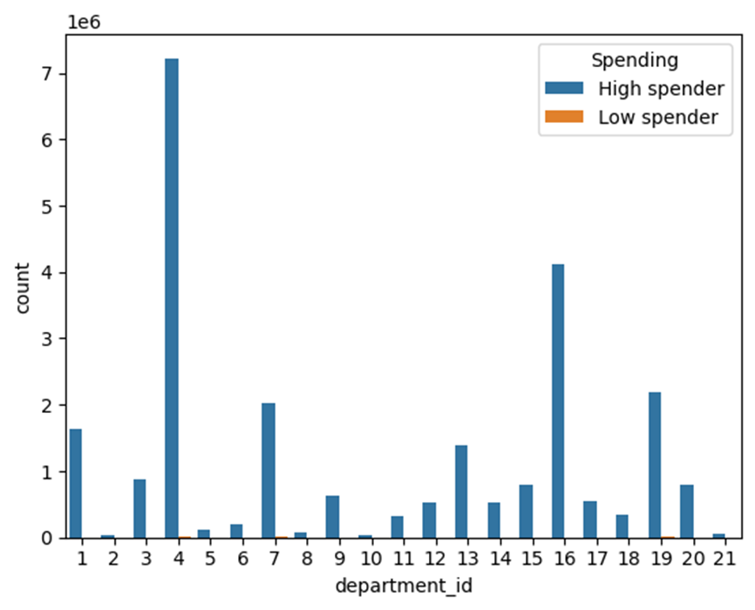
 | department_id | High spender | Low spender
 | 4 produce | 7224947 | 2144
 | 16 dairy eggs | 4119587 | 901
 | 19 snacks | 2182665 | 4456
 | 7 beverages | 2033407 | 3040
 | 1 frozen | 1627352 | 262
Question: Are there certain types of products that are more popular than others? The marketing and sales teams want to know which departments have the highest frequency of product orders.
Answer: Departments with the highest frequency of product orders are produce,
dairy/eggs, snacks, beverages, frozen, and pantry.
Provide marketing, promoting different products in the departments with lower sales, in the sections where there is high spending. Place coupons in high spending departments, for products in departments that have low spending numbers.
 | 13 pantry | 1385092 | 283
 | 3 bakery | 883175 | 155
 | 15 canned goods | 787662 | 128
 | 20 deli | 782815 | 196
 | 9 dry goods pasta | 633676 | 49
 | 17 household | 539021 | 328
 | 14 breakfast | 524694 | 251
 | 12 meat seafood | 523863 | 27
 | 18 babies | 335938 | 9
 | 11 personal care | 328374 | 106
 | 6 international | 197889 | 11
 | 5 alcohol | 107864 | 108
 | 8 pets | 72103 | 8
 | 21 missing | 57562 | 5
 | 10 bulk | 27523 | 35
 | 2 other | 27140 | 26




Question: What’s the distribution among users in regards to their brand loyalty (i.e., how often do they return to Instacart)?
○ Are there differences in ordering habits based on a customer’s loyalty status?
Answer: Loyalty of customers is divided into three groups: New Customer, Regular Customer, and Loyal Customer. New customers have 10 or fewer orders, making up 8.7% of the customer base.
Regular customers have over 10 but 40 or fewer orders, making up 52.2% of the customer base.
Loyal customers have over 40 orders, making up 39.1% of the customer base.
A program to encourage loyalty could encourage participates to sign up and shop more with Instacart. Bonus points, coupons for money off products, free shipping or delivery for first time buyers, can all contribute to loyalty. Access to exclusive deals just for Loyalty members, will also encourage frequent shoppping.

Question: Is there a connection between age and family status?

This is the relationship between age and income. There is a fairly equal ditribution of all ages and income up to $200,000. The higher income brackets tend to fall in older aged categories. Providing coupons and loyalty discounts could encourage younger shoppers.

This is the relationship of age to number of dependants.
The line chart does not show a connection between age and the number of dependants.







Question: Is there a connection between age and family status in terms of ordering habits? What different classifications does the demographic information suggest? Age? Income?
Answer: The customers were profiled by age and income level. The groups who order/spend frequently are young adult/middle income, adult/middle income, middle aged adult/ middle-upper income, and mature adult/mid-upper income.
The lower income groups have much lower orders suggesting prices and delivery fees are too costly and/ or ther is a general lack of knowledge of the company.
Advertising through social media and social platforms can help reach a younger audience.
The upper income groups may feel that the website is more time consuming than they like or that there is not adequate customer service. Providing an accessible, logical website and great customer service, can help facilitate customer's needs.


Question: Are there differences in ordering habits based on a customer’s region?
The count of customer frequency is divided into three groups; Frequent, Non-Frequent and Regular.
if the median of “days_since_prior_order” is higher than 20, “Non-frequent customer.”
If the median is higher than 10 and lower than or equal to 20, “Regular customer.”
If the median is lower than or equal to 10, “Frequent customer.”
The south has the most orders for all categories, followed by the West. The midwest and northeast may need some additional marketing or may have lower order frequency from smaller overall consumer populations. Circulars in mail boxes, advertising at restaurants, events, and social media advertising can all help propogate Instacart's information to rural parts of America.

