Vilnius meeting KPI structure
NATURE |  |  |  | CONTRIBUTIONS |  |  |  |  |  |  |  |  |  |  |  |  |  |  |  |  |  |  |  | PEOPLE
Individual organisms | Biophysical assemblages | Biophysical processes | Biodiversity | Availability, quantity and quality of the GBI |  |  |  | Regulation NCP |  |  |  |  |  |  |  |  |  | Material NCP |  |  |  | non-Material NCP |  | Cultural values of GBI |  |  | Health and Wellbeing values of GBI |  |  |  |  | Justice & Governance aspects of GBI |  |  |  |  |  |  | economic aspects of GBI
Individual organisms (e.g. Robur the oldest oak in the town) | Biophysical assemblages | Biophysical processes | Biodiversity | Connectivity | Accessibility | Hospitality | Location | 1 Habitat creation and maintenance | 2 Pollination and dispersal of seeds and other propagules | 3 Regulation of air quality | 4 Regulation of climate | 5 Regulation of ocean acidification | 6 Regulation of freshwater quantity, flow and timing | 7 Regulation of freshwater and coastal water quality | 8 Formation, protection and decontamination of soils and sediments | 9 Regulation of hazards and extreme events | 10 Regulation of organisms detrimental to humans | 11 Energy | 12 Food and feed | 13 Materials | 14 Medicinal, biochemical and genetic resources | 16 Physical and psychological experiences, including Learning and inspiration | 17 Supporting identities | Stewardship | Identity, sense of place | Heritage values | social relations | Physical and mental health | Education and Knowledge | Safety and security | Health and Wellbeing |  |  |  | Engagement level | Capacities of the process | Procedural Justice | Distributional Justice | Jobs created | Profits for businesses | Value of properties | City attractiveness

NATURE / (BIO)PHYSICAL ENVIRONMENT |  |  |  |  |  |  |  |  | CONTRIBUTIONS |  |  |  |  |  |  |  |  |  |  |  |  |  |  |  | PEOPLE
Nature |  |  |  |  | Quantity and quality of GBI |  |  |  | Regulation NCP |  |  |  |  |  |  |  |  |  | Material NCP |  |  |  | Non- material NCP |  | Cultural values of GBI |  |  | Health and wellbeing |  |  |  | Gov. & Just. |  |  |  |  | Economic aspects
Individual organisms | Biophysical assemblages | Biophysical processes | Biodiversity | "Nature itself" | Connectivity of paths and roads?!?!? Paths and roads was included under accessibility, rigth? This involved green connectivity between UGBI. | Accessibility | Facilities | Location | Habitat creation and maintenance | Pollication and dispersal of seeds and other propagules | Regulation of air quality | Regulation of climate | Regulation of ocean acidification | Regulation of freshwater quantity, flow and timing | Regulation of freshwater and coastal water quality | Formation, protection and decontamination of soils and sediments | Regulation of hazards and extreme events | Regulation of organisms detrimental to humans | Energy | Food and feed | Materials | Medicinal, biochemical and genetic resources | Physical and psychological experiences, including learning and inspiration | Supporting identities | Stewardship | Identity, sense of place | Heritage values | Social relations | Physical and mental health | Education and knowledge | Safety and security | Understanding of the complexity of the issues and local context | Achieving collaboration, engagement and coherence | Designing and implementing (innovative) multifunctional solutions | Procedural Justice | Distributional Justice | Jobs created | Profits for business | Value of properties | City attractiveness

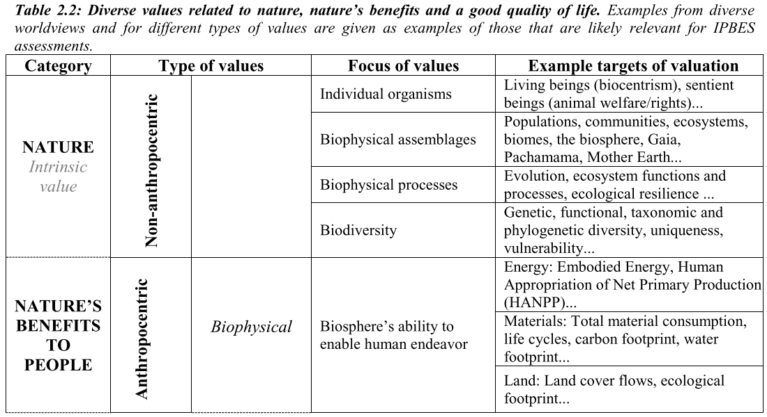
Examples from the IPBES paper Pascual U., Keune H., Balvanera P. & Bullock C. (2015). Preliminary guide regarding diverse conceptualization of multiple values of nature and its benefits, including biodiversity and ecosystem functions and services.
 |  |  |  |  |  |  |  |  |  |  |  |  |  |  |  |  |  |  |  |  |  |  |  |  |  |  |  |  | From the KPIU discussion in the Vilnius Meeting:
 |  |  |  |  |  |  |  |  |  |  |  |  |  |  |  |  |  |  |  |  |  |  |  |  |  |  |  |  | (Indicator/indicandum) "this is indicated by a (quality/quantity) change in ..." |  |  |  |  |  |  | Further examples/clarification: green: as defined by INBO team grey: suggested, please VERIFY orange: missing clarification
 |  |  |  |  |  |  |  |  |  |  |  |  |  |  |  |  |  |  |  |  |  |  |  |  |  |  |  |  | Individual organisms (e.g. Robur the oldest oak in the town) |  |  |  |  |  |  | GBI contribution towards living beings (biocentrism), sentient beings (animal welfare/rights), a certain individual tree, ...
 |  |  |  |  |  |  |  |  |  |  |  |  |  |  |  |  |  |  |  |  |  |  |  |  |  |  |  |  | Biophysical assemblages |  |  |  |  |  |  | GBI contribution towards Populations, communities, ecosystems, biomes, the biosphere, related to Biodiversity itself?
 |  |  |  |  |  |  |  |  |  |  |  |  |  |  |  |  |  |  |  |  |  |  |  |  |  |  |  |  | Biophysical processes |  |  |  |  |  |  | GBI contribution towards Evolution, ecosystem functions and processes, ecological resilience ...
 |  |  |  |  |  |  |  |  |  |  |  |  |  |  |  |  |  |  |  |  |  |  |  |  |  |  |  |  | Biodiversity |  |  |  |  |  |  | GBI contribution towards Genetic, functional, taxonomic and phylogenetic diversity, uniqueness, vulnerability...
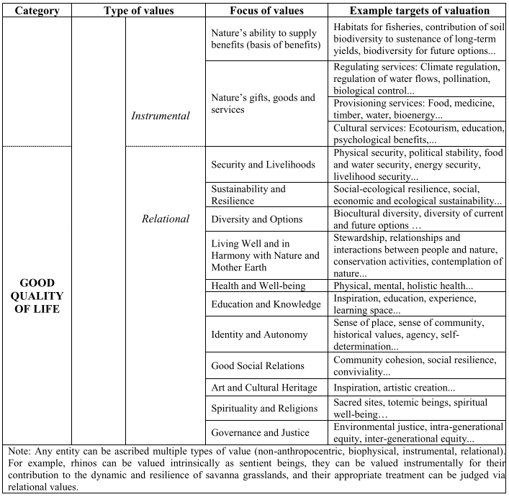
 |  |  |  |  |  |  |  |  |  |  |  |  |  |  |  |  |  |  |  |  |  |  |  |  |  |  |  |  | Connectivity |  |  |  |  |  |  | GBI contribution towards GBI contribution to ensure / create biological connectivity between green areas
 |  |  |  |  |  |  |  |  |  |  |  |  |  |  |  |  |  |  |  |  |  |  |  |  |  |  |  |  | Accessibility |  |  |  |  |  |  | GBI contribution towards the availability of green areas & accessibility to disabled users? (also related to 3.3.4.)
 |  |  |  |  |  |  |  |  |  |  |  |  |  |  |  |  |  |  |  |  |  |  |  |  |  |  |  |  | Hospitality |  |  |  |  |  |  | GBI contribution towards a sense of safety and belonging / Perception of availability of conveniences such as park benches, drinking fountains? (related to 3.1.2. & 3.2.2.)
 |  |  |  |  |  |  |  |  |  |  |  |  |  |  |  |  |  |  |  |  |  |  |  |  |  |  |  |  | Location |  |  |  |  |  |  | GBI contribution towards Location of the GBI related to population distribution? Accessibility? (also related to 3.4.3)
 |  |  |  |  |  |  |  |  |  |  |  |  |  |  |  |  |  |  |  |  |  |  |  |  |  |  |  |  | 1 Habitat creation and maintenance |  |  |  |  |  |  | GBI contribution towards habitats creation / improvement / maintenance.
 |  |  |  |  |  |  |  |  |  |  |  |  |  |  |  |  |  |  |  |  |  |  |  |  |  |  |  |  | 2 Pollination and dispersal of seeds and other propagules |  |  |  |  |  |  | GBI contribution for pollination, through the availability and promotion of habitat and pollination species.
 |  |  |  |  |  |  |  |  |  |  |  |  |  |  |  |  |  |  |  |  |  |  |  |  |  |  |  |  | 3 Regulation of air quality |  |  |  |  |  |  | GBI contribution to regulate air quality
 |  |  |  |  |  |  |  |  |  |  |  |  |  |  |  |  |  |  |  |  |  |  |  |  |  |  |  |  | 4 Regulation of climate |  |  |  |  |  |  | GBI contribution to promote the regulation of local and regional climate (temperature, air circulation, etc…)
 |  |  |  |  |  |  |  |  |  |  |  |  |  |  |  |  |  |  |  |  |  |  |  |  |  |  |  |  | 5 Regulation of ocean acidification |  |  |  |  |  |  | GBI qualitative and quantitative contribution towards the control of ocean discharges affecting accidification
 |  |  |  |  |  |  |  |  |  |  |  |  |  |  |  |  |  |  |  |  |  |  |  |  |  |  |  |  | 6 Regulation of freshwater quantity, flow and timing |  |  |  |  |  |  | GBI contribution towards the regulation of freshwater resources (quantitative)
 |  |  |  |  |  |  |  |  |  |  |  |  |  |  |  |  |  |  |  |  |  |  |  |  |  |  |  |  | 7 Regulation of freshwater and coastal water quality |  |  |  |  |  |  | GBI contribution towards the regulation of freshwater resources (qualitative)
 |  |  |  |  |  |  |  |  |  |  |  |  |  |  |  |  |  |  |  |  |  |  |  |  |  |  |  |  | 8 Formation, protection and decontamination of soils and sediments |  |  |  |  |  |  | GBI contribution for soil formation and bioremediation.
 |  |  |  |  |  |  |  |  |  |  |  |  |  |  |  |  |  |  |  |  |  |  |  |  |  |  |  |  | 9 Regulation of hazards and extreme events |  |  |  |  |  |  | GBI contribution for the control of flash floods, wild fires, etc…
 |  |  |  |  |  |  |  |  |  |  |  |  |  |  |  |  |  |  |  |  |  |  |  |  |  |  |  |  | 10 Regulation of organisms detrimental to humans |  |  |  |  |  |  | GBI contribution for the regulation of pests such as mosquitoes, flies, wild dogs, etc…
 |  |  |  |  |  |  |  |  |  |  |  |  |  |  |  |  |  |  |  |  |  |  |  |  |  |  |  |  | 11 Energy |  |  |  |  |  |  | GBI contribution towards the supply of energy sources such as gas from waste management facilities, wood for stoves, etc…
 |  |  |  |  |  |  |  |  |  |  |  |  |  |  |  |  |  |  |  |  |  |  |  |  |  |  |  |  | 12 Food and feed |  |  |  |  |  |  | GBI contribution for the supply of fruits, vegetables, eggs, poultry, etc...
 |  |  |  |  |  |  |  |  |  |  |  |  |  |  |  |  |  |  |  |  |  |  |  |  |  |  |  |  | 13 Materials |  |  |  |  |  |  | GBI contribution for the supply of materials such as wood for construction or fire, rubber, wicker, etc…
 |  |  |  |  |  |  |  |  |  |  |  |  |  |  |  |  |  |  |  |  |  |  |  |  |  |  |  |  | 14 Medicinal, biochemical and genetic resources |  |  |  |  |  |  | GBI contribution for the availability of species with medicinal properties, and specific genetic resources?
 |  |  |  |  |  |  |  |  |  |  |  |  |  |  |  |  |  |  |  |  |  |  |  |  |  |  |  |  | 16 Physical and psychological experiences, including Learning and inspiration |  |  |  |  |  |  | GBI contribution towards physical, mental, holistic health, biophilia..., Inspiration, education, experience, learning space...
 |  |  |  |  |  |  |  |  |  |  |  |  |  |  |  |  |  |  |  |  |  |  |  |  |  |  |  |  | 17 Supporting identities |  |  |  |  |  |  | GBI contribution towards ??
 |  |  |  |  |  |  |  |  |  |  |  |  |  |  |  |  |  |  |  |  |  |  |  |  |  |  |  |  | Stewardship |  |  |  |  |  |  | GBI contribution towards relationships and interactions between people and nature, time spent for managing ecosystems, conservation activities, contemplation of nature...
 |  |  |  |  |  |  |  |  |  |  |  |  |  |  |  |  |  |  |  |  |  |  |  |  |  |  |  |  | Identity, sense of place |  |  |  |  |  |  | GBI contribution towards the promotion of a sense of autonomy sense of community, historical values, agency, self-determination…
 |  |  |  |  |  |  |  |  |  |  |  |  |  |  |  |  |  |  |  |  |  |  |  |  |  |  |  |  | Heritage values |  |  |  |  |  |  | GBI contribution towards Inspiration, artistic creation...
 |  |  |  |  |  |  |  |  |  |  |  |  |  |  |  |  |  |  |  |  |  |  |  |  |  |  |  |  | social relations |  |  |  |  |  |  | GBI contribution towards healthy and pacific racial diversity & social interactions between different social & racial groups
 |  |  |  |  |  |  |  |  |  |  |  |  |  |  |  |  |  |  |  |  |  |  |  |  |  |  |  |  | Physical and mental health |  |  |  |  |  |  | GBI contribution towards physical, mental, holistic health, biophilia...
 |  |  |  |  |  |  |  |  |  |  |  |  |  |  |  |  |  |  |  |  |  |  |  |  |  |  |  |  | Education and Knowledge |  |  |  |  |  |  | GBI contribution towards Inspiration, education, experience, learning space...
 |  |  |  |  |  |  |  |  |  |  |  |  |  |  |  |  |  |  |  |  |  |  |  |  |  |  |  |  | Safety and security |  |  |  |  |  |  | GBI contribution towards Physical security, political stability, food and water security, energy security, livelihood security...
 |  |  |  |  |  |  |  |  |  |  |  |  |  |  |  |  |  |  |  |  |  |  |  |  |  |  |  |  | Health and Wellbeing |  |  |  |  |  |  | GBI contribution towards physical, mental, holistic health, biophilia... WHAT IS DIFFERENT FROM 3.2.2.?
 |  |  |  |  |  |  |  |  |  |  |  |  |  |  |  |  |  |  |  |  |  |  |  |  |  |  |  |  | Engagement level |  |  |  |  |  |  | GBI contribution towards the promotion of participation in civic activities, engagement in social issues.
 |  |  |  |  |  |  |  |  |  |  |  |  |  |  |  |  |  |  |  |  |  |  |  |  |  |  |  |  | Capacities of the process |  |  |  |  |  |  | GBI contribution towards ??
 |  |  |  |  |  |  |  |  |  |  |  |  |  |  |  |  |  |  |  |  |  |  |  |  |  |  |  |  | Procedural Justice |  |  |  |  |  |  | GBI contribution towards ??
 |  |  |  |  |  |  |  |  |  |  |  |  |  |  |  |  |  |  |  |  |  |  |  |  |  |  |  |  | Distributional Justice |  |  |  |  |  |  | GBI contribution towards availability of green parks, questions related to Gentrification.
 |  |  |  |  |  |  |  |  |  |  |  |  |  |  |  |  |  |  |  |  |  |  |  |  |  |  |  |  | Jobs created |  |  |  |  |  |  | GBI contribution towards creation of direct and indirect jobs related to GBI creation & management.
 |  |  |  |  |  |  |  |  |  |  |  |  |  |  |  |  |  |  |  |  |  |  |  |  |  |  |  |  | Profits for businesses |  |  |  |  |  |  | GBI contribution in affecting positively local businesses economic growth?
 |  |  |  |  |  |  |  |  |  |  |  |  |  |  |  |  |  |  |  |  |  |  |  |  |  |  |  |  | Value of properties |  |  |  |  |  |  | GBI contribution in affecting housing prices in surrounding area?
 |  |  |  |  |  |  |  |  |  |  |  |  |  |  |  |  |  |  |  |  |  |  |  |  |  |  |  |  | City attractiveness |  |  |  |  |  |  | GBI contribution in affecting attractiveness of the surrounding areas?

