CO2 UC_KZK
Target Set for total CO2eq emissions (covered by the model)
 |  |  |  |  | ktons CO2eq per year
 | ~UC_Sets: R_E: KZK
 |  |  | ~UC_T: UC_RHSRTS~UP
 | UC_N | Cset_CN | Year | UC_COMNET | UC_RHSRTS~UP | UC_RHSRTS~UP~0 | UC_Desc | 250000 | 1.00
 | UC_CO2eqDMTarget | TCO2eq | 2020 | 1 | 269514 | 15 | CP-Ext CAP (PaMs-oriented in the short term, controlled via CAP after 2030) |  | 1.08
 |  |  | 2025 |  | 324413 |  |  |  | 1.30
 |  |  | 2030 |  | 394698 |  |  |  | 1.58
 |  |  | 2035 |  | 340470 |  |  |  | 1.83
 |  |  | 2040 |  | 293692 |  |  |  | 2.12
 |  |  | 2045 |  | 266006 |  |  |  | 2.34
 |  |  | 2050 |  | 253096 |  |  |  | 2.46

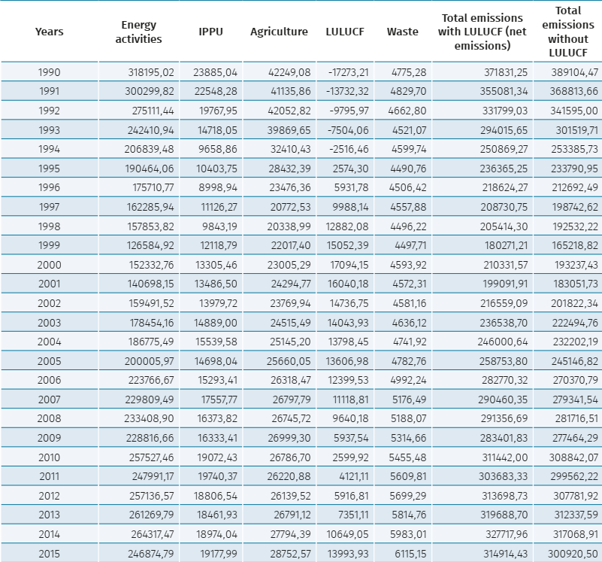

 |  |  |  |  | 318195

 |  |  |  | RDM: approach: | Upper value until 2030, linked to the GDP (+ feedback), after 2030 linked to the GDP (-feedback)

