CO2 UC_KZK
Target Set for total CO2eq emissions (covered by the model)
 |  |  |  |  | ktons CO2eq per year
 | ~UC_Sets: R_E: KZK
 |  |  | ~UC_T: UC_RHSRTS~UP
 | UC_N | Cset_CN | Year | UC_COMNET | UC_RHSRTS~UP | UC_RHSRTS~UP~0 | UC_Desc |  |  | 250000 | 1.00
 | UC_CO2eqDMTarget | TCO2eq | 2020 | 1 | 269513.6 | 15 | NDC Mitigation Scenario: Total CO2 eq. emission target for the system. |  |  |  | 1.08
 |  |  | 2025 |  | 324412.9 |  |  |  |  |  | 1.30
 |  |  | 2030 |  | 270465.8 |  |  | 85% | Target: -15% (energy sector) |  | 1.58
 |  |  | 2035 |  | 244612.4 |  |  |  |  |  | 1.83
 |  |  | 2040 |  | 218759.1 |  |  |  |  |  | 2.12
 |  |  | 2045 |  | 192905.7 |  |  |  |  |  | 2.34
 |  |  | 2050 |  | 167052.4 |  |  | 53% | Target: -50% (energy sector) |  | 2.46
 |  |  |  |  |  |  |  | Intermediate (DeepMit - NDC)

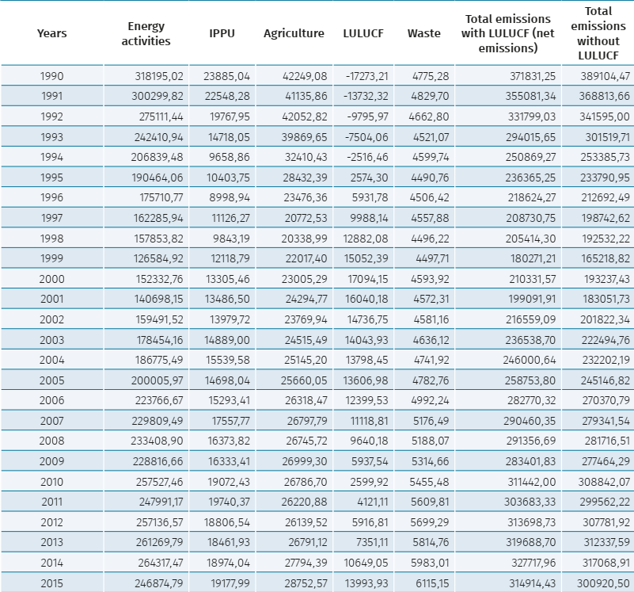

 |  |  |  |  | 318195.02

