Interpol_Extrapol_Defaults
2 | Set 1 for Old VEDA, 2 for NEW VEDA

 | * Set the interpolation rules for key parameters and other data manipulation options. In the following table a standard set of key parameters and manipulation options. See the Getting Started for more informations

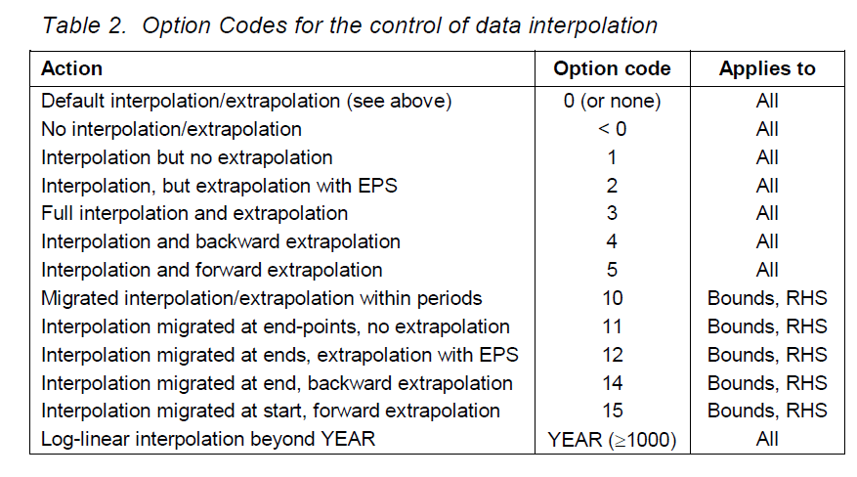
 | Interpolation Options
 | ~TFM_MIG
 | LimType | Attribute | Year2 | Other_Indexes | AllRegions | Pset_Set | Pset_PN | Pset_PD | Pset_CI | Pset_CO | Cset_Set | Cset_CN | Cset_CD
 |  | FLO_SHAR | 0 |  | 3
 | UP,LO | FLO_SHAR | 0 |  | 5 |  | HPP*,TRAAVDOM*
 | FX | FLO_SHAR | 0 |  | 1
 | FX | FLO_SHAR | 0 |  | 3 |  | EVTRANS*,IND_CCS_N01,ELC_CCS_N01,TRABIO*
 | \I: UP,LO | CAP_BND | 0 |  | 3
 | FX | NCAP_BND | 0 |  | 10
 |  | INVCOST | 0 |  | 5 |  | IMPGASNAT*
 | UP,LO | ACT_BND | 0 |  | 1
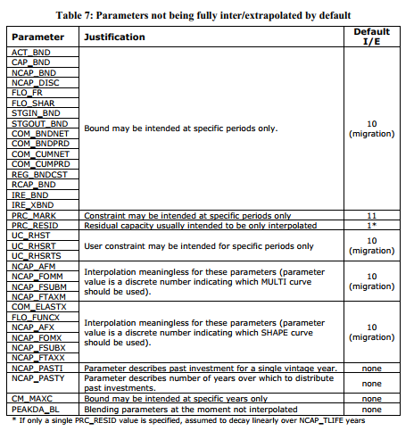
 | UP | ACT_BND | 0 |  | 3 |  | RSD_UMSH*, FT*TRAGAS*
 | \I: | IRE_BND | 0 |  | 1
 | \I: | FLO_EMIS | 0 |  | 3
 |  | ACT_MINLD | 0 |  | 3
 |  | FLO_DELIV | 0 |  | 3
 | FX | SHARE | 0 |  | 3 |  | RSD*GEO*,COM*GEO*,RSD*SOL*,COM*SOL* |  |  |  |  | *GEO*,*SOL*
 |  | FLO_SUB | 0 |  | 5
 |  | FLO_TAX | 0 |  | 5

 | *Set a default price or apply a factor for those IMPorts with "Z" in the name.

 | Dummy Imp Prices
 | ~TFM_UPD
 | TimeSlice | LimType | Attribute | Year | Other_Indexes | AllRegions | Pset_Set | Pset_PN | Pset_PD | Pset_CI | Pset_CO | Cset_Set | Cset_CN | Cset_CD
 |  |  | ACTCOST |  |  | 9999 | IRE | IMP*Z
 |  |  | ACTCOST |  |  | 10000 | IRE | IMPDEMZ

 | ~TFM_INS-txt
 | TimeSlice | LimType | Attribute | Year | Other_Indexes | AllRegions | Pset_Set | Pset_PN | Pset_PD | Pset_CI | Pset_CO | Cset_Set | Cset_CN | Cset_CD
 |  |  | PRC_TSL |  |  | Daynite |  | IMP*Z
 |  |  | PRC_TSL |  |  | Annual |  | IMPDEMZ

