Sheet1
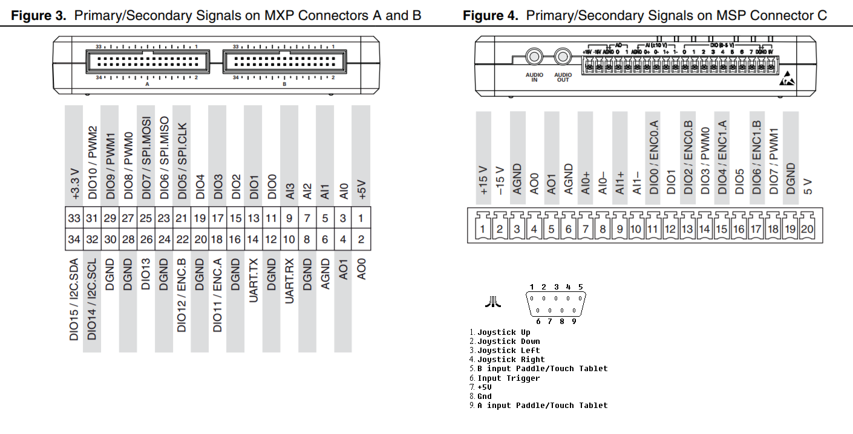
Connector A |  | MyRIO | Joystick
DIO0 | Joy1_up | 11 | 1
DIO1 | Joy1_down | 13 | 2
DIO2 | Joy1_left | 15 | 3
DIO3 | Joy1_right | 17 | 4
DIO4 | Joy1_button | 19 | 6
DGND | GND | 20 | 8

DIO5 | Joy2_up | 21 | 1
DIO6 | Joy2_down | 23 | 2
DIO7 | Joy2_left | 25 | 3
DIO8 | Joy2_right | 27 | 4
DIO9 | Joy2_button | 29 | 6
DGND | GND | 30 | 8

Connector B
DIO0 | Joy3_up | 11 | 1
DIO1 | Joy3_down | 13 | 2
DIO2 | Joy3_left | 15 | 3
DIO3 | Joy3_right | 17 | 4
DIO4 | Joy3_button | 19 | 6
DGND | GND | 20 | 8

DIO5 | Joy4_up | 21 | 1
DIO6 | Joy4_down | 23 | 2
DIO7 | Joy4_left | 25 | 3
DIO8 | Joy4_right | 27 | 4
DIO9 | Joy4_button | 29 | 6
DGND | GND | 30 | 8

Connector C
DIO0 | Red
DIO1 | Green
DIO2 | Blue
DIO3 | h_sync
DIO4 | v_sync

