Menu 1 UE 1
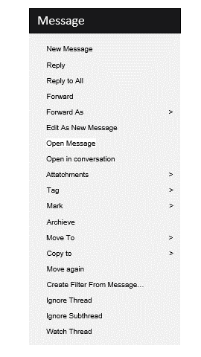
For each of the opposite properties listed below, select the degree with which you felt most identified while using the Blinking Menu.

 | 1 | 2 | 3 | 4 | 5 | 6 | 7
boring |  |  |  |  |  |  |  | exciting

not interesting |  |  |  |  |  |  |  | interesting

inventive |  |  |  |  |  |  |  | conventional

obstructive |  |  |  |  |  |  |  | supportive

complicated |  |  |  |  |  |  |  | easy

usual |  |  |  |  |  |  |  | leading edge

inefficient |  |  |  |  |  |  |  | efficient

clear |  |  |  |  |  |  |  | confusing
Next
Back

Menu 1 NasaTLX 1
Mental Demand: How much mental and perceptual activity was required (for example, thinking, deciding, calculating, remembering, looking, searching, etc.)?
Drag the slider to quantify your perceived cognitive load while using the Blinking Menu.

Physical Demand: How much physical activity was required (eg, pushing, pulling, turning, controlling, activating, etc.)?
Mental Demand
Very Low | Very High

Physical Demand
Very Low | Very High
Temporal Demand: How much time pressure did you feel due to the speed or pace at which tasks or task elements occurred?
Temporal Demand
Very Low | Very High

Performance: How successful do you think you were in achieving the task objectives? How satisfied were you with your performance in achieving these goals?
Performance
Failure | Perfect

Effort
Very Low | Very High
Effort: How much did you have to work (mentally and physically) to achieve your level of performance?
Frustration level
Very Low | Very High
Frustration level: How insecure, discouraged, irritated, stressed, and upset versus confident, satisfied, content, relaxed, and complacent did you feel during the task?
Back
Next

Menu 2 UE 1
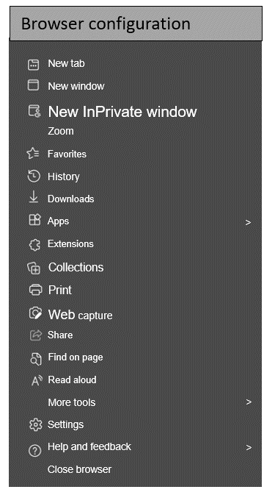
For each of the opposite properties listed below, select the degree with which you felt most identified while using the Morphing Menu.

 | 1 | 2 | 3 | 4 | 5 | 6 | 7
boring |  |  |  |  |  |  |  | exciting

not interesting |  |  |  |  |  |  |  | interesting

inventive |  |  |  |  |  |  |  | conventional

obstructive |  |  |  |  |  |  |  | supportive

complicated |  |  |  |  |  |  |  | easy

usual |  |  |  |  |  |  |  | leading edge

inefficient |  |  |  |  |  |  |  | efficient

clear |  |  |  |  |  |  |  | confusing
Back
Next

Menu 2 NasaTLX 1
Mental Demand: How much mental and perceptual activity was required (for example, thinking, deciding, calculating, remembering, looking, searching, etc.)?
Drag the slider to quantify your perceived cognitive load while using the Morphing Menu.

Physical Demand: How much physical activity was required (eg, pushing, pulling, turning, controlling, activating, etc.)?
Mental Demand
Very Low | Very High

Physical Demand
Very Low | Very High
Temporal Demand: How much time pressure did you feel due to the speed or pace at which tasks or task elements occurred?
Temporal Demand
Very Low | Very High

Performance: How successful do you think you were in achieving the task objectives? How satisfied were you with your performance in achieving these goals?
Performance
Failure | Perfect

Effort
Very Low | Very High
Effort: How much did you have to work (mentally and physically) to achieve your level of performance?
Frustration level
Very Low | Very High
Frustration level: How insecure, discouraged, irritated, stressed, and upset versus confident, satisfied, content, relaxed, and complacent did you feel during the task?
Back
Next

Menu 3 UE 1

For each of the opposite properties listed below, select the degree with which you felt most identified while using the Out-Context-Disappearing Menu.

 | 1 | 2 | 3 | 4 | 5 | 6 | 7
boring |  |  |  |  |  |  |  | exciting

not interesting |  |  |  |  |  |  |  | interesting

inventive |  |  |  |  |  |  |  | conventional

obstructive |  |  |  |  |  |  |  | supportive

complicated |  |  |  |  |  |  |  | easy

usual |  |  |  |  |  |  |  | leading edge

inefficient |  |  |  |  |  |  |  | efficient

clear |  |  |  |  |  |  |  | confusing
Back
Next

Menu 3 NasaTLX 1
Mental Demand: How much mental and perceptual activity was required (for example, thinking, deciding, calculating, remembering, looking, searching, etc.)?
Drag the slider to quantify your perceived cognitive load while using the Out-Context Disappearing Menu.

Physical Demand: How much physical activity was required (eg, pushing, pulling, turning, controlling, activating, etc.)?
Mental Demand
Very Low | Very High

Physical Demand
Very Low | Very High
Temporal Demand: How much time pressure did you feel due to the speed or pace at which tasks or task elements occurred?
Temporal Demand
Very Low | Very High

Performance: How successful do you think you were in achieving the task objectives? How satisfied were you with your performance in achieving these goals?
Performance
Failure | Perfect

Effort
Very Low | Very High
Effort: How much did you have to work (mentally and physically) to achieve your level of performance?
Frustration level
Very Low | Very High

Back
Next
Frustration level: How insecure, discouraged, irritated, stressed, and upset versus confident, satisfied, content, relaxed, and complacent did you feel during the task?

Menu 4 UE 1
6 of the menus that you have just used will be shown. Answer the following questions below about your user experience with the different types of menus. Remember that, there are no correct answers, mark the option that is closest to how you felt while using the different types of menus.
Your ID:

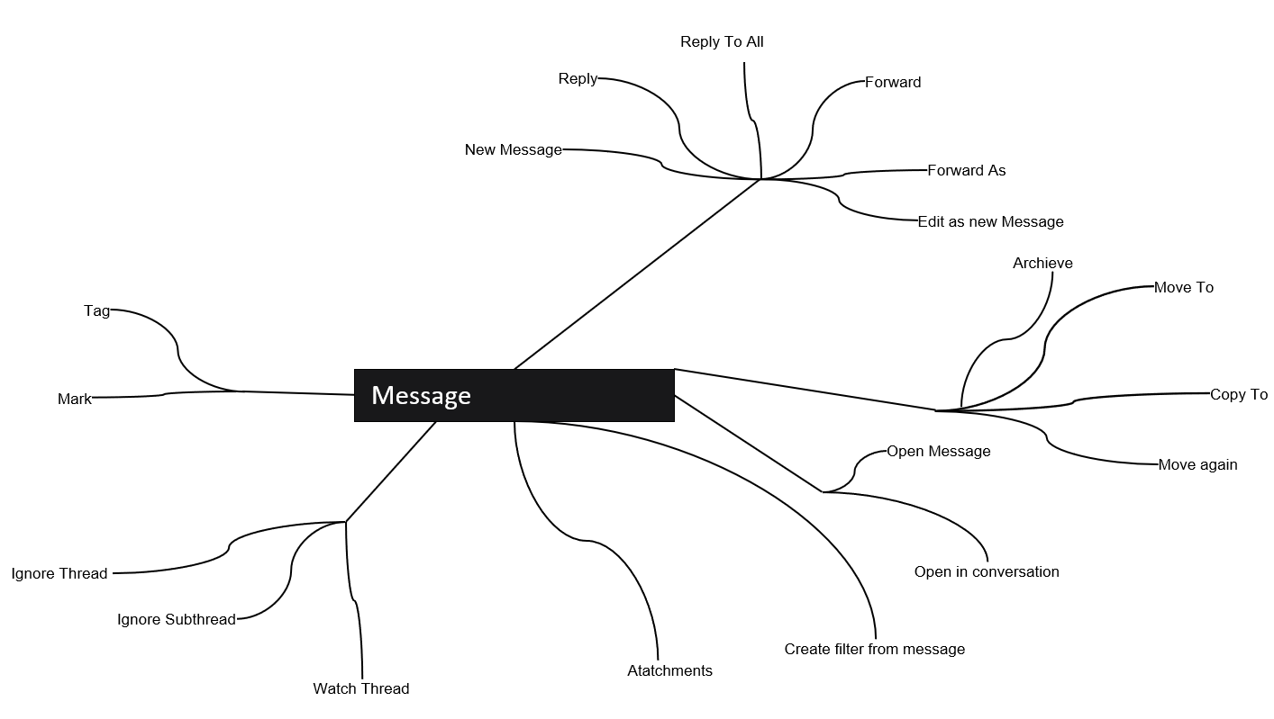
 | boring | exciting

 | not interesting | interesting

 | inventive | conventional

 | obstructive | supportive

 | complicated | easy

 | usual | leading edge

 | inefficient | efficient

 | clear | confusing
Next

Menu 4 NasaTLX 1
Mental Demand: How much mental and perceptual activity was required (for example, thinking, deciding, calculating, remembering, looking, searching, etc.)?
Drag the slider to quantify your perceived cognitive load while using the Leaf Menu.

Physical Demand: How much physical activity was required (eg, pushing, pulling, turning, controlling, activating, etc.)?
Mental Demand
Very Low | Very High

Physical Demand
Very Low | Very High
Temporal Demand: How much time pressure did you feel due to the speed or pace at which tasks or task elements occurred?
Temporal Demand
Very Low | Very High

Performance: How successful do you think you were in achieving the task objectives? How satisfied were you with your performance in achieving these goals?
Performance
Failure | Perfect

Effort
Very Low | Very High
Effort: How much did you have to work (mentally and physically) to achieve your level of performance?
Frustration level
Very Low | Very High
Frustration level: How insecure, discouraged, irritated, stressed, and upset versus confident, satisfied, content, relaxed, and complacent did you feel during the task?
Back
Next

Menu 5 UE 1
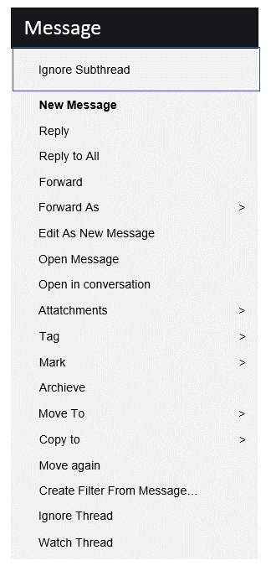
For each of the opposite properties listed below, select the degree with which you felt most identified while using the Split without replication Menu.

 | 1 | 2 | 3 | 4 | 5 | 6 | 7
boring |  |  |  |  |  |  |  | exciting

not interesting |  |  |  |  |  |  |  | interesting

inventive |  |  |  |  |  |  |  | conventional

obstructive |  |  |  |  |  |  |  | supportive

complicated |  |  |  |  |  |  |  | easy

usual |  |  |  |  |  |  |  | leading edge

inefficient |  |  |  |  |  |  |  | efficient

clear |  |  |  |  |  |  |  | confusing
Back
Next

Menu 5 NasaTLX 1
Mental Demand: How much mental and perceptual activity was required (for example, thinking, deciding, calculating, remembering, looking, searching, etc.)?
Drag the slider to quantify your perceived cognitive load while using the Split without replication Menu.

Physical Demand: How much physical activity was required (eg, pushing, pulling, turning, controlling, activating, etc.)?
Mental Demand
Very Low | Very High

Physical Demand
Very Low | Very High
Temporal Demand: How much time pressure did you feel due to the speed or pace at which tasks or task elements occurred?
Temporal Demand
Very Low | Very High

Performance: How successful do you think you were in achieving the task objectives? How satisfied were you with your performance in achieving these goals?
Performance
Failure | Perfect

Effort
Very Low | Very High
Effort: How much did you have to work (mentally and physically) to achieve your level of performance?
Frustration level
Very Low | Very High

Back
Next
Frustration level: How insecure, discouraged, irritated, stressed, and upset versus confident, satisfied, content, relaxed, and complacent did you feel during the task?

Menu 6 UE 1
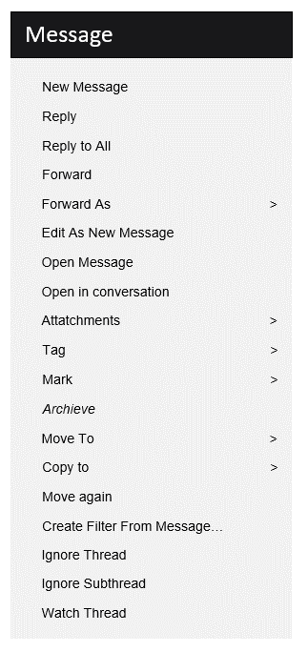
For each of the opposite properties listed below, select the degree with which you felt most identified while using the Italicing Menu.

 | 1 | 2 | 3 | 4 | 5 | 6 | 7
boring |  |  |  |  |  |  |  | exciting

not interesting |  |  |  |  |  |  |  | interesting

inventive |  |  |  |  |  |  |  | conventional

obstructive |  |  |  |  |  |  |  | supportive

complicated |  |  |  |  |  |  |  | easy

usual |  |  |  |  |  |  |  | leading edge

inefficient |  |  |  |  |  |  |  | efficient

clear |  |  |  |  |  |  |  | confusing
Next
Back

Menu 6 NasaTLX 1
Mental Demand: How much mental and perceptual activity was required (for example, thinking, deciding, calculating, remembering, looking, searching, etc.)?
Drag the slider to quantify your perceived cognitive load while using the Italicing Menu.

Physical Demand: How much physical activity was required (eg, pushing, pulling, turning, controlling, activating, etc.)?
Mental Demand
Very Low | Very High

Physical Demand
Very Low | Very High
Temporal Demand: How much time pressure did you feel due to the speed or pace at which tasks or task elements occurred?
Temporal Demand
Very Low | Very High

Performance: How successful do you think you were in achieving the task objectives? How satisfied were you with your performance in achieving these goals?
Performance
Failure | Perfect

Effort
Very Low | Very High
Effort: How much did you have to work (mentally and physically) to achieve your level of performance?
Frustration level
Very Low | Very High

Back
Next
Frustration level: How insecure, discouraged, irritated, stressed, and upset versus confident, satisfied, content, relaxed, and complacent did you feel during the task?

Ponderaciones
Each person has a different perception of workload. This workload can be measured with a set of variables (e.g. Physical Demand, Temporal Demand, etc.).
In order to measure which variables have caused the greatest impact, indicate below for each pair of variables:
Which of the two variables do you consider to have had the greatest impact in selecting a menu action?

Mental Demand: How much mental and perceptual activity was required (for example, thinking, deciding, calculating, remembering, looking, searching, etc.)?
 | Physical Demand | Mental Demand

 | Temporal Demand | Physical Demand

Physical Demand: How much physical activity was required (eg, pushing, pulling, turning, controlling, activating, etc.)?
 | Temporal Demand | Frustration level

 | Mental Demand | Temporal Demand

Temporal Demand: How much time pressure did you feel due to the speed or pace at which tasks or task elements occurred?
 | Performance | Physical Demand

 | Temporal Demand | Effort

 | Mental Demand | Performance
Performance: How successful do you think you were in achieving the task objectives? How satisfied were you with your performance in achieving these goals?
 | Physical Demand | Frustration level

 | Performance | Frustration level

Effort: How much did you have to work (mentally and physically) to achieve your level of performance?
 | Frustration level | Mental Demand

 | Exigencia fisica | Effort

Frustration level: How insecure, discouraged, irritated, stressed, and upset versus confident, satisfied, content, relaxed, and complacent did you feel during the task?
 | Effort | Performance

 | Mental Demand | Effort

 | Performance | Temporal Demand

 | Frustration level | Effort

Back
Finish

