Sheet 1 - Sequence_Work_09JN
The logic used for manual sequencing follows these rules:
We begin on the lowest-level voxels (Vx(x, y, 0)), starting from a corner voxel, and then move continuously to adjacent voxels (no jumping).
Piling work is completed first in all voxels that require piling.
Once piling is finished across the level, steel-structure work is completed in every voxel on that level.
After steel-structure is done, we proceed with piping, then vessels, and finally electrical work.
Each discipline must finish its work in all voxels on the same level before the next discipline can begin.
Sequence_Work_09JN
 |  |  |  |  |  |  |  | Sequence
Voxel | VoxelX | VoxelY | VoxelZ | Trade | ElementCount | TotalVolume (m3) | EstManhours | Piling | Steel | Vessels | Piping | Electrical | Sequence (Combined)
Vx(2,6,0) | 2 | 6 | 0 | Piling | 1 | 0.2 | 20 | 1 |  |  |  |  | 1
Vx(4,4,0) | 4 | 4 | 0 | Piling | 1 | 0.2 | 20 | 2 |  |  |  |  | 2
Vx(4,5,0) | 4 | 5 | 0 | Piling | 1 | 0.2 | 20 | 3 |  |  |  |  | 3
Vx(5,5,0) | 5 | 5 | 0 | Piling (1 pile 16m) | 1 | 3.14 | 35 | 4 |  |  |  |  | 4
Vx(6,4,0) | 6 | 4 | 0 | Piling | 1 | 0.2 | 20 | 5 |  |  |  |  | 5
Vx(6,5,0) | 6 | 5 | 0 | Piling | 1 | 0.2 | 50 | 6 |  |  |  |  | 6
Vx(2,3,1) | 2 | 3 | 1 | Piles, | 4 | 0.8 | 25 | 7 |  |  |  |  | 7
Vx(2,4,1) | 2 | 4 | 1 | Piling, Piping | 40 | 8 | 50 | 8 |  |  | 41 |  | 8, 41
This image shows a representation of the manual sequencing. It indicates the steps at which each discipline should work in each voxel, and it highlights 500 MH intervals to visualize one-week work segments.
Vx(2,5,1) | 2 | 5 | 1 | Piling, Steel work, Piping, others (Insolation) | 21 | 4.2 | 70 | 9 | 27 |  | 43 |  | 9, 27, 43
Vx(2,6,1) | 2 | 6 | 1 | Big Piles (4), | 105 | 329.7 | 25 | 10 |  |  |  |  | 10
Vx(2,7,1) | 2 | 7 | 1 | Big Piles (10), Small piles (4), Pipes, Steel (stairs), Electrical, | 33 | 6.6 | 70 | 11 | 28 |  | 44 | 94 | 11, 28, 44, 94
Vx(3,3,1) | 3 | 3 | 1 | Piling, others | 46 | 9.2 | 40 | 12 |  |  |  |  | 12
Vx(3,4,1) | 3 | 4 | 1 | Steel work, Piling, Piping, others | 380 | 76 | 76 | 13 | 29 |  | 45 |  | 13, 29, 45
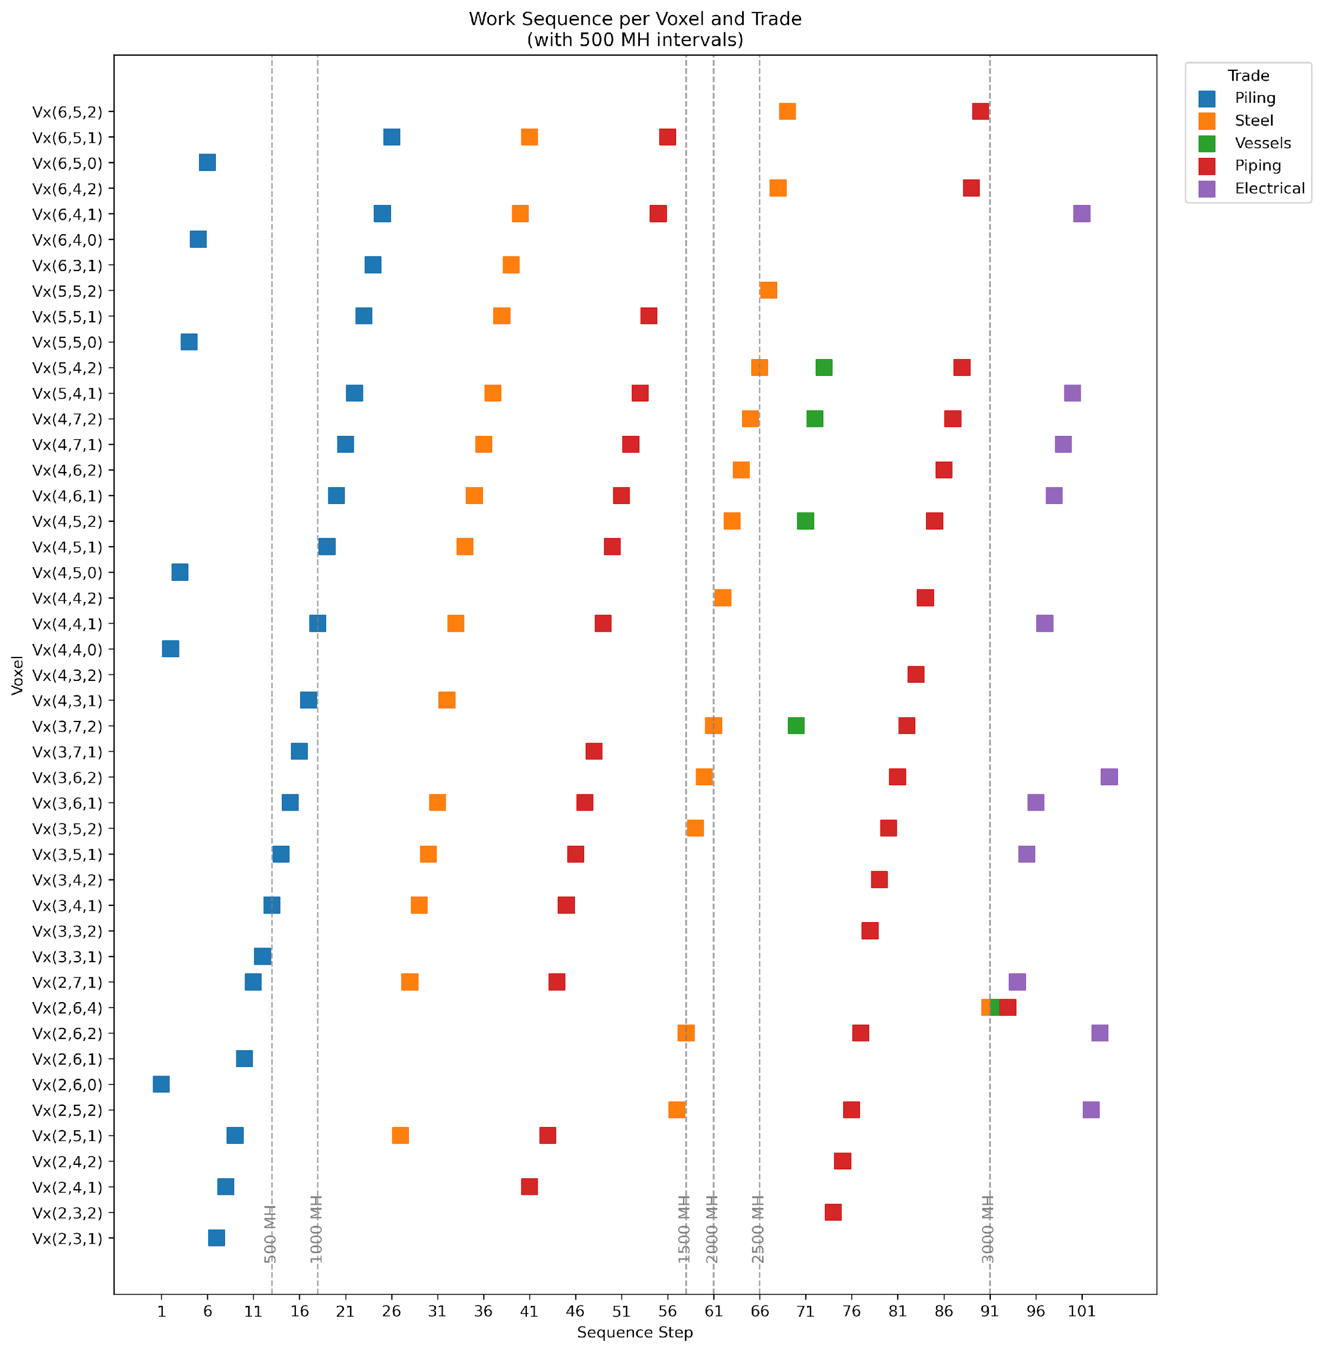
Vx(3,5,1) | 3 | 5 | 1 | Electrical, Piling, Piping, steel work, others | 232 | 46.4 | 70 | 14 | 30 |  | 46 | 95 | 14, 30, 46, 95
Vx(3,6,1) | 3 | 6 | 1 | Piling, Piping, Steel work, Electrical, others | 150 | 30 | 30 | 15 | 31 |  | 47 | 96 | 15, 31, 47, 96
Vx(3,7,1) | 3 | 7 | 1 | Piling, Piping | 12 | 37.68 | 320 | 16 |  |  | 48 |  | 16, 48
Vx(4,3,1) | 4 | 3 | 1 | Piling, Steel structure, others(HVAC) | 13 | 2.6 | 30 | 17 | 32 |  |  |  | 17, 32
Vx(4,4,1) | 4 | 4 | 1 | Electrical, Piling, Piping, Steel work | 102 | 20.4 | 60 | 18 | 33 |  | 49 | 97 | 18, 33, 49, 97
Vx(4,5,1) | 4 | 5 | 1 | Steel work, Piping, Piling, others | 82 | 16.4 | 16.4 | 19 | 34 |  | 50 |  | 19, 34, 50
Vx(4,6,1) | 4 | 6 | 1 | Electrical, Piling, Steel work, Piping, others(insolation) | 621 | 124.2 | 120 | 20 | 35 |  | 51 | 98 | 20, 35, 51, 98
Vx(4,7,1) | 4 | 7 | 1 | Piling, Electrical, Steel work, Piping, others | 44 | 8.8 | 70 | 21 | 36 |  | 52 | 99 | 21, 36, 52, 99
Vx(5,4,1) | 5 | 4 | 1 | Electrical, Piling, Steel work, Piping, others(insolation) | 75 | 15 | 15 | 22 | 37 |  | 53 | 100 | 22, 37, 53, 100
Vx(5,5,1) | 5 | 5 | 1 | Piling, Steel work, Piping, others (Insolation) | 60 | 12 | 12 | 23 | 38 |  | 54 |  | 23, 38, 54
Vx(6,3,1) | 6 | 3 | 1 | Steel structure, Piling, | 7 | 1.4 | 35 | 24 | 39 |  |  |  | 24, 39
Vx(6,4,1) | 6 | 4 | 1 | Electrical, Steel work, Piling, Piping, | 74 | 14.8 | 60 | 25 | 40 |  | 55 | 101 | 25, 40, 55, 101
Vx(6,5,1) | 6 | 5 | 1 | Steel work, Piling, Piping, | 83 | 16.6 | 60 | 26 | 41 |  | 56 |  | 26, 41, 56
Vx(0,0,1) | 0 | 0 | 1 | Unknown | 1 | 0.2 | 10
Vx(1,0,1) | 1 | 0 | 1 | Unknown | 2 | 0.4 | 10
Vx(2,3,2) | 2 | 3 | 2 | Pipes, Others (Insolation) | 26 | 5.2 | 45 |  |  |  | 74 |  | 74
Vx(2,4,2) | 2 | 4 | 2 | Pipes, Others (steel and Timber structure) | 18 | 3.6 | 50 |  |  |  | 75 |  | 3, 75
Vx(2,5,2) | 2 | 5 | 2 | Steel work, Pipes, Electrical | 22 | 4.4 | 50 |  | 57 |  | 76 | 102 | 57, 76, 102
Vx(2,6,2) | 2 | 6 | 2 | Electrical, Steel work, Piping, others | 43 | 8.6 | 50 |  | 58 |  | 77 | 103 | 58, 77, 103
Vx(2,6,4) | 2 | 6 | 4 | Piping, Horizontal vessel, Structural steel | 3 | 193 | 450 |  | 91 | 92 | 93 |  | 91, 92, 93
Vx(3,2,1) | 3 | 2 | 1 | Instrument stand | 4 | 0.8 | 10
Vx(3,3,0) | 3 | 3 | 0 | Helix | 1 | 0.2 | 5
Vx(3,3,2) | 3 | 3 | 2 | Pipes, others(insolation) | 8 | 1.6 | 40 |  |  |  | 78 |  | 78
Vx(3,4,2) | 3 | 4 | 2 | Pipes | 64 | 12.8 | 15 |  |  |  | 79 |  | 79
Vx(3,5,2) | 3 | 5 | 2 | Steel structure, Pipes, insolation | 43 | 8.6 | 80 |  | 59 |  | 80 |  | 59, 80
Vx(3,6,2) | 3 | 6 | 2 | Electrical, Steel work, Piping, others | 47 | 9.4 | 90 |  | 60 |  | 81 | 104 | 60, 81, 104
Vx(3,7,2) | 3 | 7 | 2 | Piping, insolation, structural steel,Mecanical equipment(VESSEL) | 6 | 34 | 450 |  | 61 | 70 | 82 |  | 61, 70, 82
Vx(4,3,2) | 4 | 3 | 2 | Pipes, others (insolation) | 19 | 3.8 | 40 |  |  |  | 83 |  | 83
Vx(4,4,2) | 4 | 4 | 2 | Steel work, Pipes | 48 | 9.6 | 15 |  | 62 |  | 84 |  | 62, 84
Vx(4,5,2) | 4 | 5 | 2 | Vent plume, Pipes, Steel work, Small vertical vESSELS (2) | 75 | 15 | 15 |  | 63 | 71 | 85 |  | 63, 71, 85
Vx(4,5,3) | 4 | 5 | 3 | others(Vent plume) | 1 | 0.2 | 20
Vx(4,6,2) | 4 | 6 | 2 | Steel work, Piping | 71 | 14.2 | 25 |  | 64 |  | 86 |  | 64, 86
Vx(4,7,2) | 4 | 7 | 2 | Piping, , Structural steel | 2 | 8 | 305 |  | 65 | 72 | 87 |  | 65, 72, 87
Vx(5,4,2) | 5 | 4 | 2 | Steel work, Pipes, Adsorber Vessel | 57 | 11.4 | 15 |  | 66 | 73 | 88 |  | 66, 73, 88
Vx(5,5,2) | 5 | 5 | 2 | Steel work | 13 | 2.6 | 30 |  | 67 |  |  |  | 67
Vx(5,6,1) | 5 | 6 | 1 | Others(Silenser) | 1 | 0.2 | 10
Vx(6,4,2) | 6 | 4 | 2 | Steel work, Pipes | 46 | 9.2 | 45 |  | 68 |  | 89 |  | 68, 89
Vx(6,5,2) | 6 | 5 | 2 | Adsorber Vessel, Pipes, imsolation, Steel work, | 38 | 7.6 | 100 |  | 69 |  | 90 |  | 69, 90

Production rates | MH/m3
Concrete | 3.2
Structural steel | 31
Horizontal vessel | 10.7
Vertcal vessel | 16
Piping | 50
Insulation | 18
Piling | 10

