axonDist_statistics
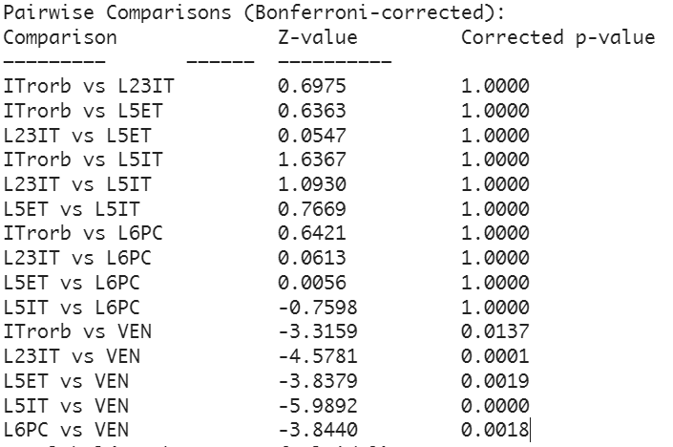
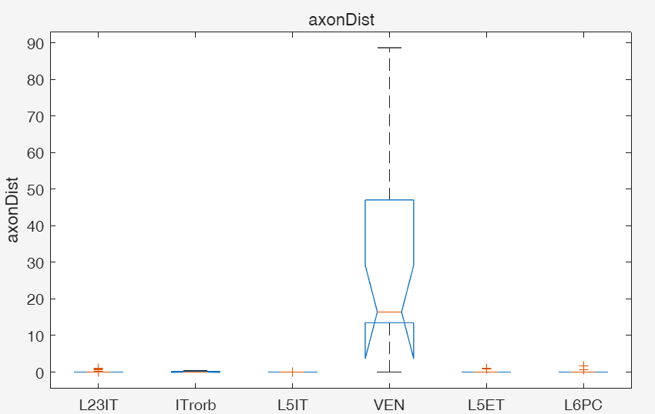
Kruskal-Wallis test:
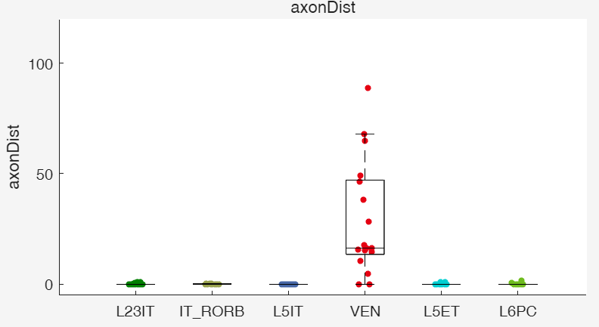

Dunn"s Test Results (Bonferroni-corrected p-values):

