Sheet1
L23IT_HAPCAL1 | Peak_Index | ITrorb | Peak_Index | L5IT | Peak_Index | VEN | Peak_Index | L5ET | Peak_Index | L6PC | Peak_Index
s422' | 0.089837792874 | s210' | 0.27014218009 | s170' | 0.151179941 | s173' | 0.25100806452 | s485' | 0.30615533355 | s496' | -0.28
s498' | 0.22784810127 | s535' | 0.407490218 | s175' | 0.09 | s174' | 0.11543 | s486' | 0.32487804878 | s497' | 0.39055404178
s539' | 0.21152542373 | s547' | 0.15432372506 | s177' | 0.44112285818 | s211' | 0.01 | B289' | 0.18421052632 | s532' | 0.10629199756
s544' | 0.289647774 | s620' | 0.20907542202 | s218' | 0.18543607113 | s427' | 0.17097264438 | B333' | 0.37308767889 | s712' | 0.33782824698
s546' | 0.25683154618 | B561' | 0.2233865206 | s219' | 0.3519727505 | s428' | 0.20068381151 | B361' | 0.303783 | n4' | 0.40356083086
s554' | 0.41497326203 | n26' | 0.27738029719 | s221' | 0.21830394626 | s466' | -0.26 | B557' | 0.34851301115 | n30' | 0.35708298407
B556' | 0.12386457473 | n44' | 0.3523225241 | s222' | 0.31563126253 | s471' | 0.23134839151 | B722' | 0.20703384207 | n34' | 0.30277324633
B562' | 0.14657980456 | n51' | nan | s225' | 0.38797232571 | s475' | 0.15889732074 | B725' | 0.43334592145 | n41' | 0.42753036437
B572' | -0.0095254294948 | n64' | 0.17819429778 | s227' | 0.38930581614 | s476' | -0.024242 | B735' | 0.35256791592 | n120' | 0.255744
n23' | 0.21757602862 | n69' | 0.26635260011 | s212' | 0.24810475534 | s495' | 0.17397355602 | n46' | 0.32688766114 | n145' | 0.21412964312
n50' | 0.28331842576 | n68' | 0.32596232596 | s213' | 0.060947562098 | s538' | 0.18992568126 | n15' | 0.21444527178 | n159' | 0.40563943162
n22' | 0.16131147541 | n73' | 0.16051488834 | s214' | 0.29958677686 | s647' | 0.18357487923 | n29' | 0.26409266409 | n174' | 0.19716394716
n67' | 0.2001934236 | n105' | 0.34247714048 | s418' | 0.393457 | s649' | 0.06537 | n47' | 0.1909160893 | n180' | 0.37090327738
n78' | 0.13847305389 | n123' | 0.28903903904 | s419' | 0.420904 | s673' | -0.011548 | n84' | -0.056014
n82' | 0.28871519297 | n122' | 0.32094369018 | s423' | 0.25239005736 | s695' | 0.11735838474 | n153' | 0.181498
n86' | 0.23958513397 | n146' | 0.28491015371 | s425' | 0.301648 | s717' | 0.16657101865 | n187' | 0.28921885087
n63' | 0.17031342401 | n160' | 0.31503150315 | s426' | 0.3062248996 | B553' | -0.032572 | n190' | 0.22504327755
n66' | 0.34702430847 | n196' | 0.17024221453 | s438' | 0.24 | B571' | 0.11772950245
n77' | 0.10169179846 | n198' | 0.13123718387 | s441' | 0.20223362511 | B721' | 0.170894
n83' | 0.0043050430504 | n200' | 0.25166639571 | s442' | 0.25936599424 | n70' | -0.071974
n85' | 0.12895256917 | n202' | 0.35006009615 | s443' | 0.32657031684 | n71' | 0.088408644401
n144' | 0.29673731841 | n177' | 0.42388968481 | s444' | 0.30945558739 | n90' | -0.07888
n152' | 0.19137254902 |  |  | s461' | 0.2283476899 | n79' | -0.268492
n173' | 0.10496850945 |  |  | s463' | 0.11131356634 | n143' | -0.013
n192' | 0.43318140383 |  |  | s464' | 0.086113266098 | n154' | 0.15358649789
n178' | 0.26801801802 |  |  | s465' | 0.15676028739 | n155' | 0.054147181885
n181' | 0.44052546338 |  |  | s467' | 0.24520219328 | n176' | 0.11102886751
n185' | 0.41689623508 |  |  | s468' | 0.23666343356 | n179' | 0.12697095436
n193' | 0.37019607843 |  |  | s470' | 0.16675560299 | n186' | 0.15495579339
n197' | 0.4025017135 |  |  | s472' | 0.40690576116
 |  |  |  | s473' | 0.32936617769
 |  |  |  | s481' | 0.096161456272
 |  |  |  | s484' | 0.28077314344
 |  |  |  | s493' | 0.23990536278
 |  |  |  | s499' | 0.1001710237
 |  |  |  | s500' | nan
 |  |  |  | s501' | 0.365254
mean | 0.23191466721 | mean | 0.27164962385 | s506' | 0.16890924707 | mean | 0.077659558429 | mean | 0.2629213584 | mean | 0.26834766843
std | 0.12350198598 | std | 0.083246388327 | s508' | 0.24978466839 | std | 0.13073143262 | std | 0.11049419114 | std | 0.19097796026
SE | 0.02254827454 | SE | 0.01816585123 | s509' | 0.10688240656 | SE | 0.024276217591 | SE | 0.026798777711 | SE | 0.052967756016
 |  |  |  | s515' | 0.42543021033
 |  |  |  | s516' | 0.24338028169
 |  |  |  | s533' | 0.36176568204
 |  |  |  | s534' | 0.19485903814
 |  |  |  | s536' | 0.38401442308
Kruskal-Wallis test: |  |  |  | s543' | 0.19702276708
 |  |  |  | s548' | 0.29768467475
 |  |  |  | s549' | 0.22372729979
 |  |  |  | s551' | 0.26978950489
 |  |  |  | s553' | 0.29671024884
 |  |  |  | s621' | 0.32012606934
 |  |  |  | s622' | 0.35180882841
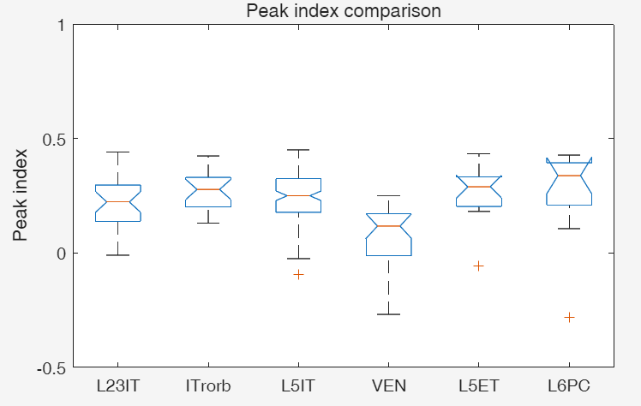
 |  |  |  | s623' | 0.32816773017
 |  |  |  | s624' | 0.3105875153
 |  |  |  | s628' | 0.1756616886
 |  |  |  | s629' | 0.30107849011
 |  |  |  | s630' | 0.28368794326
 |  |  |  | s631' | 0.23612051456
 |  |  |  | s655' | 0.44881445239
 |  |  |  | s657' | 0.30639431616
 |  |  |  | s661' | 0.2210164108
 |  |  |  | s666' | 0.22793834297
 |  |  |  | s672' | 0.18527187613
 |  |  |  | s680' | 0.21065375303
 |  |  |  | s681' | 0.03674351585
 |  |  |  | s690' | 0.28965517241
 |  |  |  | s691' | 0.15067552095
Dunn"s Test Results (Bonferroni-corrected p-values): |  |  |  | s692' | 0.4317283507
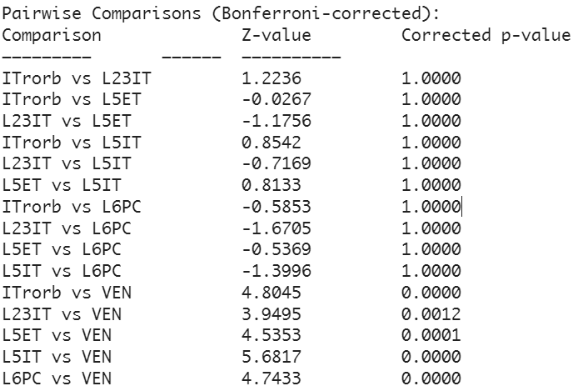
 |  |  |  | s696' | 0.2174493063
 |  |  |  | s700' | 0.18230673832
 |  |  |  | s702' | 0.06033676333
 |  |  |  | s703' | 0.33161825726
 |  |  |  | s706' | 0.050464989059
 |  |  |  | s719' | 0.062465977137
 |  |  |  | s720' | 0.2677378301
 |  |  |  | s722' | -0.024821
 |  |  |  | s723' | 0.2045758183
 |  |  |  | s725' | 0.17481203008
 |  |  |  | s726' | 0.23275617372
 |  |  |  | s727' | 0.29159369527
 |  |  |  | s732' | 0.2407735697
 |  |  |  | s734' | 0.285988
 |  |  |  | B555' | 0.17827529022
 |  |  |  | B559' | 0.39066634592
 |  |  |  | B566' | 0.36120011652
 |  |  |  | B568' | 0.28011890191
 |  |  |  | B554' | 0.094413847364
 |  |  |  | B558' | 0.11617161716
 |  |  |  | B569' | 0.0082408341742
 |  |  |  | B570' | 0.07306151308
 |  |  |  | B723' | 0.068796068796
 |  |  |  | B728' | 0.31541701769
 |  |  |  | B733' | 0.17963340122
 |  |  |  | B734' | 0.33812729498
 |  |  |  | n19' | 0.14570446735
 |  |  |  | n36' | 0.323876
 |  |  |  | n40' | 0.13450452923
 |  |  |  | n53' | 0.31683605833
 |  |  |  | n1' | -0.09319
 |  |  |  | n3' | 0.450599
 |  |  |  | n5' | 0.19604386996
 |  |  |  | n8' | 0.3333333
 |  |  |  | n12' | 0.32501521607
 |  |  |  | n20' | 0.29363269602
 |  |  |  | n25' | 0.4298
 |  |  |  | n27' | 0.3390596745
 |  |  |  | n35' | 0.26024279211
 |  |  |  | n49' | 0.17933927635
 |  |  |  | n52' | 0.1384881708
 |  |  |  | n54' | 0.33361415333
 |  |  |  | n92' | 0.26644031451
 |  |  |  | n65' | 0.21
 |  |  |  | n87' | 0.43883394066
 |  |  |  | n117' | 0.34328683522
 |  |  |  | n126' | 0.29964953271
 |  |  |  | n147' | 0.35965909091
 |  |  |  | n149' | 0.21971027217
 |  |  |  | n151' | 0.1222334004
 |  |  |  | n167' | 0.15138434058
 |  |  |  | n183' | 0.20198928845
 |  |  |  | n191' | 0.25079974408
 |  |  |  | n209' | 0.28300510576

 |  |  |  | mean | 0.24523693324
 |  |  |  | std | 0.11016711524
 |  |  |  | SE | 0.010015192295

