Start

Let's go >
Welcome to Excel
4 tips for a simpler way to work.

1. Fill
Flash Fill your data
Type less and save time by filling your data.
Try it using the table at right: |  | Email | First Name
 |  | Nancy.Freehafer@fourthcoffee.com
1 | In cell E4, under table heading First Name, type Nancy and press Enter. | Andrew.Cencini@northwindtraders.com
 |  | Jan.Kotas@litwareinc.com
 |  | Mariya.Sergienko@graphicdesigninstitute.com
2 | In cell E5 under Nancy, begin typing Andrew. As you type, the entire column fills with the first names from the Email column at left. | Steven.Thorpe@northwindtraders.com
 |  | Michael.Neipper@northwindtraders.com
 |  | Robert.Zare@northwindtraders.com
3 | Press Enter to fill the entire column with these names or continue typing the name Andrew to cancel the fill and continue entering data manually. | Laura.Giussani@adventure-works.com
 |  | Anne.HL@northwindtraders.com
 |  | Alexander.David@contoso.com
 |  | Kim.Shane@northwindtraders.com
 |  | Manish.Chopra@northwindtraders.com
Next >
 |  | Gerwald.Oberleitner@northwindtraders.com
 |  | Amr.Zaki@northwindtraders.com
 |  | Yvnonne.McKay@northwindtraders.com

2. Analyze
Analyze data with Quick Analysis
Select and play with your data using live previews.
Try it: |  | Company | Industry | Q1 Sales | Q2 Sales
 |  | A. Datum Corporation | Tech | $195,449.00
1 | Select the entire table at right | Adventure Works | Travel | $123,721.00
 |  | Blue Yonder Airlines | Travel | $934,763.00
2 | Look to the bottom right of that selection. That's the Quick Analysis button: | City Power & Light | Utilities | $299,293.00
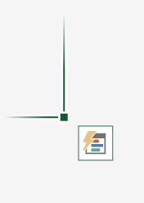
 |  | Coho Vineyard | Beverage | $228,783.00
 |  | Consolidated Messenger | Tech | $579,825.00
 |  | Contoso Pharmaceuticals | Medical | $371,570.00
 |  | Contoso, Ltd | Misc | $239,219.00
 |  | Fabrikam, Inc. | Utilities | $639,630.00
3 | Select it and explore any of the options. See Charts, Totals, Tables and more just by pointing to them. | Fourth Coffee | Beverage | $876,740.00
 |  | Graphic Design Institute | Education | $788,390.00
 |  | Humongous Insurance | Financial | $682,545.00
Next >
 |  | Litware, Inc. | Tech | $902,264.00
 |  | Lucerne Publishing | Misc | $905,906.00
 |  | Margie's Travel | Travel | $289,570.00

3. Chart
Great charts recommended for you
Excel recommends charts based on the data you enter.
Try it:

1 | Select entire table at right: | Income Statement | USD
 |  | Revenue | $420,000
2 | From the ribbon select Insert > Recommended Charts then select the Waterfall chart | Cost of revenue | $(234,000)
 |  | Gross profit | $186,000
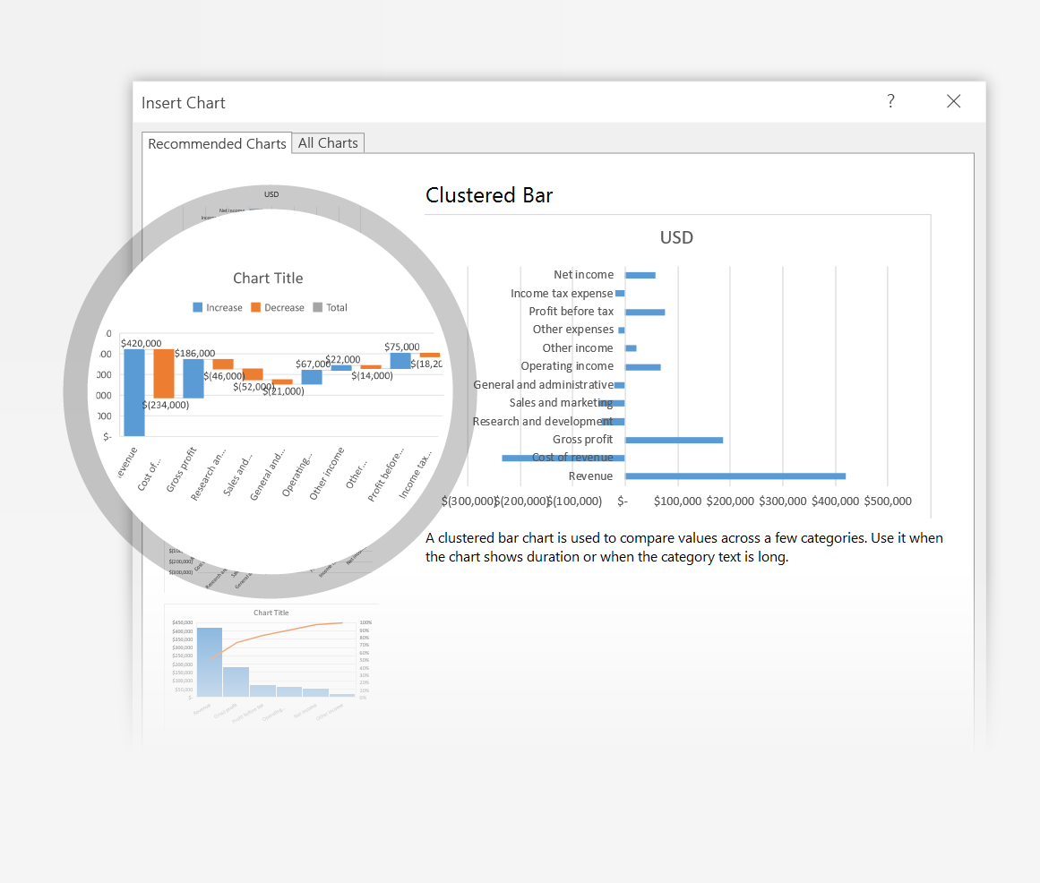
 |  | Research and development | $(46,000)
 |  | Sales and marketing | $(52,000)
 |  | General and administrative | $(21,000)
 |  | Operating income | $67,000
 |  | Other income | $22,000
 |  | Other expenses | $(14,000)
 |  | Profit before tax | $75,000
 |  | Income tax expense | $(18,200)
 |  | Net income | $56,800

Next >
3 | Use the buttons at top right of the chart to get the right look and feel.
4 | Waterfall charts are new.

4. Tell Me
You're an expert with Tell Me
The Tell Me box finds the right command when you need it, so you can save time and focus on your work.
Try it using the table at right: |  | Company | Q1 Sales | Q2 Sales | Q3 Sales
 |  | Adventure Works | $123,721.00 | $733,396.00 | $934,763.00
1 | Select cell G3, Q3 Sales. | Consolidated Messenger | $579,825.00 | $448,399.00 | $905,906.00
 |  | Margie's Travel | $289,570.00 | $843,834.00 | $905,906.00
2 | Click Tell Me what you want to do, from the ribbon, and type sort. | Blue Yonder Airlines | $934,763.00 | $246,554.00 | $902,264.00
 |  | Humongous Insurance | $682,545.00 | $577,599.00 | $902,264.00
 |  | Coho Vineyard | $228,783.00 | $659,385.00 | $876,740.00
3 | Select Sort Descending to list the companies in descending order of sales in Q3. | Lucerne Publishing | $905,906.00 | $443,552.00 | $788,390.00
 |  | Contoso Pharmaceuticals | $371,570.00 | $644,368.00 | $682,545.00
 |  | Litware, Inc. | $902,264.00 | $206,331.00 | $639,630.00
 |  | A. Datum Corporation | $195,449.00 | $746,907.00 | $579,825.00
 |  | Fourth Coffee | $876,740.00 | $567,216.00 | $299,293.00
 |  | City Power & Light | $299,293.00 | $674,295.00 | $289,570.00
Next >
 |  | Graphic Design Institute | $788,390.00 | $540,282.00 | $239,219.00
 |  | Contoso, Ltd | $239,219.00 | $287,989.00 | $195,449.00
 |  | Fabrikam, Inc. | $639,630.00 | $635,474.00 | $123,721.00

