Definition
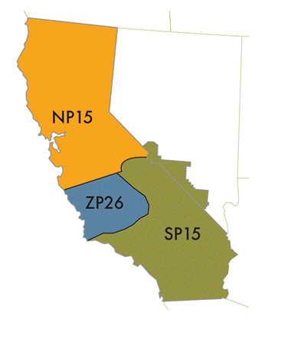
Variables | Definition
OPR_DATE | Operation Date - The date in which the market operates
HOUR_ENDING | Hour ending refers to the conclusion of the hour
LOADING_MW_ACTUAL_CAISO | CAISO actual load
LOADING_MW_ACTUAL_PGE | Pacific Gas and Electric (PGE) actual load that is a portion of CAISO load
LOADING_MW_ACTUAL_SCE | Southern California Edison (SCE) actual load that is a portion of CAISO load
LOADING_MW_ACTUAL_SDGE | San Diego Gas and Electric (SDG) actual load that is a portion of CAISO load
LOADING_MW_FORECAST_CAISO | CAISO day-ahead forecast load (Forecasted yesterday)
LOADING_MW_FORECAST_PGE | Pacific Gas and Electric (PGE) forecast load that is a portion of CAISO load
LOADING_MW_FORECAST_SCE | Southern California Edison (SCE) forecast load that is a portion of CAISO load
LOADING_MW_FORECAST_SDGE | San Diego Gas and Electric (SDG) forecast load that is a portion of CAISO load
GAS_PRICE_PGE | "NATURAL GAS-CALIFORNIA (PG&E CITYGATE)-NGI" means that the price for a Pricing Date will be that day's Specified Price per MMBTU of natural gas for delivery on the Delivery Date, stated in U.S. Dollars, published under the heading "Spot Gas Prices: California: PG&E Citygate
GAS_PRICE_SCE | "NATURAL GAS-CALIFORNIA (SOCAL CITYGATE)-NGI" means that the price for a Pricing Date will be that day's Specified Price per MMBTU of natural gas for delivery on the Delivery Date, stated in U.S. Dollars, published under the heading "Spot Gas Prices: California: SoCal Citygate
DA_LMP_PGE_NP15 | North Path 15 - NP15 represents the weighted average Locational Marginal Price (LMP) for supply nodes in the NP15 distributed Load Aggregation Point (LAP) in the CAISO control area.

