Question
Trading for a Piano
Rama is trying to trade a music book that he has for a piano. The following graph shows the offerings and possible transactions that he can make.

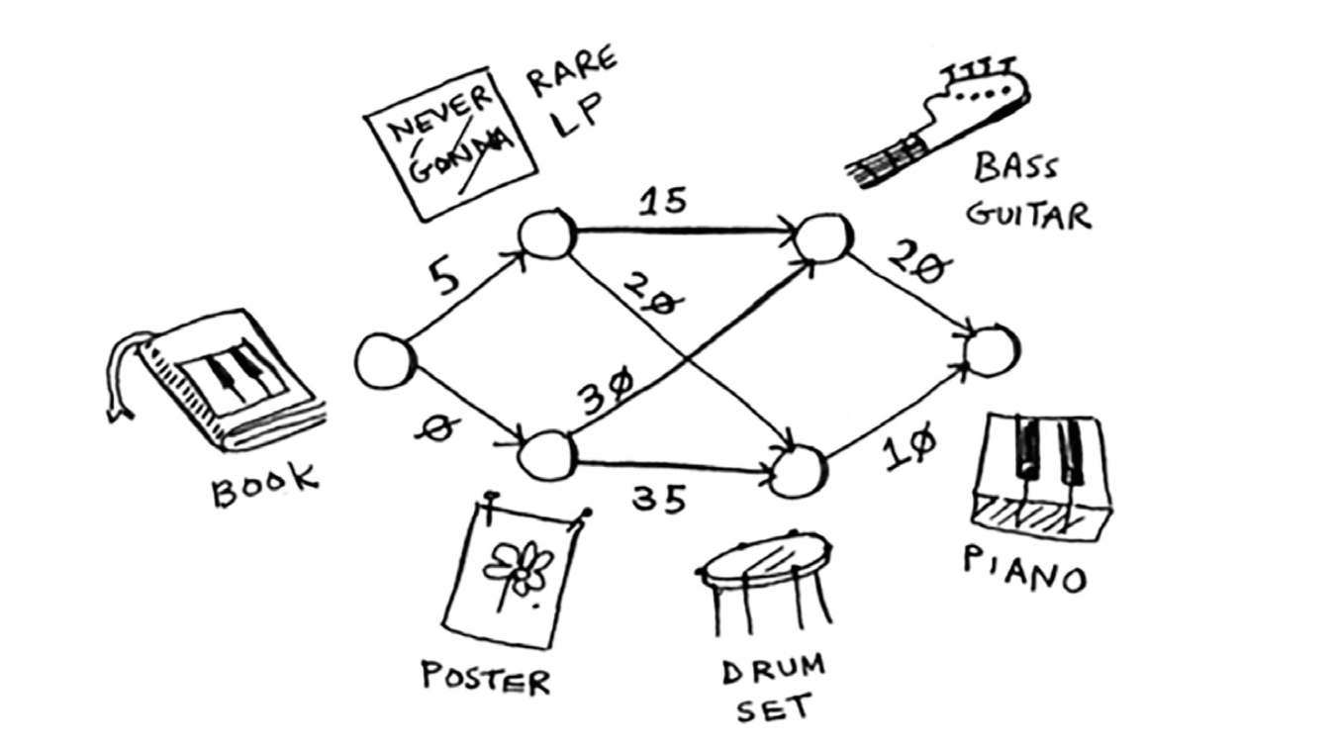

Figure out the path from the book to the piano where Rama spends the least money.

Solution
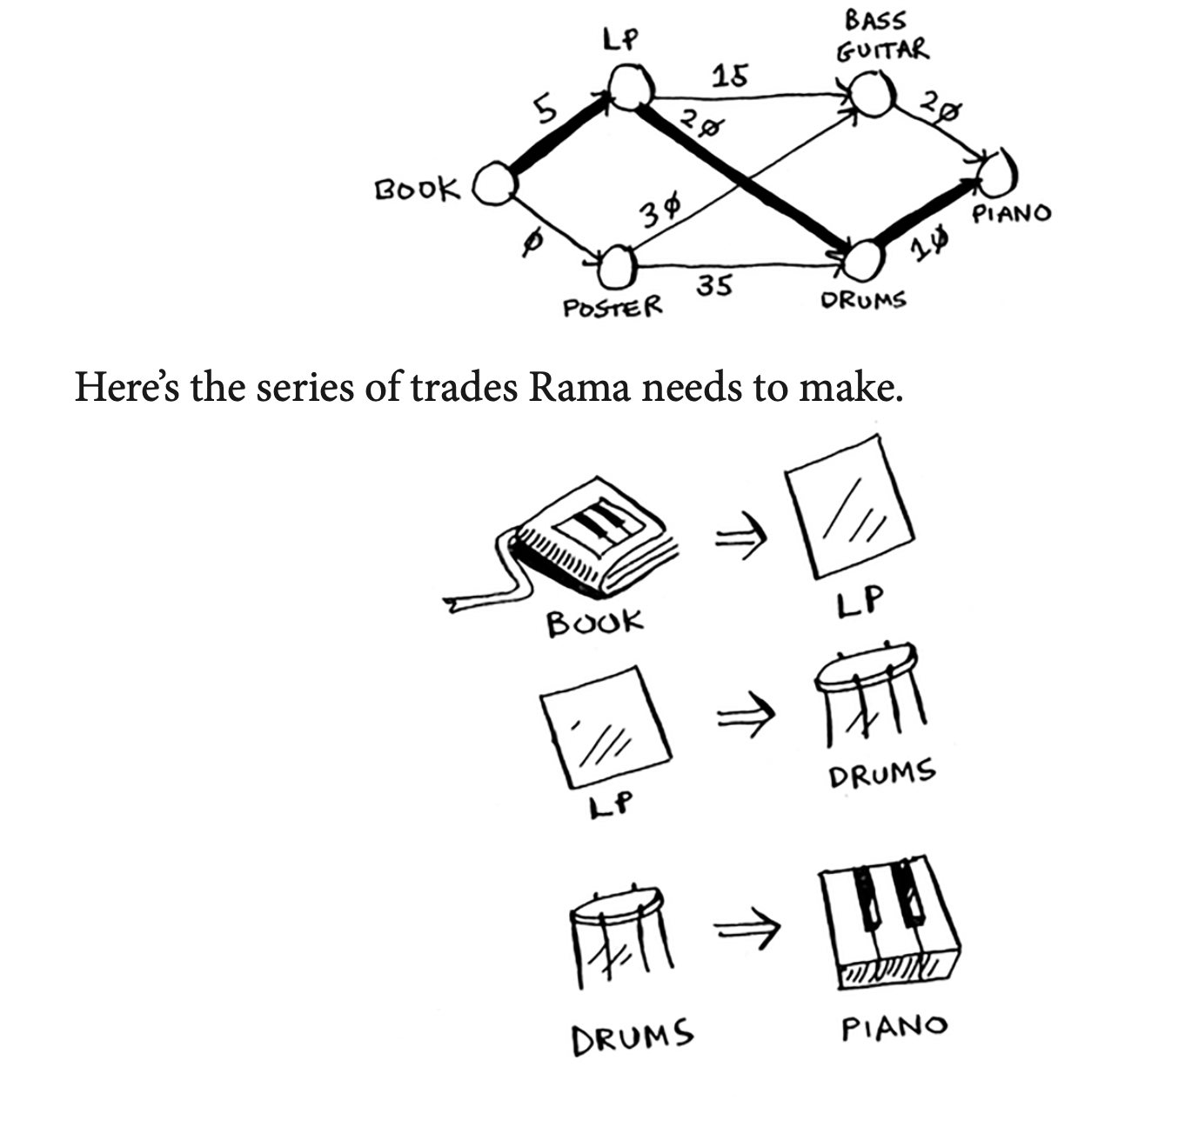
Start Node = Book
Node | Parent | Cost |  | Node | Parent | Cost | Node | Parent | Cost
LP | Book | 5 |  | guitar | LP | 20 | Piano | guitar | 50
poster | Book | 0 |  | Drums | LP | 25 | Piano | guitar | 40
guitar |  | -
Drums |  | -
Piano |  | -

 |  |  |  | Node | Parent | Cost | Node | Parent | Cost
 |  |  |  | guitar | poster | 30 | Piano | Drum | 45
 |  |  |  | Drums | poster | 35 | Piano | Drum | 35

 |  |  | Fastest path:
 |  |  | Book - LP - Drums - Piano

