Sine Waves
Project 1: Generate , display and export Sine Waves.
Learnings :
 | Add signals in simulink.
 | Generate Sine wave and tune its parameters.
 | Change model configuration parameters.
 | export variable in workspace and plot it.
 | Magnify signal using gain multiplier.
 | Adding Mux block to add two signals and see using single Scope
 | To plot variable in matlab console --> plot(variablename.Data)

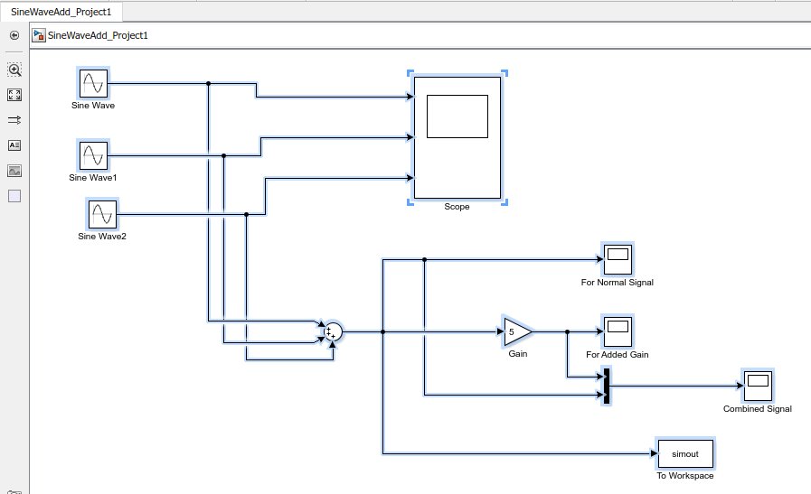
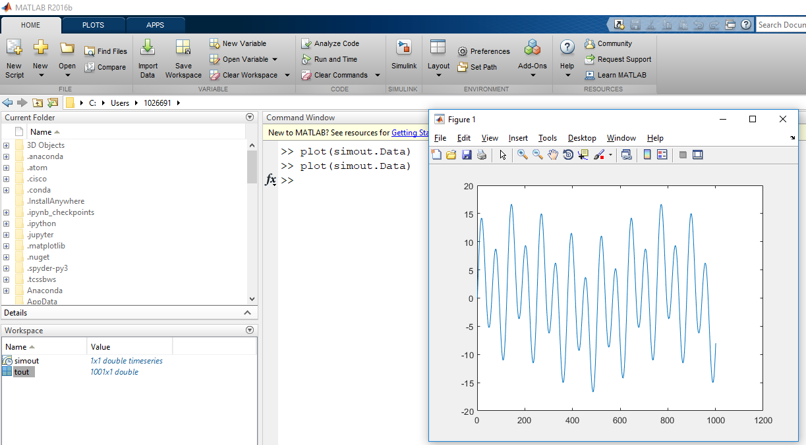
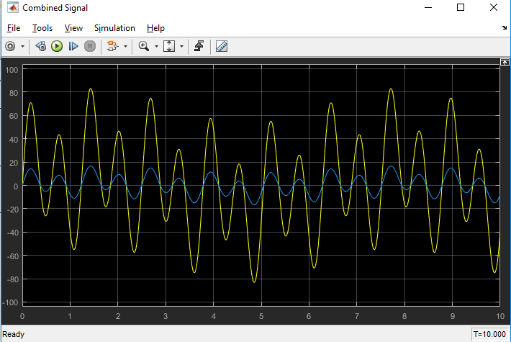

 |  |  | Signal after using Mux
 |  | Signal after adding via sum

Integration and Differentiation
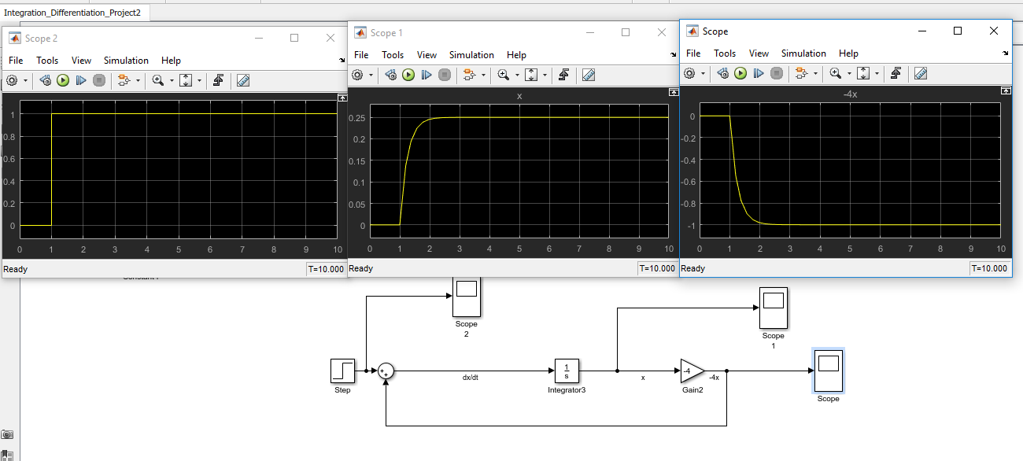
Project 2 : Perform Integration and Differentiation using simulink. |  | Integration == Summation in time domain.

Learnings :
 | Call simulink model using m-scripts
 | Implement mathematical equations using simulink
 | Integration constant == Ramp Signal
 | Learnt how to set external input initial condition to integrator

 | Equation Implemented :

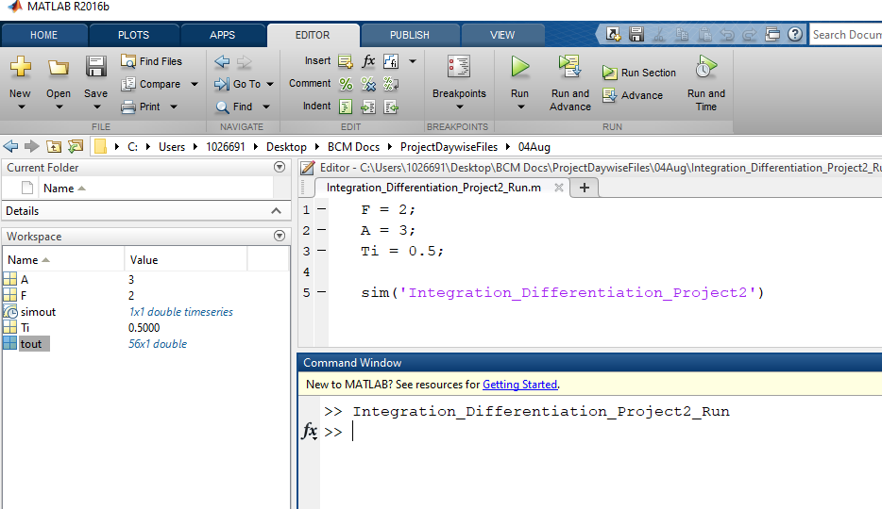
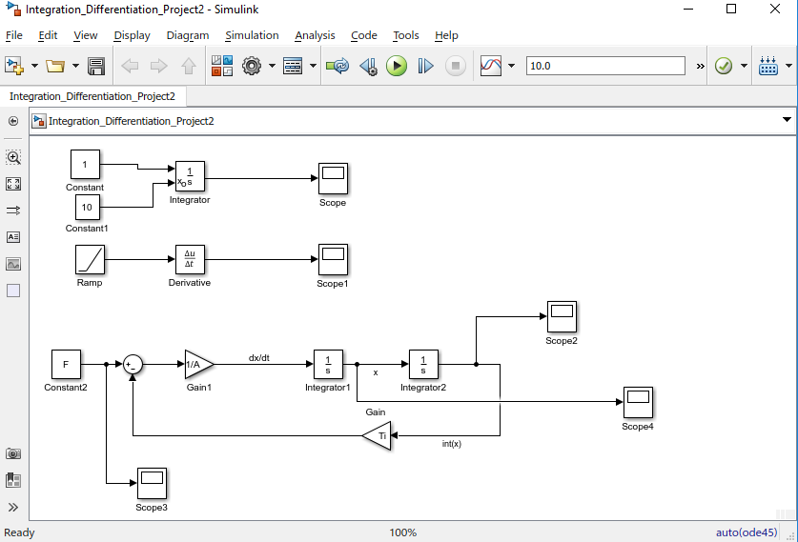

 |  |  | m-script to execute model with variable definations

 | Integrator example
 | Differentiator Example |  |  | Output signal at different scopes of equations after execution is successful
 | Actual Equation Implementation

x'(t) = - 4 * x(t) + u(t)

Mass-Spring-Damper
Project 3 : Spring-Damper System in Time Domain

Learnings :
 | How to simulate function in time domain.
 | What is simple mass-spring damper system
 | How to derive mathematical equation using newtons second law of motion
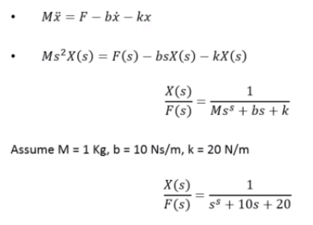
 | Draw systems free body diagram |  | Mathematical Equations
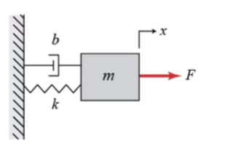
 | Effects of changing system parameters on simulink model
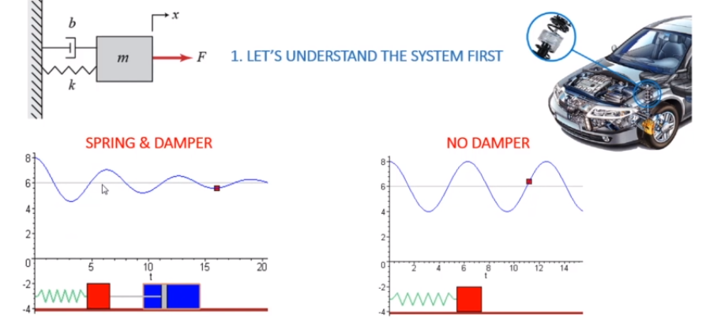

 |  | F = Force
 |  | bx = Damping Force
 |  | kx = Force due to stiffness of spring

 | MSD in vehicle

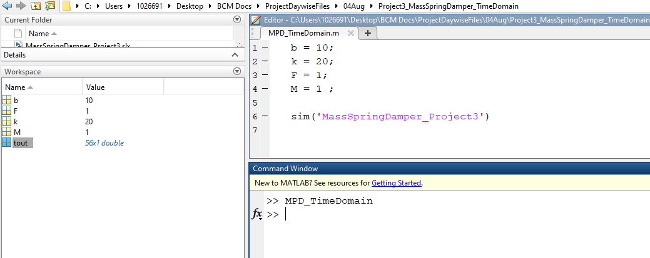
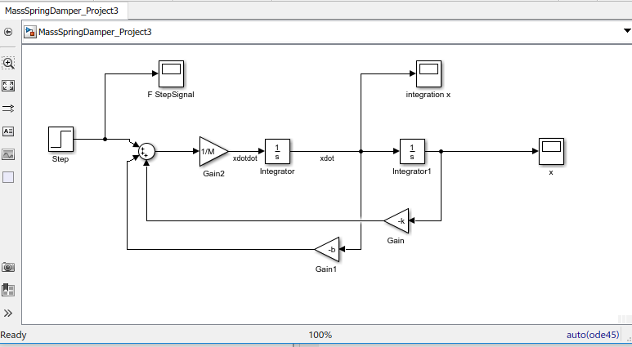

Write mscript to give initial values

Scope Output |  |  |  | Simulation model

MSD_LaplaceDomain
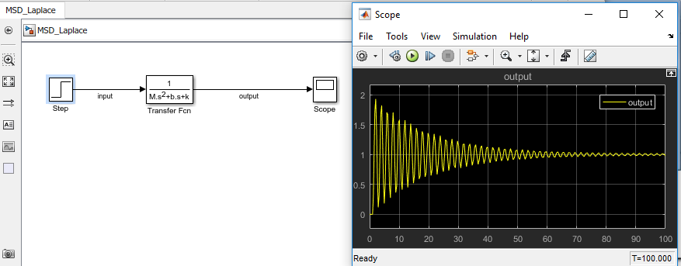
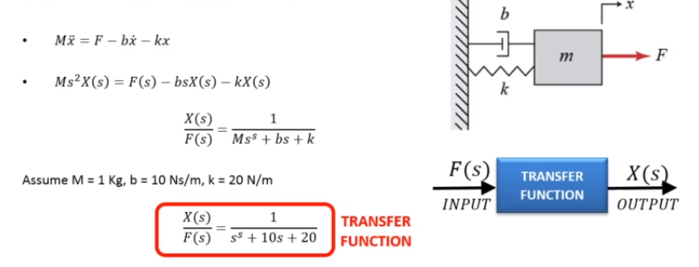
Project 4 : Spring-Damper System in Laplace Domain

Learnings :
 | Understand the change in system input(such as impulse response) to output
 | In Laplace domain, systems are linear and hence easier to implement the equations.
 | Transfer Function = Output/Input
 | Change maxm step size in simulation --> Model Configuration parameters -->Maxm step size ( set it to 0.01)

BatteryModelSimulation
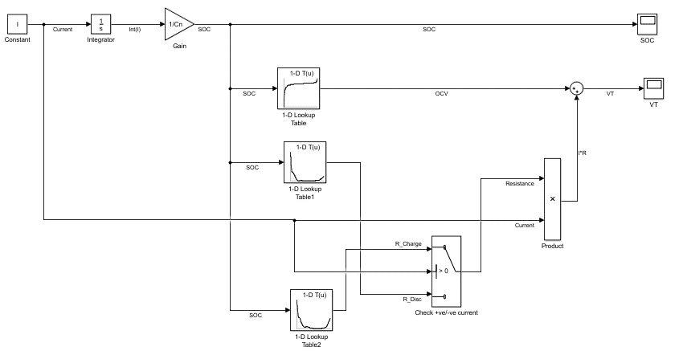
Project 5 : Build and Simulate Battery Model

Learnings :
 | Learnt how to build battery set
 | Learnt how to deal with excel with matlab simulink model.
 | To add lookup table in simulink
 | implemented "If" condition to "selectors" in simulink.
 | Understood how to model simple electrical circuit
 | plotting data in m-script command
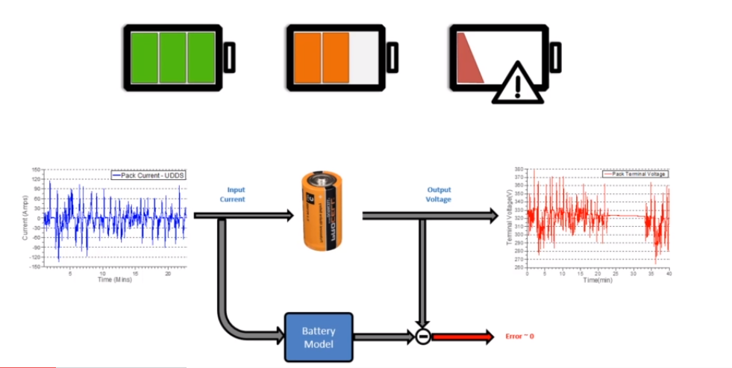
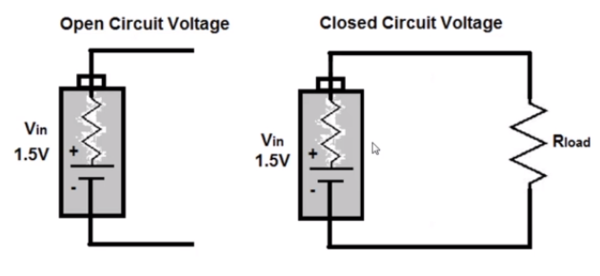


 |  | Simple Battery Model
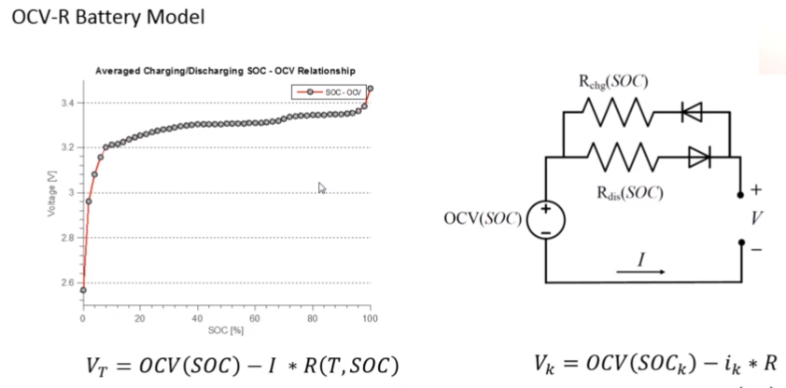

SOC vs OCV
SOC : State of Charge
OCV: Open circuit voltage
Process : Voltage Based SOC estimation

Note :
In m-script, adding two percent (%%) sign will create a new cell.
To run particular cell, press Ctr+Enter
To plot data in mscript --> plot(x-axisdata , y-axisdata)
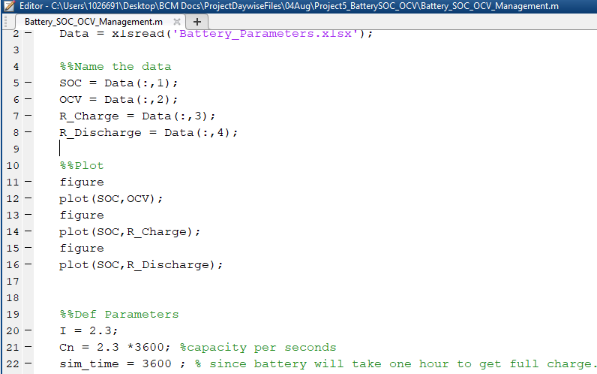
To load data from matlab workspace to simulink, we use 1-d lookup table.( In this case , drag and drop lookup table after declaring variables in m-script , in lookup -select "Breakpoints 1: SOC" and "Table data: OCV"
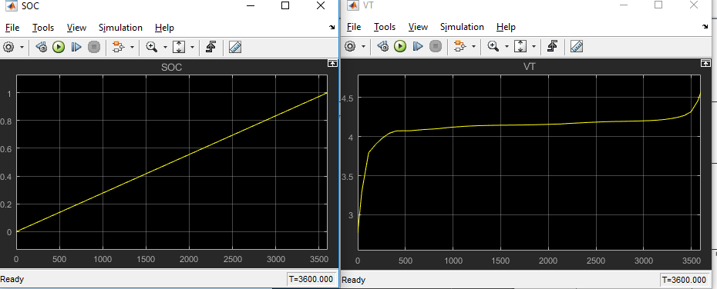
If sign of currrent = +ve , batttery should charge. If its -ve, battery should discharge.

PID Controllers
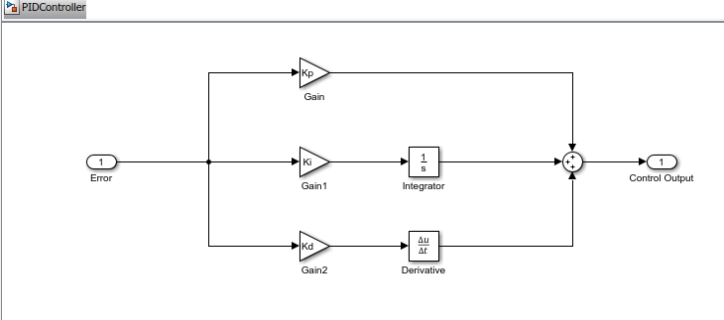
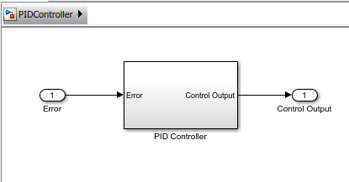
Project 6: PID Controllers ( Proportional Integral Derivative)
Learnings:
 | What is control system
 | PID controllers
 | Changing control parameters on system response
 | Creating layered architecture (subsystems in simulink) |  | Control System Design
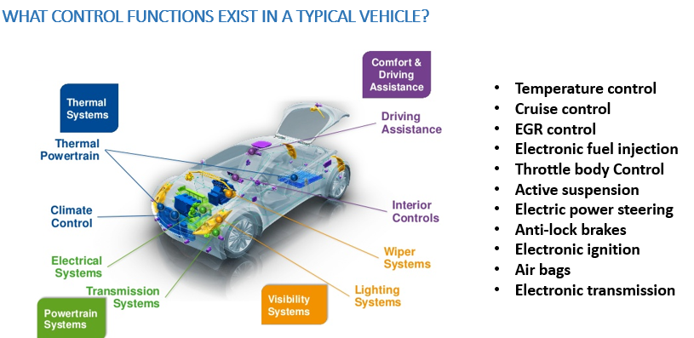
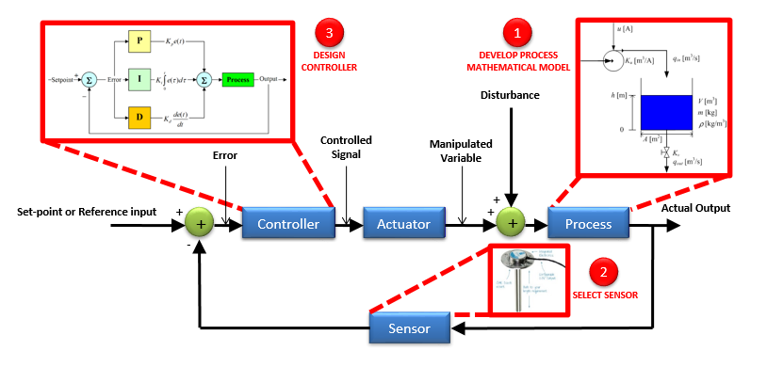

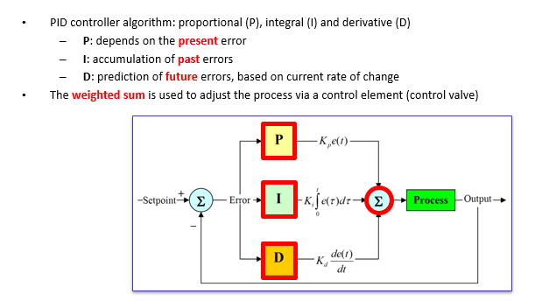
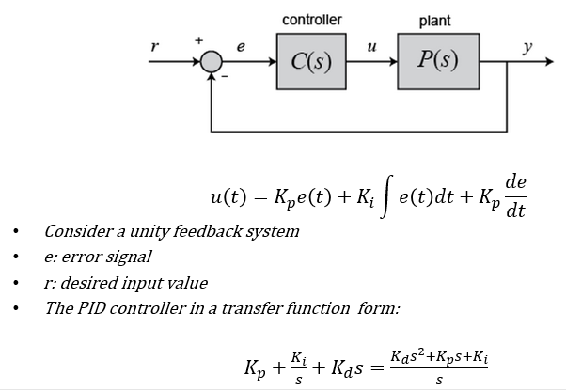

Matlab Simulation |  | Create subsystem from actual model

PID_MSD_Integration
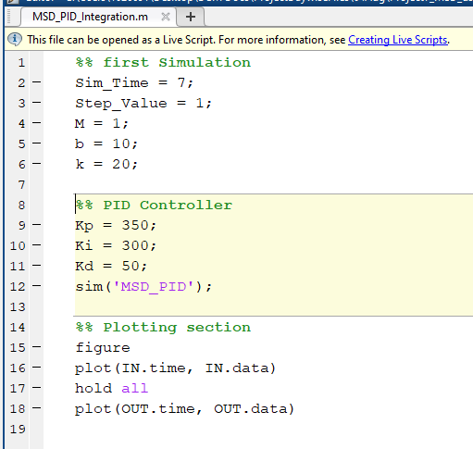
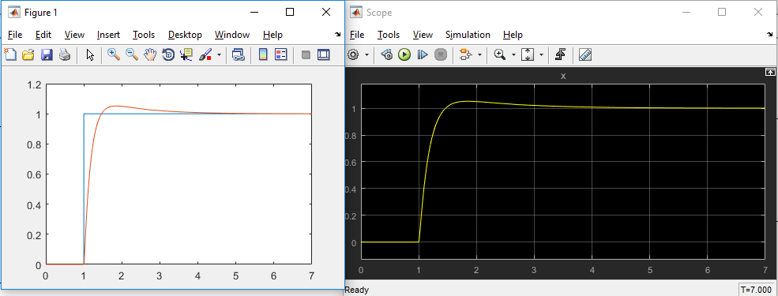
Project 7 : PID controller to Mass Spring Damper System Integrations.
Learnings :
 | Learnt how to integrate controller to plant in simulink environment
 | How to change PID controller parameters
 | See effects of parameters on actual system response.
 | to comment in m-script , use ctr + r

PIDTuning_S_domain
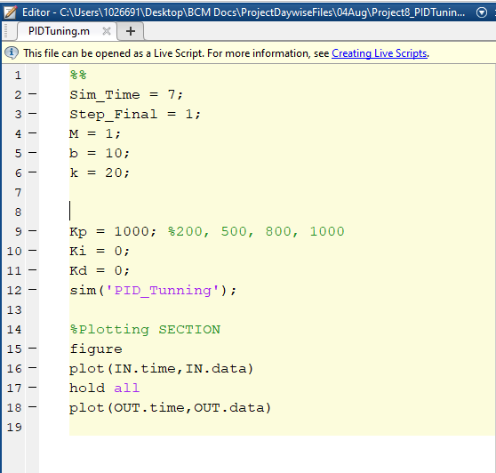
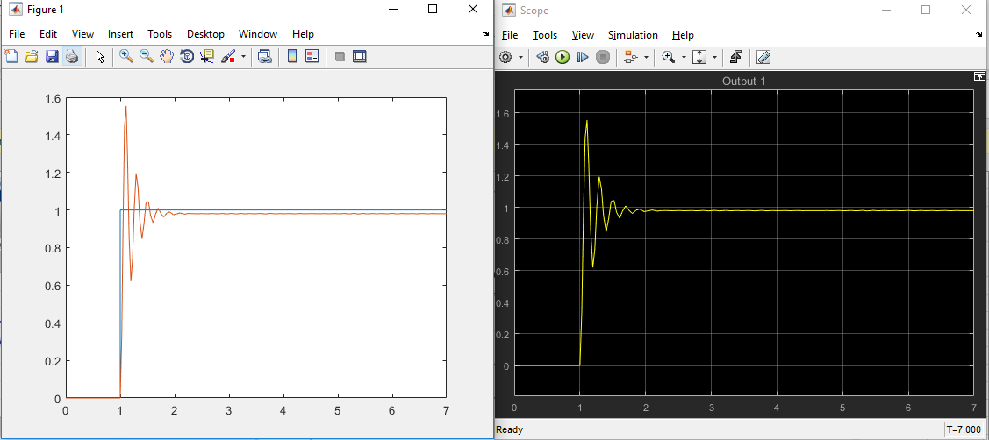
Project 8 : Tuning PID in S-domain
Learnings
 | Controlling dynamic systems.
 | Integrating PID controller in plant model in S-domain
 | Optimize PID performance using simulink
 | Go to PID Controller | click on],
 | There is tool called PID Tuner. We can tune different parameteres.
 | double click on PID --> Click on "Tune" ( You should have pid plugin inside your matlab to see pid tuner)
 | Here you are linearising the plant and you will see below screen :
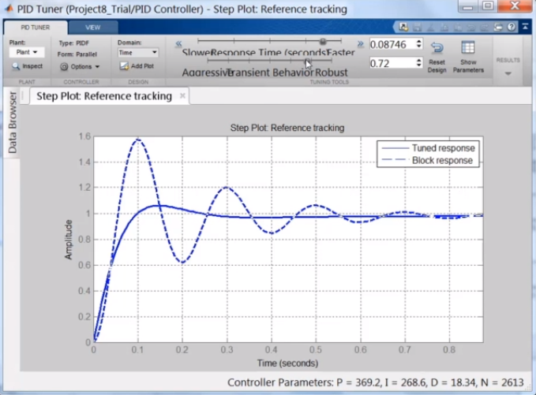
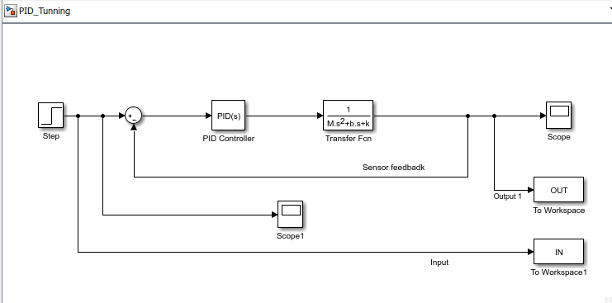

 | After this , copy parameter values and use them in m-scipts. Good to go !

AdaptiveCruiseControl
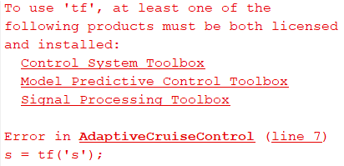
Project 9 : Adaptive Cruise Control
Learnings:
 | Vehicle maintain constant speed , despite of external disturbances.
 | ACC works by maintaining vehicle speed by comparing desrired speed.
 | Model developed to describe vehicle dynamics
 | Then used PID controller to maintain constant speed
 | Transfer function model in m-sciript
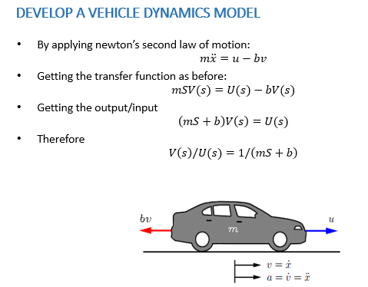
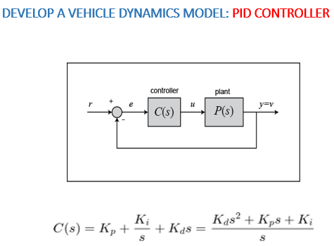
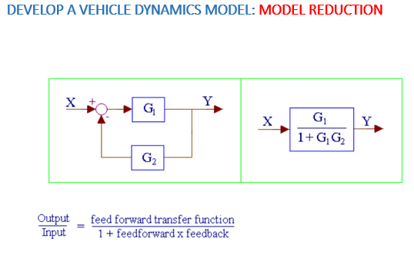
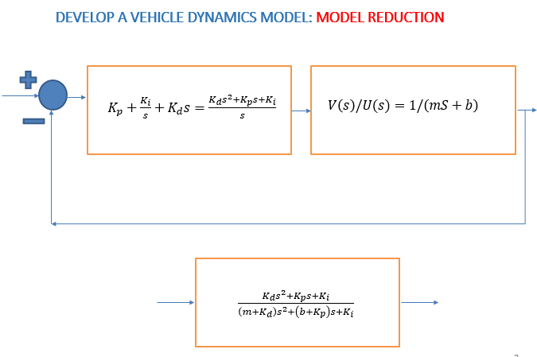
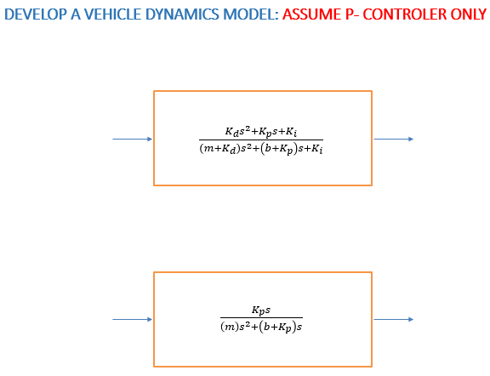

m-script : |  | m = 1000;
 |  | b = 50; | Results :
 |  | r = 10;
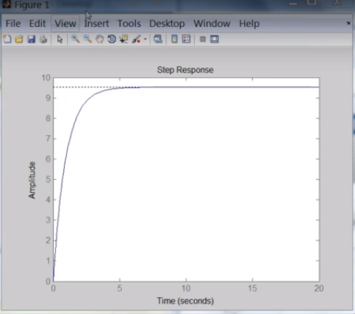
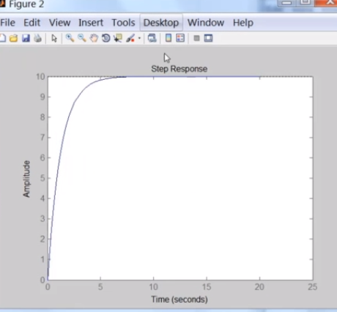
 |  | s = tf('s');
 |  | Plant_TF = 1/(m*s + b);

 |  | Kp = 1000;
 |  | Controller = pid(Kp);

 |  | TF_ClosedLoop = feedback(Controller*Plant_TF,1);

 |  | %% use Kp equal to 100 and a reference speed of 10 m/s
 |  | t = 0:0.1:20;
 |  | figure
 |  | step(r*TF_ClosedLoop,t)
 |  | axis([0 25 0 10])

 |  | %% PID Controller
 |  | Kp = 800;
 |  | Ki = 40; |  | With only P controller | With PID controller
 |  | Controller = pid(Kp,Ki);

 |  | TF_ClosedLoop = feedback(Controller*Plant_TF,1);

 |  | step(r*TF_ClosedLoop,t)
 |  | axis([0 20 0 10])

Note :

DC Electric Motor Model
Project 10 : DC motor position control.
Learnings :
 | DC Motor Working
 | Newtons second law of motion for rotary systems and Kirchoff's law
 | Back emf
 | Deriving DC motor equations using Newtons Second Law of Motion.
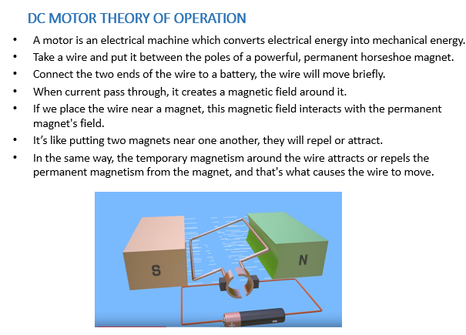
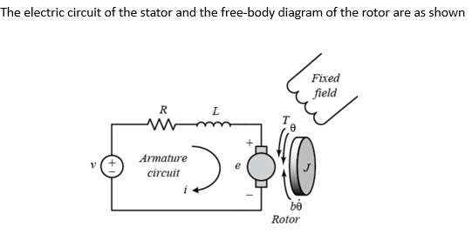
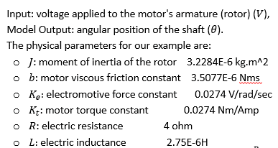

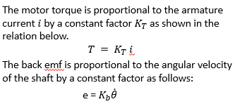

 |  |  | This tells summation of actual torque appled on rotor

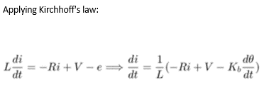

 |  |  | Discribes all the voltage drop and supply in actual circuit.

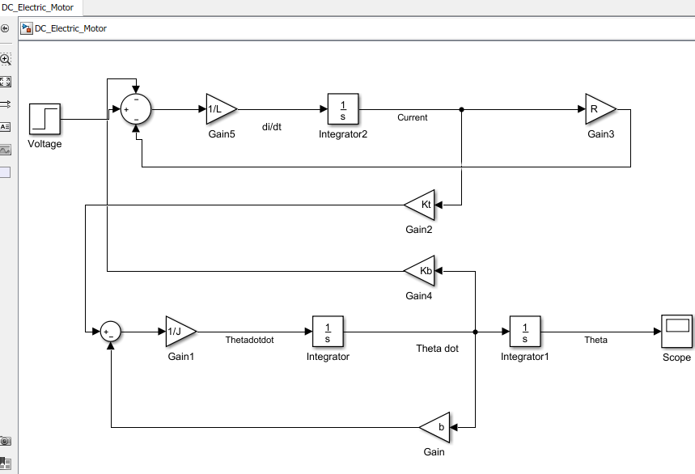
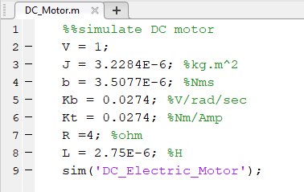
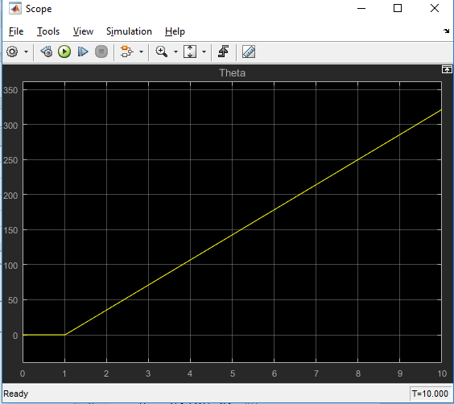

 |  | In this scenario, the moment we applied step input,
 |  | our system becomes unstable and result you can see
 |  | in scope results.
 |  | To improve this, we are adding PID controller to get
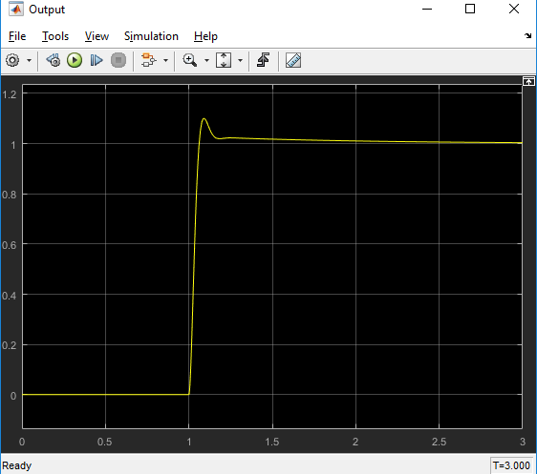
 |  | proper output.

Updated Model : Just created subsystem and added input output instead of step and scope resp.

