Color_Selection
Three Color channels : Red Green Blue

White : | 255 255 255
Black : | 0 0 0
 |  | test.jpg
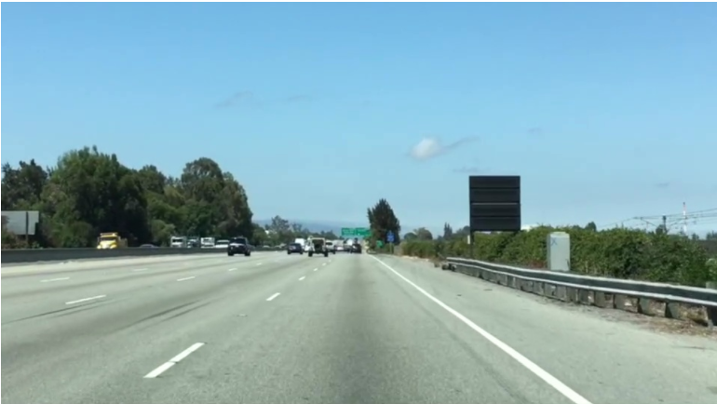
import matplotlib.pyplot as plt
import matplotlib.image as mpimg
import numpy as np

# Read in the image and print out some stats
image = mpimg.imread('test.jpg')
print('This image is: ',type(image),
'with dimensions:', image.shape)

# Grab the x and y size and make a copy of the image
ysize = image.shape[0]
xsize = image.shape[1]
# Note: always make a copy rather than simply using "="
color_select = np.copy(image)

# Define our color selection criteria
# Note: if you run this code, you'll find these are not sensible values!!
# But you'll get a chance to play with them soon in a quiz |  |  | Refer :
red_threshold = 200 |  |  | https://stackoverflow.com/questions/53266496/image-manipulation-in-matplotlib
green_threshold = 200
blue_threshold = 200
rgb_threshold = [red_threshold, green_threshold, blue_threshold]

# Identify pixels below the threshold
thresholds = (image[:,:,0] < rgb_threshold[0]) \
| (image[:,:,1] < rgb_threshold[1]) \
| (image[:,:,2] < rgb_threshold[2])
color_select[thresholds] = [0,0,0]

# Display the image
plt.imshow(color_select)
plt.show()

RegionMasking
Region Masking

Now assume that the front facing camera that took the image is mounted in a fixed position on the car, such that the lane lines will always appear in the same general region of the image.
Hence we only consider pixels for color selection in the region where we expect to find the lane lines.

The variables left_bottom, right_bottom, and apex represent the vertices of a triangular region

import matplotlib.pyplot as plt
import matplotlib.image as mpimg
import numpy as np

# Read in the image and print some stats
image = mpimg.imread('test.jpg')
print('This image is: ', type(image),
'with dimensions:', image.shape)

# Pull out the x and y sizes and make a copy of the image
ysize = image.shape[0]
xsize = image.shape[1]
region_select = np.copy(image)

# Define a triangle region of interest
# Keep in mind the origin (x=0, y=0) is in the upper left in image processing
# Note: if you run this code, you'll find these are not sensible values!!
# But you'll get a chance to play with them soon in a quiz
left_bottom = [0, 539]
right_bottom = [900, 300]
apex = [400, 0]

# Fit lines (y=Ax+B) to identify the 3 sided region of interest | polyfit
# np.polyfit() returns the coefficients [A, B] of the fit | https://engineering.vanderbilt.edu/ge/es140/Otherlinks/MatlabTutorial/CurveFitting.php#:~:text=Polyfit%20is%20a%20Matlab%20function,given%20set%20of%20x%20values.
fit_left = np.polyfit((left_bottom[0], apex[0]), (left_bottom[1], apex[1]), 1)
fit_right = np.polyfit((right_bottom[0], apex[0]), (right_bottom[1], apex[1]), 1)
fit_bottom = np.polyfit((left_bottom[0], right_bottom[0]), (left_bottom[1], right_bottom[1]), 1)

# Find the region inside the lines | number of regions inside lines :
XX, YY = np.meshgrid(np.arange(0, xsize), np.arange(0, ysize)) | https://www.youtube.com/watch?v=8rdV6P5bkBs
region_thresholds = (YY > (XX*fit_left[0] + fit_left[1])) & \ | https://www.youtube.com/watch?v=r0-30C4TJxE | Hindi tutorial
(YY > (XX*fit_right[0] + fit_right[1])) & \ | meshgrid
(YY < (XX*fit_bottom[0] + fit_bottom[1])) | https://numpy.org/doc/stable/reference/generated/numpy.meshgrid.html
 | https://stackoverflow.com/questions/36013063/what-is-the-purpose-of-meshgrid-in-python-numpy
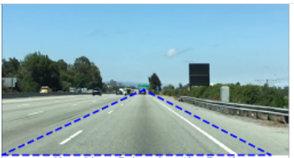
# Color pixels red which are inside the region of interest
region_select[region_thresholds] = [0, 0, 255]

# Display the image
plt.imshow(region_select)

# uncomment if plot does not display
# plt.show()

Col&RegionMasking
import matplotlib.pyplot as plt
import matplotlib.image as mpimg
import numpy as np
# Read in the image
image = mpimg.imread('test.jpg')

# Grab the x and y sizes and make two copies of the image
# With one copy we'll extract only the pixels that meet our selection,
# then we'll paint those pixels red in the original image to see our selection
# overlaid on the original.
ysize = image.shape[0]
xsize = image.shape[1]
color_select= np.copy(image)
line_image = np.copy(image)

# Define our color criteria
red_threshold = 200
green_threshold = 200
blue_threshold = 200
rgb_threshold = [red_threshold, green_threshold, blue_threshold]

# Define a triangle region of interest
# Keep in mind the origin (x=0, y=0) is in the upper left in image processing
left_bottom = [0, 539]
right_bottom = [900, 539]
apex = [475, 320]
# Perform a linear fit (y=Ax+B) to each of the three sides of the triangle
# np.polyfit returns the coefficients [A, B] of the fit
fit_left = np.polyfit((left_bottom[0], apex[0]), (left_bottom[1], apex[1]), 1)
fit_right = np.polyfit((right_bottom[0], apex[0]), (right_bottom[1], apex[1]), 1)
fit_bottom = np.polyfit((left_bottom[0], right_bottom[0]), (left_bottom[1], right_bottom[1]), 1)

# Mask pixels below the threshold
color_thresholds = (image[:,:,0] < rgb_threshold[0]) | \
(image[:,:,1] < rgb_threshold[1]) | \
(image[:,:,2] < rgb_threshold[2])

# Find the region inside the lines
XX, YY = np.meshgrid(np.arange(0, xsize), np.arange(0, ysize))
region_thresholds = (YY > (XX*fit_left[0] + fit_left[1])) & \
(YY > (XX*fit_right[0] + fit_right[1])) & \
(YY < (XX*fit_bottom[0] + fit_bottom[1]))

# Mask color selection
color_select[color_thresholds] = [0,0,0]

# Find where image is both colored right and in the region
line_image[~color_thresholds & region_thresholds] = [255,0,0]

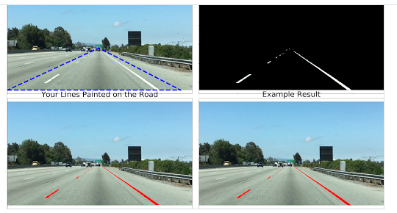
# Display our two output images
plt.imshow(color_select)
plt.imshow(line_image)
plt.show()

CannyEdgeDetection
Canny Edge Detection
Defn : | Identify boundaries of object in image
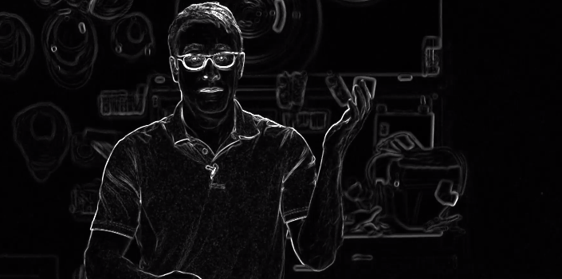

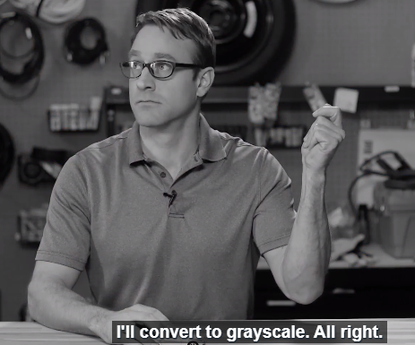
 | Steps :
 |  | Conert image to gray scale
 |  | Compute the gradient(like third image)

 | Find edges by tracing out pixels , that follows strongest gradient.

 | Image is mathematical functuion of x and y
 | images are two dimenstional. So we can take derivative wrt x and y simulteneously. ( Small derivative means small change)

 | Graditent : How fast pixel values are changing rapidly at each point and in which direction.
 | Computing gradient gives us thick edges. With cannys algorithm , we will fix those edges with pixels that follows strongest gradient.
 | We will then extend those strong edges to include pixels all the way down to lower threshold that we define while calling cannys algorithm

 | Note! The standard location of the origin (x=0, y=0) for images is in the top left corner with y values increasing downward and x increasing to the right
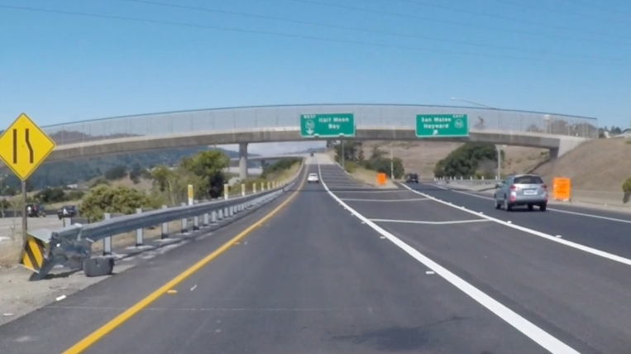
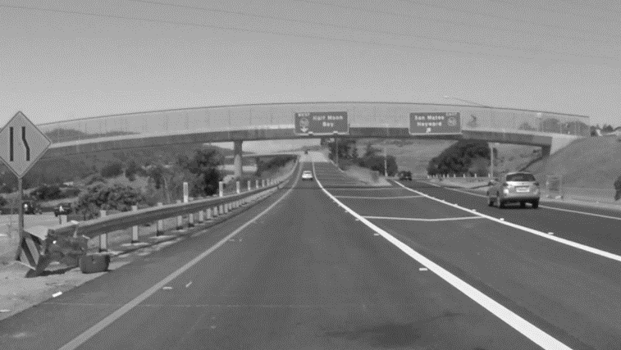

 | import matplotlib.pyplot as plt
 | import matplotlib.image as mpimg
 | image = mpimg.imread('exit-ramp.jpg')
 | plt.imshow(image)

 | import cv2 #bringing in OpenCV libraries
 | gray = cv2.cvtColor(image, cv2.COLOR_RGB2GRAY) #grayscale conversion
 | plt.imshow(gray, cmap='gray')

 | edges = cv2.Canny(gray, low_threshold, high_threshold) |  | The output edges is a binary image with white pixels tracing out the detected edges and black everywhere else.

 | Converting to grayscale has left us with an 8-bit image, so each pixel can take 2^8 = 256 possible values |  | Hence, the pixel values range from 0 to 255.

 | Guassian Smoothing : Suppressing noise and spurious gradients by averaging
 | You can choose the kernel_size for Gaussian smoothing to be any odd number. A larger kernel_size implies averaging, or smoothing, over a larger area

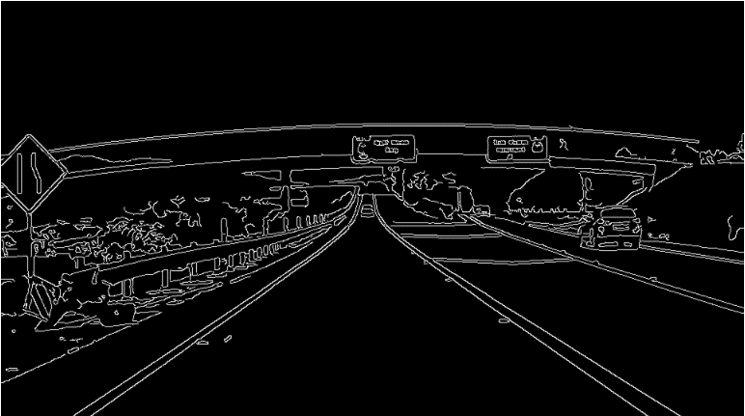
 | # Note: this step is optional as cv2.Canny() applies a 5x5 Gaussian internally
 | kernel_size = 5
 | blur_gray = cv2.GaussianBlur(gray,(kernel_size, kernel_size), 0)

 | low_threshold = 10
 | high_threshold = 100
 | edges = cv2.Canny(blur_gray, low_threshold, high_threshold)

 | # Display the image
 | plt.imshow(edges, cmap='Greys_r')

Hough Transform
Using the Hough Transform to Find Lines from Canny Edges

 | Adopt model of line and fit that model to group of dots in edge detection image.
 | Equation of line ( since image is function of x and y ) : y = mx +b
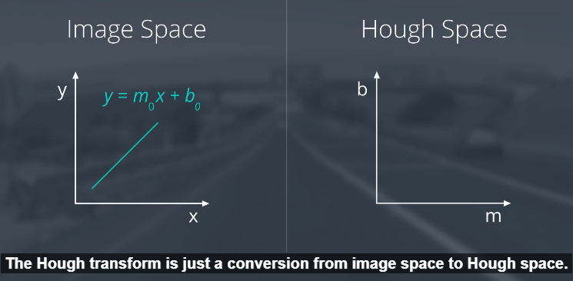
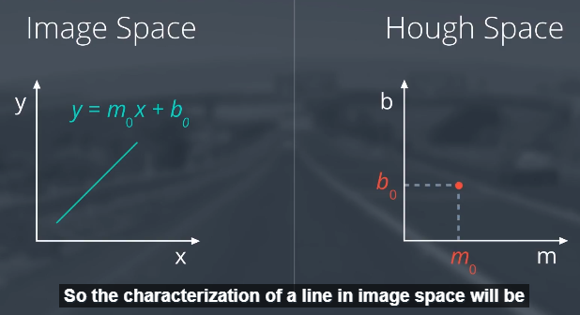

 |  |  | Characterization of a line in image space will be a single point at the position (m, b) in Hough space.
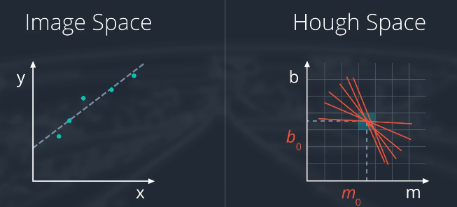
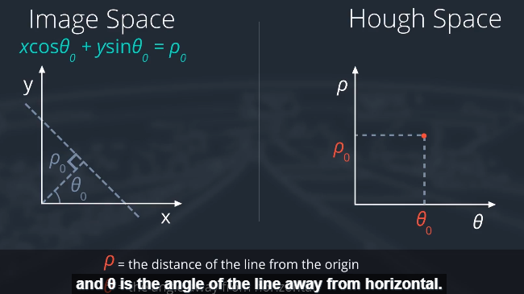
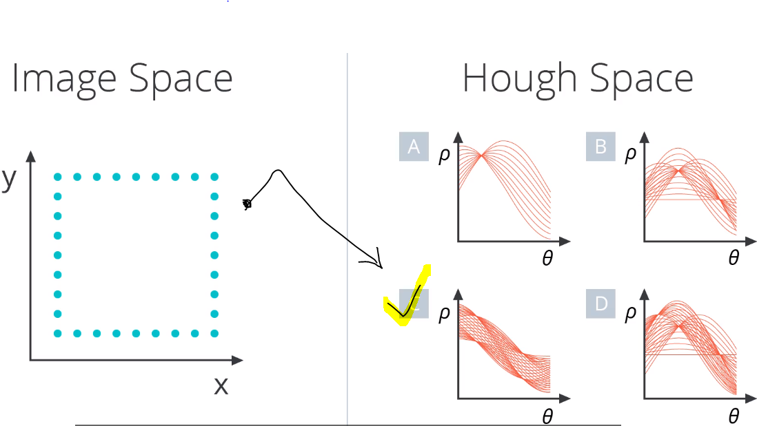

 | OpenCV function HoughLinesP we will use to find lines in the image.

 | lines = cv2.HoughLinesP(masked_edges, rho, theta, threshold, np.array([]), |  |  | masked_edges is edges in canny edge detection sheet.
 | min_line_length, max_line_gap)

 | Lines will be an array containing the endpoints (x1, y1, x2, y2) of all line segments detected by the transform operation
 | rho and theta are the distance and angular resolution of our grid in Hough space
 | You need to specify rho in units of pixels and theta in units of radians.
 | threshold parameter specifies the minimum number of votes (intersections in a given grid cell) a candidate line needs to have to make it into the output
 | np.array([]) is just a placeholder
 | min_line_length is the minimum length of a line (in pixels) that you will accept in the output
 | max_line_gap is the maximum distance (again, in pixels) between segments that you will allow to be connected into a single line
 | You can then iterate through your output lines and draw them onto the image to see what you got

 | # Do relevant imports
 | import matplotlib.pyplot as plt
 | import matplotlib.image as mpimg
 | import numpy as np
 | import cv2
 | # Read in and grayscale the image
 | image = mpimg.imread('exit-ramp.jpg')
 | gray = cv2.cvtColor(image,cv2.COLOR_RGB2GRAY)
 | plt.imshow(gray)
 | # Define a kernel size and apply Gaussian smoothing
 | kernel_size = 5
 | blur_gray = cv2.GaussianBlur(gray,(kernel_size, kernel_size),0)

 | # Define our parameters for Canny and apply
 | low_threshold = 50
 | high_threshold = 150
 | edges = cv2.Canny(blur_gray, low_threshold, high_threshold)
 | plt.imshow(edges)
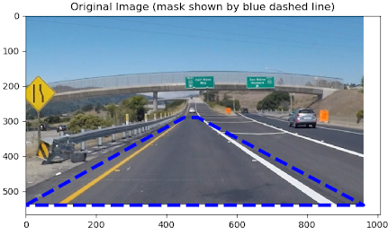
 | # Next we'll create a masked edges image using cv2.fillPoly()
 | mask = np.zeros_like(edges)
 | ignore_mask_color = 255
 | # This time we are defining a four sided polygon to mask
 | imshape = image.shape
 | vertices = np.array([[(0,imshape[0]),(450, 290), (490, 290), (imshape[1],imshape[0])]], dtype=np.int32)
 | cv2.fillPoly(mask, vertices, ignore_mask_color)
 | masked_edges = cv2.bitwise_and(edges, mask)
 | plt.imshow(masked_edges)

 | # Define the Hough transform parameters
 | # Make a blank the same size as our image to draw on
 | rho = 2
 | theta = np.pi/180
 | threshold = 15 | means atleast 15 points in image space need to be associated with each line segment
 | min_line_length = 40
 | max_line_gap = 20
 | line_image = np.copy(image)*0 #creating a blank to draw lines on
 | # Run Hough on edge detected image
 | lines = cv2.HoughLinesP(masked_edges, rho, theta, threshold, np.array([]),
 | min_line_length, max_line_gap)

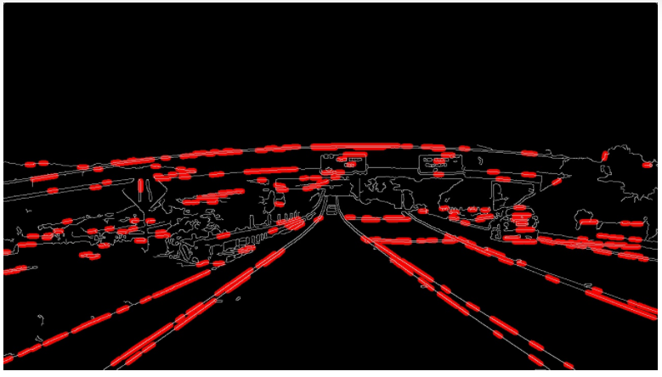
 | # Iterate over the output "lines" and draw lines on the blank
 | for line in lines:
 | for x1,y1,x2,y2 in line:
 | cv2.line(line_image,(x1,y1),(x2,y2),(255,0,0),10)

 | # Create a "color" binary image to combine with line image
 | color_edges = np.dstack((masked_edges, masked_edges, masked_edges))
 | plt.imshow(color_edges)

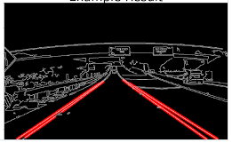
 | # Draw the lines on the edge image
 | lines_edges = cv2.addWeighted(color_edges, 0.8, line_image, 1, 0)
 | plt.imshow(lines_edges)

Defintions
Polyfit
 | Polyfit is a Matlab function that computes a least squares polynomial for a given set of data. Polyfit generates the coefficients of the polynomial, which can be used to model a curve to fit the data.
 | https://engineering.vanderbilt.edu/ge/es140/Otherlinks/MatlabTutorial/CurveFitting.php#:~:text=Polyfit%20is%20a%20Matlab%20function,given%20set%20of%20x%20values.

numpy meshgrid
 | https://numpy.org/doc/stable/reference/generated/numpy.meshgrid.html
 | The purpose of meshgrid is to create a rectangular grid out of an array of x values and an array of y values.
 | https://stackoverflow.com/questions/36013063/what-is-the-purpose-of-meshgrid-in-python-numpy

number of regions inside lines :
 | https://www.youtube.com/watch?v=8rdV6P5bkBs
 | https://www.youtube.com/watch?v=r0-30C4TJxE | Hindi tutorial

Python with OpenCV (Open-Source Computer Vision)for computer vision work
 | http://opencv.org/

Note!
 | The standard location of the origin (x=0, y=0) for images is in the top left corner with y values increasing downward and x increasing to the right.
 | This might seem weird at first, but if you think about an image as a matrix, it makes sense that the "00" element is in the upper left.
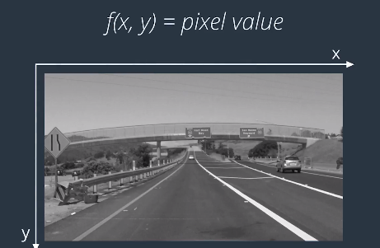
 |  |  | df/ddx

