CAR_Class_Basics
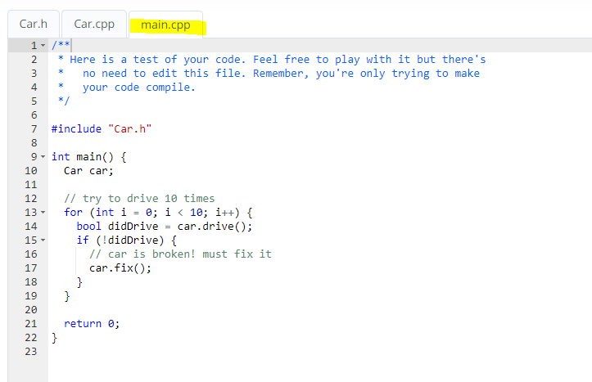
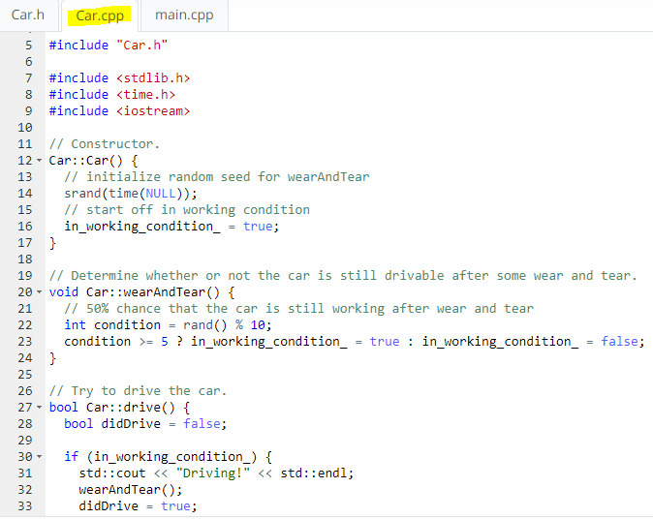
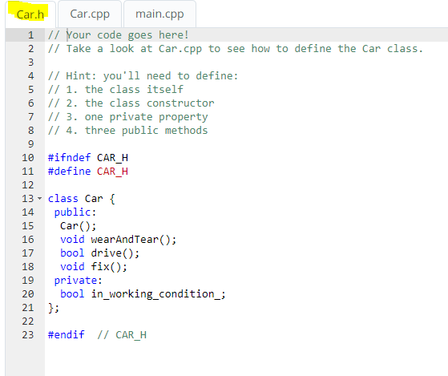

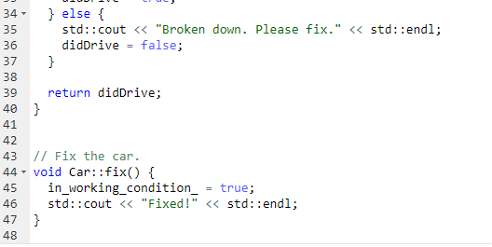

Double digits
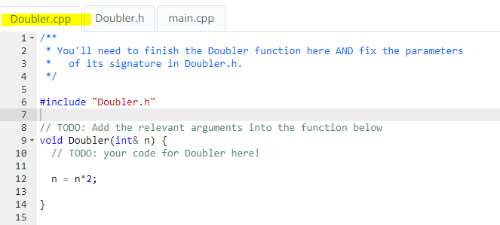
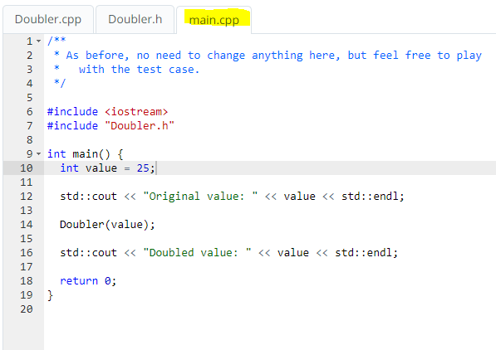
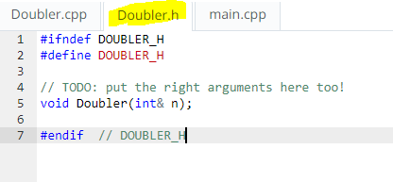

In C++, we can pass parameters to a function either by pointers or by reference. In both the cases, we get the same result.

https://www.geeksforgeeks.org/passing-by-pointer-vs-passing-by-reference-in-c/
// C++ program to swap two numbers using |  | // C++ program to swap two numbers using
// pass by pointer. |  | // pass by reference.
#include <iostream>
using namespace std; |  | #include <iostream>
 |  | using namespace std;
void swap(int* x, int* y) |  | void swap(int& x, int& y)
{ |  | {
 | int z = *x; |  | int z = x;
 | *x = *y; |  | x = y;
 | *y = z; |  | y = z;
} |  | }

int main() |  | int main()
{ |  | {
 | int a = 45, b = 35; |  | int a = 45, b = 35;
 | cout << "Before Swap\n"; |  | cout << "Before Swap\n";
 | cout << "a = " << a << " b = " << b << "\n"; |  | cout << "a = " << a << " b = " << b << "\n";

 | swap(&a, &b); |  | swap(a, b);

 | cout << "After Swap with pass by pointer\n"; |  | cout << "After Swap with pass by reference\n";
 | cout << "a = " << a << " b = " << b << "\n"; |  | cout << "a = " << a << " b = " << b << "\n";
} |  | }

A pointer can be re-assigned while reference cannot, and must be assigned at initialization only.
Pointer can be assigned NULL directly, whereas reference cannot.
Pointers can iterate over an array, we can use ++ to go to the next item that a pointer is pointing to.
A pointer is a variable that holds a memory address. A reference has the same memory address as the item it references.
A pointer to a class/struct uses ‘->'(arrow operator) to access it’s members whereas a reference uses a ‘.'(dot operator)
A pointer needs to be dereferenced with * to access the memory location it points to, whereas a reference can be used directly.

