Cross Variance Effects
Here is one of fthe challenges of explaining variances with just one explainatory variable per input.

Example A
 |  |  |  |  | Typical Finance Method |  |  |  | Mathmatical Method
 | Rate | Volume | Revenue | Variance | Volume |  | Rate |  | Volume |  | Rate |  | Cross Variance
Budget | $5.00 | 10,000.00 | $50,000.00
Actual | $5.50 | 10,500.00 | $57,750.00 | $7,750.00 | $2,500.00 | 32% | $5,250.00 | 68% | $2,500.00 | 32% | $5,000.00 | 65% | $250.00 | 3%

So using the typical method, the variance is $2,500 Volume and $5,250 Rate

Example B
 |  |  |  |  | Typical Finance Method |  |  |  | Mathmatical Method
 | Rate | Volume | Revenue | Variance | Volume |  | Rate |  | Volume |  | Rate |  | Cross Variance
Budget | $5.00 | 10,000.00 | $50,000.00
Actual | $5.50 | 11,000.00 | $60,500.00 | $10,500.00 | $5,000.00 | 48% | $5,500.00 | 52% | $5,000.00 | 48% | $5,000.00 | 48% | $500.00 | 5%

For our example B, the rate is constant vs A and only the volume changes. However, we attribute $250 more to a change in rate even though the rate didn't change! Hopefully nobody you are presenting this to notices as you might not be able to explain it if you didn't understand the effect of cross variance (aka conjugate variance).
For two dimensional examples where A * B = C or in this case Price * Volume = Revenue, this chart helps visualize that "CV".

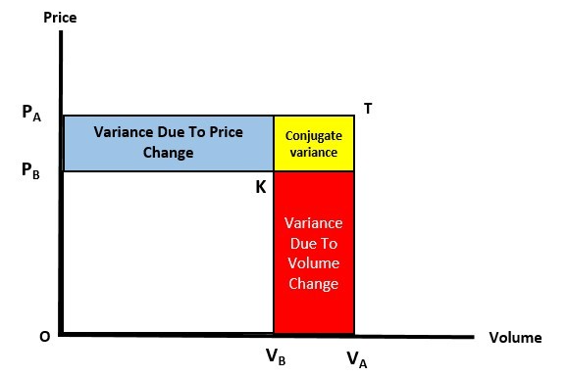

Here you can picture "Revenue" being represented as the square area in the chart. The white rectangle might be your budget revenue. Vb : Budget Volume Va : Actual Volume Pb : Budget Price Pa : Actual Price The expanded square including the white, blue, red and yellow rectangles is your actual revenue. The yellow rectangle represents the revenue that is driven by a changes in BOTH price and volume.
This same logic applies to other explainations like: Period Variances : Month Over Month, Year Over Year; etc. Rate-Volume-Mix : Here is a case where we have 3 dimensions and our formula is Revenue = Sm1:n (Rate * Volume * Mix) so our explainatory categories would be Rate, Volume, Mix and CV
Thanks to this article for coming up with this visual to make underatanding CV easier:
https://www.linkedin.com/pulse/variance-analysis-volume-mix-price-fx-rate-umit-coskun/

