Charts
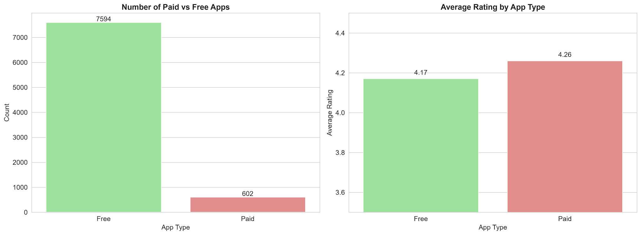
Top 10 App Categories on Google Play Store |  | Distribution of App Ratings
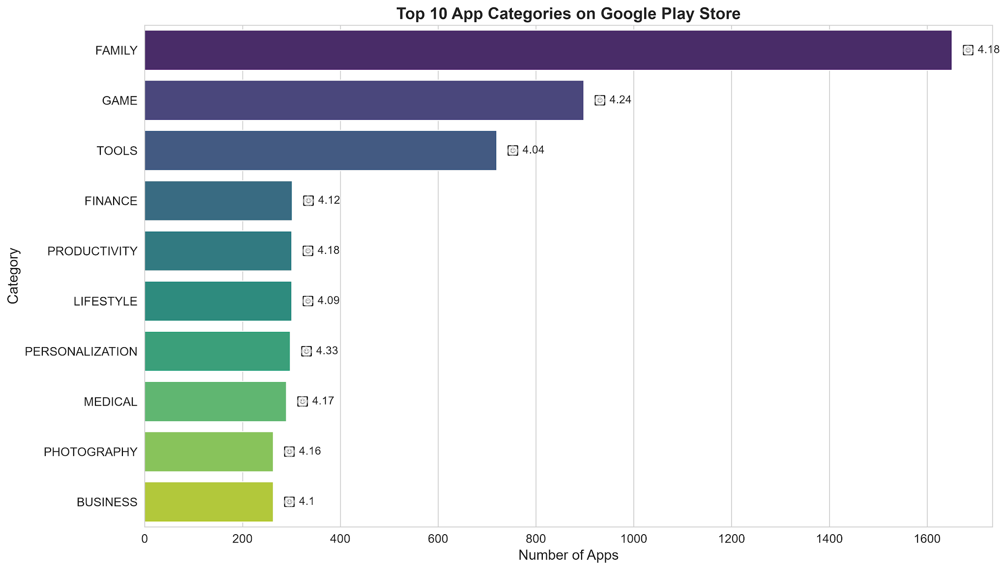
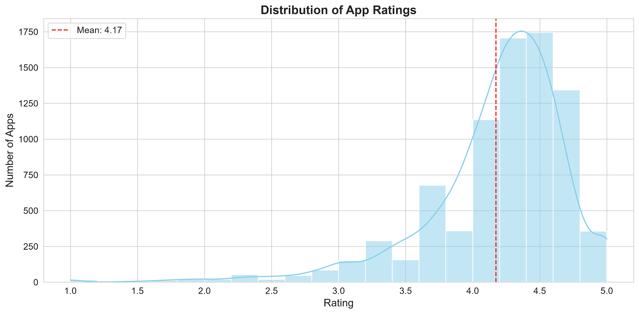

Categories with Highest User Engagement Rates |  | Distribution of App Sizes (in MB)
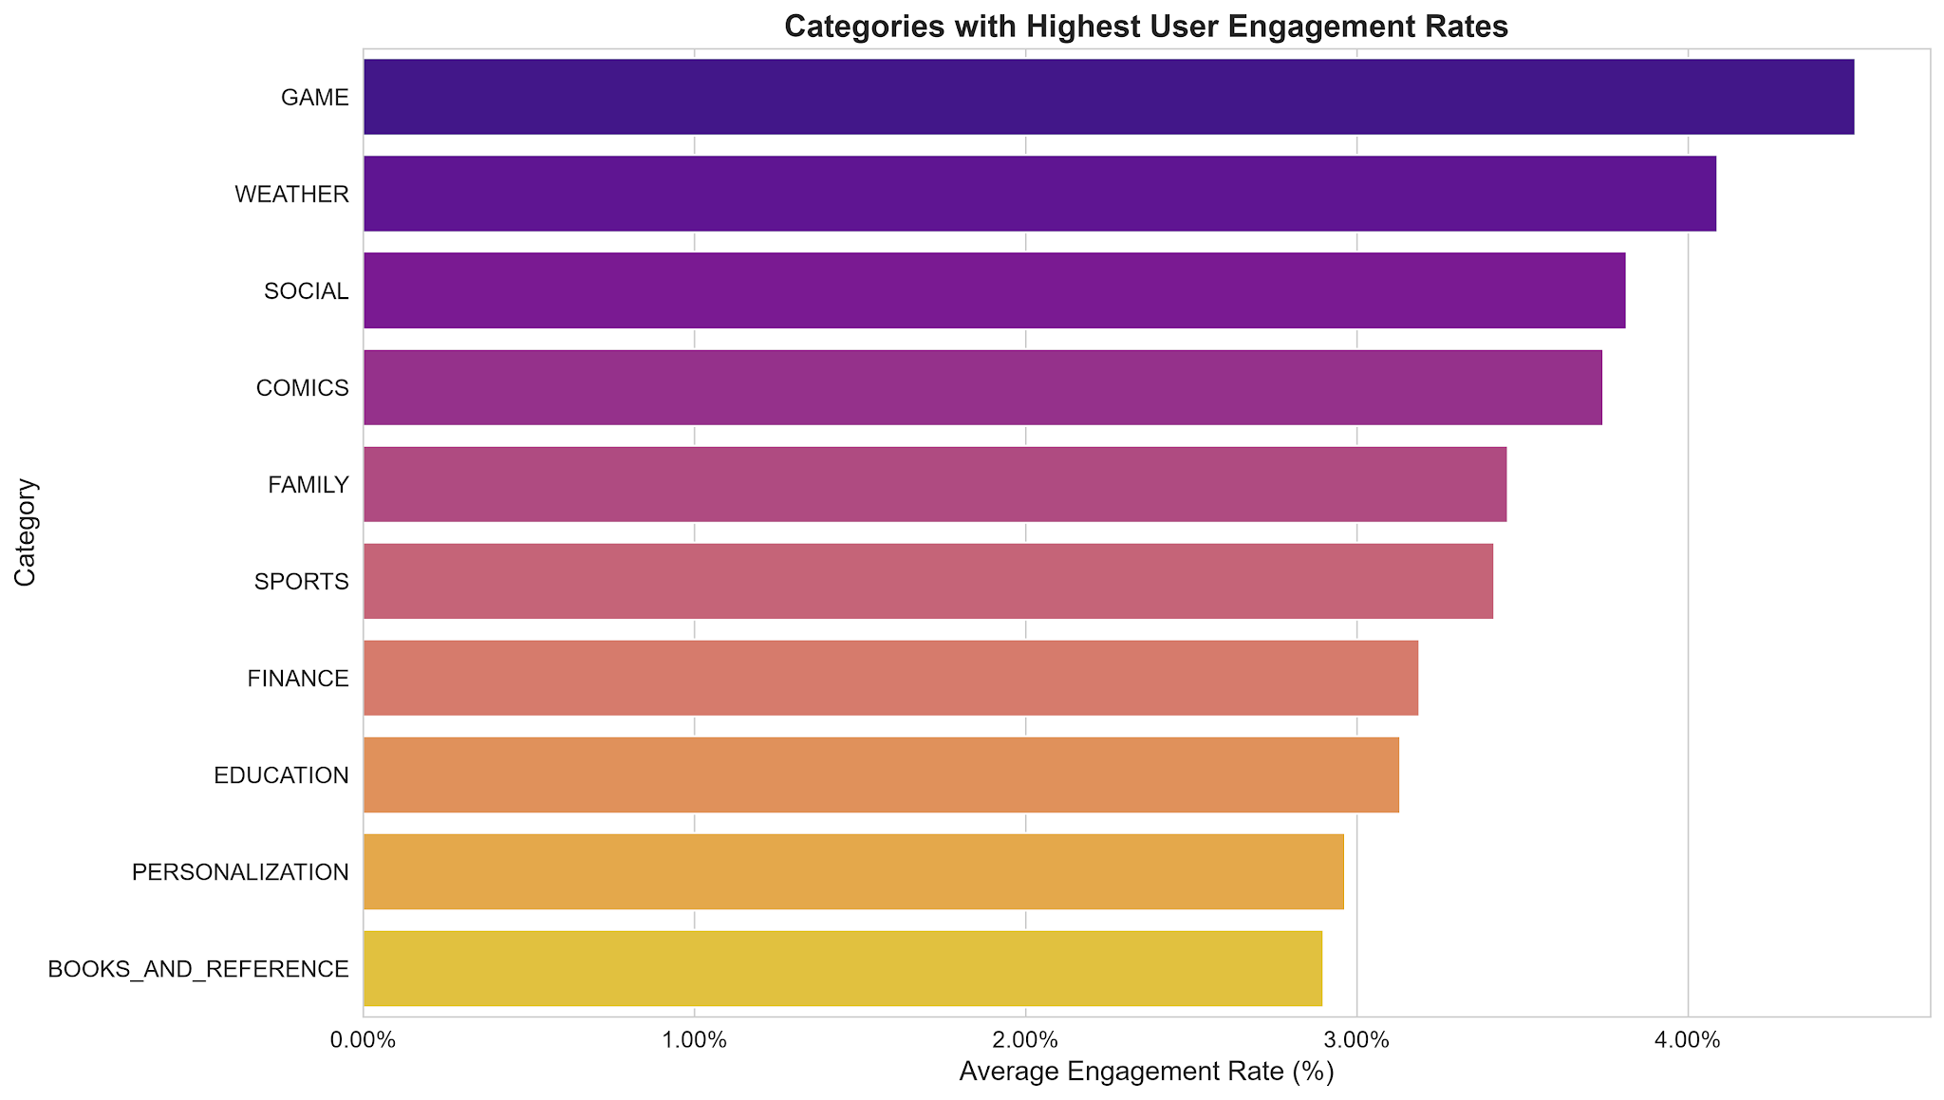
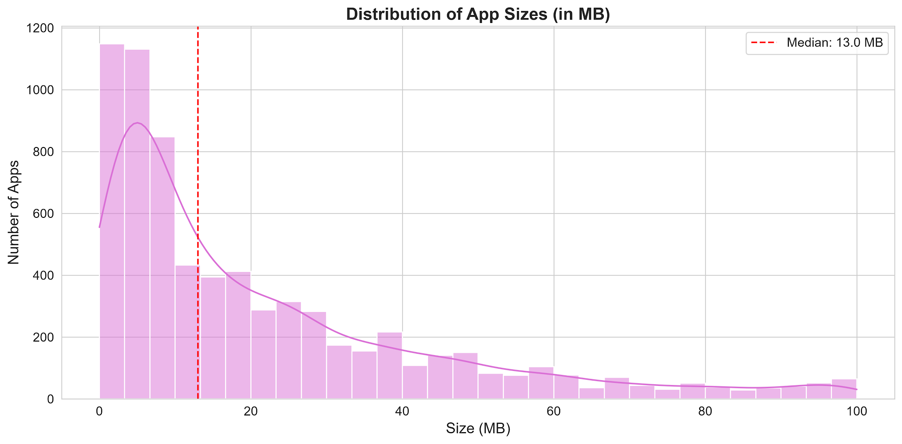

 | Paid vs Free Apps Comparison

