ItemEventReport_DynamicStyled
 |  |  |  |  |  |  |  | RKA Industrial Solutions Unit 5, 58-60 Melbourne Rd Riverstone Sydney, NSW
Inspection Results |  |  |  |  |  |  |  |  |  |  | FolderID: LC1188 FormID: 25808791
Aline Pumps Sales and Service 10 Yarrunga Street Prestons, NSW 2170
Prestons

Priorities Found: |  |  | 1 - Medium |  | 3 - Good

General
 | 1. | Passed Hardware |  |  |  |  |  |  |  |  |  | P1
 |  | Unit # |  |  |  | Serial Number |  |  | Comment
 |  | 1 |  |  |  | * * * No data plate * * * |  |  | 1t chain block
 |  | 4 |  |  |  | * * * No data plate * * * |  |  | 1t chain block
 |  | 5 |  |  |  | * * * No data plate * * * |  |  | beam trolley
 |  | 6 |  |  |  | * * * No data plate * * * |  |  | beam trolley
 |  | 7 |  |  |  | * * * No data plate * * * |  |  | beam trolley
 |  | 8 |  |  |  | * * * No data plate * * * |  |  | beam trolley
 |  | 11 |  |  |  | A1 |  |  | 5m 4leg chains
 |  | 12 |  |  |  | A2 |  |  | 5m 4leg chains
 |  | 13 |  |  |  | A3 |  |  | 4m 4leg chains
 |  | 14 |  |  |  | A4 |  |  | 4m 4leg chains (slight twist of top hook)
 |  | 15 |  |  |  | A5 |  |  | 4m 4leg chains
 |  | 16 |  |  |  | A6 |  |  | 4m 4leg chains
 |  | 17 |  |  |  | A7 |  |  | 4m 4leg chains
 |  | 18 |  |  |  | A8 |  |  | 4m 4leg chains (2 legs are slightly stretched)
 |  | 19 |  |  |  | 247057352640 |  |  | Spreader beam
 |  | 20 |  |  |  | 22527423 |  |  | 5t 3m synthetic sling - Not Found
 |  | 23 |  |  |  | 21504558 |  |  | 3t 3m synthetic sling
 |  | 24 |  |  |  | 22307579 |  |  | 3t 3m synthetic sling
 |  | 25 |  |  |  | LS2799/5X5/0001 |  |  | 5t 5m synthetic sling
 |  | 28 |  |  |  | LS2799/5X5/0015 |  |  | 5t 5m synthetic sling
 |  | 30 |  |  |  | 22317826 |  |  | 1t 2m synthetic sling
 |  | 32 |  |  |  | 22322050 |  |  | 1t 2m synthetic sling
 |  | 34 |  |  |  | LS2799/5X5/0017 |  |  | 5t 5m synthetic sling
 |  | 35 |  |  |  | LS2799/5X5/0025 |  |  | 5t 5m synthetic sling - Not Found
 |  | 38 |  |  |  | 21504579 |  |  | 3t 3m synthetic sling
 |  | 39 |  |  |  | 18021 |  |  | Fabricated hook 500kg
 |  | 40 |  |  |  | 18018 |  |  | Fabricated hook 500kg
 |  | 41 |  |  |  | 19910 |  |  | Fabricated hook 150kg
 |  | 42 |  |  |  | 19913 |  |  | Fabricated hook 150kg
 |  | 43 |  |  |  | 19907 |  |  | Fabricated hook 150kg
 |  | 45 |  |  |  | 19906 |  |  | Fabricated hook 150kg
 |  | 46 |  |  |  | 19905 |  |  | Fabricated hook 150kg
 |  | 48 |  |  |  | 17891 |  |  | Fabricated hook 500kg
 |  | 59 |  |  |  |  |  |  | 6.5t bow shackle
 |  | 60 |  |  |  |  |  |  | 6.5t bow shackle
 |  | 61 |  |  |  |  |  |  | 6.5t bow shackle
 |  | 62 |  |  |  |  |  |  | 6.5t bow shackle
 |  | 63 |  |  |  |  |  |  | 0.34t M12 lifting eye bolt
 |  | 64 |  |  |  |  |  |  | 0.34t M12 lifting eye bolt
 |  | 65 |  |  |  |  |  |  | 0.34t M12 lifting eye bolt
 |  | 66 |  |  |  |  |  |  | 6.5t bow shackle
 |  | 67 |  |  |  |  |  |  | 6.5t bow shackle
 |  | 68 |  |  |  |  |  |  | 4.75t bow shackle
 |  | 69 |  |  |  |  |  |  | 2t bow shackle - Not Found
 |  | 70 |  |  |  |  |  |  | 2t bow shackle - Not Found
 |  | 75 |  |  |  |  |  |  | 8.5t bow shackle
 |  | 76 |  |  |  | 400059983225 |  |  | Forklift man cage
 |  | 79 |  |  |  | 8165 |  |  | 4 leg 3m 6mm 1.9t chains - Not Found
 |  | 80 |  |  |  | 242157940148 |  |  | 4.5t Forklift Jib - Not Found
 |  | 82 |  |  |  |  |  |  | 12t bow shackle - Not Found
 |  | 85 |  |  |  |  |  |  | 5t hook on spreader beam
 |  | 86 |  |  |  |  |  |  | 5t hook on spreader beam
 |  | 87 |  |  |  |  |  |  | 6.5t bow shackle on spreader beam
 |  | 88 |  |  |  |  |  |  | 6.5t bow shackle on spreader beam
 |  | 89 |  |  |  |  |  |  | 12t bow shackle on spreader beam
 |  | 90 |  |  |  |  |  |  | 12t bow shackle on spreader beam
 |  | 91 |  |  |  |  |  |  | 12t bow shackle on spreader beam
 |  | 92 |  |  |  | 153606 |  |  | 10t Spreader beam
 |  | 93 |  |  |  |  |  |  | 0.34t M12 lifting eye bolt
 |  | 94 |  |  |  |  |  |  | 0.34t M12 lifting eye bolt
 |  | 97 |  |  |  | LS3618/2X4/2829 |  |  | 2t 4m synthetic sling
 |  | 98 |  |  |  | LS3618/2X4/2833 |  |  | 2t 4m synthetic sling..
 |  | 99 |  |  |  | 22527387 |  |  | 5t 3m synthetic sling
 |  | 100 |  |  |  | RS0123/2X4/167 |  |  | 2t 4m synthetic sling..
 |  | 101 |  |  |  |  |  |  | M16 0.7t Eye nut..
 |  | 102 |  |  |  |  |  |  | M16 0.7t Eye nut..
 |  | 103 |  |  |  |  |  |  | M16 0.7t Eye nut..
 |  | 104 |  |  |  |  |  |  | 3.25t bow shackle
 |  | 105 |  |  |  |  |  |  | 3.25t bow shackle
 |  | 106 |  |  |  |  |  |  | 0.25t M10 lifting eye bolt
 |  | 107 |  |  |  |  |  |  | 0.34t M12 lifting eye bolt
 |  | 108 |  |  |  |  |  |  | 0.34t M12 lifting eye bolt
 |  | 109 |  |  |  |  |  |  | 0.34t M12 lifting eye bolt
 |  | 110 |  |  |  |  |  |  | 0.34t M12 lifting eye bolt
 |  | 111 |  |  |  |  |  |  | 0.34t M12 lifting eye bolt
 |  | 112 |  |  |  |  |  |  | 0.34t M12 lifting eye bolt
 |  | 113 |  |  |  |  |  |  | 0.22t M12 lifting eye bolt
 |  | 114 |  |  |  |  |  |  | 0.22t M12 lifting eye bolt
 |  | 115 |  |  |  |  |  |  | 0.22t M12 lifting eye bolt
 |  | 116 |  |  |  | BY03/08/10 |  |  | 300kg Magnetic lifter
 |  | 117 |  |  |  |  |  |  | 0.15t M10 lifting eye bolt
 |  | 118 |  |  |  |  |  |  | 0.15t M10 lifting eye bolt
 |  | 119 |  |  |  |  |  |  | 0.15t M10 lifting eye bolt
 |  | 120 |  |  |  |  |  |  | 0.15t M10 lifting eye bolt
 |  | 121 |  |  |  |  |  |  | 0.14t M8 lifting eye bolt
 |  | 122 |  |  |  |  |  |  | 0.14t M8 lifting eye bolt
 |  | 123 |  |  |  |  |  |  | 0.14t M8 lifting eye bolt
 |  | 124 |  |  |  |  |  |  | 0.14t M8 lifting eye bolt
 |  | 125 |  |  |  |  |  |  | 0.34t M12 lifting eye nut
 |  | 126 |  |  |  |  |  |  | 0.34t M12 lifting eye nut
 |  | Items 22, 27, 36, 44, 71, 72, 73, 74, 95, and 96 have been removed from the register as they have not been found for 2 consecutive visits. 90 items passed 7 items not found during inspection.
 | 2. | Failed Hardware |  |  |  |  |  |  |  |  |  | P2
 |  | Unit # |  |  |  | Serial Number |  |  | Comment
 |  | 53 |  |  |  | none |  |  | magnetic lifter 600kg.
 |  | 54 |  |  |  | none |  |  | magnetic lifter 600kg.
 |  | 55 |  |  |  | none |  |  | magnetic lifter 600kg.
 |  | 56 |  |  |  | none |  |  | magnetic lifter 600kg.
 |  | 57 |  |  |  | 7439 |  |  | 2leg 7mm chains.
 |  | 21 |  |  |  | LS3618/2X4/2805 |  |  | 2t 4m synthetic sling.
 |  | 81 |  |  |  | 4497.1 |  |  | 4 leg 5m 6mm 1.9t chains.
 |  | 83 |  |  |  |  |  |  | ?t forklift tine extension.
 |  | 84 |  |  |  |  |  |  | ?t forklift tine extension.
 |  | 31 |  |  |  | 24A/02534 |  |  | 1t 2m synthetic sling..

 |  | 10 items failed. 53-56 - no serial numbers, and missing locking pins, and release lever bent on 2 of them. Suggest replacement. * * * These are still in service * * * 57 - hook latches missing, and chain is stretched. * * * These are still in service * * * 21 - Tears in fibers * * * These are still in service * * * 81 - hook latch missing on 1 hook, and significant rust so moving parts are not moving by hand. 83 - Data plate missing 84 - Data plate missing 6/3/25 31 - Torn fibers * * * These are still in service * * * 11/09/25 Nil
 | 3. | Inspection Outcome
 |  | 90 items passed 17 items not found during inspection. 0 additional items failed. 10 items previously failed and most are still in use. Passed items have had a BLUE tag added. Failed chains were left onsite as instructed by Mal (2/2024). Failed magnetic lifters are still in service. Failed forklift attachments are still in service.
 | 4. | Inspector Signature |  |  |  |  |  |  | Aaron Harrison

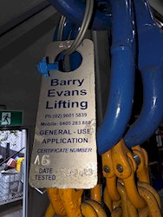 |  |  |  | 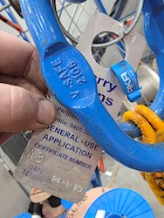 |  |  | 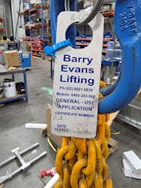

P1.1 |  |  |  | P1.2 |  |  | P1.3 |  |  | P1.4

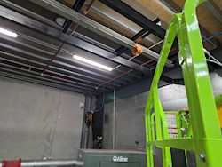 |  |  |  | 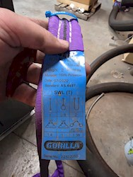 |  |  | 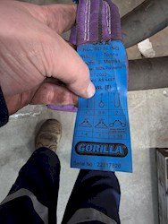 |  |  | 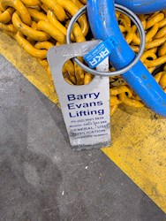

P1.5 |  |  |  | P1.6 |  |  | P1.7 |  |  | P1.8

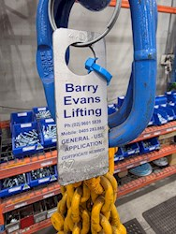 |  |  |  | 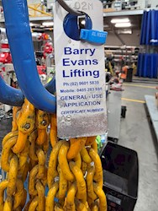 |  |  | 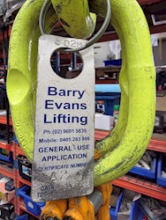 |  |  | 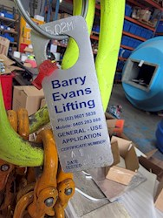

P1.9 |  |  |  | P1.10 |  |  | P1.11 |  |  | P1.12

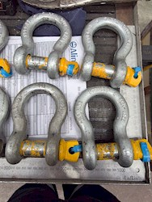 |  |  |  | 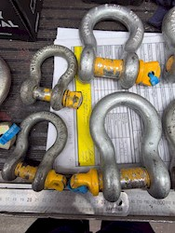 |  |  | 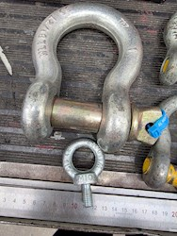

P1.13 |  |  |  | P1.14 |  |  | P1.15 |  |  | P1.16

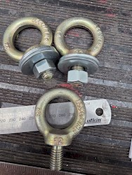 |  |  |  |  |  |  | 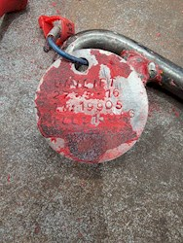 |  |  | 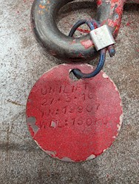

P1.17 |  |  |  | P1.18 |  |  | P1.19 |  |  | P1.20

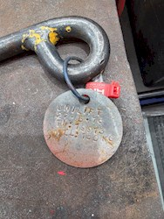 |  |  |  | 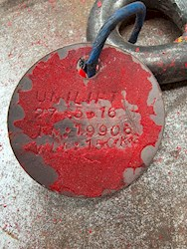 |  |  | 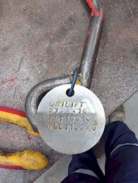 |  |  | 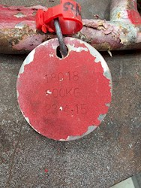

P1.21 |  |  |  | P1.22 |  |  | P1.23 |  |  | P1.24

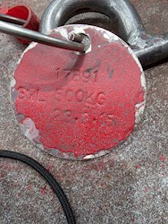 |  |  |  | 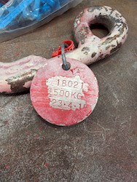 |  |  | 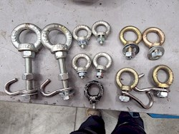 |  |  | 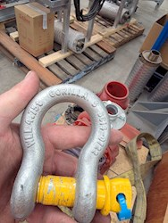

P1.25 |  |  |  | P1.26 |  |  | P1.27 |  |  | P1.28

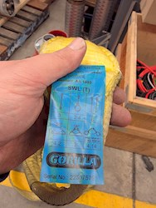 |  |  |  | 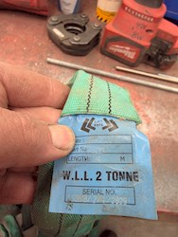 |  |  | 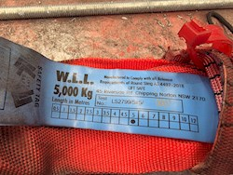 |  |  | 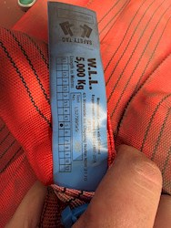

P1.29 |  |  |  | P1.30 |  |  | P1.31 |  |  | P1.32

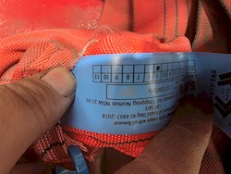 |  |  |  |  |  |  | 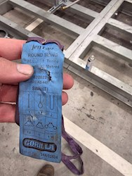 |  |  | 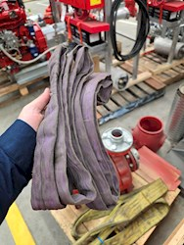

P1.33 |  |  |  | P1.34 |  |  | P2.35 |  |  | P2.36

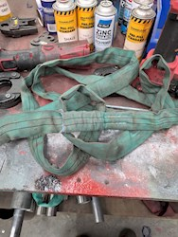 |  |  |  | 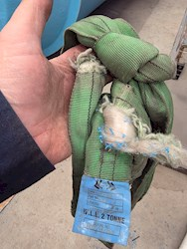 |  |  | 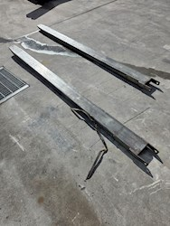

P2.37 |  |  |  | P2.38 |  |  | P2.39 |  |  | P2.40

