OutRight Order Details
Sr No | Image | Vendor Code | Sku | Color | Category | No of Components | MRP | M Waist: 30 Bust: 36 HIP: 40 | Remark | Reference Image 1 | Reference Image 2 | Po DeliveryDate
1 |  | CK-201-Red | RSKC052624 | Red | Saree Set | 2 | 118004 | 1 (OR-432687) |  |  |  | 2026-07-01 00:00:00
2 |  | CK-204-Red | RSKC052635 | Red | Saree Set | 2 | 128003 | 1 (OR-432688) |  |  |  | 2026-07-01 00:00:00
3 |  | CK-207-Red | RSKC052641 | Red | Saree Set | 2 | 175001 | 1 (OR-432689) |  |  |  | 2026-07-01 00:00:00
4 |  | CK-201-Beige | RSKC052625 | Beige | Saree Set | 2 | 118004 | 1 (OR-432690) |  |  |  | 2026-07-01 00:00:00
5 |  | CK-203-Beige | RSKC052632 | Beige | Saree Set | 2 | 118004 | 1 (OR-432691) |  |  |  | 2026-07-01 00:00:00
6 |  | CK-205-Beige | RSKC052638 | Beige | Saree Set | 2 | 166001 | 1 (OR-432692) |  |  |  | 2026-07-01 00:00:00
7 |  | CK-211-Beige | RSKC052648 | Beige | Saree Set | 2 | 146004 | 1 (OR-432693) |  |  |  | 2026-07-01 00:00:00
8 |  | CK-212-Beige | RSKC052651 | Beige | Saree Set | 2 | 146004 | 1 (OR-432694) |  |  |  | 2026-07-01 00:00:00
9 |  | CK-201-Royal Blue | RSKC052626 | Royal Blue | Saree Set | 2 | 118004 | 1 (OR-432695) |  |  |  | 2026-07-01 00:00:00
10 |  | CK-203-Royal Blue | RSKC052631 | Royal Blue | Saree Set | 2 | 118004 | 1 (OR-432696) |  |  |  | 2026-07-01 00:00:00
11 |  | CK-208-Royal Blue | RSKC052644 | Royal Blue | Saree Set | 2 | 146004 | 1 (OR-432697) |  |  |  | 2026-07-01 00:00:00
12 |  | CK-211-Royal Blue | RSKC052650 | Royal Blue | Saree Set | 2 | 146004 | 1 (OR-432698) |  |  |  | 2026-07-01 00:00:00
13 | 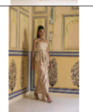 | CK-168-Royal Blue | RSKC052662 | Royal Blue | Skirt Set | 2 | 135424 | 1 (OR-432699) |  |  |  | 2026-07-01 00:00:00
14 |  | CK-201-Hot Pink | RSKC052627 | Hot Pink | Saree Set | 2 | 118004 | 1 (OR-432700) |  |  |  | 2026-07-01 00:00:00
15 |  | CK-212-Hot Pink | RSKC052653 | Hot Pink | Saree Set | 2 | 146004 | 1 (OR-432701) |  |  |  | 2026-07-01 00:00:00
16 |  | CK-213-Hot Pink | RSKC052655 | Hot Pink | Saree Set | 2 | 146004 | 1 (OR-432702) |  |  |  | 2026-07-01 00:00:00
17 | 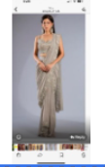 | CK-90-A-Hot Pink | RSKC052658 | Hot Pink | Saree Set | 2 | 103684 | 1 (OR-432703) |  |  |  | 2026-07-01 00:00:00
18 | 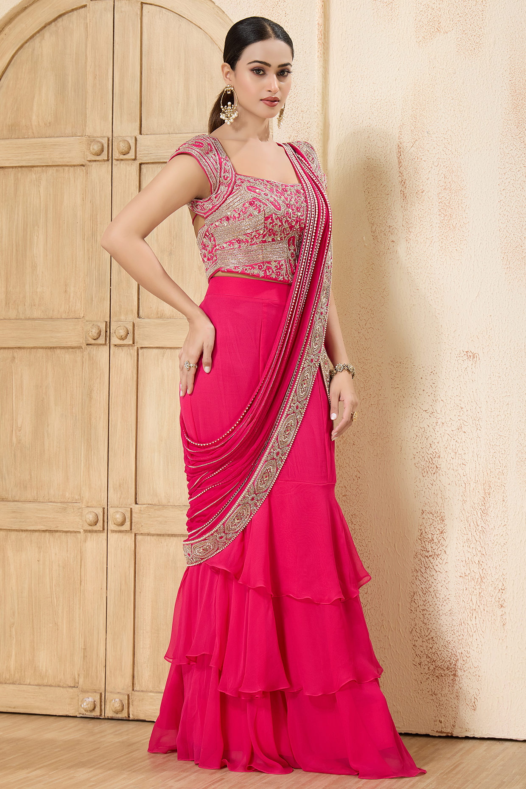 | CK-155-A-Hot Pink | RSKC122505 | Hot Pink | Saree Set | 2 | 128000 | 1 (OR-432704) |  |  |  | 2026-07-01 00:00:00
19 |  | CK-202-Ivory | RSKC052628 | Ivory | Saree Set | 2 | 166001 | 1 (OR-432705) |  |  |  | 2026-07-01 00:00:00
20 |  | CK-203-Ivory | RSKC052630 | Ivory | Saree Set | 2 | 118004 | 1 (OR-432706) |  |  |  | 2026-07-01 00:00:00
21 |  | CK-204-Ivory | RSKC052636 | Ivory | Saree Set | 2 | 128003 | 1 (OR-432707) |  |  |  | 2026-07-01 00:00:00
22 | 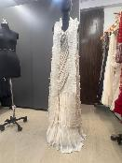 | CK-207-Ivory | RSKC052640 | Ivory | Saree Set | 3 | 175001 | 1 (OR-432708) |  |  |  | 2026-07-01 00:00:00
23 |  | CK-208-Ivory | RSKC052642 | Ivory | Saree Set | 2 | 146004 | 1 (OR-432709) |  |  |  | 2026-07-01 00:00:00
24 |  | CK-210-Ivory | RSKC052646 | Ivory | Saree Set | 2 | 103684 | 1 (OR-432710) |  |  |  | 2026-07-01 00:00:00
25 |  | CK-204-Black | RSKC052634 | Black | Saree Set | 2 | 128003 | 1 (OR-432711) |  |  |  | 2026-07-01 00:00:00
26 |  | CK-205-Black | RSKC052637 | Black | Saree Set | 2 | 166001 | 1 (OR-432712) |  |  |  | 2026-07-01 00:00:00
27 |  | CK-208-Black | RSKC052643 | Black | Saree Set | 2 | 146004 | 1 (OR-432713) |  |  |  | 2026-07-01 00:00:00
28 | 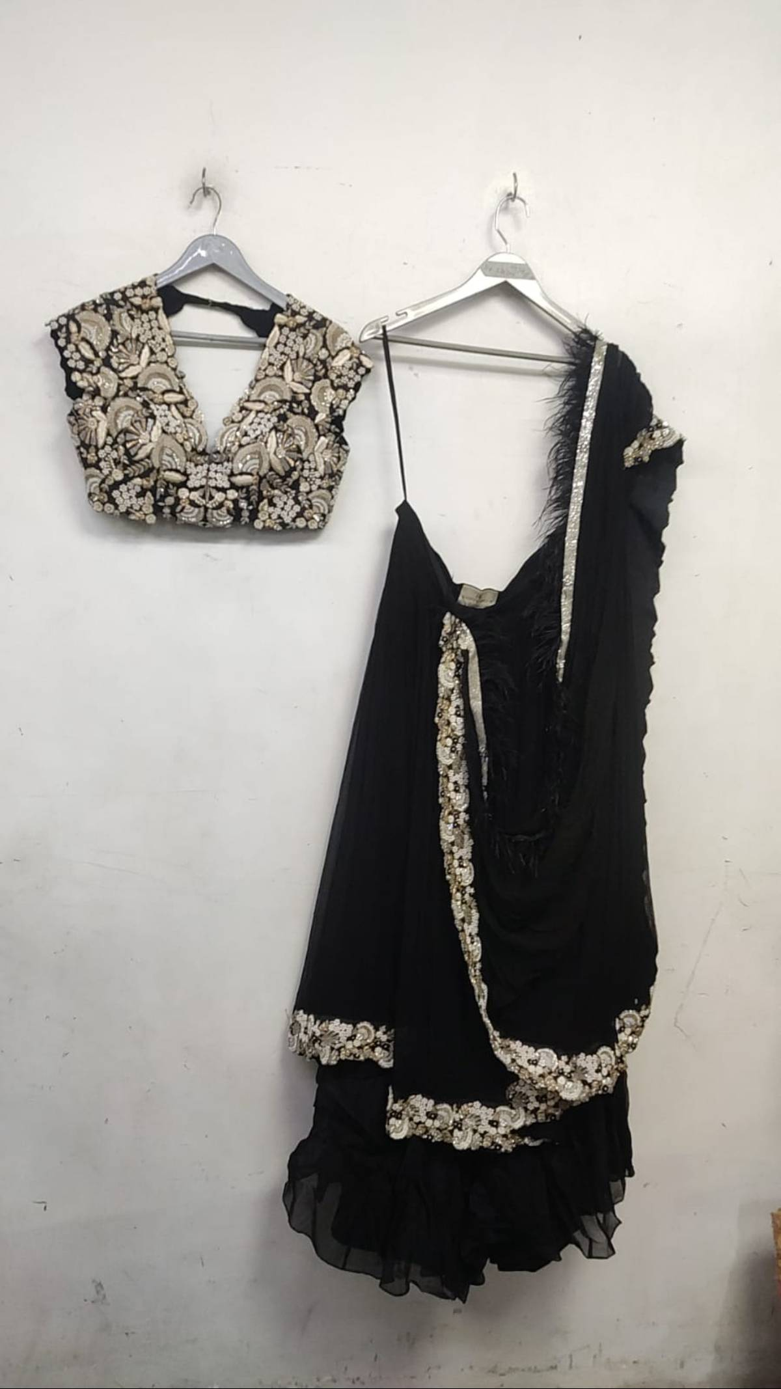 | CK-97-Black | RSKC062403 | Black | Saree Set | 2 | 148966 | 1 (OR-432714) |  |  |  | 2026-07-01 00:00:00
29 |  | CK-212-Black | RSKC052652 | Black | Saree Set | 2 | 146004 | 1 (OR-432715) |  |  |  | 2026-07-01 00:00:00
30 | 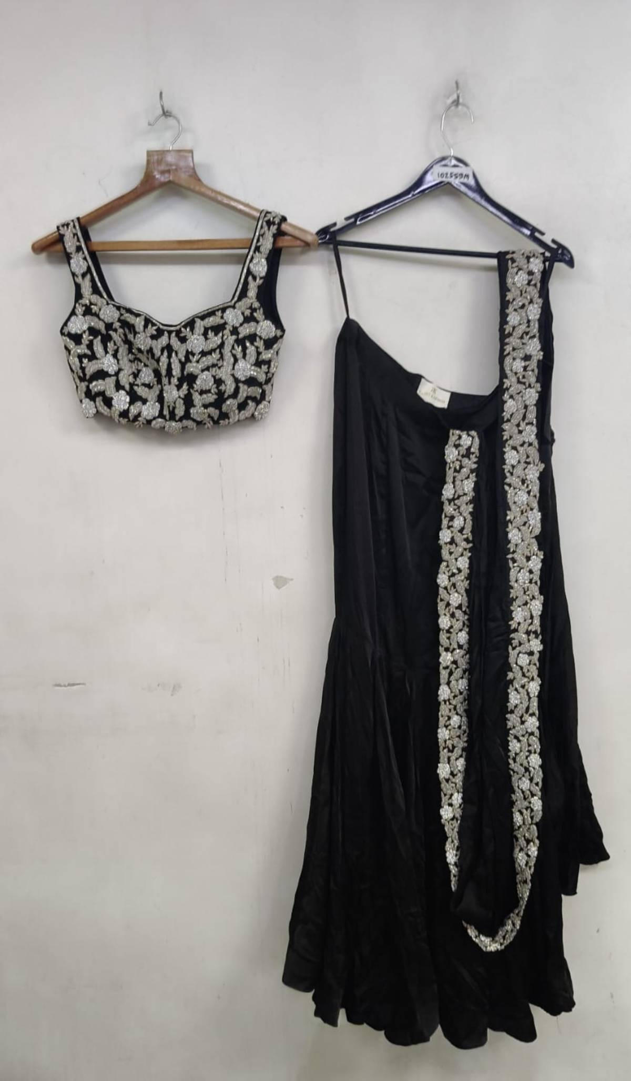 | CK-191-Black | RSKC022609 | Black | Saree Set | 2 | 106800 | 1 (OR-432716) |  |  |  | 2026-07-01 00:00:00
31 |  | CK-202-Taupe | RSKC052629 | Taupe | Saree Set | 2 | 166001 | 1 (OR-432717) |  |  |  | 2026-07-01 00:00:00
32 |  | CK-205-Taupe | RSKC052639 | Taupe | Saree Set | 2 | 166001 | 1 (OR-432718) |  |  |  | 2026-07-01 00:00:00
33 | 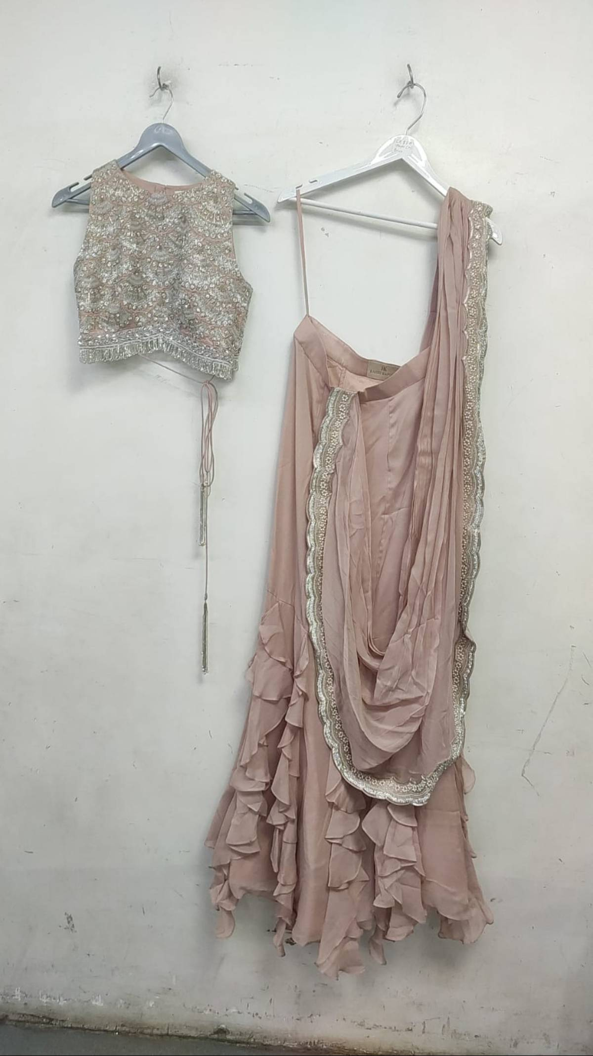 | CK-88-A-Taupe | RSKC122438 | Taupe | Saree Set | 2 | 103684 | 1 (OR-432719) |  |  |  | 2026-07-01 00:00:00
34 |  | CK-203-Powder Blue | RSKC052633 | Powder Blue | Saree Set | 2 | 118004 | 1 (OR-432720) |  |  |  | 2026-07-01 00:00:00
35 |  | CK-210-Powder Blue | RSKC052645 | Powder Blue | Saree Set | 2 | 103684 | 1 (OR-432721) |  |  |  | 2026-07-01 00:00:00
36 |  | CK-171-Powder Blue | RSKC052656 | Powder Blue | Saree Set | 2 | 103684 | 1 (OR-432722) |  |  |  | 2026-07-01 00:00:00
37 | 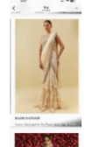 | CK-88-A-Powder Blue | RSKC052657 | Powder Blue | Saree Set | 2 | 103684 | 1 (OR-432723) |  |  |  | 2026-07-01 00:00:00
38 |  | CK-90-A-Powder Blue | RSKC052659 | Powder Blue | Saree Set | 2 | 103684 | 1 (OR-432724) |  |  |  | 2026-07-01 00:00:00
39 | 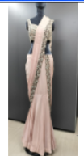 | CK-191-Powder Blue | RSKC052660 | Powder Blue | Saree Set | 2 | 106800 | 1 (OR-432725) |  |  |  | 2026-07-01 00:00:00
40 | 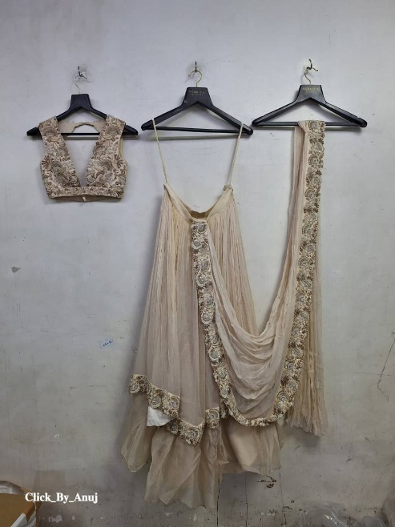 | CK-97-Red | RSKC062601 | Red | Saree Set | 2 | 148966 | 1 (OR-432726) |  |  |  | 2026-07-01 00:00:00
41 |  | CK-213-Red | RSKC062602 | Red | Saree Set | 2 | 146004 | 1 (OR-432727) |  |  |  | 2026-07-01 00:00:00
42 |  | CK-213-Beige | RSKC062603 | Beige | Saree Set | 2 | 146004 | 1 (OR-432728) |  |  |  | 2026-07-01 00:00:00
43 | 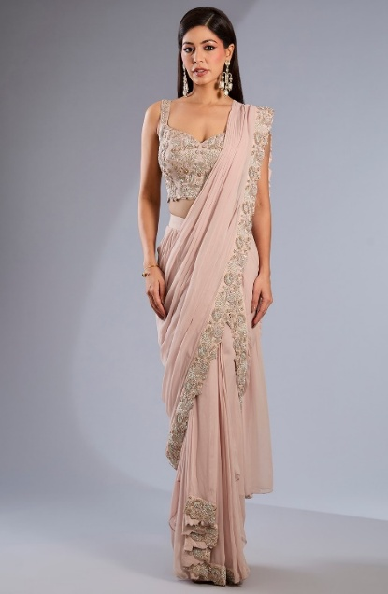 | CK-90-A-Royal Blue | RSKC062604 | Royal Blue | Saree Set | 2 | 103684 | 1 (OR-432729) |  |  |  | 2026-07-01 00:00:00
44 |  | CK-209-Ivory | RSKC062605 | Ivory | Saree Set | 2 | 138002 | 1 (OR-432730) |  |  |  | 2026-07-01 00:00:00
45 | 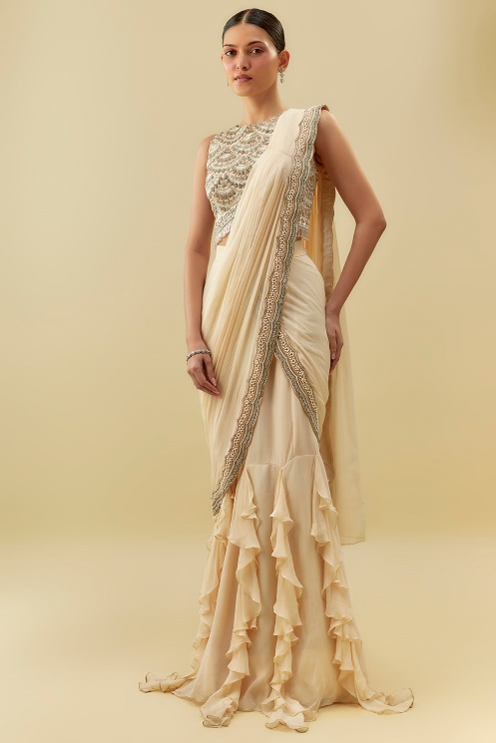 | CK-88-A-Black | RSKC062606 | Black | Saree Set | 2 | 103684 | 1 (OR-432731) |  |  |  | 2026-07-01 00:00:00
46 |  | CK-209-Taupe | RSKC062607 | Taupe | Saree Set | 2 | 138002 | 1 (OR-432732) |  |  |  | 2026-07-01 00:00:00
47 |  | CK-208-Powder Blue | RSKC062608 | Powder Blue | Saree Set | 2 | 146004 | 1 (OR-432733) |  |  |  | 2026-07-01 00:00:00

