2.1. Sampling - Breakdown Struc
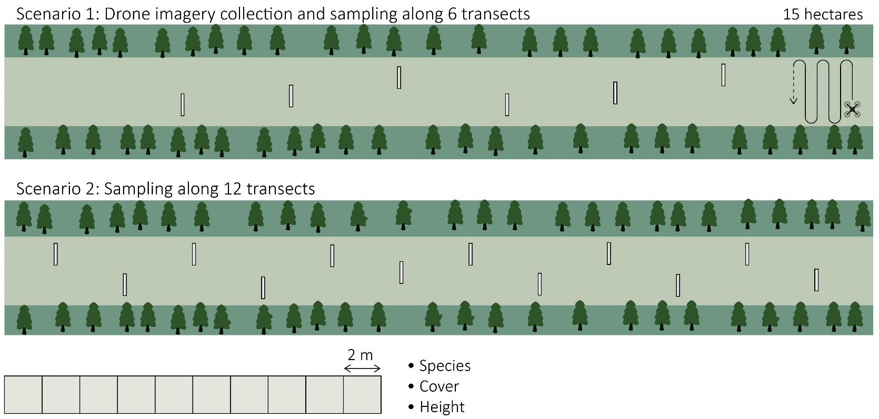
 |  | Breakdown structure of sampling time estimates By activity

ID |  | Project Activity Name | Estimated Effort Time Drone-assisted approach (hrs) | Estimated Effort Time Field-only approach (hrs) | Remarks
1 |  | Initial transect at a site | 1 | 1
2 |  | Sample time | 0 | 0 | Includes walking time.
13 |  | Total | 1 | 1

 |  | Measures and calculations

 |  | Preperation time was only measured once…

ID | Column1 | Task | Date | Starttime | Endtime | Total time | Remarks
1 |  | Assess suitability / layout site | 2021-08-18 | 10:13:00 | 11:23:00 | 1:10:00
 |  | Average |  |  |  | 1:10:00

 |  | Average sample time was derived from time measures from the last two sampling days.
 |  | Each transect contained 10 2x2m2 quadrats

ID | Column1 | Transect | Date | Starttime | Endtime | Total time | Remarks
1 |  | T3 | 2021-08-22 | 9:48:00 | 11:40:00 | 1:52:00
2 |  | T4 | 2021-08-22 | 12:10:00 | 13:30:00 | 1:20:00
3 |  | T5 | 2021-08-22 | 14:35:00 | 15:25:00 | 0:50:00
4 |  | T6 | 2021-08-22 | 15:35:00 | 17:30:00 | 1:55:00
5 |  | T1 (invasives) | 2021-08-24 | 13:32:00 | 14:14:00 | 0:42:00
7 |  | T3 | 2021-08-24 | 9:23:00 | 10:18:00 | 0:55:00
8 |  | T4 | 2021-08-24 | 10:30:00 | 11:38:00 | 1:08:00
9 |  | T5 | 2021-08-24 | 11:42:00 | 12:35:00 | 0:53:00
 |  | Average |  |  |  | 1:11:52

