Original
Monthly Demand of last 4 years

Material Code: DENTEQP024XXX
Seasonal Plot
Demand of DENTEQP024XXX
Month/Year | 2017-2018 | 2018-2019 | 2019-2020 | 2020-2021
April | 33 | 42 | 53 | 43 | 43
May | 49 | 54 | 60 | 21
June | 32 | 45 | 42 | 64
July | 37 | 43 | 50 | 59
August | 50 | 47 | 57 | 63
September | 63 | 73 | 75 | 84
October | 97 | 108 | 103 | 123
november | 77 | 87 | 101 | 110
December | 89 | 92 | 99 | 106
January | 99 | 104 | 119 | 130
February | 63 | 69 | 73 | 81
March | 55 | 61 | 66 | 69
Total | 744 | 825 | 898 | 953

YEAR | MONTH | DEMAND
2017-18 | April | 33
 | May | 49
 | June | 32
 | July | 37
 | August | 50
 | September | 63
 | October | 97
 | november | 77
DENTEQP024XXX
 | December | 89
 | January | 99
 | February | 63
 | March | 55
2018-19 | April | 42
 | May | 54
 | June | 45
 | July | 43
 | August | 47
 | September | 73
 | October | 108
 | november | 87
 | December | 92
 | January | 104
 | February | 69
 | March | 61
2019-20 | April | 53
 | May | 60
 | June | 42
 | July | 50
 | August | 57
 | September | 75
 | October | 103
 | november | 101
 | December | 99
 | January | 119
 | February | 73
 | March | 66
2020-21 | April | 43
 | May | 21
 | June | 64
 | July | 59
 | August | 63
 | September | 84
 | October | 123
 | november | 110
 | December | 106
 | January | 130
 | February | 81
 | March | 69

Decomposition
 | Forecast(St*Tt) | Cumulative moving average | Actual Value
April | 46 |  | 33
May | 45 |  | 49
June | 49 |  | 32
July | 49 |  | 37
August | 54 |  | 50
September | 74 | 62.375 | 63
October | 109 | 62.958333333 | 97
November | 93 | 63.708333333 | 77
December | 98 | 64.5 | 89
January | 112 | 64.625 | 99
February | 71 | 64.916666667 | 63
March | 63 | 65.791666667 | 55
April | 47 | 66.666666667 | 42
May | 47 | 67.208333333 | 54
June | 51 | 67.541666667 | 45
July | 51 | 68 | 43
August | 55 | 68.5 | 47
September | 76 | 69.208333333 | 73
October | 112 | 69.916666667 | 108
November | 96 | 70.041666667 | 87
December | 101 | 70.208333333 | 92
January | 115 | 70.916666667 | 104
February | 73 | 71.416666667 | 69
March | 64 | 71.291666667 | 61
April | 48 | 71.666666667 | 53
May | 48 | 72.541666667 | 60
June | 52 | 73.458333333 | 42
July | 52 | 74.25 | 50
August | 57 | 74.625 | 57
September | 78 | 74.402777778 | 75
October | 115 | 72.347222222 | 103
November | 98 | 71.638888889 | 101
December | 103 | 72.930555556 | 99
January | 118 | 73.555555556 | 119
February | 75 | 74.180555556 | 73
March | 66 | 75.388888889 | 66
April | 50 | 76.597222222 | 43
May | 49 | 77.263888889 | 21
June | 53 | 78.013888889 | 64
July | 53 | 78.805555556 | 59
August | 58 | 79.263888889 | 63
September | 80 |  | 84
October | 117 |  | 123
November | 101 |  | 110
December | 106 |  | 106
January | 121 |  | 130
February | 77 |  | 81
March | 67 |  | 69
Year | Time | Demand | Time period | Moving average(12) | Cummulative moving avg(CMA -12) | Seasonal and Irregular Components, (Yt /CMA) | Seasonal index(St | Deseasonalize(Yt/St) | Trend | Forecast(St*Tt) | Error | RMSE | Seasonal index
2017-2018 | April | 33 | 1 |  |  |  | 0.64 | 51.39 | 71.52 | 46 | -12.93 | 8.92 | Month | St
 | May | 49 | 2 |  |  |  | 0.63 | 77.27 | 71.68 | 45 | 3.55 |  | April | 0.64
 | June | 32 | 3 |  |  |  | 0.69 | 46.64 | 71.84 | 49 | -17.29 |  | May | 0.63
 | July | 37 | 4 |  |  |  | 0.68 | 54.03 | 71.99 | 49 | -12.30 |  | June | 0.69
 | August | 50 | 5 |  |  |  | 0.75 | 66.82 | 72.15 | 54 | -3.99 |  | July | 0.68 | SUMMARY OUTPUT
 | September | 63 | 6 | 62 | 62.38 | 1.01 | 1.02 | 61.51 | 72.30 | 74 | -11.06 |  | August | 0.75
 | October | 97 | 7 | 63 | 62.96 | 1.54 | 1.50 | 64.54 | 72.46 | 109 | -11.91 |  | September | 1.02 | Regression Statistics
 | November | 77 | 8 | 63 | 63.71 | 1.21 | 1.29 | 59.84 | 72.62 | 93 | -16.45 |  | October | 1.50 | Multiple R | 0.15737518297
 | December | 89 | 9 | 64 | 64.50 | 1.38 | 1.35 | 65.96 | 72.77 | 98 | -9.19 |  | November | 1.29 | R Square | 0.024766948216
 | January | 99 | 10 | 65 | 64.63 | 1.53 | 1.54 | 64.34 | 72.93 | 112 | -13.22 |  | December | 1.35 | Adjusted R Square | 0.0035662296989
 | February | 63 | 11 | 65 | 64.92 | 0.97 | 0.97 | 64.71 | 73.09 | 71 | -8.16 |  | January | 1.54 | Standard Error | 13.899456001
 | March | 55 | 12 | 65 | 65.79 | 0.84 | 0.86 | 64.28 | 73.24 | 63 | -7.67 |  | February | 0.97 | Observations | 48
2018-2019 | April | 42 | 13 | 66 | 66.67 | 0.63 | 0.64 | 65.40 | 73.40 | 47 | -5.14 |  | March | 0.86
 | May | 54 | 14 | 67 | 67.21 | 0.80 | 0.63 | 85.16 | 73.56 | 47 | 7.36 |  |  |  | ANOVA
 | June | 45 | 15 | 67 | 67.54 | 0.67 | 0.69 | 65.59 | 73.71 | 51 | -5.58 |  |  |  |  | df | SS | MS | F | Significance F
 | July | 43 | 16 | 68 | 68.00 | 0.63 | 0.68 | 62.79 | 73.87 | 51 | -7.59 |  |  |  | Regression | 1 | 225.69270535 | 225.69270535 | 1.1682126809 | 0.28540293741
 | August | 47 | 17 | 68 | 68.50 | 0.69 | 0.75 | 62.81 | 74.03 | 55 | -8.39 |  |  |  | Residual | 46 | 8886.9643479 | 193.19487713
 | September | 73 | 18 | 69 | 69.21 | 1.05 | 1.02 | 71.27 | 74.18 | 76 | -2.98 |  |  |  | Total | 47 | 9112.6570532
 | October | 108 | 19 | 70 | 69.92 | 1.54 | 1.50 | 71.85 | 74.34 | 112 | -3.73
 | November | 87 | 20 | 70 | 70.04 | 1.24 | 1.29 | 67.61 | 74.50 | 96 | -8.87 |  |  |  |  | Coefficients | Standard Error | t Stat | P-value | Lower 95% | Upper 95% | Lower 95.0% | Upper 95.0%
 | December | 92 | 21 | 70 | 70.21 | 1.31 | 1.35 | 68.19 | 74.65 | 101 | -8.72 |  |  |  | Intercept | 71.365534253 | 4.0759525582 | 17.508921714 | 5.6782682262E-22 | 63.161067287 | 79.570001218 | 63.161067287 | 79.570001218
 | January | 104 | 22 | 71 | 70.92 | 1.47 | 1.54 | 67.59 | 74.81 | 115 | -11.11 |  |  |  | Time period | 0.15652430949 | 0.14481743082 | 1.0808388783 | 0.28540293741 | -0.13497805965 | 0.44802667862 | -0.13497805965 | 0.44802667862
 | February | 69 | 23 | 71 | 71.42 | 0.97 | 0.97 | 70.87 | 74.97 | 73 | -3.98
 | March | 61 | 24 | 72 | 71.29 | 0.86 | 0.86 | 71.29 | 75.12 | 64 | -3.28
2019-2020 | April | 53 | 25 | 71 | 71.67 | 0.74 | 0.64 | 82.53 | 75.28 | 48 | 4.66
 | May | 60 | 26 | 72 | 72.54 | 0.83 | 0.63 | 94.62 | 75.44 | 48 | 12.16
 | June | 42 | 27 | 73 | 73.46 | 0.57 | 0.69 | 61.21 | 75.59 | 52 | -9.87
 | July | 50 | 28 | 74 | 74.25 | 0.67 | 0.68 | 73.01 | 75.75 | 52 | -1.87
 | August | 57 | 29 | 74 | 74.63 | 0.76 | 0.75 | 76.18 | 75.90 | 57 | 0.20
 | September | 75 | 30 | 75 | 74.40 | 1.01 | 1.02 | 73.22 | 76.06 | 78 | -2.91
 | October | 103 | 31 | 74 | 72.35 | 1.42 | 1.50 | 68.53 | 76.22 | 115 | -11.56
 | November | 101 | 32 | 71 | 71.64 | 1.41 | 1.29 | 78.49 | 76.37 | 98 | 2.72
 | December | 99 | 33 | 73 | 72.93 | 1.36 | 1.35 | 73.38 | 76.53 | 103 | -4.26
 | January | 119 | 34 | 73 | 73.56 | 1.62 | 1.54 | 77.34 | 76.69 | 118 | 1.00
 | February | 73 | 35 | 74 | 74.18 | 0.98 | 0.97 | 74.98 | 76.84 | 75 | -1.81
 | March | 66 | 36 | 75 | 75.39 | 0.88 | 0.86 | 77.13 | 77.00 | 66 | 0.11
2020-2021 | April | 43 | 37 | 76 | 76.60 | 0.56 | 0.64 | 66.44 | 77.16 | 50 | -6.88
 | May | 21 | 38 | 77 | 77.26 | 0.27 | 0.63 | 33.12 | 77.31 | 49 | -28.03
 | June | 64 | 39 | 78 | 78.01 | 0.82 | 0.69 | 93.28 | 77.47 | 53 | 10.85
 | July | 59 | 40 | 78 | 78.81 | 0.75 | 0.68 | 86.16 | 77.63 | 53 | 5.84
 | August | 63 | 41 | 79 | 79.26 | 0.79 | 0.75 | 84.20 | 77.78 | 58 | 4.80
 | September | 84 | 42 | 79 |  |  | 1.02 | 82.01 | 77.94 | 80 | 4.17
 | October | 123 | 43 |  |  |  | 1.50 | 81.83 | 78.10 | 117 | 5.62
 | November | 110 | 44 |  |  |  | 1.29 | 85.48 | 78.25 | 101 | 9.30
 | December | 106 | 45 |  |  |  | 1.35 | 78.56 | 78.41 | 106 | 0.21
 | January | 130 | 46 |  |  |  | 1.54 | 84.48 | 78.57 | 121 | 9.11
 | February | 81 | 47 |  |  |  | 0.97 | 83.20 | 78.72 | 77 | 4.36
 | March | 69 | 48 |  |  |  | 0.86 | 80.64 | 78.88 | 67 | 1.50
2021-2022 | April |  | 49 |  |  |  | 0.64 |  | 79.04 | 51
 | May |  | 50 |  |  |  | 0.63 |  | 79.19 | 50
 | June |  | 51 |  |  |  | 0.69 |  | 79.35 | 54
 | July |  | 52 |  |  |  | 0.68 |  | 79.50 | 54
 | August |  | 53 |  |  |  | 0.75 |  | 79.66 | 60
 | September |  | 54 |  |  |  | 1.02 |  | 79.82 | 82
 | October |  | 55 |  |  |  | 1.50 |  | 79.97 | 120
 | November |  | 56 |  |  |  | 1.29 |  | 80.13 | 103
 | December |  | 57 |  |  |  | 1.35 |  | 80.29 | 108
 | January |  | 58 |  |  |  | 1.54 |  | 80.44 | 124
 | February |  | 59 |  |  |  | 0.97 |  | 80.60 | 78
 | March |  | 60 |  |  |  | 0.86 |  | 80.76 | 69

Exp. smoothing
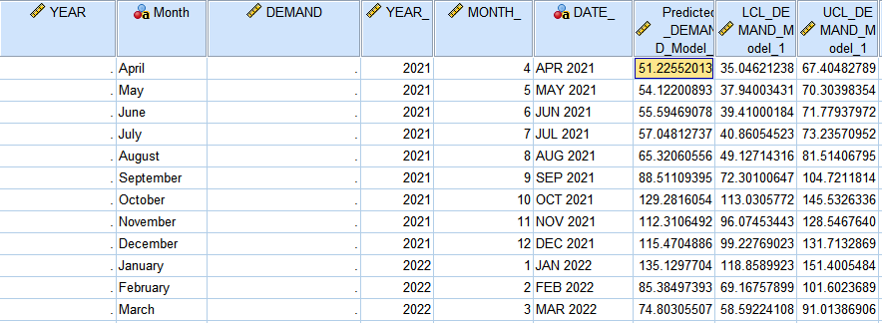
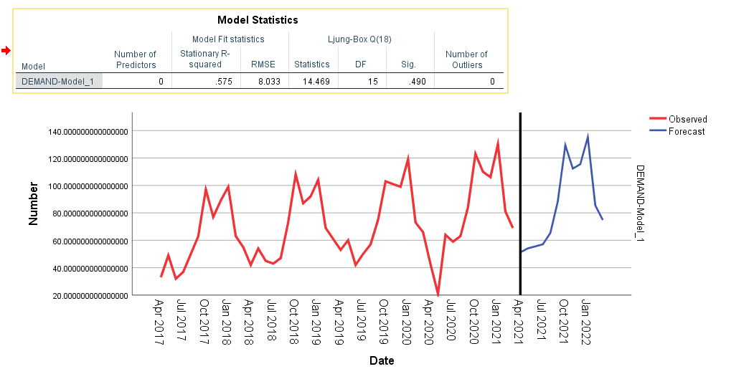
EXPONENTIAL SMOOTHING METHOD( SPSS)

Holt-winter(Damped)
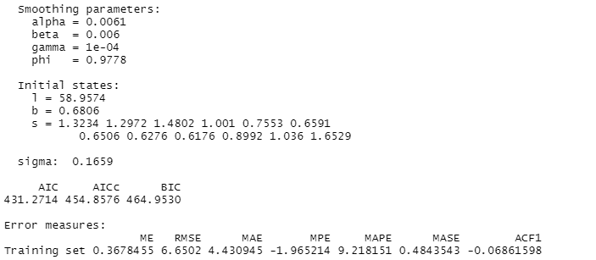
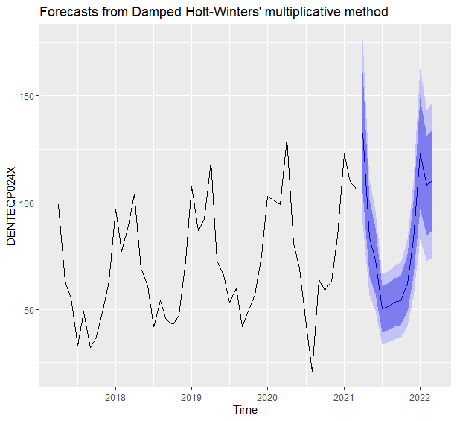

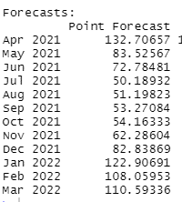

procurement graph
Index= | 12 | 11 | 10 | 9 | 7 | 7 | 5 | 5 | 3 | 3 | 2 | 1
Min Cost | 65,189,017 | 57,906,668 | 50,755,361 | 42,686,756 | 37,173,484 | 33,046,512 | 29,433,359 | 25,905,464 | 22,488,874 | 19,160,671 | 14,302,613 | 8,789,340

period | 12th month | 11th month | 10th month | 9th month | 8th month | 7th month | 6th month | 5th month | 4th month | 3rd month | 2nd month | 1st month
1 | 70,316,614 | 61,847,588 | 53,645,156 | 44,506,657 | 38,376,027 | 33,861,167 | 29,985,177 | 26,236,227 | 22,681,926 | 19,249,452 | 14,314,157 | 8,789,340
2 | 69,506,354 | 61,152,026 | 53,062,207 | 44,050,919 | 38,006,833 | 33,556,621 | 29,736,937 | 26,043,251 | 22,542,128 | 19,161,789 | 14,302,613
3 | 68,782,640 | 60,543,009 | 52,565,803 | 43,681,725 | 37,724,184 | 33,338,620 | 29,575,242 | 25,936,820 | 22,488,874 | 19,160,671
4 | 68,135,043 | 60,010,110 | 52,145,517 | 43,388,649 | 37,517,653 | 33,196,737 | 29,489,665 | 25,906,506 | 22,511,739
5 | 67,516,717 | 59,506,482 | 51,754,501 | 43,124,844 | 37,340,392 | 33,084,124 | 29,433,359 | 25,905,464
6 | 66,974,433 | 59,078,897 | 51,439,528 | 42,937,081 | 37,239,174 | 33,047,555 | 29,453,095
7 | 66,467,677 | 58,686,839 | 51,160,082 | 42,784,846 | 37,173,484 | 33,046,512
8 | 66,036,964 | 58,370,823 | 50,956,679 | 42,708,653 | 37,183,836
9 | 65,660,546 | 58,109,103 | 50,807,572 | 42,686,756
10 | 65,381,025 | 57,944,280 | 50,755,361
11 | 65,228,715 | 57,906,668
12 | 65,189,017

Year | Month | Demand |  | Month | Demand Procurred
2021-2022 | April | 133 |  | April | 133 | 133
 | May | 83 |  | May | 83 | 0 | 83
 | June | 73 |  | June | 123 |  | 0 | 123
 | July | 50 |  | July | 0 |  |  | 61.5 | 61.5
 | August | 51 |  | August | 104 |  |  |  | 0 | 104.0
 | September | 53 |  | September | 0 |  |  |  |  | 52.00 | 52
 | October | 54 |  | October | 116 |  |  |  |  |  | 0 | 116
 | November | 62 |  | November | 0 |  |  |  |  |  |  | 58 | 58
 | December | 83 |  | December | 83 |  |  |  |  |  |  |  | 0 | 83
 | January | 122 |  | January | 122 |  |  |  |  |  |  |  |  | 0 | 122
 | February | 108 |  | February | 108 |  |  |  |  |  |  |  |  |  | 0 | 108
 | March | 110 |  | March | 110 |  |  |  |  |  |  |  |  |  |  | 0 | 110

Procurement planning
April | 133 | 133
May | 83 | 0 | 83
June | 123 |  | 0 | 123
July | 0 |  |  | 61.5 | 61.5
August | 104 |  |  |  | 0 | 104
September | 0 |  |  |  |  | 52 | 52
October | 116 |  |  |  |  |  | 0 | 116
November | 0 |  |  |  |  |  |  | 58 | 58
December | 83 |  |  |  |  |  |  |  | 0 | 83
January | 122 |  |  |  |  |  |  |  |  | 0 | 122
February | 108 |  |  |  |  |  |  |  |  |  | 0 | 108
March | 110 |  |  |  |  |  |  |  |  |  |  | 0

