Original
Monthly Demand of last 4 years

Material Code: DENTEQP024XXX

2020-21
Seasonal Plot
Month/Year | 2017-2018 | 2018-2019 | 2019-2020 | 2020-2021
April | 27 | 35 | 54 | 39 | 39
May | 70 | 84 | 82 | 11
June | 78 | 73 | 106 | 127
July | 97 | 121 | 136 | 129
August | 41 | 32 | 43 | 77
September | 93 | 77 | 114 | 117
October | 31 | 38 | 51 | 87
november | 40 | 42 | 36 | 76
December | 83 | 98 | 116 | 155
January | 91 | 96 | 121 | 171
February | 28 | 53 | 56 | 103
March | 63 | 86 | 113 | 147
Total | 742 | 835 | 1028 | 1239

Year | Month | Demand
2017-18 | April | 27
 | May | 70
 | June | 78
 | July | 97
 | August | 41
 | September | 93
 | October | 31
 | november | 40
 | December | 83
 | January | 91
4 YEARS DEMAND OF DENEQP018XXX
 | February | 28
 | March | 63
2018-19 | April | 35
 | May | 84
 | June | 73
 | July | 121
 | August | 32
 | September | 77
 | October | 38
 | november | 42
 | December | 98
 | January | 96
 | February | 53
 | March | 86
2019-20 | April | 54
 | May | 82
 | June | 106
 | July | 136
 | August | 43
 | September | 114
 | October | 51
 | november | 36
 | December | 116
 | January | 121
 | February | 56
 | March | 113
2020-21 | April | 39
 | May | 11
 | June | 127
 | July | 129
 | August | 77
 | September | 117
 | October | 87
 | november | 76
 | December | 155
 | January | 171
 | February | 103
 | March | 147

Decomposition
 | Forecast(St*Tt) | Cumulative moving average | Actual Value
April | 29 |  | 27
May | 43 |  | 70
June | 68 |  | 78
July | 88 |  | 97
August | 33 |  | 41
September | 76 | 62.166666667 | 93
October | 33 | 63.083333333 | 31
November | 34 | 63.458333333 | 40
December | 84 | 64.25 | 83
January | 88 | 64.875 | 91
February | 39 | 63.833333333 | 28
March | 76 | 63.458333333 | 63
April | 38 | 63.833333333 | 35
May | 56 | 64.541666667 | 84
June | 88 | 65.375 | 73
July | 114 | 66.625 | 121
August | 42 | 68.625 | 32
September | 98 | 70.375 | 77
October | 42 | 71.083333333 | 38
November | 43 | 72.375 | 42
December | 106 | 74.375 | 98
January | 111 | 75.458333333 | 96
February | 49 | 77.458333333 | 53
March | 94 | 79.541666667 | 86
April | 47 | 79.833333333 | 54
May | 69 | 80.333333333 | 82
June | 108 | 82.125 | 106
July | 140 | 83.291666667 | 136
August | 52 | 84.541666667 | 43
September | 119 | 85.041666667 | 114
October | 51 | 81.458333333 | 51
November | 52 | 79.375 | 36
December | 128 | 79.958333333 | 116
January | 133 | 81.083333333 | 121
February | 58 | 82.625 | 56
March | 112 | 84.25 | 113
April | 56 | 87.416666667 | 39
May | 83 | 90.708333333 | 11
June | 129 | 94.416666667 | 127
July | 165 | 98.458333333 | 129
August | 61 | 101.83333333 | 77
September | 140 |  | 117
October | 60 |  | 87
November | 61 |  | 76
December | 150 |  | 155
January | 156 |  | 171
February | 68 |  | 103
March | 131 |  | 147
April | 65
May | 96
...
Year | Time | Demand | Time period | Moving average(12) | Cummulative moving avg(CMA -12) | Seasonal and Irregular Components, (Yt /CMA) | Seasonal index(St | Deseasonalize(Yt/St) | Trend | Forecast(St*Tt) | Error | RMSE | Seasonal index
2017-2018 | April | 27 | 1 |  |  |  | 0.56 | 48.48 | 51.53 | 29 | -1.70 | 17.48 | Month | St
 | May | 70 | 2 |  |  |  | 0.81 | 85.94 | 52.88 | 43 | 26.93 |  | April | 0.56
 | June | 78 | 3 |  |  |  | 1.25 | 62.36 | 54.23 | 68 | 10.17 |  | May | 0.81
 | July | 97 | 4 |  |  |  | 1.59 | 61.15 | 55.58 | 88 | 8.83 |  | June | 1.25
 | August | 41 | 5 |  |  |  | 0.58 | 71.05 | 56.93 | 33 | 8.15 |  | July | 1.59 | SUMMARY OUTPUT
 | September | 93 | 6 | 62 | 62.17 | 1.50 | 1.31 | 70.98 | 58.28 | 76 | 16.64 |  | August | 0.58
 | October | 31 | 7 | 63 | 63.08 | 0.49 | 0.55 | 56.29 | 59.63 | 33 | -1.84 |  | September | 1.31 | Regression Statistics
 | November | 40 | 8 | 64 | 63.46 | 0.63 | 0.55 | 72.11 | 60.98 | 34 | 6.17 |  | October | 0.55 | Multiple R | 0.64832419622
 | December | 83 | 9 | 63 | 64.25 | 1.29 | 1.35 | 61.33 | 62.33 | 84 | -1.36 |  | November | 0.55 | R Square | 0.4203242634
 | January | 91 | 10 | 65 | 64.88 | 1.40 | 1.39 | 65.51 | 63.68 | 88 | 2.54 |  | December | 1.35 | Adjusted R Square | 0.40772261695
 | February | 28 | 11 | 65 | 63.83 | 0.44 | 0.60 | 46.65 | 65.04 | 39 | -11.04 |  | January | 1.39 | Standard Error | 22.450716465
 | March | 63 | 12 | 63 | 63.46 | 0.99 | 1.14 | 55.34 | 66.39 | 76 | -12.57 |  | February | 0.60 | Observations | 48
2018-2019 | April | 35 | 13 | 64 | 63.83 | 0.55 | 0.56 | 62.84 | 67.74 | 38 | -2.73 |  | March | 1.14
 | May | 84 | 14 | 64 | 64.54 | 1.30 | 0.81 | 103.13 | 69.09 | 56 | 27.73 |  |  |  | ANOVA
 | June | 73 | 15 | 65 | 65.38 | 1.12 | 1.25 | 58.36 | 70.44 | 88 | -15.11 |  |  |  |  | df | SS | MS | F | Significance F
 | July | 121 | 16 | 66 | 66.63 | 1.82 | 1.59 | 76.27 | 71.79 | 114 | 7.11 |  |  |  | Regression | 1 | 16811.930265 | 16811.930265 | 33.354710048 | 6.2798274039E-07
 | August | 32 | 17 | 68 | 68.63 | 0.47 | 0.58 | 55.46 | 73.14 | 42 | -10.20 |  |  |  | Residual | 46 | 23185.59481 | 504.03466978
 | September | 77 | 18 | 70 | 70.38 | 1.09 | 1.31 | 58.77 | 74.49 | 98 | -20.60 |  |  |  | Total | 47 | 39997.525075
 | October | 38 | 19 | 71 | 71.08 | 0.53 | 0.55 | 69.00 | 75.84 | 42 | -3.77
 | November | 42 | 20 | 71 | 72.38 | 0.58 | 0.55 | 75.71 | 77.19 | 43 | -0.82 |  |  |  |  | Coefficients | Standard Error | t Stat | P-value | Lower 95% | Upper 95% | Lower 95.0% | Upper 95.0%
 | December | 98 | 21 | 74 | 74.38 | 1.32 | 1.35 | 72.41 | 78.54 | 106 | -8.30 |  |  |  | Intercept | 50.175206662 | 6.5835709829 | 7.6212752611 | 1.0754155375E-09 | 36.923165605 | 63.427247718 | 36.923165605 | 63.427247718
 | January | 96 | 22 | 75 | 75.46 | 1.27 | 1.39 | 69.11 | 79.90 | 111 | -14.98 |  |  |  | Time period | 1.3509268246 | 0.23391239759 | 5.775353673 | 6.2798274039E-07 | 0.88008558894 | 1.8217680602 | 0.88008558894 | 1.8217680602
 | February | 53 | 23 | 76 | 77.46 | 0.68 | 0.60 | 88.30 | 81.25 | 49 | 4.23
 | March | 86 | 24 | 79 | 79.54 | 1.08 | 1.14 | 75.54 | 82.60 | 94 | -8.03
2019-2020 | April | 54 | 25 | 80 | 79.83 | 0.68 | 0.56 | 96.96 | 83.95 | 47 | 7.24
 | May | 82 | 26 | 80 | 80.33 | 1.02 | 0.81 | 100.68 | 85.30 | 69 | 12.52
 | June | 106 | 27 | 81 | 82.13 | 1.29 | 1.25 | 84.74 | 86.65 | 108 | -2.38
 | July | 136 | 28 | 83 | 83.29 | 1.63 | 1.59 | 85.73 | 88.00 | 140 | -3.60
 | August | 43 | 29 | 83 | 84.54 | 0.51 | 0.58 | 74.52 | 89.35 | 52 | -8.56
 | September | 114 | 30 | 86 | 85.04 | 1.34 | 1.31 | 87.01 | 90.70 | 119 | -4.84
 | October | 51 | 31 | 84 | 81.46 | 0.63 | 0.55 | 92.61 | 92.05 | 51 | 0.31
 | November | 36 | 32 | 79 | 79.38 | 0.45 | 0.55 | 64.90 | 93.40 | 52 | -15.81
 | December | 116 | 33 | 80 | 79.96 | 1.45 | 1.35 | 85.71 | 94.76 | 128 | -12.24
 | January | 121 | 34 | 80 | 81.08 | 1.49 | 1.39 | 87.11 | 96.11 | 133 | -12.50
 | February | 56 | 35 | 83 | 82.63 | 0.68 | 0.60 | 93.30 | 97.46 | 58 | -2.50
 | March | 113 | 36 | 83 | 84.25 | 1.34 | 1.14 | 99.26 | 98.81 | 112 | 0.52
2020-2021 | April | 39 | 37 | 86 | 87.42 | 0.45 | 0.56 | 70.02 | 100.16 | 56 | -16.78
 | May | 11 | 38 | 89 | 90.71 | 0.12 | 0.81 | 13.51 | 101.51 | 83 | -71.68
 | June | 127 | 39 | 92 | 94.42 | 1.35 | 1.25 | 101.53 | 102.86 | 129 | -1.66
 | July | 129 | 40 | 97 | 98.46 | 1.31 | 1.59 | 81.32 | 104.21 | 165 | -36.32
 | August | 77 | 41 | 100 | 101.83 | 0.76 | 0.58 | 133.44 | 105.56 | 61 | 16.09
 | September | 117 | 42 | 103 |  |  | 1.31 | 89.30 | 106.91 | 140 | -23.08
 | October | 87 | 43 |  |  |  | 0.55 | 157.98 | 108.27 | 60 | 27.38
 | November | 76 | 44 |  |  |  | 0.55 | 137.00 | 109.62 | 61 | 15.19
 | December | 155 | 45 |  |  |  | 1.35 | 114.53 | 110.97 | 150 | 4.82
 | January | 171 | 46 |  |  |  | 1.39 | 123.10 | 112.32 | 156 | 14.98
 | February | 103 | 47 |  |  |  | 0.60 | 171.61 | 113.67 | 68 | 34.77
 | March | 147 | 48 |  |  |  | 1.14 | 129.13 | 115.02 | 131 | 16.06
2021-2022 | April |  | 49 |  |  |  | 0.56 |  | 116.37 | 65
 | May |  | 50 |  |  |  | 0.81 |  | 117.72 | 96
 | June |  | 51 |  |  |  | 1.25 |  | 119.07 | 149
 | July |  | 52 |  |  |  | 1.59 |  | 120.42 | 191
 | August |  | 53 |  |  |  | 0.58 |  | 121.77 | 70
 | September |  | 54 |  |  |  | 1.31 |  | 123.13 | 161
 | October |  | 55 |  |  |  | 0.55 |  | 124.48 | 69
 | November |  | 56 |  |  |  | 0.55 |  | 125.83 | 70
 | December |  | 57 |  |  |  | 1.35 |  | 127.18 | 172
 | January |  | 58 |  |  |  | 1.39 |  | 128.53 | 179
 | February |  | 59 |  |  |  | 0.60 |  | 129.88 | 78
 | March |  | 60 |  |  |  | 1.14 |  | 131.23 | 149

Exp. smoothing
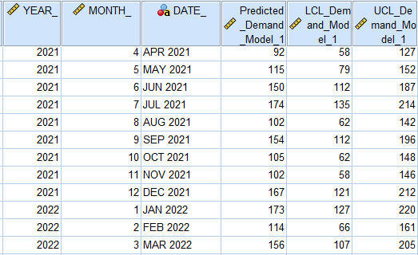
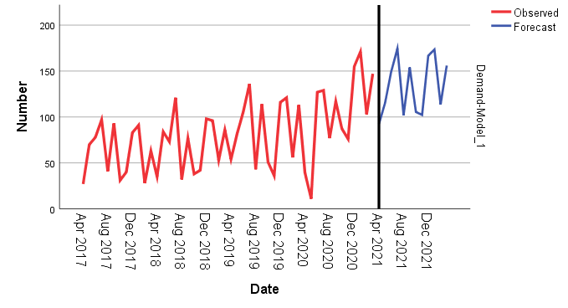
EXPONENTIAL SMOOTHING METHOD( SPSS)

Holt-winter(Damped)
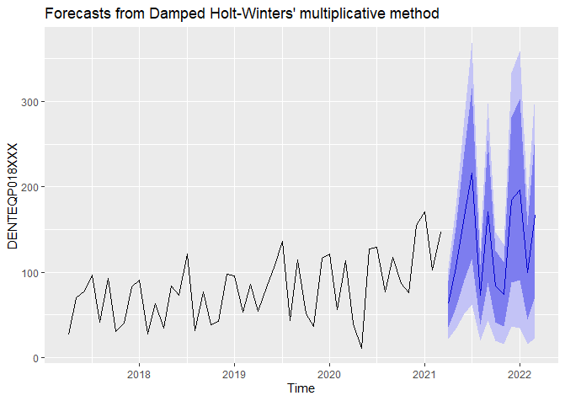
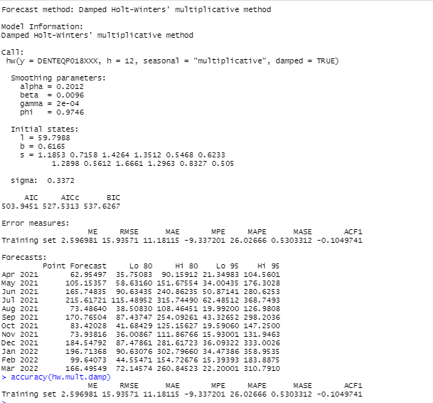

Procurement-Plan
Index= | 12 | 11 | 10 | 9 | 7 | 6 | 6 | 4 | 4 | 3 | 2 | 1
Min Cost | 23,605,660 | 21,159,354 | 19,677,723 | 16,778,312 | 14,054,296 | 12,954,783 | 11,722,324 | 9,202,936 | 8,118,966 | 4,941,845 | 2,495,539 | 940,827

period | 12th month | 11th month | 10th month | 9th month | 8th month | 7th month | 6th month | 5th month | 4th month | 3rd month | 2nd month | 1st month
1 | 25,560,966 | 22,709,925 | 21,015,690 | 17,723,872 | 14,675,602 | 13,473,506 | 12,144,516 | 9,446,252 | 8,311,342 | 5,003,493 | 2,499,962 | 940,827
2 | 25,223,686 | 22,411,257 | 20,740,283 | 17,494,287 | 14,489,049 | 13,304,167 | 11,994,483 | 9,335,994 | 8,218,063 | 4,960,457 | 2,495,539
3 | 24,910,830 | 22,137,013 | 20,489,299 | 17,289,127 | 14,326,920 | 13,159,250 | 11,868,873 | 9,250,159 | 8,149,209 | 4,941,845
4 | 24,636,585 | 21,901,381 | 20,276,928 | 17,122,578 | 14,203,403 | 13,052,946 | 11,781,875 | 9,202,936 | 8,118,966
5 | 24,412,583 | 21,715,991 | 20,114,799 | 17,006,272 | 14,130,129 | 12,996,885 | 11,745,119 | 9,205,956
6 | 24,202,542 | 21,544,562 | 19,966,630 | 16,903,926 | 14,070,815 | 12,954,783 | 11,722,324
7 | 24,035,296 | 21,415,928 | 19,861,256 | 16,844,376 | 14,054,296 | 12,955,477
8 | 23,886,662 | 21,305,906 | 19,774,495 | 16,803,437 | 14,056,390
9 | 23,753,841 | 21,211,698 | 19,703,547 | 16,778,312
10 | 23,666,145 | 21,162,614 | 19,677,723
11 | 23,624,272 | 21,159,354
12 | 23,605,660

Year | Month | Demand |  | Month | Demand Procurred
2021-2022 | April | 63 |  | April | 63 | 63
 | May | 105 |  | May | 105 | 0 | 105
 | June | 166 |  | June | 166 |  | 0 | 166
 | July | 216 |  | July | 289 |  |  | 0 | 289
 | August | 73 |  | August | 0 |  |  |  | 144.5 | 144.5
 | September | 171 |  | September | 254 |  |  |  |  | 0 | 254
 | October | 83 |  | October | 0 |  |  |  |  |  | 127.00 | 127.00
 | November | 74 |  | November | 74 |  |  |  |  |  |  | 0 | 74.00
 | December | 185 |  | December | 185 |  |  |  |  |  |  |  | 0 | 185
 | January | 197 |  | January | 197 |  |  |  |  |  |  |  |  | 0 | 197
 | February | 100 |  | February | 100 |  |  |  |  |  |  |  |  |  | 0 | 100
 | March | 166 |  | March | 166 |  |  |  |  |  |  |  |  |  |  | 0 | 166

PROCUREMENT PLANNING
April | 63 | 63
May | 105 | 0 | 105
June | 166 |  | 0 | 166
July | 289 |  |  | 0 | 289
August | 0 |  |  |  | 144.5 | 144.5
September | 254 |  |  |  |  | 0 | 254
October | 0 |  |  |  |  |  | 127 | 127
November | 74 |  |  |  |  |  |  | 0 | 74
December | 185 |  |  |  |  |  |  |  | 0 | 185
January | 197 |  |  |  |  |  |  |  |  | 0 | 197
February | 100 |  |  |  |  |  |  |  |  |  | 0 | 100
March | 166 |  |  |  |  |  |  |  |  |  |  | 0

