Original
DEMAND OF DENTEQP023XXX IN 2020-2021
Monthly Demand of last 4 years

Material Code: DENTEQP023XXX

Month/Year | 2017-2018 | 2018-2019 | 2019-2020 | 2020-2021
April | 33 | 42 | 75 | 50 | 50
May | 52 | 54 | 60 | 17
June | 49 | 45 | 42 | 80
July | 82 | 93 | 105 | 122
August | 50 | 47 | 75 | 103
September | 64 | 72 | 81 | 97
October | 97 | 108 | 77 | 93
november | 77 | 87 | 61 | 79
December | 89 | 92 | 76 | 95
January | 105 | 104 | 69 | 87
February | 63 | 69 | 73 | 99
March | 55 | 61 | 84 | 103
Total | 816 | 874 | 878 | 1025
SEASONAL PLOT

YEAR | MONTH | DEMAND
2017-18 | April | 33
 | May | 52
 | June | 49
 | July | 82
 | August | 50
 | September | 64
 | October | 97
 | november | 77
 | December | 89
 | January | 105
 | February | 63
 | March | 55
2018-19 | April | 42
 | May | 54
 | June | 45
 | July | 93
 | August | 47
 | September | 72
 | October | 108
 | november | 87
DENTEQP023XXX
 | December | 92
 | January | 104
 | February | 69
 | March | 61
2019-20 | April | 75
 | May | 60
 | June | 42
 | July | 105
 | August | 75
 | September | 81
 | October | 77
 | november | 61
 | December | 76
 | January | 69
 | February | 73
 | March | 84
2020-21 | April | 50
 | May | 17
 | June | 80
 | July | 122
 | August | 103
 | September | 97
 | October | 93
 | november | 79
 | December | 95
 | January | 87
 | February | 99
 | March | 103

Decomposition method
 | Forecast(St*Tt) | Cumulative moving average | Actual Value
April | 53 |  | 33
May | 42 |  | 52
June | 53 |  | 49
July | 102 |  | 82
August | 70 |  | 50
September | 73 | 68.375 | 64
October | 95 | 68.833333333 | 97
November | 76 | 68.75 | 77
December | 86 | 69.041666667 | 89
January | 92 | 69.375 | 105
February | 67 | 69.583333333 | 63
March | 65 | 70.375 | 55
April | 54 | 71.25 | 42
May | 43 | 71.791666667 | 54
June | 54 | 71.875 | 45
July | 104 | 72.083333333 | 93
August | 72 | 72.583333333 | 47
September | 75 | 74.208333333 | 72
October | 98 | 75.833333333 | 108
November | 78 | 75.958333333 | 87
December | 89 | 76.333333333 | 92
January | 94 | 78 | 104
February | 69 | 79.541666667 | 69
March | 67 | 78.625 | 61
April | 56 | 76.25 | 75
May | 45 | 74.5 | 60
June | 55 | 72.375 | 42
July | 107 | 71.083333333 | 105
August | 73 | 72.208333333 | 75
September | 77 | 72.125 | 81
October | 100 | 69.291666667 | 77
November | 80 | 69.083333333 | 61
December | 91 | 71.375 | 76
January | 97 | 73.25 | 69
February | 70 | 75.083333333 | 73
March | 68 | 76.416666667 | 84
April | 57 | 77.833333333 | 50
May | 46 | 79.375 | 17
June | 57 | 80.916666667 | 80
July | 110 | 82.75 | 122
August | 75 | 84.625 | 103
September | 79 |  | 97
October | 103 |  | 93
November | 82 |  | 79
December | 93 |  | 95
January | 99 |  | 87
February | 72 |  | 99
March | 70 |  | 103
Year | Time | Demand | Time period | Moving average(12) | Cummulative moving avg(CMA -12) | Seasonal and Irregular Components, (Yt /CMA) | Seasonal index(St | Deseasonalize(Yt/St) | Trend | Forecast(St*Tt) | Error | RMSE | Seasonal index
2017-2018 | April | 33 | 1 |  |  |  | 0.74 | 44.69 | 71.52 | 53 | -19.82 | 14.99 | Month | St
 | May | 52 | 2 |  |  |  | 0.59 | 88.05 | 71.68 | 42 | 9.67 |  | April | 0.74
 | June | 49 | 3 |  |  |  | 0.73 | 66.97 | 71.84 | 53 | -3.56 |  | May | 0.59
 | July | 82 | 4 |  |  |  | 1.41 | 58.00 | 71.99 | 102 | -19.79 |  | June | 0.73
 | August | 50 | 5 |  |  |  | 0.97 | 51.66 | 72.15 | 70 | -19.82 |  | July | 1.41 | SUMMARY OUTPUT
 | September | 64 | 6 | 68 | 68.38 | 0.94 | 1.01 | 63.38 | 72.30 | 73 | -9.01 |  | August | 0.97
 | October | 97 | 7 | 69 | 68.83 | 1.41 | 1.31 | 73.77 | 72.46 | 95 | 1.72 |  | September | 1.01 | Regression Statistics
 | November | 77 | 8 | 69 | 68.75 | 1.12 | 1.05 | 73.37 | 72.62 | 76 | 0.79 |  | October | 1.31 | Multiple R | 0.15737518297
 | December | 89 | 9 | 69 | 69.04 | 1.29 | 1.19 | 75.02 | 72.77 | 86 | 2.66 |  | November | 1.05 | R Square | 0.024766948216
 | January | 105 | 10 | 70 | 69.38 | 1.51 | 1.26 | 83.14 | 72.93 | 92 | 12.89 |  | December | 1.19 | Adjusted R Square | 0.0035662296989
 | February | 63 | 11 | 69 | 69.58 | 0.91 | 0.92 | 68.85 | 73.09 | 67 | -3.88 |  | January | 1.26 | Standard Error | 13.899456001
 | March | 55 | 12 | 70 | 70.38 | 0.78 | 0.89 | 62.11 | 73.24 | 65 | -9.86 |  | February | 0.92 | Observations | 48
2018-2019 | April | 42 | 13 | 71 | 71.25 | 0.59 | 0.74 | 56.87 | 73.40 | 54 | -12.21 |  | March | 0.89
 | May | 54 | 14 | 72 | 71.79 | 0.75 | 0.59 | 91.44 | 73.56 | 43 | 10.56 |  |  |  | ANOVA
 | June | 45 | 15 | 72 | 71.88 | 0.63 | 0.73 | 61.50 | 73.71 | 54 | -8.94 |  |  |  |  | df | SS | MS | F | Significance F
 | July | 93 | 16 | 72 | 72.08 | 1.29 | 1.41 | 65.78 | 73.87 | 104 | -11.44 |  |  |  | Regression | 1 | 225.69270535 | 225.69270535 | 1.1682126809 | 0.28540293741
 | August | 47 | 17 | 72 | 72.58 | 0.65 | 0.97 | 48.56 | 74.03 | 72 | -24.64 |  |  |  | Residual | 46 | 8886.9643479 | 193.19487713
 | September | 72 | 18 | 73 | 74.21 | 0.97 | 1.01 | 71.30 | 74.18 | 75 | -2.91 |  |  |  | Total | 47 | 9112.6570532
 | October | 108 | 19 | 76 | 75.83 | 1.42 | 1.31 | 82.14 | 74.34 | 98 | 10.25
 | November | 87 | 20 | 76 | 75.96 | 1.15 | 1.05 | 82.90 | 74.50 | 78 | 8.82 |  |  |  |  | Coefficients | Standard Error | t Stat | P-value | Lower 95% | Upper 95% | Lower 95.0% | Upper 95.0%
 | December | 92 | 21 | 76 | 76.33 | 1.21 | 1.19 | 77.55 | 74.65 | 89 | 3.43 |  |  |  | Intercept | 71.365534253 | 4.0759525582 | 17.508921714 | 5.6782682262E-22 | 63.161067287 | 79.570001218 | 63.161067287 | 79.570001218
 | January | 104 | 22 | 77 | 78.00 | 1.33 | 1.26 | 82.35 | 74.81 | 94 | 9.52 |  |  |  | Time period | 0.15652430949 | 0.14481743082 | 1.0808388783 | 0.28540293741 | -0.13497805965 | 0.44802667862 | -0.13497805965 | 0.44802667862
 | February | 69 | 23 | 79 | 79.54 | 0.87 | 0.92 | 75.41 | 74.97 | 69 | 0.40
 | March | 61 | 24 | 80 | 78.63 | 0.78 | 0.89 | 68.89 | 75.12 | 67 | -5.52
2019-2020 | April | 75 | 25 | 77 | 76.25 | 0.98 | 0.74 | 101.56 | 75.28 | 56 | 19.41
 | May | 60 | 26 | 75 | 74.50 | 0.81 | 0.59 | 101.60 | 75.44 | 45 | 15.45
 | June | 42 | 27 | 74 | 72.38 | 0.58 | 0.73 | 57.40 | 75.59 | 55 | -13.31
 | July | 105 | 28 | 71 | 71.08 | 1.48 | 1.41 | 74.26 | 75.75 | 107 | -2.10
 | August | 75 | 29 | 71 | 72.21 | 1.04 | 0.97 | 77.50 | 75.90 | 73 | 1.54
 | September | 81 | 30 | 73 | 72.13 | 1.12 | 1.01 | 80.22 | 76.06 | 77 | 4.20
 | October | 77 | 31 | 71 | 69.29 | 1.11 | 1.31 | 58.56 | 76.22 | 100 | -23.22
 | November | 61 | 32 | 68 | 69.08 | 0.88 | 1.05 | 58.13 | 76.37 | 80 | -19.15
 | December | 76 | 33 | 71 | 71.38 | 1.06 | 1.19 | 64.06 | 76.53 | 91 | -14.79
 | January | 69 | 34 | 72 | 73.25 | 0.94 | 1.26 | 54.63 | 76.69 | 97 | -27.85
 | February | 73 | 35 | 74 | 75.08 | 0.97 | 0.92 | 79.78 | 76.84 | 70 | 2.68
 | March | 84 | 36 | 76 | 76.42 | 1.10 | 0.89 | 94.86 | 77.00 | 68 | 15.81
2020-2021 | April | 50 | 37 | 77 | 77.83 | 0.64 | 0.74 | 67.71 | 77.16 | 57 | -6.98
 | May | 17 | 38 | 79 | 79.38 | 0.21 | 0.59 | 28.79 | 77.31 | 46 | -28.66
 | June | 80 | 39 | 80 | 80.92 | 0.99 | 0.73 | 109.34 | 77.47 | 57 | 23.32
 | July | 122 | 40 | 82 | 82.75 | 1.47 | 1.41 | 86.29 | 77.63 | 110 | 12.25
 | August | 103 | 41 | 84 | 84.63 | 1.22 | 0.97 | 106.43 | 77.78 | 75 | 27.72
 | September | 97 | 42 | 85 |  |  | 1.01 | 96.06 | 77.94 | 79 | 18.30
 | October | 93 | 43 |  |  |  | 1.31 | 70.73 | 78.10 | 103 | -9.69
 | November | 79 | 44 |  |  |  | 1.05 | 75.28 | 78.25 | 82 | -3.12
 | December | 95 | 45 |  |  |  | 1.19 | 80.08 | 78.41 | 93 | 1.98
 | January | 87 | 46 |  |  |  | 1.26 | 68.89 | 78.57 | 99 | -12.22
 | February | 99 | 47 |  |  |  | 0.92 | 108.19 | 78.72 | 72 | 26.97
 | March | 103 | 48 |  |  |  | 0.89 | 116.31 | 78.88 | 70 | 33.15

Exp. smoothing
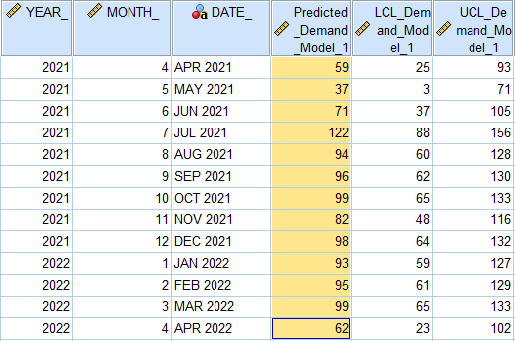

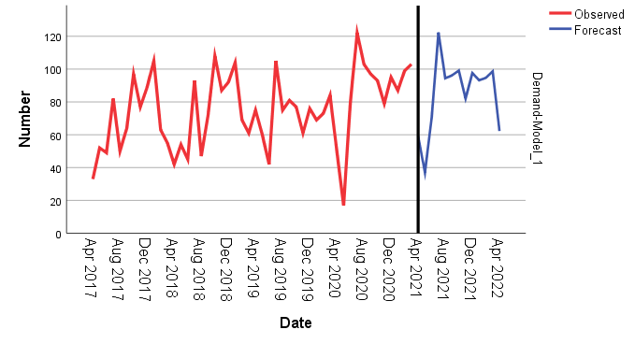

Holt-winter
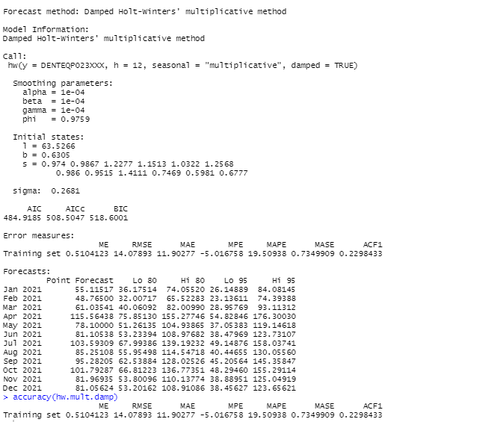
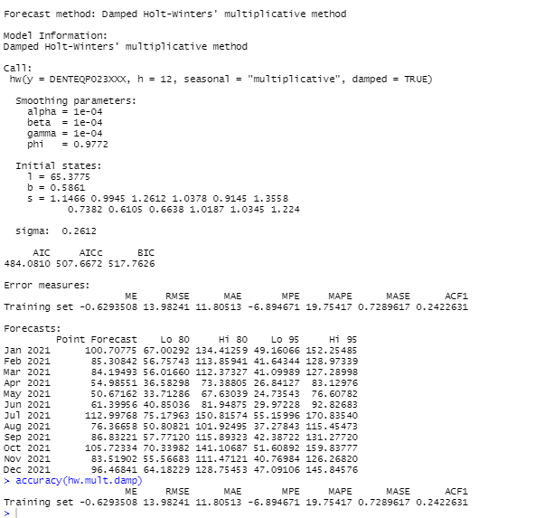
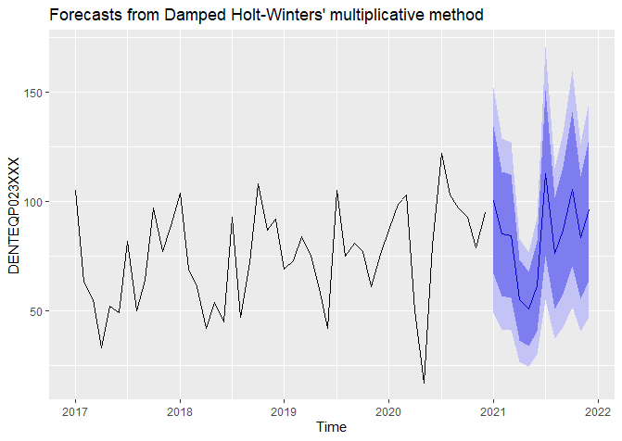

procurement graph
Index= | 12 | 11 | 10 | 9 | 8 | 7 | 6 | 4 | 4 | 3 | 1 | 1
Min Cost | 55,532,462 | 50,971,729 | 46,355,555 | 40,685,999 | 35,349,091 | 30,566,593 | 24,730,714 | 20,169,981 | 15,776,753 | 9,331,021 | 5,879,111 | 3,119,263

period | 12th month | 11th month | 10th month | 9th month | 8th month | 7th month | 6th month | 5th month | 4th month | 3rd month | 2nd month | 1st month
1 | 59,935,936 | 54,659,081 | 49,389,428 | 42,987,869 | 37,050,419 | 31,812,958 | 25,496,529 | 20,648,468 | 16,048,783 | 9,368,661 | 5,879,111 | 3,119,263
2 | 59,183,640 | 53,978,251 | 48,780,946 | 42,468,498 | 36,614,866 | 31,452,399 | 25,227,729 | 20,451,133 | 15,920,268 | 9,341,609 | 5,905,879
3 | 58,447,809 | 53,313,885 | 48,188,928 | 41,965,592 | 36,195,777 | 31,108,306 | 24,975,393 | 20,270,264 | 15,808,217 | 9,331,021
4 | 57,792,565 | 52,730,107 | 47,677,498 | 41,543,273 | 35,857,276 | 30,844,799 | 24,803,645 | 20,169,981 | 15,776,753
5 | 57,238,785 | 52,247,793 | 47,267,531 | 41,222,418 | 35,620,239 | 30,682,757 | 24,733,361 | 20,171,163
6 | 56,752,642 | 51,833,116 | 46,925,202 | 40,969,201 | 35,450,839 | 30,588,352 | 24,730,714
7 | 56,339,146 | 51,491,085 | 46,655,520 | 40,788,630 | 35,354,085 | 30,566,593
8 | 56,017,409 | 51,240,814 | 46,477,596 | 40,699,817 | 35,349,091
9 | 55,770,666 | 51,065,536 | 46,374,667 | 40,685,999
10 | 55,607,741 | 50,974,077 | 46,355,555
11 | 55,533,928 | 50,971,729
12 | 55,532,462

Year | Month | Demand |  | Month | Demand Procurred
2021-2022 | April | 55 |  | April | 104 | 104
 | May | 49 |  | May | 0 | 52 | 52
 | June | 61 |  | June | 61 |  | 0 | 61
 | July | 115 |  | July | 193 |  |  | 0 | 193
 | August | 78 |  | August | 0 |  |  |  | 96.5 | 96.5
 | September | 81 |  | September | 81 |  |  |  |  | 0 | 81
 | October | 104 |  | October | 104 |  |  |  |  |  | 0 | 104
 | November | 85 |  | November | 85 |  |  |  |  |  |  | 0 | 85.0
 | December | 95 |  | December | 95 |  |  |  |  |  |  |  | 0 | 95
 | January | 101 |  | January | 101 |  |  |  |  |  |  |  |  | 0 | 101
 | February | 82 |  | February | 82 |  |  |  |  |  |  |  |  |  | 0 | 82
 | March | 81 |  | March | 81 |  |  |  |  |  |  |  |  |  |  | 0 | 81
PROCUREMENT PLAN
April | 104 | 104
May | 0 | 52 | 52
June | 61 |  | 0 | 61
July | 193 |  |  | 0 | 193
August | 0 |  |  |  | 96.5 | 96.5
September | 81 |  |  |  |  | 0 | 81
October | 104 |  |  |  |  |  | 0 | 104
November | 85 |  |  |  |  |  |  | 0 | 85
December | 95 |  |  |  |  |  |  |  | 0 | 95
January | 101 |  |  |  |  |  |  |  |  | 0 | 101
February | 82 |  |  |  |  |  |  |  |  |  | 0 | 82
March | 81 |  |  |  |  |  |  |  |  |  |  | 0

