ORIGINIAL
2020-21
Material Code: DENTEQP016XXX
Monthly Demand of last 4 years

Month/Year | 2017-2018 | 2018-2019 | 2019-2020 | 2020-2021
April | 12 | 15 | 21 | 16 | 16
may | 7 | 12 | 10 | 5
june | 17 | 28 | 37 | 50
July | 32 | 32 | 45 | 61
August | 14 | 16 | 17 | 30
September | 21 | 26 | 56 | 44
October | 14 | 13 | 12 | 23
November | 16 | 22 | 35 | 49
December | 15 | 25 | 27 | 39
January | 23 | 29 | 55 | 63
February | 17 | 22 | 19 | 37
March | 23 | 26 | 37 | 51
Total | 211 | 266 | 371 | 468
SEASONAL PLOT

YEAR | MONTH | DEMAND
2017-18 | April | 12
 | may | 7
 | june | 17
 | July | 32
 | August | 14
 | September | 21
 | October | 14
 | November | 16
 | December | 15
 | January | 23
 | February | 17
 | March | 23
2018-19 | April | 15
 | may | 12
 | june | 28
 | July | 32
 | August | 16
 | September | 26
 | October | 13
 | November | 22
 | December | 25
 | January | 29
 | February | 22
 | March | 26
2019-20 | April | 21
 | may | 10
 | june | 37
 | July | 45
 | August | 17
 | September | 56
 | October | 12
 | November | 35
 | December | 27
 | January | 55
 | February | 19
 | March | 37
2020-21 | April | 16
 | may | 5
 | june | 50
 | July | 61
 | August | 30
 | September | 44
 | October | 23
 | November | 49
 | December | 39
 | January | 63
 | February | 37
 | March | 51

DECOMPOSITION
 | Forecast(St*Tt) | Demand | Cummulative moving avg(CMA -12)
April | 10 | 12
May | 5 | 7
June | 21 | 17
July | 25 | 32
August | 12 | 14
September | 24 | 21 | 17.708333333
October | 10 | 14 | 18.041666667
November | 18 | 16 | 18.708333333
December | 17 | 15 | 19.166666667
January | 27 | 23 | 19.25
February | 16 | 17 | 19.541666667
March | 23 | 23 | 19.708333333
April | 14 | 15 | 19.916666667
May | 8 | 12 | 20.583333333
June | 30 | 28 | 21.25
July | 36 | 32 | 21.708333333
August | 16 | 16 | 22.041666667
September | 34 | 26 | 22.416666667
October | 14 | 13 | 22.583333333
November | 25 | 22 | 22.875
December | 23 | 25 | 23.791666667
January | 36 | 29 | 24.375
February | 21 | 22 | 25.666666667
March | 30 | 26 | 26.875
April | 19 | 21 | 27.375
May | 10 | 10 | 28
June | 39 | 37 | 29.166666667
July | 46 | 45 | 30.125
August | 21 | 17 | 30.458333333
September | 43 | 56 | 30.708333333
October | 18 | 12 | 30.291666667
November | 32 | 35 | 30.625
December | 29 | 27 | 31.833333333
January | 45 | 55 | 33.041666667
February | 26 | 19 | 33.083333333
March | 37 | 37 | 33.041666667
April | 23 | 16 | 34.083333333
May | 13 | 5 | 35.166666667
June | 48 | 50 | 36
July | 57 | 61 | 37.083333333
August | 26 | 30 | 38.416666667
September | 53 | 44
October | 22 | 23
November | 39 | 49
December | 35 | 39
January | 54 | 63
February | 31 | 37
March | 45 | 51
April | 28
May | 15
...
Year | Time | Demand | Time period | Moving average(12) | Cummulative moving avg(CMA -12) | Seasonal and Irregular Components, (Yt /CMA) | Seasonal index(St | Deseasonalize(Yt/St) | Trend | Forecast(St*Tt) | Error | RMSE | Seasonal index
2017-2018 | April | 12 | 1 |  |  |  | 0.66 | 18.09 | 14.58 | 10 | 2.33 | 4.98 | Month | St
 | May | 7 | 2 |  |  |  | 0.36 | 19.40 | 15.15 | 5 | 1.54 |  | April | 0.66
 | June | 17 | 3 |  |  |  | 1.33 | 12.83 | 15.72 | 21 | -3.83 |  | May | 0.36
 | July | 32 | 4 |  |  |  | 1.54 | 20.81 | 16.29 | 25 | 6.96 |  | June | 1.33 | SUMMARY OUTPUT
 | August | 14 | 5 |  |  |  | 0.69 | 20.34 | 16.86 | 12 | 2.40 |  | July | 1.54
 | September | 21 | 6 | 18 | 17.71 | 1.19 | 1.39 | 15.11 | 17.43 | 24 | -3.22 |  | August | 0.69 | Regression Statistics
 | October | 14 | 7 | 18 | 18.04 | 0.78 | 0.58 | 24.03 | 18.00 | 10 | 3.51 |  | September | 1.39 | Multiple R | 0.79734544176
 | November | 16 | 8 | 18 | 18.71 | 0.86 | 0.99 | 16.22 | 18.57 | 18 | -2.32 |  | October | 0.58 | R Square | 0.6357597535
 | December | 15 | 9 | 19 | 19.17 | 0.78 | 0.89 | 16.78 | 19.14 | 17 | -2.11 |  | November | 0.99 | Adjusted R Square | 0.62784148727
 | January | 23 | 10 | 19 | 19.25 | 1.19 | 1.35 | 17.04 | 19.71 | 27 | -3.60 |  | December | 0.89 | Standard Error | 6.112452376
 | February | 17 | 11 | 19 | 19.54 | 0.87 | 0.77 | 22.16 | 20.28 | 16 | 1.44 |  | January | 1.35 | Observations | 48
 | March | 23 | 12 | 20 | 19.71 | 1.17 | 1.08 | 21.20 | 20.85 | 23 | 0.38 |  | February | 0.77
2018-2019 | April | 15 | 13 | 20 | 19.92 | 0.75 | 0.66 | 22.62 | 21.42 | 14 | 0.79 |  | March | 1.08 | ANOVA
 | May | 12 | 14 | 20 | 20.58 | 0.58 | 0.36 | 33.26 | 21.99 | 8 | 4.07 |  |  |  |  | df | SS | MS | F | Significance F
 | June | 28 | 15 | 21 | 21.25 | 1.32 | 1.33 | 21.13 | 22.56 | 30 | -1.90 |  |  |  | Regression | 1 | 2999.8111079 | 2999.8111079 | 80.290272538 | 1.1842220042E-11
 | July | 32 | 16 | 22 | 21.71 | 1.47 | 1.54 | 20.81 | 23.14 | 36 | -3.57 |  |  |  | Residual | 46 | 1718.6554062 | 37.362074048
 | August | 16 | 17 | 22 | 22.04 | 0.73 | 0.69 | 23.25 | 23.71 | 16 | -0.32 |  |  |  | Total | 47 | 4718.4665142
 | September | 26 | 18 | 22 | 22.42 | 1.16 | 1.39 | 18.71 | 24.28 | 34 | -7.74
 | October | 13 | 19 | 23 | 22.58 | 0.58 | 0.58 | 22.31 | 24.85 | 14 | -1.48 |  |  |  |  | Coefficients | Standard Error | t Stat | P-value | Lower 95% | Upper 95% | Lower 95.0% | Upper 95.0%
 | November | 22 | 20 | 23 | 22.88 | 0.96 | 0.99 | 22.30 | 25.42 | 25 | -3.08 |  |  |  | Intercept | 14.004731472 | 1.792448992 | 7.8131827094 | 5.5834769362E-10 | 10.396718785 | 17.612744159 | 10.396718785 | 17.612744159
 | December | 25 | 21 | 23 | 23.79 | 1.05 | 0.89 | 27.97 | 25.99 | 23 | 1.77 |  |  |  | Time period | 0.57065022103 | 0.063685200989 | 8.9604839455 | 1.1842220042E-11 | 0.44245856025 | 0.69884188182 | 0.44245856025 | 0.69884188182
 | January | 29 | 22 | 24 | 24.38 | 1.19 | 1.35 | 21.49 | 26.56 | 36 | -6.85
 | February | 22 | 23 | 24 | 25.67 | 0.86 | 0.77 | 28.68 | 27.13 | 21 | 1.19
 | March | 26 | 24 | 27 | 26.88 | 0.97 | 1.08 | 23.97 | 27.70 | 30 | -4.05
2019-2020 | April | 21 | 25 | 27 | 27.38 | 0.77 | 0.66 | 31.66 | 28.27 | 19 | 2.25
 | May | 10 | 26 | 28 | 28.00 | 0.36 | 0.36 | 27.72 | 28.84 | 10 | -0.41
 | June | 37 | 27 | 28 | 29.17 | 1.27 | 1.33 | 27.92 | 29.41 | 39 | -1.97
 | July | 45 | 28 | 30 | 30.13 | 1.49 | 1.54 | 29.27 | 29.98 | 46 | -1.10
 | August | 17 | 29 | 30 | 30.46 | 0.56 | 0.69 | 24.70 | 30.55 | 21 | -4.03
 | September | 56 | 30 | 31 | 30.71 | 1.82 | 1.39 | 40.29 | 31.12 | 43 | 12.74
 | October | 12 | 31 | 31 | 30.29 | 0.40 | 0.58 | 20.60 | 31.69 | 18 | -6.47
 | November | 35 | 32 | 30 | 30.63 | 1.14 | 0.99 | 35.47 | 32.27 | 32 | 3.17
 | December | 27 | 33 | 31 | 31.83 | 0.85 | 0.89 | 30.21 | 32.84 | 29 | -2.35
 | January | 55 | 34 | 33 | 33.04 | 1.66 | 1.35 | 40.75 | 33.41 | 45 | 9.91
 | February | 19 | 35 | 34 | 33.08 | 0.57 | 0.77 | 24.77 | 33.98 | 26 | -7.07
 | March | 37 | 36 | 33 | 33.04 | 1.12 | 1.08 | 34.11 | 34.55 | 37 | -0.48
2020-2021 | April | 16 | 37 | 34 | 34.08 | 0.47 | 0.66 | 24.12 | 35.12 | 23 | -7.29
 | May | 5 | 38 | 35 | 35.17 | 0.14 | 0.36 | 13.86 | 35.69 | 13 | -7.88
 | June | 50 | 39 | 36 | 36.00 | 1.39 | 1.33 | 37.73 | 36.26 | 48 | 1.95
 | July | 61 | 40 | 36 | 37.08 | 1.64 | 1.54 | 39.67 | 36.83 | 57 | 4.37
 | August | 30 | 41 | 38 | 38.42 | 0.78 | 0.69 | 43.58 | 37.40 | 26 | 4.26
 | September | 44 | 42 | 39 |  |  | 1.39 | 31.66 | 37.97 | 53 | -8.77
 | October | 23 | 43 |  |  |  | 0.58 | 39.48 | 38.54 | 22 | 0.55
 | November | 49 | 44 |  |  |  | 0.99 | 49.66 | 39.11 | 39 | 10.41
 | December | 39 | 45 |  |  |  | 0.89 | 43.63 | 39.68 | 35 | 3.53
 | January | 63 | 46 |  |  |  | 1.35 | 46.68 | 40.25 | 54 | 8.67
 | February | 37 | 47 |  |  |  | 0.77 | 48.23 | 40.83 | 31 | 5.68
 | March | 51 | 48 |  |  |  | 1.08 | 47.02 | 41.40 | 45 | 6.10
2021-2022 | April |  | 49 |  |  |  | 0.66 |  | 41.97 | 28
 | May |  | 50 |  |  |  | 0.36 |  | 42.54 | 15
 | June |  | 51 |  |  |  | 1.33 |  | 43.11 | 57
 | July |  | 52 |  |  |  | 1.54 |  | 43.68 | 67
 | August |  | 53 |  |  |  | 0.69 |  | 44.25 | 30
 | September |  | 54 |  |  |  | 1.39 |  | 44.82 | 62
 | October |  | 55 |  |  |  | 0.58 |  | 45.39 | 26
 | November |  | 56 |  |  |  | 0.99 |  | 45.96 | 45
 | December |  | 57 |  |  |  | 0.89 |  | 46.53 | 42
 | January |  | 58 |  |  |  | 1.35 |  | 47.10 | 64
 | February |  | 59 |  |  |  | 0.77 |  | 47.67 | 37
 | March |  | 60 |  |  |  | 1.08 |  | 48.24 | 52

SPSS
MONTH | DEMAND | YEAR | MONTH | DATE | FORECAST
April | 12 | 2017 | 4 | Apr-17 | 17
May | 7 | 2017 | 5 | May-17 | 16 | Model Description
June | 17 | 2017 | 6 | Jun-17 | 15 |  |  |  | Model Type
July | 32 | 2017 | 7 | Jul-17 | 15 | Model ID | DEMAND | Model_1 | Winters' Multiplicative
August | 14 | 2017 | 8 | Aug-17 | 18
September | 21 | 2017 | 9 | Sep-17 | 17
October | 14 | 2017 | 10 | Oct-17 | 18
november | 16 | 2017 | 11 | Nov-17 | 17
December | 15 | 2017 | 12 | Dec-17 | 17
January | 23 | 2018 | 1 | Jan-18 | 17
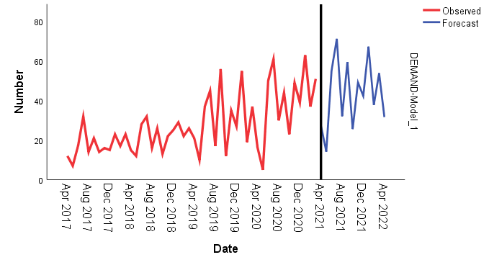
February | 17 | 2018 | 2 | Feb-18 | 18
March | 23 | 2018 | 3 | Mar-18 | 18
April | 15 | 2018 | 4 | Apr-18 | 18
May | 12 | 2018 | 5 | May-18 | 18
June | 28 | 2018 | 6 | Jun-18 | 17
July | 32 | 2018 | 7 | Jul-18 | 19
August | 16 | 2018 | 8 | Aug-18 | 21
September | 26 | 2018 | 9 | Sep-18 | 20
October | 13 | 2018 | 10 | Oct-18 | 21
november | 22 | 2018 | 11 | Nov-18 | 20
December | 25 | 2018 | 12 | Dec-18 | 20
January | 29 | 2019 | 1 | Jan-19 | 21
February | 22 | 2019 | 2 | Feb-19 | 22
March | 26 | 2019 | 3 | Mar-19 | 22
April | 21 | 2019 | 4 | Apr-19 | 23
May | 10 | 2019 | 5 | May-19 | 22
June | 37 | 2019 | 6 | Jun-19 | 20
July | 45 | 2019 | 7 | Jul-19 | 23
August | 17 | 2019 | 8 | Aug-19 | 27
September | 56 | 2019 | 9 | Sep-19 | 25
October | 12 | 2019 | 10 | Oct-19 | 30
november | 35 | 2019 | 11 | Nov-19 | 27
December | 27 | 2019 | 12 | Dec-19 | 28
January | 55 | 2020 | 1 | Jan-20 | 28
February | 19 | 2020 | 2 | Feb-20 | 32
March | 37 | 2020 | 3 | Mar-20 | 30
April | 16 | 2020 | 4 | Apr-20 | 31
May | 5 | 2020 | 5 | May-20 | 29
June | 50 | 2020 | 6 | Jun-20 | 25
July | 61 | 2020 | 7 | Jul-20 | 29
August | 30 | 2020 | 8 | Aug-20 | 34
September | 44 | 2020 | 9 | Sep-20 | 34
October | 23 | 2020 | 10 | Oct-20 | 35
november | 49 | 2020 | 11 | Nov-20 | 33
December | 39 | 2020 | 12 | Dec-20 | 36
January | 63 | 2021 | 1 | Jan-21 | 36
February | 37 | 2021 | 2 | Feb-21 | 41
March | 51 | 2021 | 3 | Mar-21 | 40
 |  | 2021 | 4 | Apr-21 | 42
 |  | 2021 | 5 | May-21 | 42
 |  | 2021 | 6 | Jun-21 | 42
 |  | 2021 | 7 | Jul-21 | 42
 |  | 2021 | 8 | Aug-21 | 42
 |  | 2021 | 9 | Sep-21 | 42
 |  | 2021 | 10 | Oct-21 | 42
 |  | 2021 | 11 | Nov-21 | 42
 |  | 2021 | 12 | Dec-21 | 42
 |  | 2022 | 1 | Jan-22 | 42
 |  | 2022 | 2 | Feb-22 | 42
 |  | 2022 | 3 | Mar-22 | 42
 |  | 2022 | 4 | Apr-22 | 42

holt winter(damped)
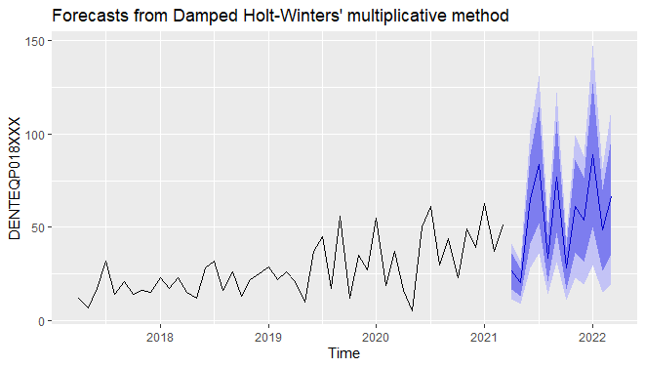

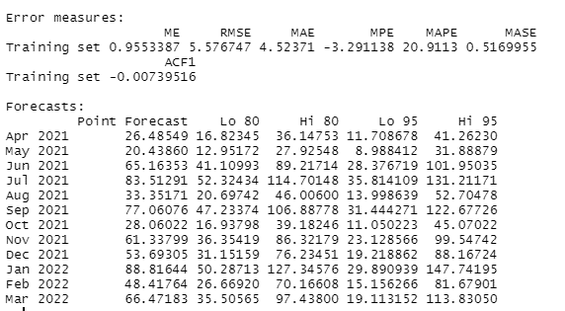

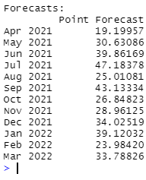

procurement graph
Index= | 12 | 10 | 10 | 8 | 8 | 6 | 6 | 4 | 4 | 3 | 1 | 1
Min Cost | 15,125,606 | 13,618,542 | 12,569,903 | 10,745,542 | 9,552,925 | 8,243,056 | 7,484,804 | 5,696,701 | 4,823,372 | 2,897,802 | 1,255,628 | 815,593

period | 12th month | 11th month | 10th month | 9th month | 8th month | 7th month | 6th month | 5th month | 4th month | 3rd month | 2nd month | 1st month
1 | 16,264,495 | 14,528,864 | 13,332,385 | 11,281,025 | 9,957,633 | 8,535,190 | 7,717,548 | 5,819,553 | 4,905,183 | 2,919,115 | 1,255,628 | 815,593
2 | 16,070,705 | 14,358,580 | 13,178,528 | 11,155,723 | 9,851,013 | 8,448,938 | 7,643,174 | 5,773,157 | 4,872,468 | 2,916,565 | 1,278,735
3 | 15,860,701 | 14,172,082 | 13,008,456 | 11,014,207 | 9,728,179 | 8,346,472 | 7,552,586 | 5,710,548 | 4,823,538 | 2,897,802
4 | 15,699,460 | 14,034,347 | 12,887,148 | 10,921,455 | 9,654,109 | 8,292,769 | 7,510,761 | 5,696,701 | 4,823,372
5 | 15,568,385 | 13,926,778 | 12,796,006 | 10,858,868 | 9,610,204 | 8,269,232 | 7,499,102 | 5,713,021
6 | 15,434,671 | 13,816,570 | 12,702,225 | 10,793,642 | 9,563,660 | 8,243,056 | 7,484,804
7 | 15,345,255 | 13,750,661 | 12,652,741 | 10,772,714 | 9,561,415 | 8,261,178
8 | 15,249,595 | 13,678,506 | 12,597,014 | 10,745,542 | 9,552,925
9 | 15,192,425 | 13,644,842 | 12,579,776 | 10,756,860
10 | 15,142,619 | 13,618,542 | 12,569,903
11 | 15,132,686 | 13,632,115
12 | 15,125,606

Year | Month | Demand |  | Month | Demand Procurred
2021-2022 | April | 28 |  | April | 43 | 43
 | May | 15 |  | May | 0 | 21.590 | 21.590
 | June | 57 |  | June | 57 |  | 0 | 57
 | July | 67 |  | July | 98 |  |  | 0 | 98
 | August | 30 |  | August | 0 |  |  |  | 49 | 49
 | September | 62 |  | September | 89 |  |  |  |  | 0 | 89
 | October | 26 |  | October | 0 |  |  |  |  |  | 44.37 | 44.367
 | November | 45 |  | November | 87 |  |  |  |  |  |  | 0 | 87
 | December | 42 |  | December | 0 |  |  |  |  |  |  |  | 43.47 | 43.47
 | January | 64 |  | January | 100 |  |  |  |  |  |  |  |  | 0 | 100
 | February | 37 |  | February | 0 |  |  |  |  |  |  |  |  |  | 50 | 50
 | March | 52 |  | March | 52 |  |  |  |  |  |  |  |  |  |  | 0 | 52

Procurement
April | 43.17991636 | 43.180
May | 0 | 21.590 | 21.590
June | 57 |  | 0.000 | 57
July | 97.617680107 |  |  | 0 | 98
August | 0 |  |  |  | 49 | 49
September | 88.733900997 |  |  |  |  | 0 | 88.733900997
October | 0 |  |  |  |  |  | 44.366950498 | 44.366950498
November | 86.938538 |  |  |  |  |  |  | 0 | 86.938538
December | 0 |  |  |  |  |  |  |  | 43.469269 | 43.469269
January | 100.14578514 |  |  |  |  |  |  |  |  | 0 | 100.14578514
February | 0 |  |  |  |  |  |  |  |  |  | 50 | 50
March | 52 |  |  |  |  |  |  |  |  |  |  | 0

