Original
Monthly Demand of last 4 years

Material Code: DENTEQP022XXX

2020-2021
SEASONAL PLOT
Month/Year | 2017-2018 | 2018-2019 | 2019-2020 | 2020-2021
April | 53 | 69 | 77 | 66 | 66
May | 70 | 83 | 89 | 27
June | 78 | 85 | 90 | 66
July | 47 | 60 | 57 | 48
August | 60 | 50 | 68 | 57
September | 90 | 85 | 111 | 97
October | 140 | 157 | 165 | 155
november | 104 | 108 | 125 | 122
December | 92 | 101 | 114 | 120
January | 72 | 79 | 80 | 89
February | 70 | 76 | 86 | 99
March | 60 | 67 | 72 | 70
Total | 936 | 1020 | 1134 | 1016

YEAR | MONTH | DEMAND
2017-18 | April | 53
 | May | 70
 | June | 78
 | July | 47
 | August | 60
 | September | 90
 | October | 140
 | november | 104
 | December | 92
 | January | 72
 | February | 70
 | March | 60
2018-19 | April | 69
 | May | 83
 | June | 85
 | July | 60
 | August | 50
 | September | 85
 | October | 157
 | november | 108
 | December | 101
 | January | 79
 | February | 76
 | March | 67
2019-20 | April | 77
 | May | 89
 | June | 90
 | July | 57
 | August | 68
 | September | 111
 | October | 165
 | november | 125
 | December | 114
 | January | 80
 | February | 86
 | March | 72
2020-21 | April | 66
 | May | 27
 | June | 66
 | July | 48
 | August | 57
 | September | 97
 | October | 155
 | november | 122
 | December | 120
 | January | 89
 | February | 99
 | March | 70

Decomposition method
 | Forecast(St*Tt) | Cumulative moving average | Actual Value
April | 68 |  | 53
May | 63 |  | 70
June | 76 |  | 78
July | 52 |  | 47
August | 55 |  | 60
September | 92 | 78.666666667 | 90
October | 150 | 79.875 | 140
November | 110 | 80.708333333 | 104
December | 101 | 81.541666667 | 92
January | 76 | 81.666666667 | 72
February | 77 | 81.041666667 | 70
March | 66 | 81.541666667 | 60
April | 70 | 82.416666667 | 69
May | 64 | 82.958333333 | 83
June | 78 | 83.625 | 85
July | 53 | 84.166666667 | 60
August | 56 | 84.708333333 | 50
September | 94 | 85.333333333 | 85
October | 153 | 85.916666667 | 157
November | 113 | 86.375 | 108
December | 103 | 86.458333333 | 101
January | 78 | 87.083333333 | 79
February | 78 | 88.916666667 | 76
March | 67 | 90.333333333 | 67
April | 71 | 91.375 | 77
May | 66 | 92.625 | 89
June | 80 | 93.208333333 | 90
July | 55 | 93.666666667 | 57
August | 57 | 94.291666667 | 68
September | 96 | 94.041666667 | 111
October | 157 | 91 | 165
November | 115 | 87.416666667 | 125
December | 106 | 86.041666667 | 114
January | 80 | 85.208333333 | 80
February | 80 | 84.166666667 | 86
March | 69 | 83.166666667 | 72
April | 73 | 82.625 | 66
May | 67 | 82.75 | 27
June | 82 | 83.375 | 66
July | 56 | 84.291666667 | 48
August | 59 | 84.75 | 57
September | 98 |  | 97
October | 160 |  | 155
November | 118 |  | 122
December | 108 |  | 120
January | 81 |  | 89
February | 82 |  | 99
March | 70 |  | 70
April | 74
May | 69
...
Year | Time | Demand | Time period | Moving average(12) | Cummulative moving avg(CMA -12) | Seasonal and Irregular Components, (Yt /CMA) | Seasonal index(St | Deseasonalize(Yt/St) | Trend | Forecast(St*Tt) | Error | RMSE | Seasonal index
2017-2018 | April | 53 | 1 |  |  |  | 0.83 | 64.15 | 82.23 | 68 | -14.94 | 10.26 | Month | St
 | May | 70 | 2 |  |  |  | 0.76 | 91.80 | 82.39 | 63 | 7.17 |  | April | 0.83
 | June | 78 | 3 |  |  |  | 0.92 | 84.37 | 82.55 | 76 | 1.68 |  | May | 0.76
 | July | 47 | 4 |  |  |  | 0.63 | 74.57 | 82.71 | 52 | -5.13 |  | June | 0.92
 | August | 60 | 5 |  |  |  | 0.66 | 90.73 | 82.88 | 55 | 5.19 |  | July | 0.63 | SUMMARY OUTPUT
 | September | 90 | 6 | 78 | 78.67 | 1.14 | 1.11 | 81.31 | 83.04 | 92 | -1.91 |  | August | 0.66
 | October | 140 | 7 | 79 | 79.88 | 1.75 | 1.80 | 77.87 | 83.20 | 150 | -9.58 |  | September | 1.11 | Regression Statistics
 | November | 104 | 8 | 80 | 80.71 | 1.29 | 1.32 | 78.61 | 83.37 | 110 | -6.29 |  | October | 1.80 | Multiple R | 0.17932263787
 | December | 92 | 9 | 81 | 81.54 | 1.13 | 1.21 | 76.21 | 83.53 | 101 | -8.83 |  | November | 1.32 | R Square | 0.032156608451
 | January | 72 | 10 | 82 | 81.67 | 0.88 | 0.91 | 79.19 | 83.69 | 76 | -4.10 |  | December | 1.21 | Adjusted R Square | 0.011116534722
 | February | 70 | 11 | 81 | 81.04 | 0.86 | 0.91 | 76.63 | 83.86 | 77 | -6.60 |  | January | 0.91 | Standard Error | 12.664564075
 | March | 60 | 12 | 81 | 81.54 | 0.74 | 0.78 | 76.82 | 84.02 | 66 | -5.63 |  | February | 0.91 | Observations | 48
2018-2019 | April | 69 | 13 | 82 | 82.42 | 0.84 | 0.83 | 83.51 | 84.18 | 70 | -0.55 |  | March | 0.78
 | May | 83 | 14 | 83 | 82.96 | 1.00 | 0.76 | 108.85 | 84.35 | 64 | 18.68 |  |  |  | ANOVA
 | June | 85 | 15 | 83 | 83.63 | 1.02 | 0.92 | 91.94 | 84.51 | 78 | 6.87 |  |  |  |  | df | SS | MS | F | Significance F
 | July | 60 | 16 | 84 | 84.17 | 0.71 | 0.63 | 95.19 | 84.67 | 53 | 6.63 |  |  |  | Regression | 1 | 245.13395455 | 245.13395455 | 1.5283505593 | 0.22263564574
 | August | 50 | 17 | 84 | 84.71 | 0.59 | 0.66 | 75.61 | 84.84 | 56 | -6.10 |  |  |  | Residual | 46 | 7377.9944273 | 160.3911832
 | September | 85 | 18 | 85 | 85.33 | 1.00 | 1.11 | 76.80 | 85.00 | 94 | -9.08 |  |  |  | Total | 47 | 7623.1283819
 | October | 157 | 19 | 86 | 85.92 | 1.83 | 1.80 | 87.33 | 85.16 | 153 | 3.90
 | November | 108 | 20 | 86 | 86.38 | 1.25 | 1.32 | 81.64 | 85.32 | 113 | -4.88 |  |  |  |  | Coefficients | Standard Error | t Stat | P-value | Lower 95% | Upper 95% | Lower 95.0% | Upper 95.0%
 | December | 101 | 21 | 87 | 86.46 | 1.17 | 1.21 | 83.67 | 85.49 | 103 | -2.19 |  |  |  | Intercept | 82.06209356 | 3.7138260903 | 22.096374888 | 3.9103323728E-26 | 74.586549368 | 89.537637752 | 74.586549368 | 89.537637752
 | January | 79 | 22 | 86 | 87.08 | 0.91 | 0.91 | 86.89 | 85.65 | 78 | 1.12 |  |  |  | Time period | 0.16312659498 | 0.13195118079 | 1.236264761 | 0.22263564574 | -0.1024773561 | 0.42873054607 | -0.1024773561 | 0.42873054607
 | February | 76 | 23 | 88 | 88.92 | 0.85 | 0.91 | 83.20 | 85.81 | 78 | -2.38
 | March | 67 | 24 | 90 | 90.33 | 0.74 | 0.78 | 85.78 | 85.98 | 67 | -0.16
2019-2020 | April | 77 | 25 | 91 | 91.38 | 0.84 | 0.83 | 93.19 | 86.14 | 71 | 5.83
 | May | 89 | 26 | 92 | 92.63 | 0.96 | 0.76 | 116.71 | 86.30 | 66 | 23.19
 | June | 90 | 27 | 93 | 93.21 | 0.97 | 0.92 | 97.35 | 86.47 | 80 | 10.06
 | July | 57 | 28 | 93 | 93.67 | 0.61 | 0.63 | 90.43 | 86.63 | 55 | 2.40
 | August | 68 | 29 | 94 | 94.29 | 0.72 | 0.66 | 102.82 | 86.79 | 57 | 10.60
 | September | 111 | 30 | 95 | 94.04 | 1.18 | 1.11 | 100.29 | 86.96 | 96 | 14.75
 | October | 165 | 31 | 94 | 91.00 | 1.81 | 1.80 | 91.78 | 87.12 | 157 | 8.38
 | November | 125 | 32 | 88 | 87.42 | 1.43 | 1.32 | 94.48 | 87.28 | 115 | 9.53
 | December | 114 | 33 | 86 | 86.04 | 1.32 | 1.21 | 94.44 | 87.45 | 106 | 8.44
 | January | 80 | 34 | 86 | 85.21 | 0.94 | 0.91 | 87.99 | 87.61 | 80 | 0.34
 | February | 86 | 35 | 85 | 84.17 | 1.02 | 0.91 | 94.15 | 87.77 | 80 | 5.83
 | March | 72 | 36 | 84 | 83.17 | 0.87 | 0.78 | 92.18 | 87.93 | 69 | 3.32
2020-2021 | April | 66 | 37 | 83 | 82.63 | 0.80 | 0.83 | 79.88 | 88.10 | 73 | -6.79
 | May | 27 | 38 | 83 | 82.75 | 0.33 | 0.76 | 35.41 | 88.26 | 67 | -40.30
 | June | 66 | 39 | 83 | 83.38 | 0.79 | 0.92 | 71.39 | 88.42 | 82 | -15.75
 | July | 48 | 40 | 84 | 84.29 | 0.57 | 0.63 | 76.16 | 88.59 | 56 | -7.84
 | August | 57 | 41 | 85 | 84.75 | 0.67 | 0.66 | 86.19 | 88.75 | 59 | -1.69
 | September | 97 | 42 | 85 |  |  | 1.11 | 87.64 | 88.91 | 98 | -1.41
 | October | 155 | 43 |  |  |  | 1.80 | 86.22 | 89.08 | 160 | -5.14
 | November | 122 | 44 |  |  |  | 1.32 | 92.22 | 89.24 | 118 | 3.94
 | December | 120 | 45 |  |  |  | 1.21 | 99.41 | 89.40 | 108 | 12.08
 | January | 89 | 46 |  |  |  | 0.91 | 97.89 | 89.57 | 81 | 7.56
 | February | 99 | 47 |  |  |  | 0.91 | 108.38 | 89.73 | 82 | 17.04
 | March | 70 | 48 |  |  |  | 0.78 | 89.62 | 89.89 | 70 | -0.21
2021-2022 | April |  | 49 |  |  |  | 0.83 |  | 90.06 | 74
 | May |  | 50 |  |  |  | 0.76 |  | 90.22 | 69
 | June |  | 51 |  |  |  | 0.92 |  | 90.38 | 84
 | July |  | 52 |  |  |  | 0.63 |  | 90.54 | 57
 | August |  | 53 |  |  |  | 0.66 |  | 90.71 | 60
 | September |  | 54 |  |  |  | 1.11 |  | 90.87 | 101
 | October |  | 55 |  |  |  | 1.80 |  | 91.03 | 164
 | November |  | 56 |  |  |  | 1.32 |  | 91.20 | 121
 | December |  | 57 |  |  |  | 1.21 |  | 91.36 | 110
 | January |  | 58 |  |  |  | 0.91 |  | 91.52 | 83
 | February |  | 59 |  |  |  | 0.91 |  | 91.69 | 84
 | March |  | 60 |  |  |  | 0.78 |  | 91.85 | 72

Exp. smoothing
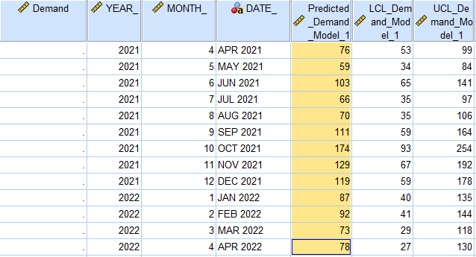

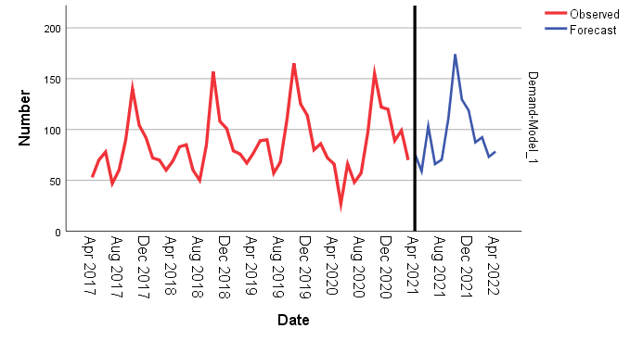

Holt-winter
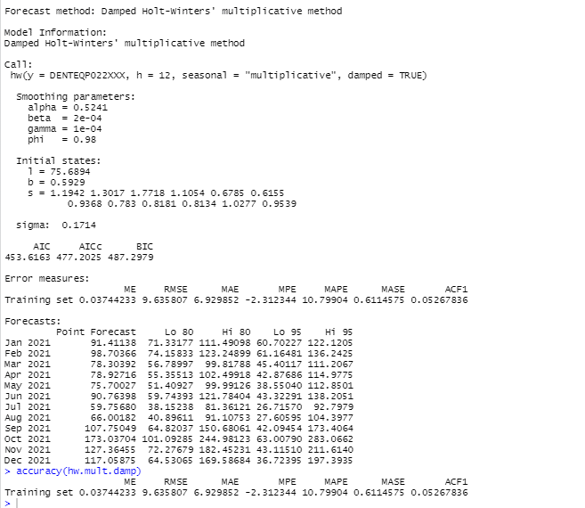
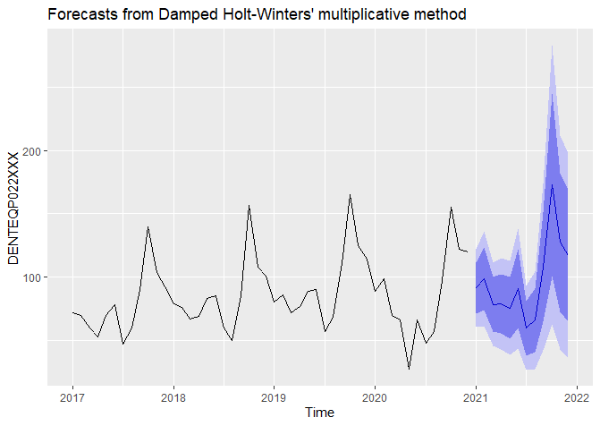

Procurement graph
Index= | 12 | 11 | 10 | 9 | 8 | 7 | 6 | 5 | 3 | 3 | 2 | 1
Min Cost | 52,394,781 | 48,988,072 | 44,810,227 | 40,813,825 | 35,411,234 | 29,645,756 | 21,793,675 | 16,890,055 | 13,891,594 | 11,172,708 | 7,040,223 | 3,497,431

period | 12th month | 11th month | 10th month | 9th month | 8th month | 7th month | 6th month | 5th month | 4th month | 3rd month | 2nd month | 1st month
1 | 56,612,234 | 52,667,919 | 47,883,167 | 43,371,538 | 37,337,497 | 30,985,325 | 22,438,269 | 17,198,445 | 14,062,297 | 11,258,230 | 7,045,808 | 3,497,431
2 | 55,892,716 | 52,001,819 | 47,282,758 | 42,833,931 | 36,885,072 | 30,623,856 | 22,200,963 | 17,038,380 | 13,949,153 | 11,187,677 | 7,040,223
3 | 55,228,781 | 51,391,303 | 46,737,933 | 42,351,909 | 36,488,231 | 30,317,972 | 22,019,241 | 16,933,898 | 13,891,594 | 11,172,708
4 | 54,629,816 | 50,845,756 | 46,258,077 | 41,934,856 | 36,156,359 | 30,077,056 | 21,902,488 | 16,894,386 | 13,899,003
5 | 54,066,031 | 50,335,391 | 45,813,402 | 41,552,984 | 35,859,669 | 29,871,322 | 21,820,916 | 16,890,055
6 | 53,556,578 | 49,879,356 | 45,423,058 | 41,225,444 | 35,617,309 | 29,719,919 | 21,793,675
7 | 53,124,366 | 49,500,563 | 45,109,955 | 40,975,144 | 35,452,191 | 29,645,756
8 | 52,816,316 | 49,245,931 | 44,921,014 | 40,849,006 | 35,411,234
9 | 52,599,222 | 49,082,256 | 44,823,030 | 40,813,825
10 | 52,467,309 | 49,003,763 | 44,810,227
11 | 52,398,200 | 48,988,072
12 | 52,394,781

Year | Month | Demand |  | Month | Demand Procurred
2021-2022 | April | 76 |  | April | 76 | 76
 | May | 77 |  | May | 77 | 0 | 77.0
 | June | 90 |  | June | 149 |  | 0 | 149
 | July | 59 |  | July | 0 |  |  | 74.5 | 74.5
 | August | 65 |  | August | 65 |  |  |  | 0 | 65.0
 | September | 107 |  | September | 107 |  |  |  |  | 0 | 107
 | October | 172 |  | October | 172 |  |  |  |  |  | 0 | 172
 | November | 126 |  | November | 126 |  |  |  |  |  |  | 0 | 126
 | December | 118 |  | December | 118 |  |  |  |  |  |  |  | 0 | 118
 | January | 87 |  | January | 87 |  |  |  |  |  |  |  |  | 0 | 87
 | February | 91 |  | February | 91 |  |  |  |  |  |  |  |  |  | 0 | 91
 | March | 74 |  | March | 74 |  |  |  |  |  |  |  |  |  |  | 0 | 74

Procurement planning
April | 76 | 76
May | 77 | 0 | 77.0
June | 149 |  | 0.0 | 149
July | 0 |  |  | 74.5 | 74.5
August | 65 |  |  |  | 0 | 65
September | 107 |  |  |  |  | 0 | 107
October | 172 |  |  |  |  |  | 0 | 172
November | 126 |  |  |  |  |  |  | 0 | 126
December | 118 |  |  |  |  |  |  |  | 0 | 118
January | 87 |  |  |  |  |  |  |  |  | 0 | 87
February | 91 |  |  |  |  |  |  |  |  |  | 0 | 91
March | 74 |  |  |  |  |  |  |  |  |  |  | 0

