Dashboard
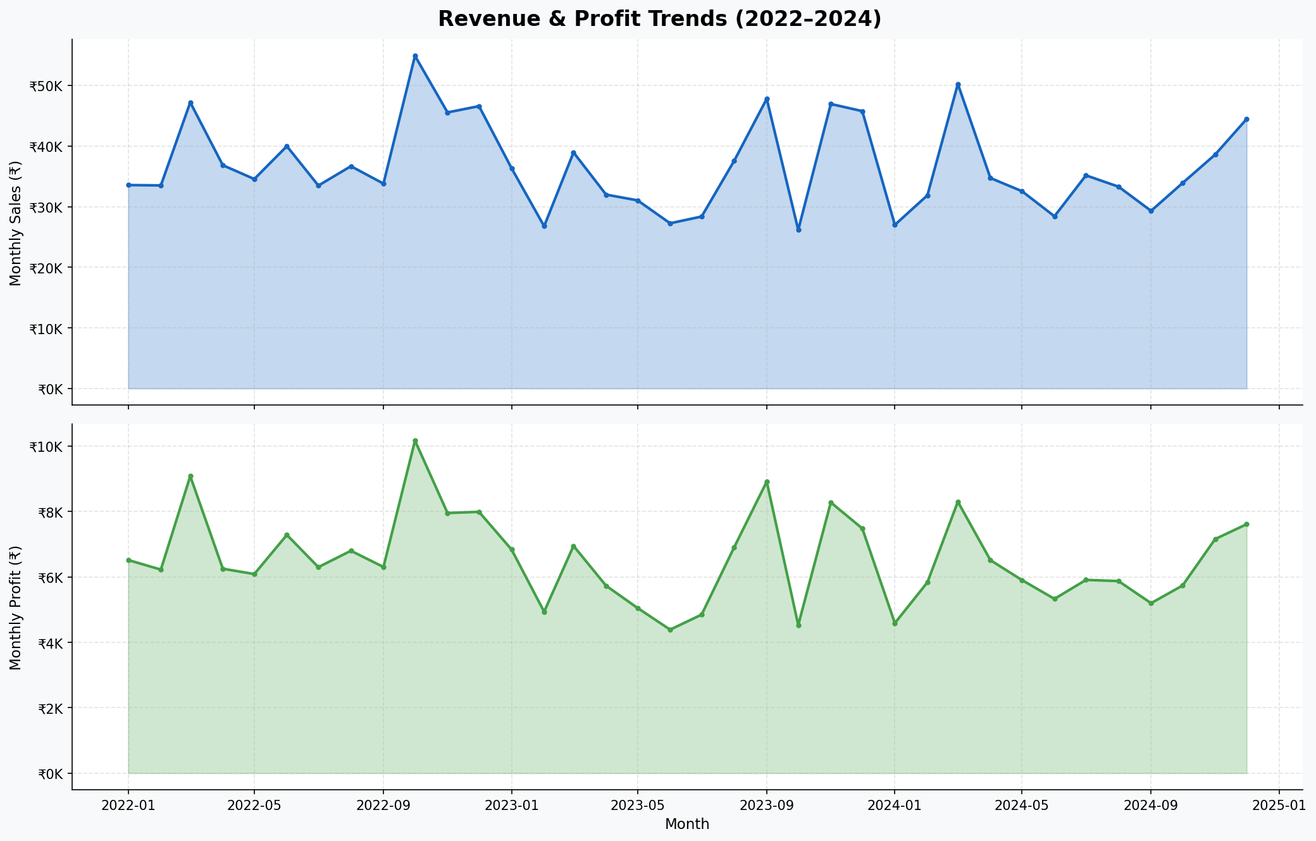
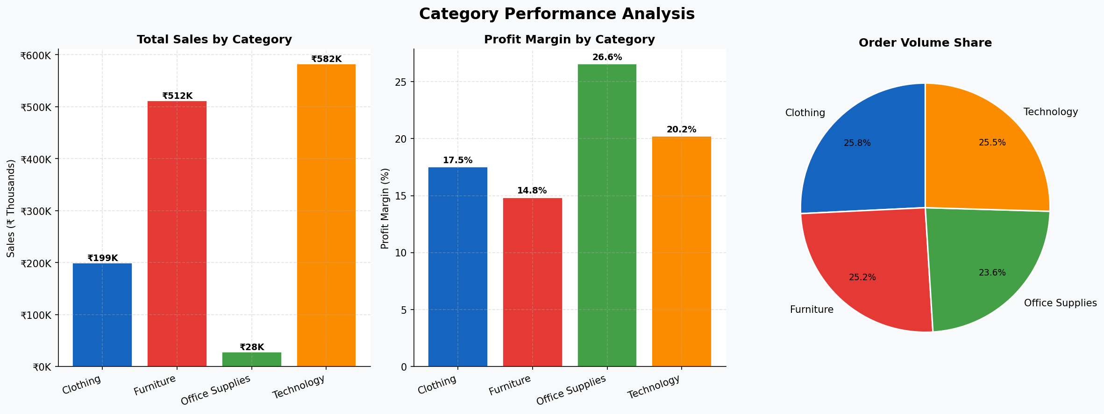
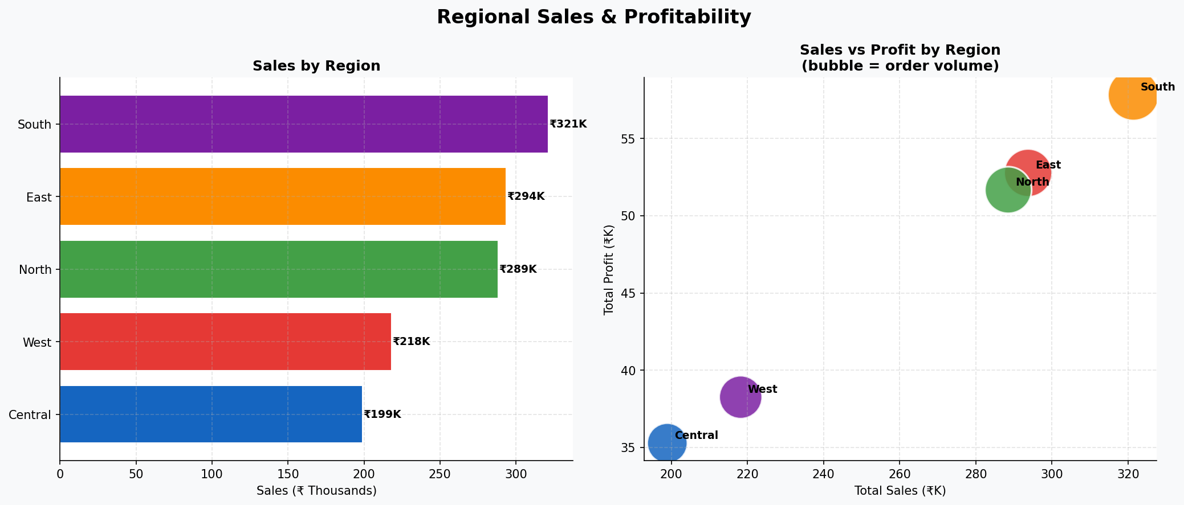
GLOBAL SALES PERFORMANCE DASHBOARD | 2022 – 2024
Business Intelligence Report • Jan 2022 – Dec 2024 • 5,000 Transactions • Confidential

TOTAL REVENUE |  | NET PROFIT |  | PROFIT MARGIN | TOTAL ORDERS |  | AVG ORDER VALUE |  | TOP CATEGORY
Rs.1320.8K |  | Rs.235.8K |  | 17.9% | 5,000 |  | Rs.264 |  | Technology
3-year gross sales |  | Total profit earned |  | Overall margin rate | Orders processed |  | Revenue per order |  | Rs.582K total revenue

Monthly Revenue Trend (Jan 2022 – Dec 2024) |  |  |  |  | Category Performance Summary
Month | Sales | Profit | Margin | Orders | Category | Sales | Profit | Margin | Orders | Share %
2022-01 | 33,557 | 6,516 | 19.4% | 130 | Technology | 582,309 | 117,612 | 20.2% | 1273 | 44.1%
2022-02 | 33,500 | 6,225 | 18.6% | 131 | Furniture | 511,582 | 75,888 | 14.8% | 1261 | 38.7%
2022-03 | 47,197 | 9,083 | 19.2% | 141 | Clothing | 199,243 | 34,919 | 17.5% | 1288 | 15.1%
2022-04 | 36,830 | 6,251 | 17.0% | 139 | Office Supplies | 27,707 | 7,356 | 26.6% | 1178 | 2.1%
2022-05 | 34,551 | 6,088 | 17.6% | 128
2022-06 | 39,970 | 7,285 | 18.2% | 135
2022-07 | 33,474 | 6,299 | 18.8% | 138
2022-08 | 36,666 | 6,800 | 18.5% | 126
2022-09 | 33,794 | 6,304 | 18.7% | 135
2022-10 | 54,872 | 10,170 | 18.5% | 173
2022-11 | 45,540 | 7,955 | 17.5% | 156
2022-12 | 46,579 | 7,990 | 17.2% | 133
2023-01 | 36,330 | 6,837 | 18.8% | 134
2023-02 | 26,769 | 4,937 | 18.4% | 126
2023-03 | 38,942 | 6,949 | 17.8% | 161
2023-04 | 31,981 | 5,731 | 17.9% | 128
2023-05 | 31,034 | 5,050 | 16.3% | 129
2023-06 | 27,250 | 4,388 | 16.1% | 129
2023-07 | 28,364 | 4,848 | 17.1% | 159
2023-08 | 37,563 | 6,908 | 18.4% | 150
2023-09 | 47,792 | 8,915 | 18.7% | 166
2023-10 | 26,155 | 4,529 | 17.3% | 147
2023-11 | 46,935 | 8,279 | 17.6% | 128
2023-12 | 45,756 | 7,482 | 16.4% | 120
2024-01 | 26,990 | 4,588 | 17.0% | 134
2024-02 | 31,866 | 5,834 | 18.3% | 125
2024-03 | 50,244 | 8,300 | 16.5% | 161
2024-04 | 34,715 | 6,513 | 18.8% | 151
2024-05 | 32,553 | 5,905 | 18.1% | 145
2024-06 | 28,407 | 5,329 | 18.8% | 139
2024-07 | 35,157 | 5,909 | 16.8% | 121
2024-08 | 33,293 | 5,874 | 17.6% | 133
2024-09 | 29,301 | 5,198 | 17.7% | 140
2024-10 | 33,889 | 5,738 | 16.9% | 145
2024-11 | 38,581 | 7,157 | 18.6% | 129
2024-12 | 44,444 | 7,611 | 17.1% | 135

Category & Region
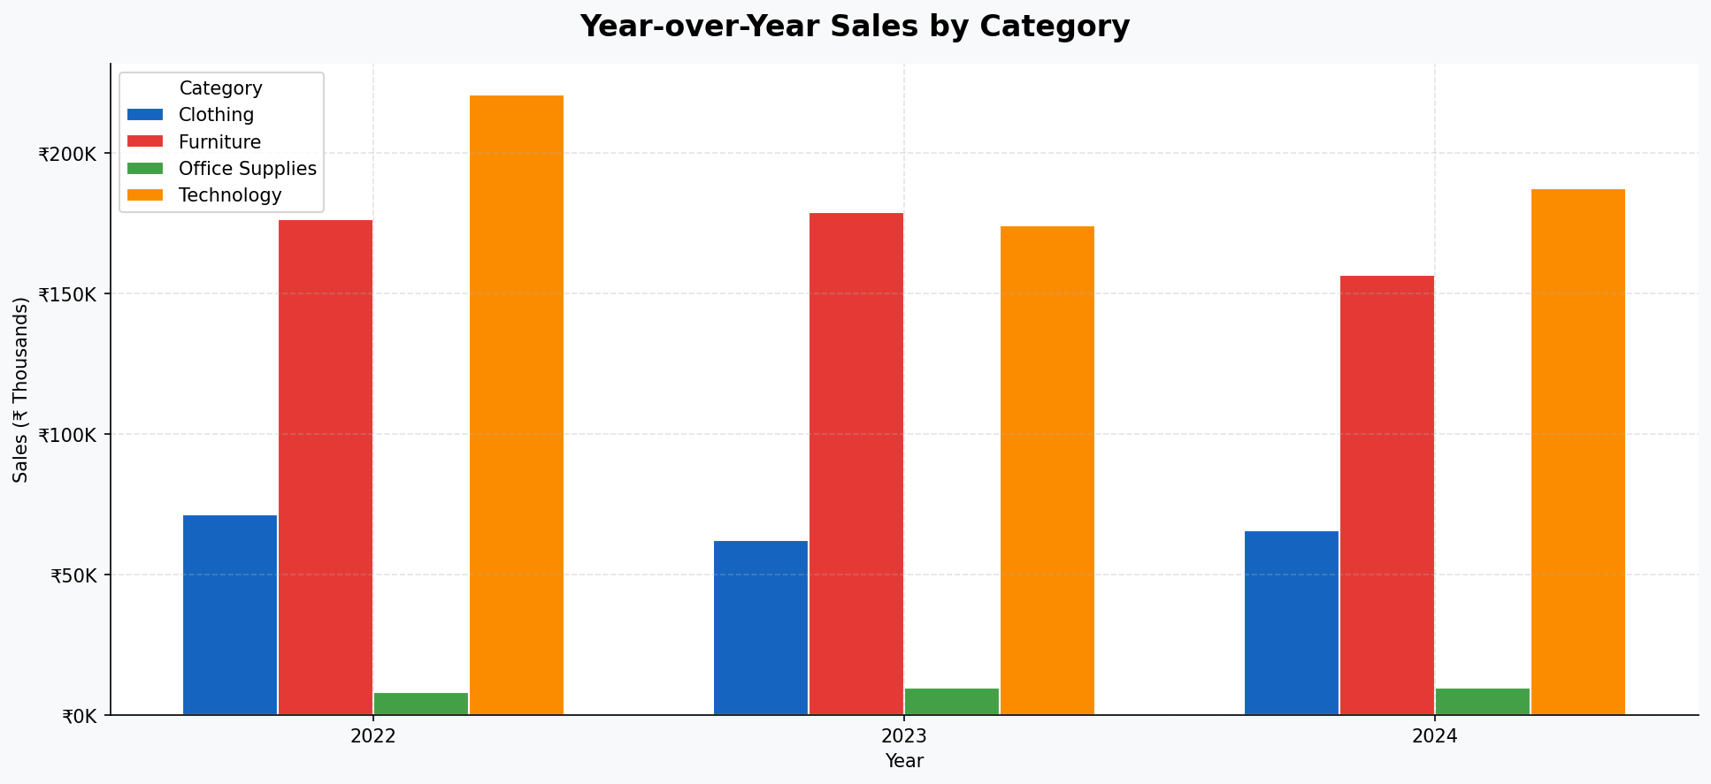
CATEGORY & REGIONAL PERFORMANCE ANALYSIS

Category Breakdown
Category | Total Sales | Total Profit | Orders | Avg Margin | Rank
Technology | 582,309 | 117,612 | 1273 | 20.2% | 1
Furniture | 511,582 | 75,888 | 1261 | 14.8% | 2
Clothing | 199,243 | 34,919 | 1288 | 17.5% | 3
Office Supplies | 27,707 | 7,356 | 1178 | 26.6% | 4

Regional Breakdown
Region | Total Sales | Total Profit | Orders | Margin | Rank
South | 321,400 | 57,818 | 1236 | 18.0% | 1
East | 293,738 | 52,773 | 1088 | 18.0% | 2
North | 288,513 | 51,663 | 1031 | 17.9% | 3
West | 218,229 | 38,252 | 877 | 17.5% | 4
Central | 198,960 | 35,270 | 768 | 17.7% | 5

Year-over-Year Sales by Category
Year | Clothing | Furniture | Office Supplies | Technology
2022 | 71,420 | 176,232 | 8,082 | 220,794
2023 | 62,217 | 178,718 | 9,709 | 174,225
2024 | 65,604 | 156,630 | 9,914 | 187,289

Products & Segments
PRODUCT & CUSTOMER SEGMENT PERFORMANCE

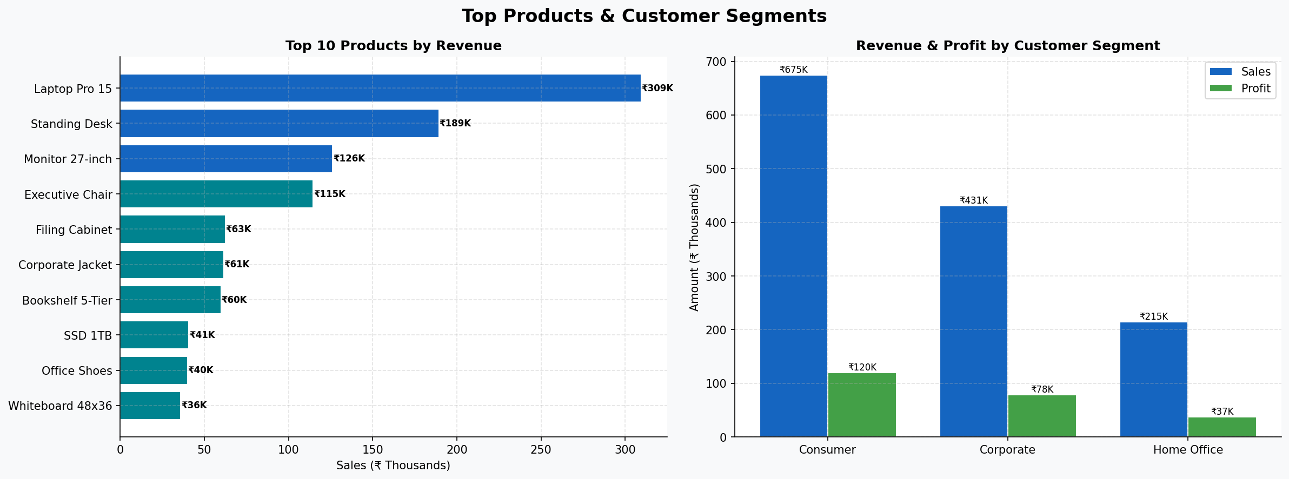
Top 10 Products by Revenue
Rank | Product Name | Total Sales | Total Profit | Orders | Margin
1 | Laptop Pro 15 | 309,385 | 63,809 | 145 | 20.6%
2 | Standing Desk | 189,358 | 27,490 | 180 | 14.5%
3 | Monitor 27-inch | 126,250 | 24,046 | 166 | 19.1%
4 | Executive Chair | 114,682 | 17,574 | 190 | 15.3%
5 | Filing Cabinet | 62,500 | 9,203 | 172 | 14.7%
6 | Corporate Jacket | 61,477 | 10,722 | 200 | 17.4%
7 | Bookshelf 5-Tier | 59,848 | 8,944 | 205 | 14.9%
8 | SSD 1TB | 40,799 | 8,323 | 130 | 20.4%
9 | Office Shoes | 39,914 | 6,773 | 225 | 17.0%
10 | Whiteboard 48x36 | 35,987 | 5,355 | 174 | 14.9%

Customer Segment Analysis
Segment | Total Sales | Total Profit | Orders | Margin | Rev Share
Consumer | 674,914 | 120,036 | 2674 | 17.8% | 51.1%
Corporate | 431,139 | 78,494 | 1515 | 18.2% | 32.6%
Home Office | 214,786 | 37,246 | 811 | 17.3% | 16.3%

Quarterly Performance Summary
Quarter | Year | Sales | Profit | Margin
2022Q1 | 2022 | 114,254 | 21,823 | 19.1%
2022Q2 | 2022 | 111,351 | 19,624 | 17.6%
2022Q3 | 2022 | 103,934 | 19,404 | 18.7%
2022Q4 | 2022 | 146,991 | 26,114 | 17.8%
2023Q1 | 2023 | 102,041 | 18,722 | 18.4%
2023Q2 | 2023 | 90,265 | 15,170 | 16.8%
2023Q3 | 2023 | 113,719 | 20,671 | 18.2%
2023Q4 | 2023 | 118,846 | 20,291 | 17.1%
2024Q1 | 2024 | 109,099 | 18,722 | 17.2%
2024Q2 | 2024 | 95,675 | 17,747 | 18.6%
2024Q3 | 2024 | 97,751 | 16,981 | 17.4%
2024Q4 | 2024 | 116,914 | 20,507 | 17.5%

