Self RPA
Fill out the details of your automation in here
- Email account : Add your email account (eg, david.park)
Self RPA Configuration
Process configurations

Organization | SS
Email account(without suffix) | rpa8.enterpriseai
Process name | Sample process
Process base | Z:\RPA_Repository_SELFRPA
Precess Group Folder | Training
Process User Name Folder | jeongwoo.lee
Process name(normalized) | SS_Sample process_Self
Process day folder | 20220422
Process Folder Person | Z:\RPA_Repository_SELFRPA\Training\jeongwoo.lee
Process Folder Big | Z:\RPA_Repository_SELFRPA\Training\jeongwoo.lee\SS_Sample process_Self
Process Folder | Z:\RPA_Repository_SELFRPA\Training\jeongwoo.lee\SS_Sample process_Self\20220422
FileSaveAs | Z:\RPA_Repository_SELFRPA\Training\jeongwoo.lee\SS_Sample process_Self\20220422\News_20220422.xlsx
FileSaveAsWord | Z:\RPA_Repository_SELFRPA\Training\jeongwoo.lee\SS_Sample process_Self\20220422\News_20220422.docx

About the Project Notebook
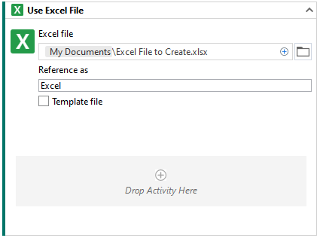
Project Notebook
Your Project Notebook is intended to use Excel formulas for data manipulation and calculations It includes several samples sheets to get you started, but you have the freedom to do anything you can do in Excel.

How to use the Project Notebook
- Add a "Write Cell" activity to put the data you want to manipulate using an Excel formula into the "input cell" for your formula.
- Use the cell containining the formula directly in another activity to get the value produced by your formula.
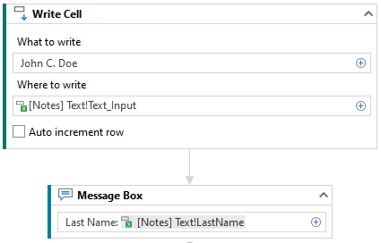

How to save data
- The Project Notebook is intended for manipulating data when your automation is running. It is not intended as a place to store data.
- To save data to an Excel file:
- Add a "Use Excel File" activity and choose your target Excel file.
- If you indicate a file name that doesn't exist, it will be created when you run your project.

