Draft1
 | pH measured | pH calculated
31-oct-88 |  | 8.1097
02-dic-88 |  | 8.1092
08-ene-89 |  | 8.1168
26-feb-89 |  | 8.1316
27-mar-89 |  | 8.1218
18-may-89 |  | 8.1158
24-jun-89 |  | 8.1018
29-jul-89 |  | 8.0991
24-ago-89 |  | 8.093
22-sep-89 |  | 8.099
18-oct-89 |  | 8.0858
27-nov-89 |  | 8.1101
05-ene-90 |  | 8.1332
15-feb-90 |  | 8.1229
19-mar-90 |  | 8.134
13-abr-90 |  | 8.1229
09-may-90 |  | 8.1167
13-jun-90 |  | 8.1232
25-jul-90 |  | 8.1084
14-sep-90 |  | 8.085
19-nov-90
18-dic-90 |  | 8.1212
03-feb-91 |  | 8.1256
07-mar-91 |  | 8.1263
10-abr-91 |  | 8.1231
08-may-91 |  | 8.1144
05-jun-91 |  | 8.1139
10-jul-91 |  | 8.112
10-ago-91 |  | 8.0992
18-sep-91 |  | 8.0943
21-oct-91 |  | 8.0981
07-dic-91 |  | 8.104
05-ene-92 |  | 8.1177
15-feb-92 |  | 8.1256
06-mar-92 |  | 8.119
17-abr-92 | 8.107 | 8.1099
09-jun-92 | 8.087 | 8.1152
05-jul-92 | 8.091 | 8.0977
05-ago-92 | 8.095 | 8.0956
23-sep-92 | 8.093 | 8.0933
20-oct-92 |  | 8.087
24-nov-92 | 8.099 | 8.1052
16-dic-92 | 8.106 | 8.1161
20-ene-93 | 8.122 | 8.1349
17-feb-93 | 8.115 | 8.1325
15-abr-93 | 8.111 | 8.1074
21-may-93 | 8.114 | 8.1105
26-jul-93
15-sep-93 |  | 8.0802
30-oct-93 | 8.105 | 8.094
...

Chart2
(Please insert the data and the chart based on data in this sheet)

Data |  |  |  |  | chart

Yearly mean surface seawater pH reported on global scale
 |  | lower band uncertainty | upper band uncertainty
1985 | 8.109594 | 8.107284989 | 8.111903011
1986 | 8.108361 | 8.106107409 | 8.110614591
1987 | 8.106887 | 8.104683409 | 8.109090591
1988 | 8.104572 | 8.102381666 | 8.106762334
1989 | 8.103279 | 8.101100646 | 8.105457354
1990 | 8.102216 | 8.10004227 | 8.10438973
1991 | 8.101207 | 8.099042554 | 8.103371446
1992 | 8.100411 | 8.098277737 | 8.102544263
1993 | 8.099917 | 8.097776858 | 8.102057142
1994 | 8.098084 | 8.095893207 | 8.100274793
1995 | 8.096087 | 8.093921548 | 8.098252452
1996 | 8.09438 | 8.092191838 | 8.096568162
1997 | 8.093974 | 8.091814564 | 8.096133436
1998 | 8.090908 | 8.088947347 | 8.092868653
1999 | 8.088226 | 8.086171503 | 8.090280497
2000 | 8.087161 | 8.085118802 | 8.089203198
2001 | 8.085836 | 8.083774958 | 8.087897042
2002 | 8.084574 | 8.082574265 | 8.086573735
2003 | 8.08245 | 8.080492415 | 8.084407585
2004 | 8.08089 | 8.078866741 | 8.082913259
2005 | 8.079149 | 8.077143678 | 8.081154322
2006 | 8.077756 | 8.07580353 | 8.07970847
2007 | 8.0758 | 8.073803181 | 8.077796819
2008 | 8.073848 | 8.071950115 | 8.075745885
2009 | 8.072965 | 8.071027789 | 8.074902211
2010 | 8.071308 | 8.06935794 | 8.07325806
2011 | 8.069284 | 8.067328617 | 8.071239383
2012 | 8.067461 | 8.065583763 | 8.069338237
2013 | 8.064998 | 8.063014656 | 8.066981344
2014 | 8.063807 | 8.061871473 | 8.065742527
2015 | 8.062478 | 8.060599162 | 8.064356838
2016 | 8.059709 | 8.057771212 | 8.061646788
2017 | 8.057793 | 8.05595289 | 8.05963311
2018 | 8.056512 | 8.054588153 | 8.058435847
2019 | 8.055263 | 8.053272379 | 8.057253621
Year | pH | Uncertainty | Lower uncertainty limit | Upper uncertainty limit
1985 | 8.110 | 0.002309011 | 8.107 | 8.112
1986 | 8.108 | 0.002253591 | 8.106 | 8.111
1987 | 8.107 | 0.002203591 | 8.105 | 8.109
1988 | 8.105 | 0.002190334 | 8.102 | 8.107
1989 | 8.103 | 0.002178354 | 8.101 | 8.105
1990 | 8.102 | 0.00217373 | 8.100 | 8.104
1991 | 8.101 | 0.002164446 | 8.099 | 8.103
1992 | 8.100 | 0.002133263 | 8.098 | 8.103
1993 | 8.100 | 0.002140142 | 8.098 | 8.102
1994 | 8.098 | 0.002190793 | 8.096 | 8.100
1995 | 8.096 | 0.002165452 | 8.094 | 8.098
1996 | 8.094 | 0.002188162 | 8.092 | 8.097
1997 | 8.094 | 0.002159436 | 8.092 | 8.096
1998 | 8.091 | 0.001960653 | 8.089 | 8.093
1999 | 8.088 | 0.002054497 | 8.086 | 8.090
2000 | 8.087 | 0.002042198 | 8.085 | 8.089
2001 | 8.086 | 0.002061042 | 8.084 | 8.088
2002 | 8.085 | 0.001999735 | 8.083 | 8.087
1985-2019 trend:
-0,0016 ± 0,0006 unit year⁻¹
2003 | 8.082 | 0.001957585 | 8.080 | 8.084
2004 | 8.081 | 0.002023259 | 8.079 | 8.083
2005 | 8.079 | 0.002005322 | 8.077 | 8.081
2006 | 8.078 | 0.00195247 | 8.076 | 8.080
2007 | 8.076 | 0.001996819 | 8.074 | 8.078
2008 | 8.074 | 0.001897885 | 8.072 | 8.076
2009 | 8.073 | 0.001937211 | 8.071 | 8.075
2010 | 8.071 | 0.00195006 | 8.069 | 8.073
2011 | 8.069 | 0.001955383 | 8.067 | 8.071
2012 | 8.067 | 0.001877237 | 8.066 | 8.069
2013 | 8.065 | 0.001983344 | 8.063 | 8.067
2014 | 8.064 | 0.001935527 | 8.062 | 8.066
2015 | 8.062 | 0.001878838 | 8.061 | 8.064
2016 | 8.060 | 0.001937788 | 8.058 | 8.062
2017 | 8.058 | 0.00184011 | 8.056 | 8.060
2018 | 8.057 | 0.001923847 | 8.055 | 8.058
2019 | 8.055263 | 0.001990621 | 8.053 | 8.057

Draft2
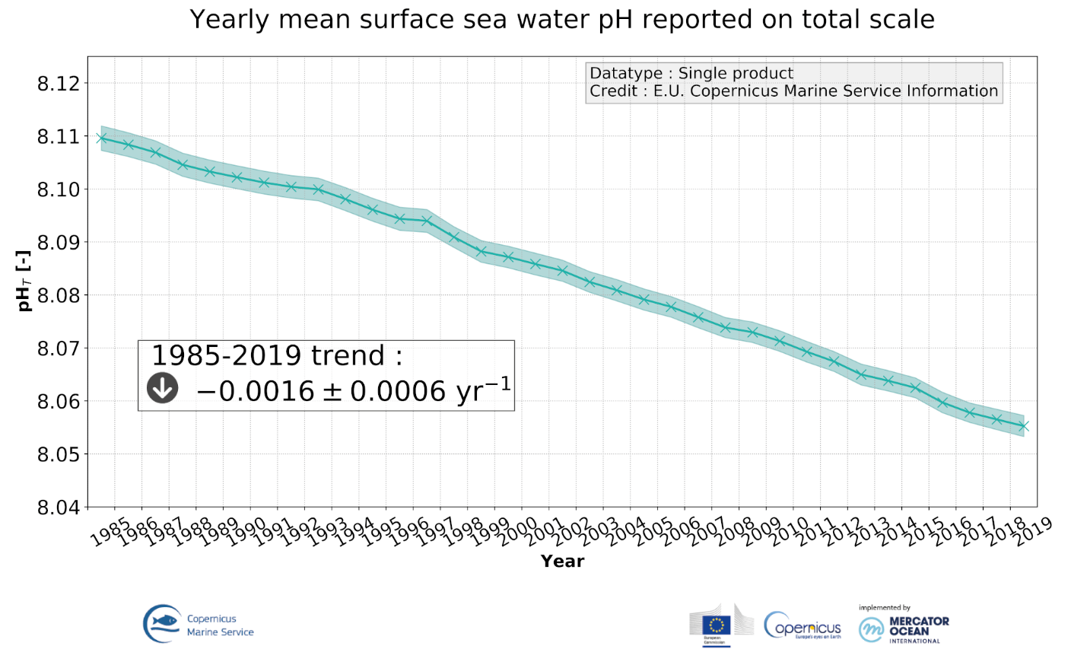
(Please insert the image of the infographic / illustration here

Final draft
