Overview
AP322
System/Application Administration Configuration

?

 | Step | Description | Required / Optional | Owner | Complete Date | Managed by | Approval | Comments
 | 1 | Two (1) Request Set is to be modified in this document by removing the XXNBTY Past Due Forecast Spreading Error Link in the Request Set below: a. XXNBTY Planning Request Set - MPS and MRP | Required | VCI |  | NBTY IT

Modifying Error Link
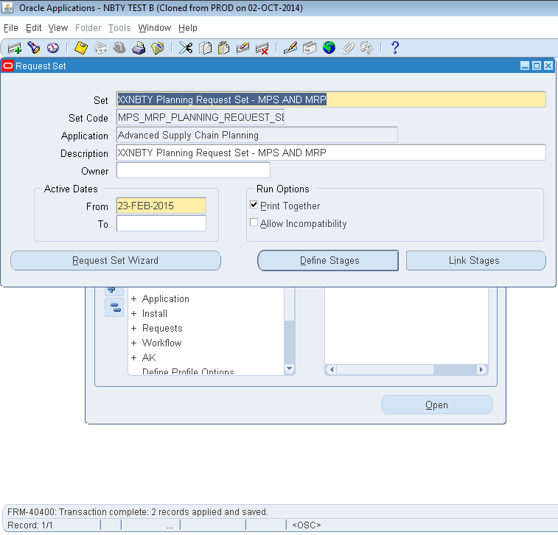
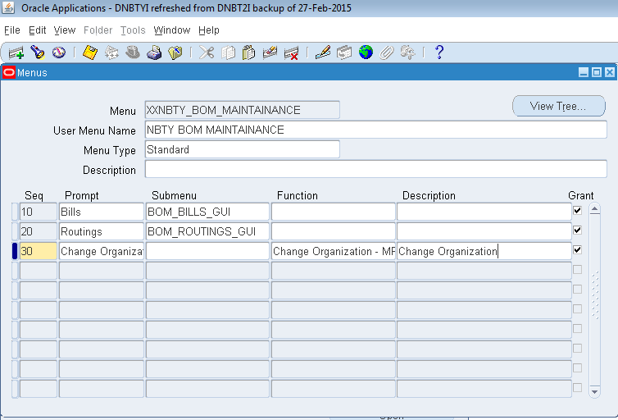
Modifying Error Link of XXNBTY Planning Request Set - MPS and MRP

A. Removing EBS Interface Load Request Set in OPM GME Requests.
Step # | Task | Screenshot
1 | Login to Oracle EBS application. | -
2 | Navigate to System Administrator > Concurrent > Set. | See screenshot 1.0 | Screenshot 1.0 - Request Set form opens
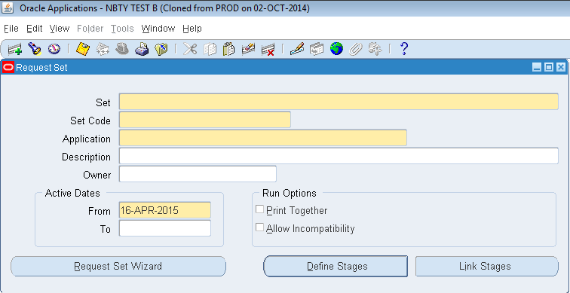
3 | Press F11 (query mode). Enter "XXNBTY Planning Request Set - MPS AND MRP" in the Set name. | See screenshot 2.0
4 | Press CTRL+F11 to execute query. | See screenshot 3.0
5 | Click the Link Stages button. | See screenshot 4.0
6 | Scroll down until you see "XXNBTY Past Due Forecast Spreading" in the Error column. | See screenshot 5.0
7 | Delete the "XXNBTY Past Due Forecast Spreading" program in the Error column. | See screenshot 6.0
8 | Click Done button to save transaction. | See screenshot 7.0

 |  |  | Screenshot 2.0 - "XXNBTY Daily Planning Request Set - MRP" is entered in Set name.
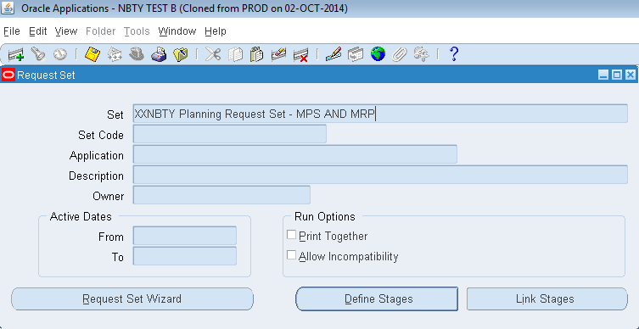

 |  |  | Screenshot 3.0 - "XXNBTY Planning Request Set - MPS AND MRP" Set name is queried showing the details.
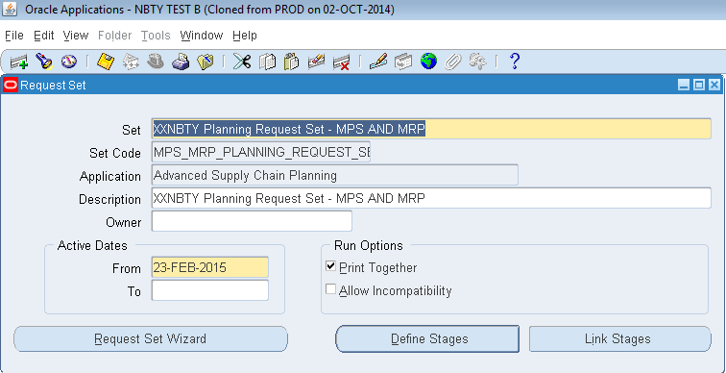

 |  |  | Screenshot 4.0 - Link Stages window opens.
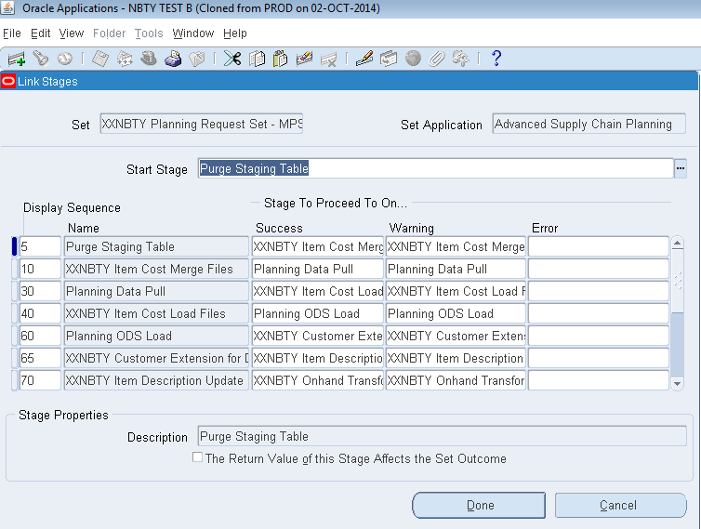

 |  |  | Screenshot 5.0 - "XXNBTY Past Due Forecast Spreading" is seen from the Error column.
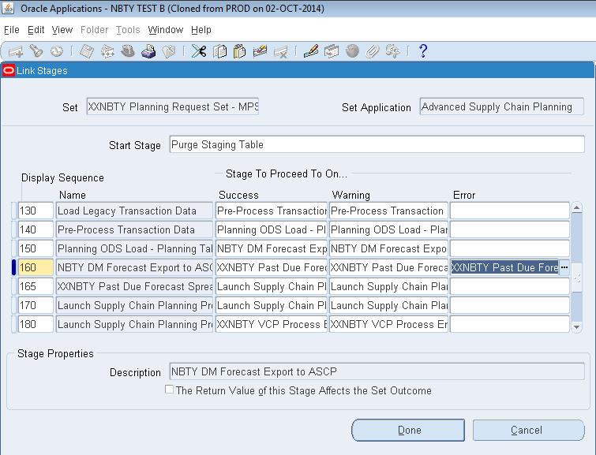

 |  |  | Screenshot 6.0 - "XXNBTY Past Due Forecast Spreading" is deleted from the Error column.
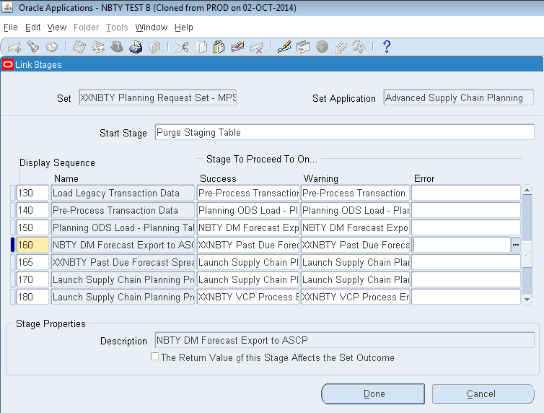

 |  |  | Screensot 7.0 - Record is saved.

