NB_Config
The notebook input cell (configuration) used to generate the GMM table
# # Fixing seed
seed = 382 # For GMM or k-means --> Turned of for Papermill Autorun
if seed != None:
cma.random.seed(seed)
cma.np.random.seed(seed)
# Data extraction:
Dataset = 'Maxima'
x_coords_name = 'mesh2d_face_x'
y_coords_name = 'mesh2d_face_y'
terrain_height_name = 'mesh2d_flowelem_bl'
data_variable = 'mesh2d_fourier002_max_depth' #'mesh2d_fourier002_max'
data_names = [x_coords_name, y_coords_name, data_variable, terrain_height_name]
time_step = -1
amount_sims = 500
# Clustering Method: 'GMM' / 'DBSCAN' / 'k_means' / ...
method = 'GMM'
# Clustering Parameters
M = 30 # Number of spatial clusters, for no spatial clustering set to 1 ! --> Turned of for Papermill Autorun
max_Eucledian_dist = 0.6 # For DBSCAN
n_components = 6 # For GMM or k-means --> Turned of for Papermill Autorun
# DAG-construction parameters
num_startingpoints = 2 # --> Turned of for Papermill Autorun
max_iterations = 5000
kNN_k = 9 # --> Turned of for Papermill Autorun
max_distance = 8000
# Standard -> Spatial clusters is turned on:
NoSpatialClus = False
# Toggle on/off for extra children using directionality and magnitude slopes
extra_children = True

CorrMatr_Plots
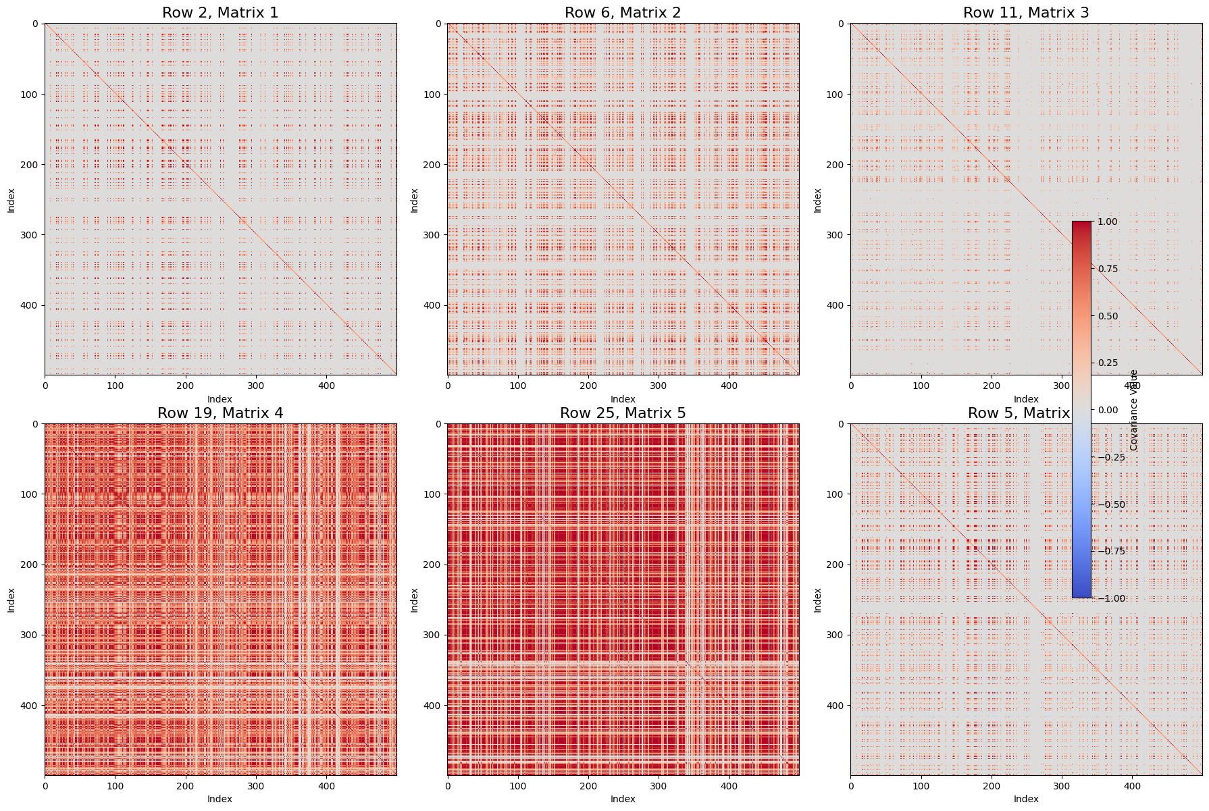
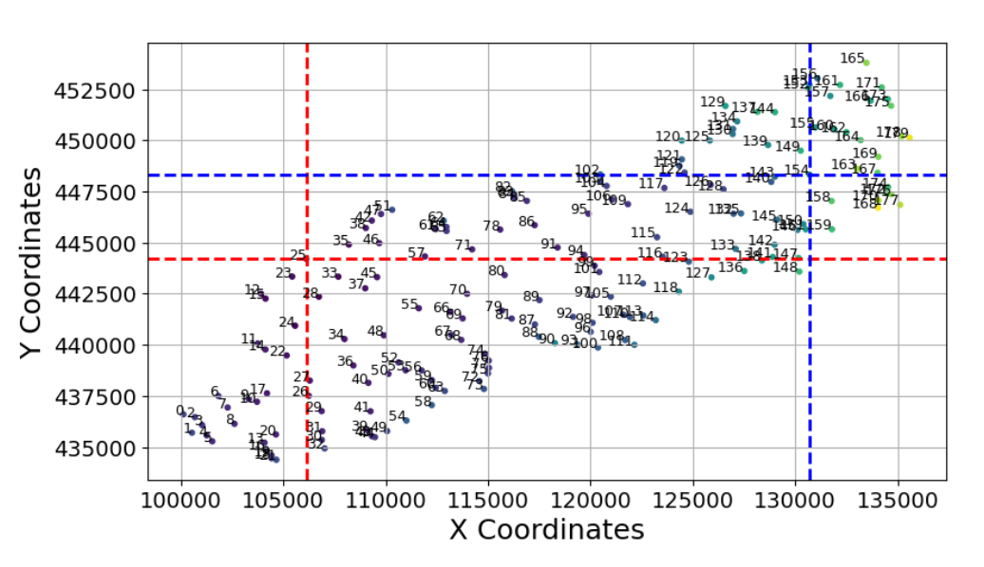
Note:
- The row and matrix indices correspond to the spatial cluster (row) and the i^{th} component (matrix number) of the GMM.
- After processing, clusters are renumbered from bottom left to top right, so indexing changes (see RawData sheet):
--> Row 11 matrix 3 == node 154
--> Row 25 matrix 5 == node 25
- Each correlation matrix shows the correlation between 500 flood events and the corresponding maximum water depths in the cluster linked to that matrix.
- Node 25 shows moderate correlation between events, likely because it's a border node and often records zero water depth (h=0).
- Node 154 shows no clear correlation, as it's a central node with more varied water depths across different flood scenarios.

CovMatr_Code
This code can be inserted in the notebook to plot the (arbitrary chosen) correlation matrices
import matplotlib.pyplot as plt
import numpy as np
# Indices and matrix selections as specified (Python is 0-based)
selections = [
(1, 0), # row 1, 1st matrix
(5, 1), # row 5, 2nd matrix
(10, 2), # row 10, 3rd matrix
(18, 3), # row 18, 4th matrix
(24, 4), # row 24, 5th matrix
(4, 5), # row 4, 6th matrix
]
fig, axes = plt.subplots(2, 3, figsize=(18, 12))
axes = axes.flatten()
def cov_to_corr(cov):
d = np.sqrt(np.diag(cov))
corr = cov / np.outer(d, d)
corr[cov == 0] = 0 # handle division by zero if needed
return corr
for ax, (row_idx, mat_idx) in zip(axes, selections):
cov_matrix = gmm_params_per_cluster['covariance_vecs'].iloc[row_idx][mat_idx]
corr_matrix = cov_to_corr(np.array(cov_matrix))
im = ax.imshow(corr_matrix, cmap='coolwarm', vmin=-1, vmax=1)
ax.set_title(f'Row {row_idx+1}, Matrix {mat_idx+1}', fontsize=16)
ax.set_xlabel('Index')
ax.set_ylabel('Index')
# Add a single colorbar for all subplots
fig.colorbar(im, ax=axes, orientation='vertical', fraction=0.02, pad=0.04, label='Covariance Value')
plt.show()

