Only Boiler
 |  |  |  |  |  |  |  | cold | hot | cold | hot | cold | hot |  |  | a[4] + T*(a[3] + T*(a[2] + T*a[1]))
 |  |  |  |  |  | 6627.7773 | -7717.5127 | 4197.52 | 4195.2007 | 7.332788 | 79.99999 | 280.482788 | 353.14999 | 4197.5200941 |  | -7.96E-05 | 0.090325271418 | -33.186924874 | 8156.6624353
 |  | HX01 | HX02 | HX03 | HX03 | 6798.5244 | -7524.7173 | 4196.0576 | 4192.9453 | 8.474604 | 77.06945 | 281.624604 | 350.21945 | 4196.0578153
COLD | d T | 8.6 | 8.6 | 8.6 | 8.6 | 6973.503 | -7336.5117 | 4194.62 | 4190.8257 | 9.646204 | 74.21056 | 282.796204 | 347.36056 | 4194.6198946
 | cp | 4.20E+03 | 4.20E+03 | 4.20E+03 | 4.20E+03 | 7152.801 | -7152.8057 | 4193.2095 | 4188.847 | 10.848413 | 71.421776 | 283.998413 | 344.571776 | 4193.2094168
 | m_flow | 1.388382 | 1.388382 | 1.388382 | 1.388382 | 7336.5073 | -6973.508 | 4191.8296 | 4187.0127 | 12.081903 | 68.70159 | 285.231903 | 341.85159 | 4191.8298163
 |  |  |  |  |  | 7524.7124 | -6798.5293 | 4190.4844 | 4185.3267 | 13.347498 | 66.048454 | 286.497498 | 339.198454 | 4190.4845167
 | Pt | 50131.3327 | 50131.3327 | 50131.3327 | 50131.3327 | 7717.5073 | -6627.7817 | 4189.1772 | 4183.7915 | 14.64599 | 63.4609 | 287.79599 | 336.6109 | 4189.1771489
 | Pt (kW) | 50.1313327 | 50.1313327 | 50.1313327 | 50.1313327 | 50131.3327 | -50131.3664 | 4187.9116 | 4182.4097 | 15.978144 | 60.93746 | 289.128144 | 334.08746 | 4187.911534

 |  | HX01 | HX02 | HX03 | HX03
HOT | d T | 20 | 20 | 20 | 20
 | cp | 4.16E+03 | 4.16E+03 | 4.16E+03 | 4.16E+03
 | m_flow | 0.6023847 | 0.6023847 | 0.6023847 | 0.6023847 |  |  |  |  |  |  |  | Circuit

 | Pt | 50131.3327 | 50131.3327 | 50131.3327 | 50131.3327 | 4198.5741191 | 4161.0728742
 | Pt (kW) | 50.1313327 | 50.1313327 | 50.1313327 | 50.1313327 |  |  |  |  |  |  |  | Gas Boiler |  | Pump P101 |  | Valve V101 |  | Pump P901 |  | Valve V901 |  | HX01 |  | HX02 |  | HX03 |  | HX04
 |  |  |  |  |  |  |  |  |  |  |  |  | In | Out | In | Out | In | Out | In | Out | In | Out | In Hot | Out Cold | In Hot | Out Hot | In Hot | Out Hot | In Hot | Out Hot
 |  |  |  |  |  |  |  |  |  |  |  | p
HH_CH4 | 55.5 | MJ/kg |  |  |  |  |  |  |  |  |  | T | 70.5 | 80 | 80 | 80 | 80 | 80 | 80 | 80 | 80 | 80 | 80 | 70.452222011 | 80 | 70.452222011 | 80 | 70.452222011 | 80 | 70.452222011
 |  |  |  |  |  |  |  |  |  |  |  | cp | 4182 |  |  |  |  |  |  |  |  |  | 4.16E+03 |  | 4.16E+03 |  | 4.16E+03 |  | 4.16E+03
 |  |  |  |  |  |  |  |  |  |  |  | m_flow | 2.5 |  | 2.5 |  | 2.5 |  | 2.5 |  | 2.5 |  | 0.625 |  | 0.625 |  | 0.625 |  | 0.625
m_H2O | 1.807154 | kg/s |  |  |  |  |  |  |  |  |  | Pt_source | 99.3225 |  |  |  |  |  |  |  |  |  | 24.830625 |  | 24.830625 |  | 24.830625 |  | 24.830625

m_CH4 | 0.002784992 | kg/s |  |  |  |  |  |  |  |  |  | Pt_demand |  |  |  |  |  |  |  |  |  |  | -24.830625 |  | -24.830625 |  | -24.830625 |  | -24.830625
 |  |  |  |  |  |  |  |  |  |  |  | m_flow |  |  |  |  |  |  |  |  |  |  | 1.75 |  | 1.75 |  | 1.75 |  | 1.75
 |  |  |  |  |  |  |  |  |  |  |  | cp |  |  |  |  |  |  |  |  |  |  | 4.20E+03 |  | 4.20E+03 |  | 4.20E+03 |  | 4.20E+03
m_H2O | 2.4095387 | kg/s |  |  |  |  |  |  |  |  |  | T |  |  |  |  |  |  |  |  |  |  | 8 | 1.14E+01 | 8 | 11.379463639 | 8 | 11.379463639 | 8 | 11.379463639
m_CH4 | 0.0037117426 | kg/s |  |  |  |  |  |  |  |  |  |  |  |  |  |  |  |  |  |  |  |  | In Cold | Out Cold | In Cold | Out Cold | In Cold | Out Cold | In Cold | Out Cold
 |  |  |  |  |  |  |  |  |  |  |  |  |  |  |  |  |  |  |  |  |  |  | HX01 |  | HX02 |  | HX03 |  | HX04
 |  |  |  |  |  |  |  |  |  |  |  |  |  |  |  |  |  |  |  |  |  |  |  | Pt = mcp(Tin-Tout)
 |  |  |  |  |  |  |  |  |  |  |  |  |  |  |  |  |  |  |  |  |  |  |  | Tin - Pt/mcp
 |  | HX01 | HX02 | HX03 | HX03
 |  | kW | kW | kW | kW
COLD | Pt (kW) | 25 | 25 | 25 | 25
 | cp | 4.20E+03 | 4.20E+03 | 4.20E+03 | 4.20E+03

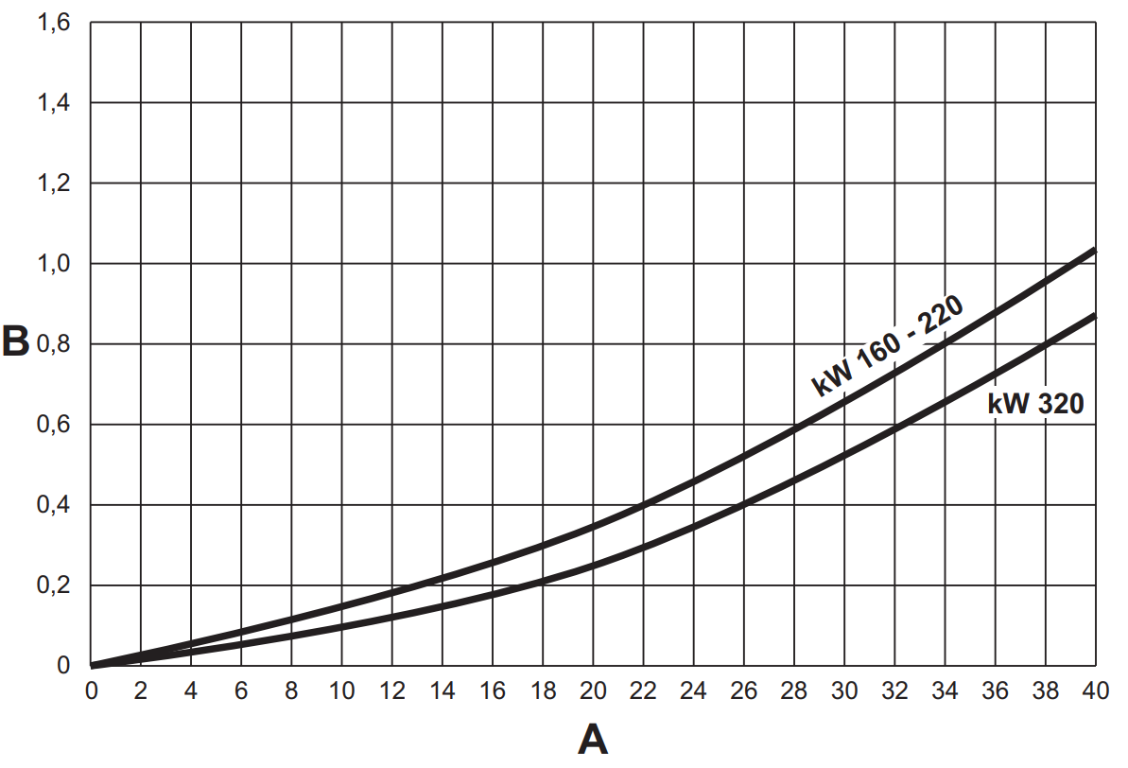
HOT | d T | 20
 | cp | 4.16E+00
 | m_flow | 1.2047694

 | Pt (kW) | 100.26

 |  |  |  |  |  |  |  |  |  |  |  |  |  |  |  |  |  |  |  |  |  |  |  |  |  |  |  |  |  |  | q(m3/h) | mh2o | w(kg/s) | dp (Pa) | dp (bar)
 |  |  |  |  |  |  |  |  |  |  |  |  |  |  |  |  |  |  |  |  |  |  |  |  |  |  |  |  |  |  | 0 | 0 | 0 | 0 | 0
 |  |  |  |  |  |  |  |  |  |  |  |  |  |  |  |  |  |  |  |  |  |  |  |  |  |  |  |  |  |  | 7 | 0.1 | 1.925 | 980.665 | 0.00980665
 |  |  |  |  |  |  |  |  |  |  |  |  |  |  |  |  |  |  |  |  |  |  |  |  |  |  |  |  |  |  | 13 | 0.2 | 3.575 | 1961.33 | 0.0196133
 |  |  |  |  |  |  |  |  |  |  |  |  |  |  |  |  |  |  |  |  |  |  |  |  |  |  |  |  |  |  | 18 | 0.3 | 4.95 | 2941.995 | 0.02941995
 |  |  |  |  |  |  |  |  |  |  |  |  |  |  |  |  |  |  |  |  |  |  |  |  |  |  |  |  |  |  | 22 | 0.4 | 6.05 | 3922.66 | 0.0392266
 |  |  |  |  |  |  |  |  |  |  |  |  |  |  |  |  |  |  |  |  |  |  |  |  |  |  |  |  |  |  | 34 | 0.8 | 9.35 | 7845.32 | 0.0784532
 |  |  |  |  |  |  |  |  |  |  |  |  |  |  |  |  |  |  |  |  |  |  |  |  |  |  |  |  |  |  | 38 | 0.95 | 10.45 | 9316.3175 | 0.093163175
 |  |  |  |  |  |  |  |  |  |  |  |  |  |  |  |  |  |  |  |  |  |  |  |  |  |  |  |  |  |  | 40 | 1.025 | 11 | 10051.81625 | 0.1005181625

