Summary
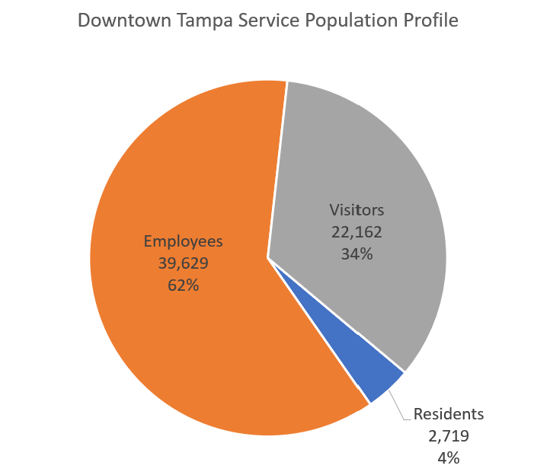
Replica Average Weekday in Fall 2022 Service Population Data1
POI ID | POI Name | Residents2 | Employees3 | Visitors4 | Total Service Population5 | POI |  | Total Dwelling Units | Total KSF Non-Residential | Rough Jobs Estimate | CHECK
1 | Busch Gardens | 0 | 2,761 | 6,133 | 8,894 | Busch | Gardens | 0 | 1,904 | 3,426 | -665
2 | Clear Water Beach | 564 | 3,650 | 16,789 | 21,003 | Clearwater | Beach | 6,112 | 3,683 | 6,629 | -2,979
3 | Crystal River Wildlife Areas | 130 | 701 | 9,928 | 10,759 | Crystal | River | 1,471 | 700 | 1,260 | -559
4 | Downtown St Petersburg | 750 | 10,735 | 19,740 | 31,225 | Downtown | St Petersburg | 2,867 | 5,220 | 9,396 | 1,339
5 | Downtown Tampa | 492 | 39,946 | 25,583 | 66,021 | Downtown | Tampa | 1,708 | 23,540 | 42,372 | -2,426
6 | Hernando Beach | 270 | 421 | 1,738 | 2,429 | Hernando | Beach | 1,115 | 123 | 222 | 199
7 | Port Tampa Bay Cruise Terminals and Florida Aquarium | 0 | 476 | 3,541 | 4,017 | Port | Tampa Bay | 0 | 872 | 1,570 | -1,094
8 | Raymond James Stadium | 0 | 1,408 | 8,170 | 9,578 | Raymond | James Stadium | 0 | 2,000 | 3,600 | -2,192
9 | Tropicana Stadium | 0 | 172 | 724 | 896 | Tropicana | Field | 0 | 1,100 | 1,980 | -1,808
10 | Weekiwachee Gardens and Wildlife Areas | 172 | 580 | 3,407 | 4,159 | Weekiwachee | Gardens | 800 | 356 | 640 | -60
D7 | Florida District 7 | 2,877,458 | 30,449 | 617,475 | 3,525,382 | Florida | District 7 | 1,535,181 | 2,247,564 | 1,842,217 | -1,811,768

Notes: | 1The service population data analysis estimates the number of unique persons that make an activity within each POI on an average weekday in Fall 2022.
 | 2Residents include persons who have their home location in the POI.
 | 3Employees include persons who have their work location in the POI, but do not have their home location in the POI.
 | 4Visitors include persons who make an activity in the POI, but do not have their home or work location in the POI.
 | 5Total service population is the sum of persons classified as residents, employees, and visitors to the POI.

 | times 365 is about 2.2 million visitors per year compared to 3.2-4 million from Google but our data is for weekday where visitation is probably less |  |  |  |  |  |  |  |  |  |  | 64,510 | total service population
 | makes sense residents are a lot less than dwelling units as I imagine a lot are rentals, vacation homes, etc.
 | Employees are almost spot on, expect some minor differences between API and GUI |  |  |  |  |  |  |  |  |  |  | 1,708 | dwelling units | <--from Replica land use data
 | was 1, set to 0 |  |  |  |  |  |  |  |  |  |  | 1.59 | average HH size | <--very reasonable

 | 2021 Population
 | Hillsborough County | 1,478,000
 | Pinellas County | 956,615
 | Citrus County | 158,083
 | Hernando County | 200,638
 | Pasco County | 584,067
 | Total | 3,377,403

