Introduction
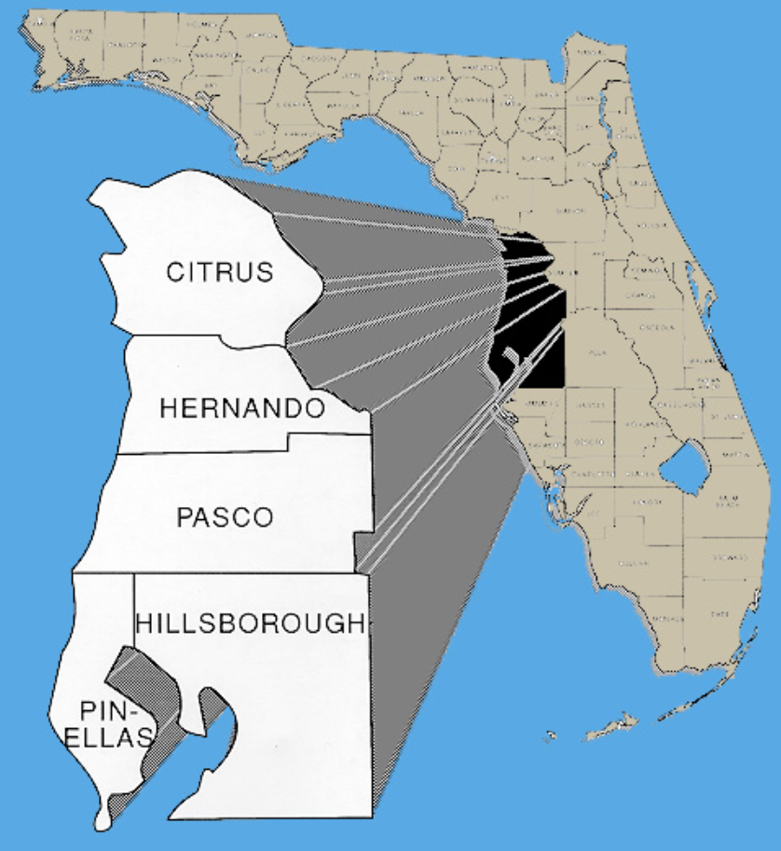
Static
 | Introduction/Study Purpose
 | Focus on visitors, then workers, then residents
 | Supplementing rMove visitor and worker studies conducted pre-COVID
 | Want an updated understanding of travel (and how things have changed) since that work/COVID

 | The Tampa Bay Region Visitor Survey Augment seeks to utilize new mobility data analytics in combination with previous survey work conducted in the region in order to perform comparisons of travel patterns and habits as we presumably settle into new post-Covid conditions with a focus on understanding the changes in visitor and worker travel patterns before and after COVID-19. In part, this work will seek to define what questions these data can and cannot answer. Our proposed analysis will aim to document the changes that have occurred and inform future data collection needs, while perhaps helping to refine policy focus. Some questions that might be answered by this analysis include: What new challenges have arisen as a result of COVID-19? What previous challenges may be less pressing today? How have trends tracked for years before COVID-19 been impacted? Are they accelerated, dampened, or reversed? During the course of this work, RSG will coordinate with FDOT staff to identify and develop additional questions of interest.
 | The analysis will produce origin-destination trip tables for trips to/from the Tampa Bay Region as a whole, as well as for specific geographic subarea locations such as Busch Gardens and Downtown Tampa. Trip tables will be produced for Fall 2019 and Fall 2022 conditions, and will be segmented by day of week, time of day, general trip purpose categories, and trip maker classification (residents, workers who live outside the region/geographic subarea, and non-work-related visitors including tourists).
 | RSG follows the latest developments in the mobility data analytics space and has evaluated multiple potential data products for this study to determine their strengths, limitations, and whether they could reliably answer FDOT’s questions around visitor and worker travel patterns and demographics. RSG determined that a combination of data products was optimal, to leverage the benefits and fill in the gaps of the individual sources.
 | RSG recommends the combination of Replica simulated travel pattern data with new mobility analytics data from location-based services (LBS) data sources. The Replica data source will provide RSG with detailed travel behavior and demographic data for trip making within the Florida, Georgia, and South Carolina megaregion, while the LBS data source will provide the home location and destination of visitors from locations within the United States. The two data sources will be combined to provide an updated look at not only visitor and worker travel, but all travel within, to, from, and through the Tampa Bay Region.

 | The following scope of work was developed to leverage RSG’s mobility data analytics experience to provide FDOT with updated supplemental travel behavior information for the Tampa Bay Region. The study will provide:
 | · Origin-destination trip tables for the Tampa Bay Region stratified by trip maker classification (residents, workers who live outside the region/geographic subarea, and non-work-related visitors including tourists).
 | · The trip tables will include internal, external, and pass-through trips.
 | · State of residence for visitors to the Tamp Bay Region.
 | · Demographic information for visitors to the Tampa Bay Region.
 | The above information for 9 specific geographic subarea locations including downtown St. Petersburg, downtown Tampa, Busch Gardens and Clearwater Beach.

Replica_Model_ODTable
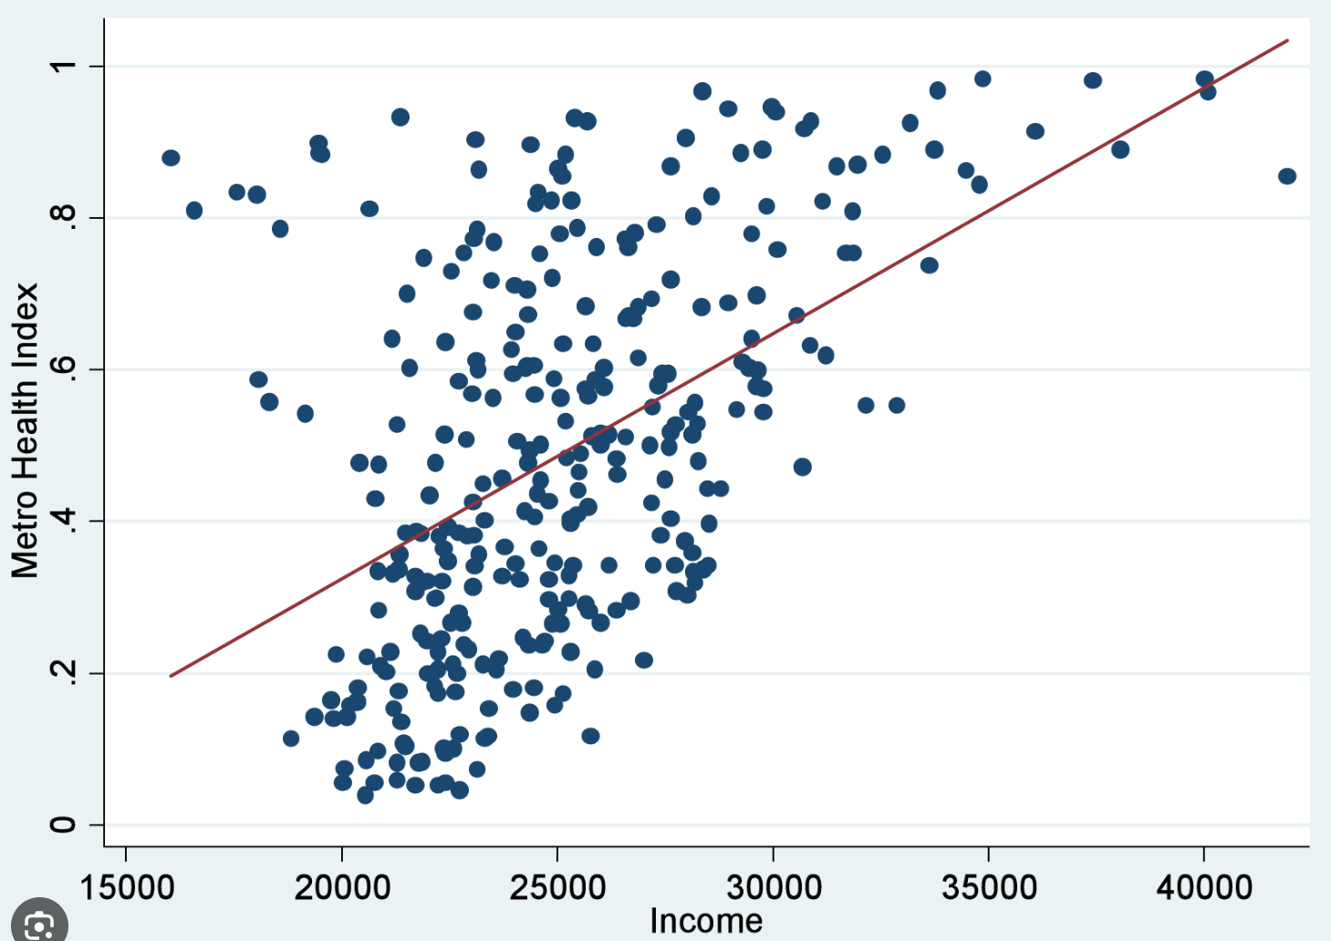
Interactive map of O-D data, static chart - only presenting data for the D7 region
 | Replica Trip Data in Travel Model O-D Format

 | What do Fall 2022 Replilca trip patterns look like in Travel Model O-D format?
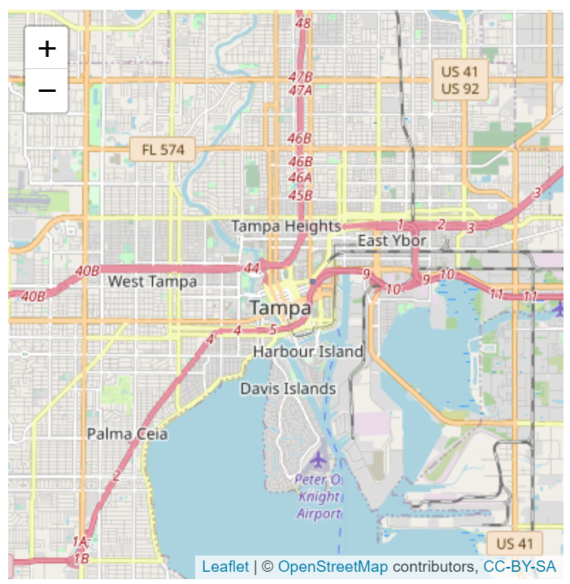
 |  | <--heat map of Fall 2022 Replica trips in Travel Model O-D (Model TAZ) format (including external trips tagged to gateways)

 | Provide scatter plot comparing Fall 2022 Replica data to 2019 rMerge data

LU&Service_Population
Dynamic - select one of 11 zones and compare to another zone
 | Land Use and Service Population Information

 |  |  | <--include image of the zone at top

 | What does the land use profile look like?

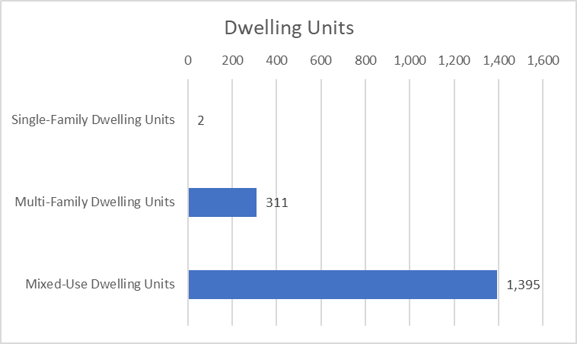

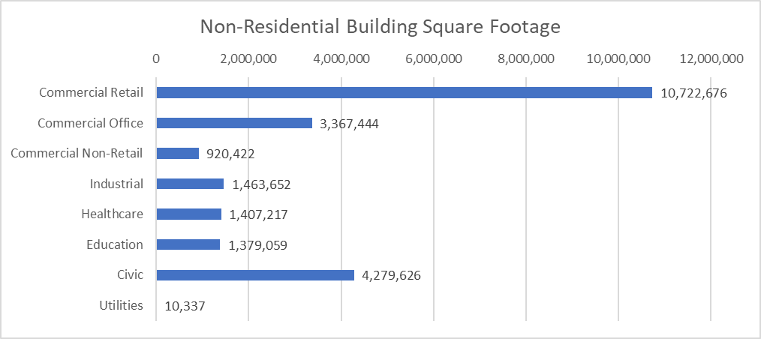

 | Total Dwelling Units | 1,708
 | Total Non-Residential Building Square Footage | 23,550,433

 | What does the service population profile look like?

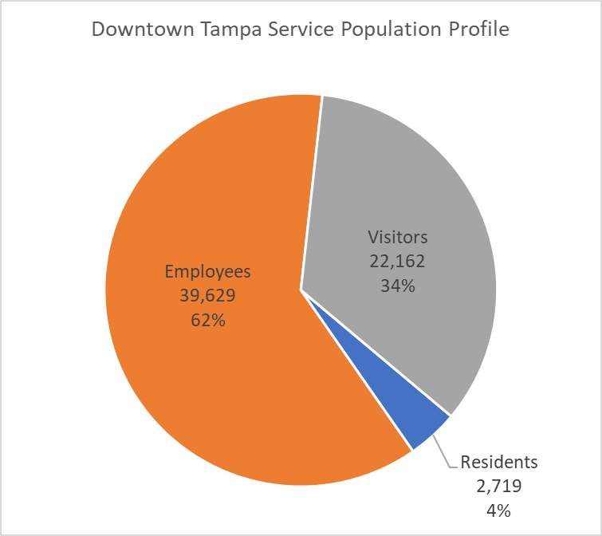

 | Total Service Population | 64,510
 | Jobs-to-Housing Ratio | 14.6
 | Residents per HH | 1.6
 | Employees per KSF of Non-Residential Land Use | 1.7

Trip_Generation
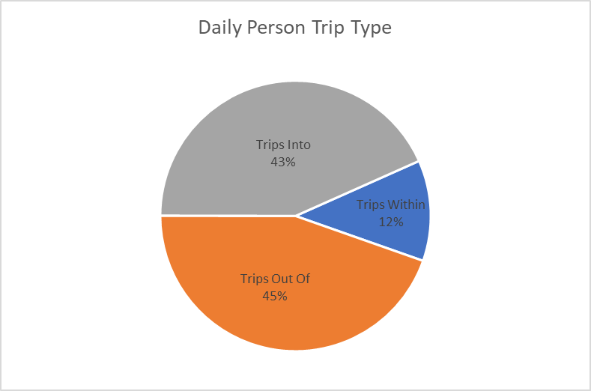
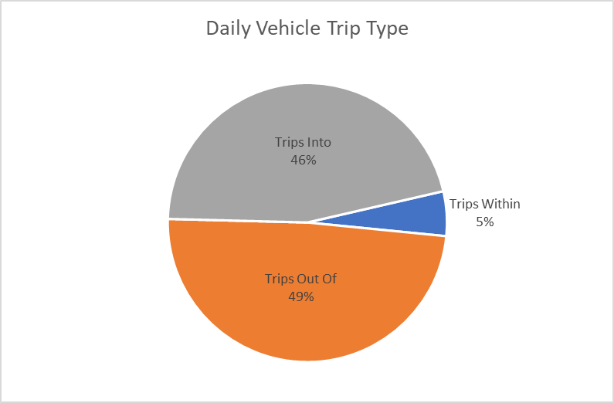
Dynamic - select one of 11 zones and compare to another zone
 | Person and Vehicle Trip Generation Information

 | Where are generated vehicle trips coming from and going to?

 |  |  | <--anchor is heat map of Os and Ds with scaled roadway thickness map overlayed
 |  |  | <--can we add a toggle to turn on and off each of the two trip layers (heat map by zone and trips on roadways)?
 |  |  | <--data presented at the cenus block group level

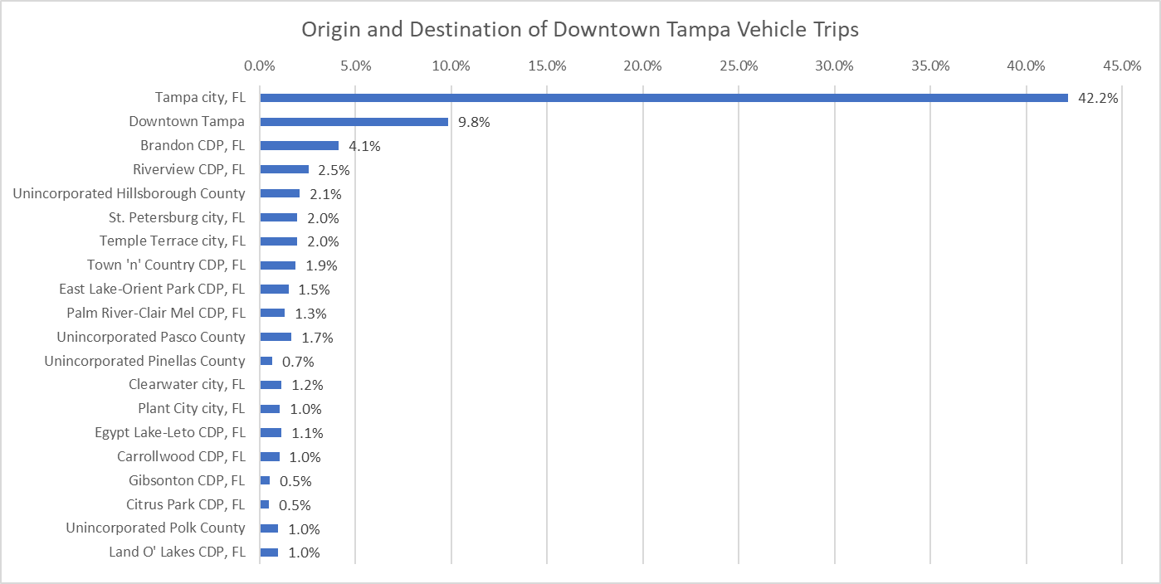
 |  |  |  | <--include table of Top 20 origins+destinations to provide a more aggregate perspective and to make comparison easier

 | How many person and vehicle trips are generated?

 | Total Person Trips Generated | 128,755
 | Total Vehicle Trips Generated | 70,867
 | Person Trips to Vehicle Trips Ratio | 1.82

 | Person Trips Per Service Population | 2.00
 | Vehicle Trips Per Service Population | 1.10

 | What types of trips are generated?

Trip_Characteristics
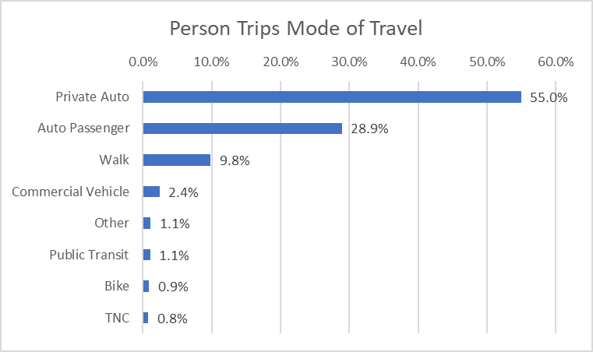
Dynamic - select one of 11 zones and compare to another zone
 | Trip Characteristic Information

 |  |  | <--include image of the zone at top

 | Who generates the trips?

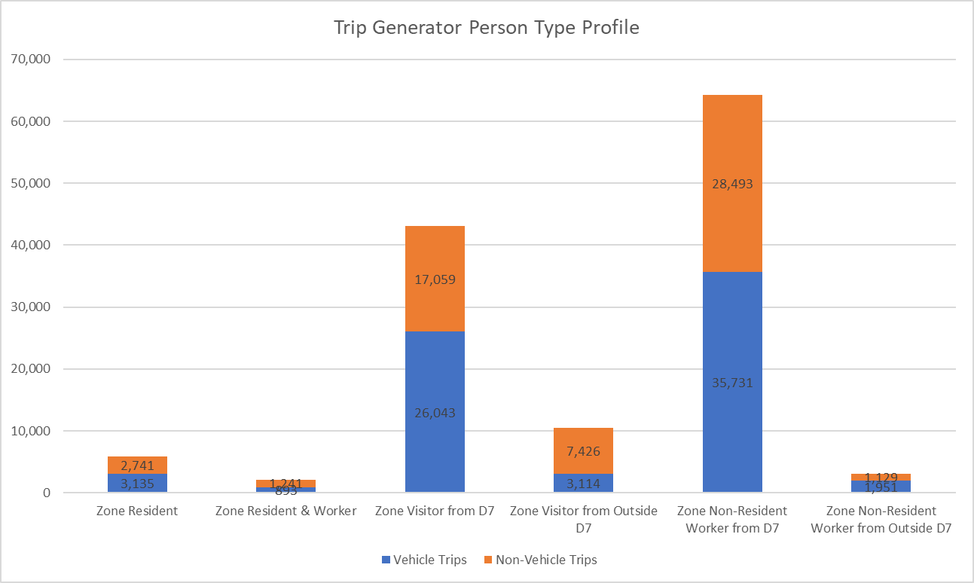

 | Person Trips generated from within D7 | 115,336 | 89%
 | Person Trips generated from outside D7 | 13,620 | 11%

 | Vehicle Trips generated from within D7 | 65,802 | 93%
 | Vehicle Trips generated from outside D7 | 5,065 | 7%

 | What is the purpose of the trips?

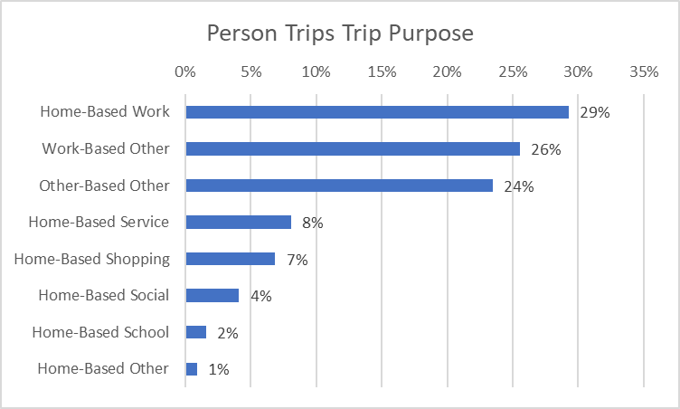

 | Work-Related Trips | 55%
 | Home-Based Non-Work-Related Trips | 22%

 | What does the departure time profile look like the trips?

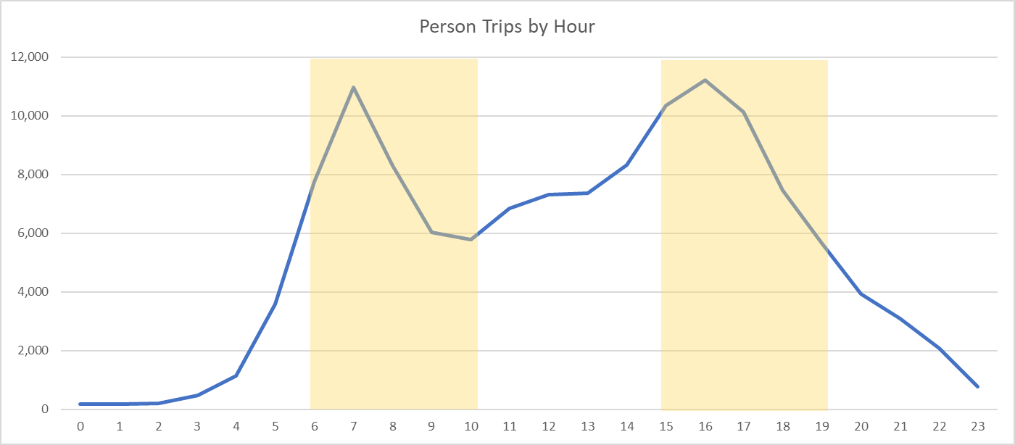

 | Percent of Trips Generated in the AM Peak Period | 26%
 | Percent of Trips Generated in the PM Peak Period | 30%

 | What does the trip length profile look like for the trips?

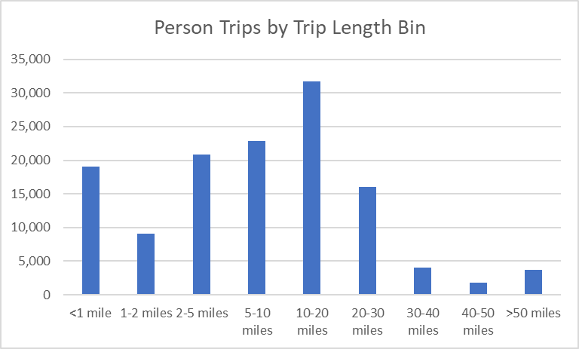

 | Median Person Trip Length (miles) | 7.9

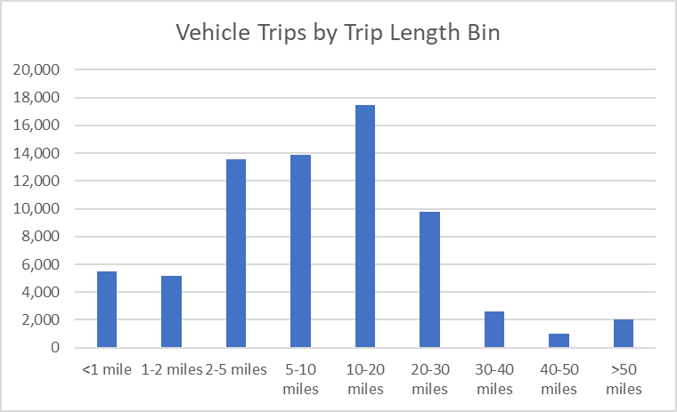

 | Median Vehicle Trip Length | 8.7

 | How much VMT do the vehicle trips generate?

 | Total Vehicle Miles Travelled Generated | 616,543
 | Vehicle Miles Travelled Per Service Population | 9.6
 | Vehicle Miles Travelled Per Resident+Employee | 14.6

 | What is the mode of travel for the person trips?

Pass-Through Trips
Dynamic - select one of 11 zones and compare to another zone
 | Pass-Through Vehicle Trip Information

 | Where are pass-through vehicle trips coming from and going to?

 |  | <--anchor is heat map of Os and Ds with scaled roadway thickness map overlayed
 |  | <--can we add a toggle to turn on and off each of the two trip layers (heat map by zone and trips on roadways)?
 |  | <--data presented at the cenus block group level

 | How many vehicle pass-through trips are generated?

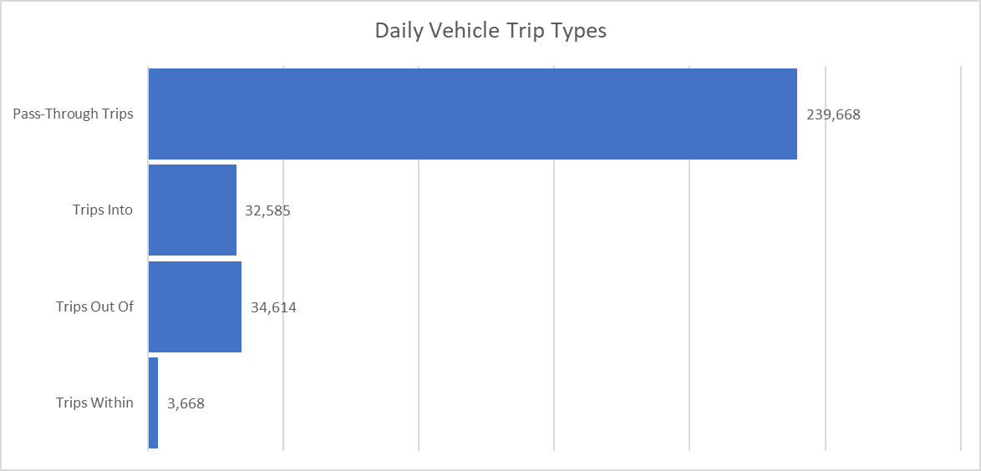

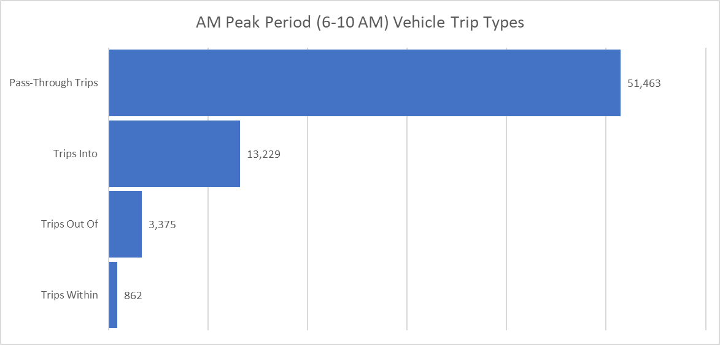
 |  |  | <--provide AM in addition to Daily to give information regarding Ps and As

Visitor_Trips
Dynamic - select one of 11 zones and compare to another zone
 | Visitor Information

 | Where do visitors live?

 |  |  |  | <--anchor is heat map of visitor home locations (from within megaregion)
 |  |  |  | <--data presented at the cenus block group level

 | Visitor Home Location | Count | Percent |  | <--include table of Top 20 places to provide a more aggregate perspective and to make comparison easier
 | Inside District 7 | 18,180 | 82%
 | Tampa city, FL | 7,061 | 32%
 | Brandon CDP, FL | 783 | 4%
 | Town 'n' Country CDP, FL | 662 | 3%
 | Riverview CDP, FL | 625 | 3%
 | St. Petersburg city, FL | 617 | 3%
 | Unincorporated Pasco County | 576 | 3%
 | University CDP, FL | 423 | 2%
 | Unincorporated Hillsborough County | 381 | 2%
 | Wesley Chapel CDP, FL | 341 | 2%
 | Egypt Lake-Leto CDP, FL | 337 | 2%
 | Carrollwood CDP, FL | 296 | 1%
 | Unincorporated Pinellas County | 296 | 1%
 | Clearwater city, FL | 280 | 1%
 | East Lake-Orient Park CDP, FL | 274 | 1%
 | Lake Magdalene CDP, FL | 273 | 1%
 | Valrico CDP, FL | 267 | 1%
 | Palm River-Clair Mel CDP, FL | 260 | 1%
 | Temple Terrace city, FL | 213 | 1%
 | Largo city, FL | 210 | 1%
 | Westchase CDP, FL | 205 | 1%
 | Outside District 7 | 1,305 | 6%
 | Unincorporated Manatee County | 219 | 1%
 | Unincorporated Polk County | 166 | 1%
 | Lakeland city, FL | 66 | 0%
 | Bradenton city, FL | 36 | 0%
 | Medulla CDP, FL | 30 | 0%
 | Fruitville CDP, FL | 28 | 0%
 | Unincorporated Sarasota County | 27 | 0%
 | Unincorporated Lake County | 24 | 0%
 | North Port city, FL | 20 | 0%
 | Unincorporated Osceola County | 19 | 0%
 | Jacksonville city, FL | 18 | 0%
 | Unincorporated Orange County | 18 | 0%
 | Alafaya CDP, FL | 17 | 0%
 | South Bradenton CDP, FL | 15 | 0%
 | Sarasota city, FL | 15 | 0%
 | Orlando city, FL | 14 | 0%
 | Auburndale city, FL | 14 | 0%
 | Kathleen CDP, FL | 14 | 0%
 | Cape Coral city, FL | 13 | 0%
 | Gulf Gate Estates CDP, FL | 13 | 0%
 | Outside Megaregion | 2,677 | 12%
 | Total | 22,162 | 100%

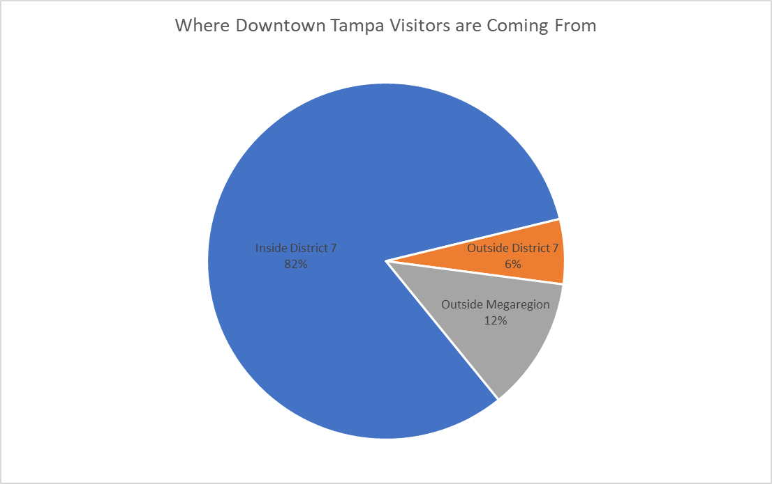

 | Number of Visitors | 22,162

 | What is the household size distribution for visitors?

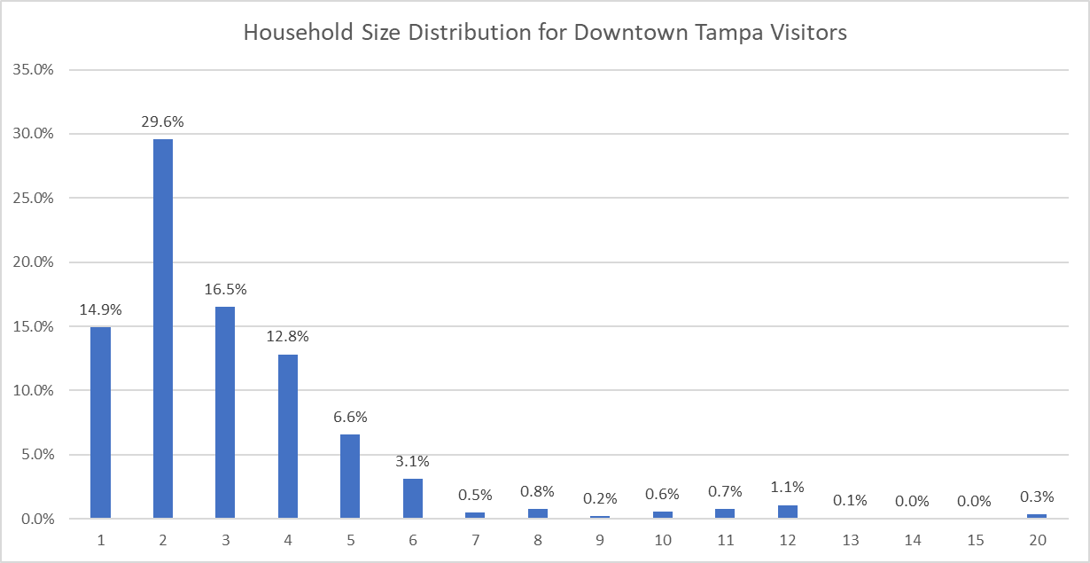

 | Median Household Size | 2.00

 | What is the household income distribution for Visitors?

Household Income Distribution for Downtown Tampa Visitors
 | Percent
<$25k | 0.12850825738
$25k-$50k | 0.14709863731
$50k-$75k | 0.14876816172
$75k-$100k | 0.11691183106
$100k-$150k | 0.15837920765
>$150k | 0.17954155762

 | Households under $50k a year | 28%
 | Households over $100k a year | 34%

 | Median Household Income | 77,933

 | What is the purpose of trips made by visitors?

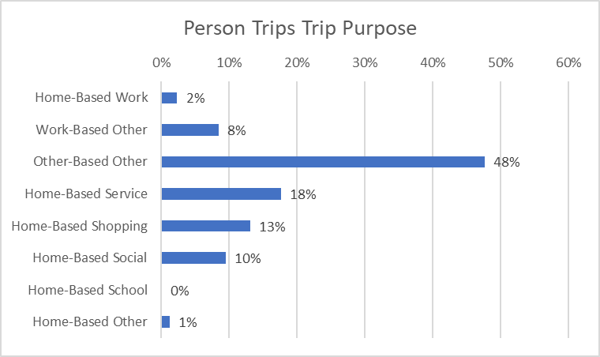

 | Work-Related Trips | 11%
 | Home-Based Non-Work-Related Trips | 42%

Employee_Trips
Dynamic - select one of 11 zones and compare to another zone
 | Employee Information

 | Where do employees who work in person live?

 |  |  | <--anchor is heat map of employee home locations
 |  |  | <--data presented at the cenus block group level

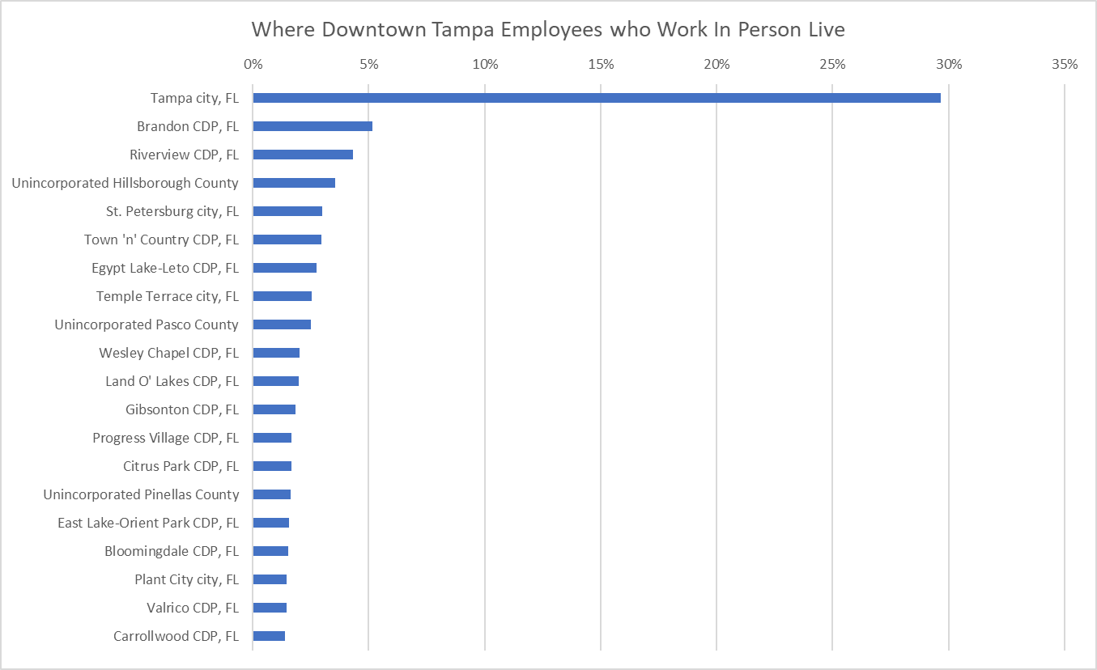
 |  |  |  | <--include table of Top 20 places to provide a more aggregate perspective and to make comparison easier

 | Number of Employees | 39,629

 | Is the zone a net importer or exporter of workers?

 | Workers who also live in the zone | 193
 | Exported Workers | 751
 | Imported Workers | 24,236
 | Net Workers | 23,485
 | Net exporter or importer of workers? | Importer

 | What is the employment status of employees?

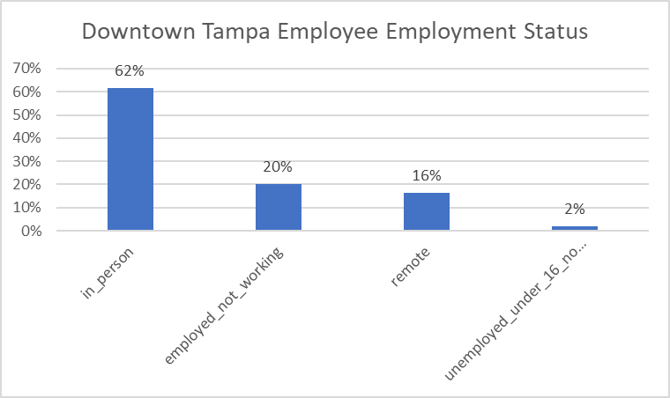

 | What is the commute mode for employees who work in person?

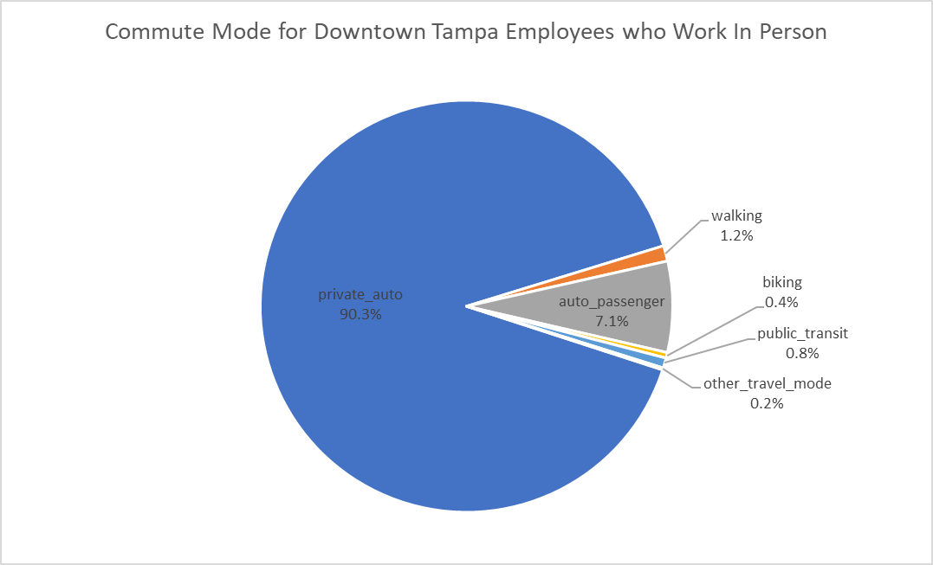

 | What is the household income distribution?

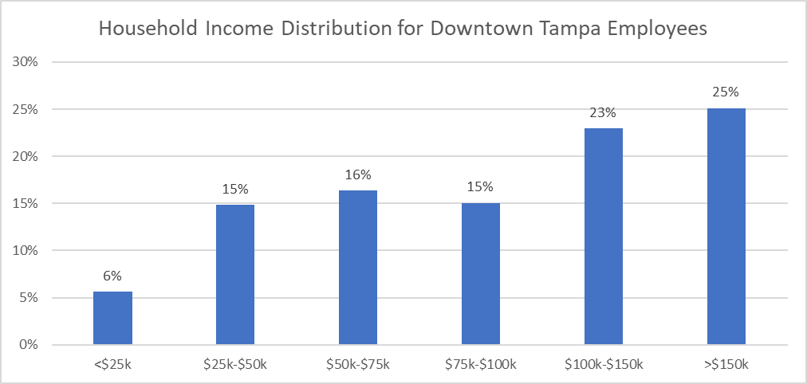

 | Households under $50k a year | 20%
 | Households over $100k a year | 48%

 | Median Household Income | 96,346

Resident_Trips
Dynamic - select one of 11 zones and compare to another zone
 | Resident Information

 | Where do residents who work in person work?

 |  |  | <--anchor is heat map of resident work locations
 |  |  | <--data presented at the cenus block group level

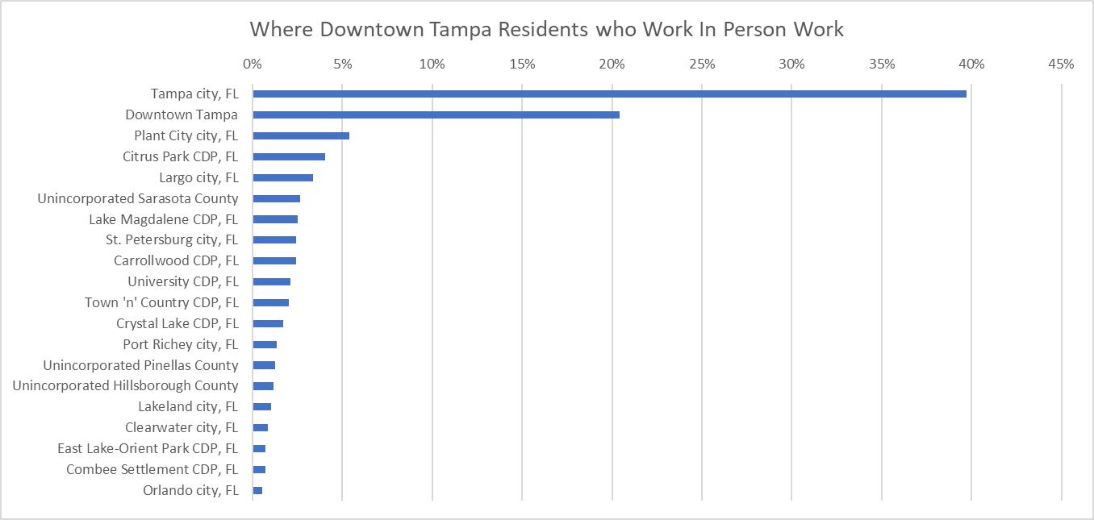
 |  |  |  | <--include table of Top 20 places to provide a more aggregate perspective and to make comparison easier

 | Number of Residents | 2,719

 | What is the resident employment profile?

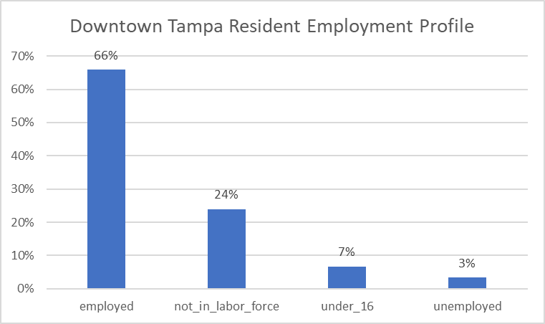

 | What is the employment status of residents?

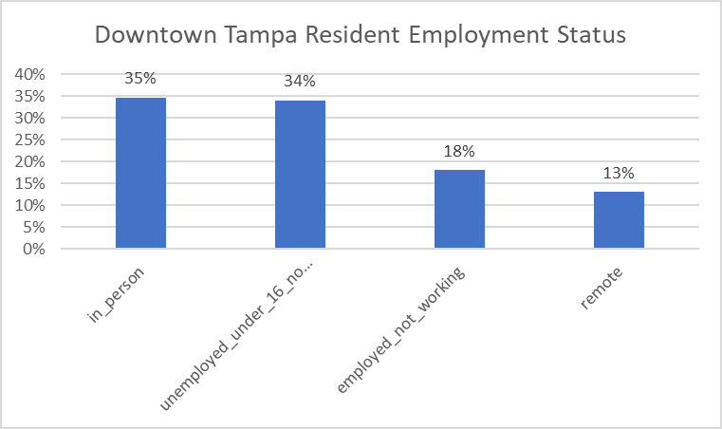

 | What is the commute mode for residents who work in person?

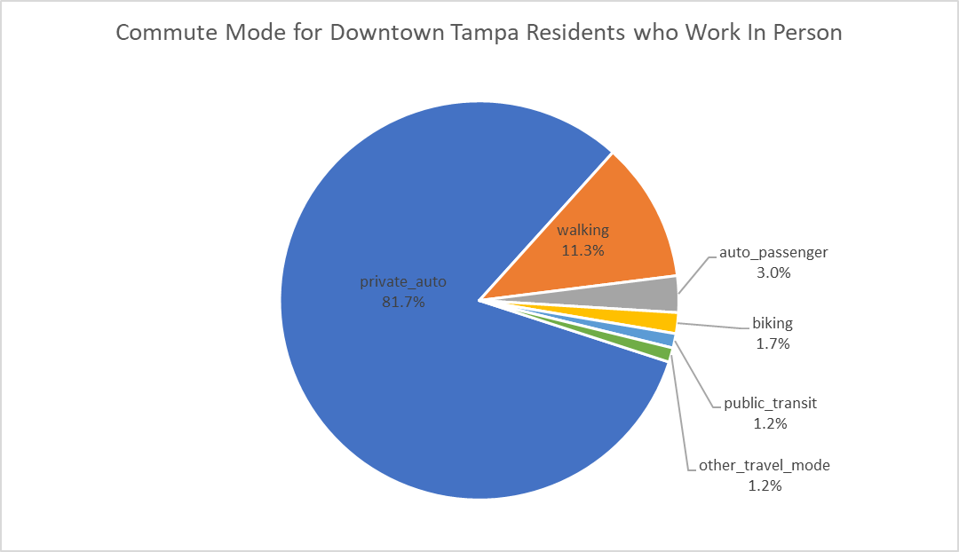

 | How many autos do residents own?

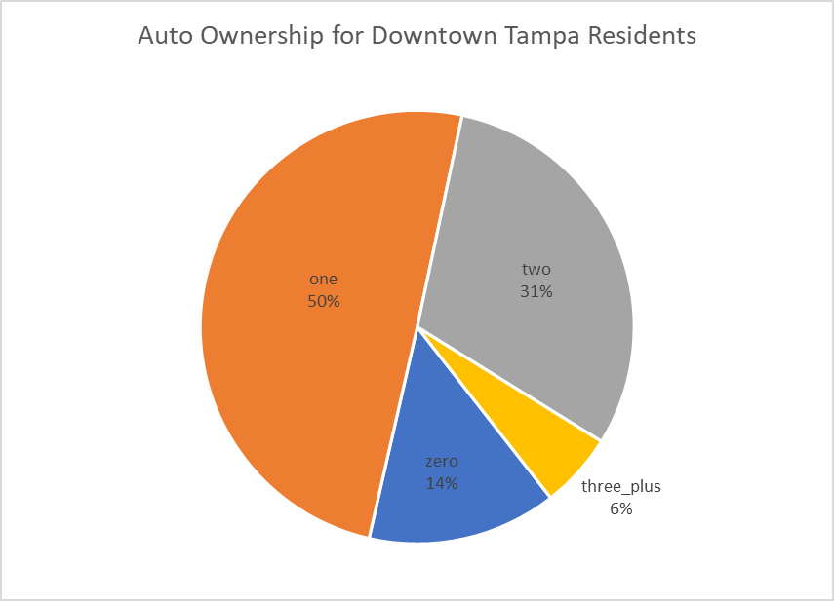

 | What is the household size distribution?

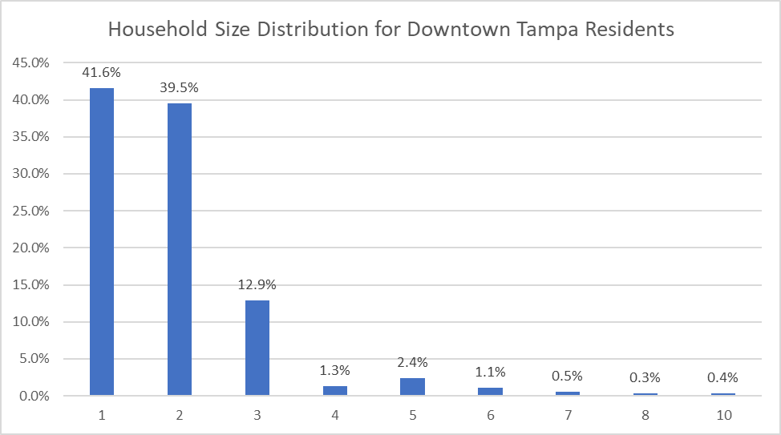

 | Median Household Size | 2.00

 | What is the household income distribution?

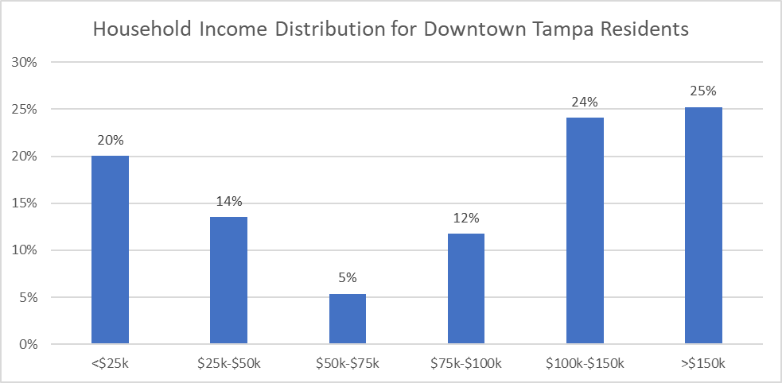

 | Households under $50k a year | 34%
 | Households over $100k a year | 49%

 | Median Household Income | 96,346

LBS_Visitor_Home_Locations
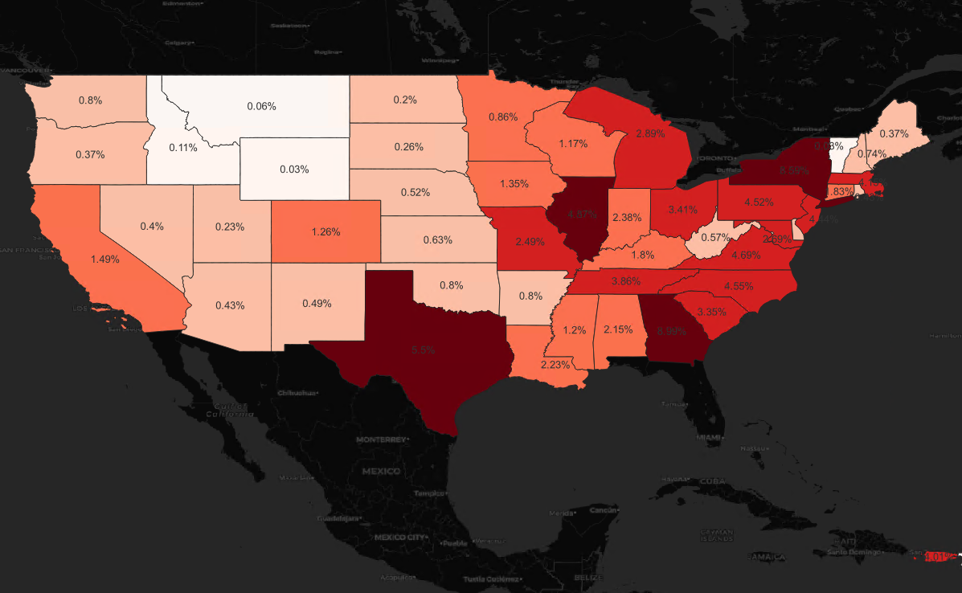
Static - only presenting data for the D7 region
 | Visitor Home Locations from LBS Data

 | The image below illustrates the imputed home locations of devices that visited Busch Gardens from LBS data sources.

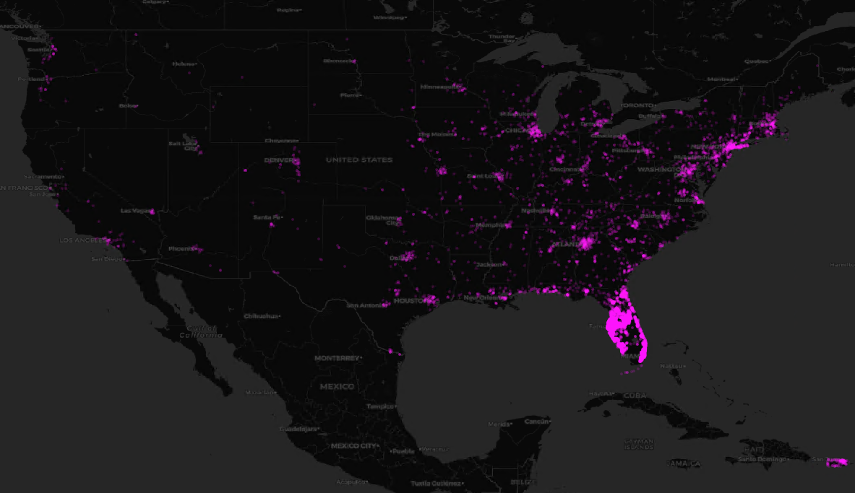

 | The image below illustrates the percent distribution of non-Florida visitors to Busch Gardens from LBS data sources.

COVID_Changes
Static - only presenting general data for the region from web sources
 | Post-COVID Travel Behavior Changes

 | What are the biggest changes in travel behavior post-COVID?

 | Post-COVID (Fall 2019 to Fall 2022) Comparisons
 |  | I don’t have a ton of confidence in the Replica data
 |  | Will instead summarize research data from web sources

 | 1 | The City of Tampa's population is estimated to have shrunk by roughly 1.4% from 2019 to 2023.
 | 2 | General activity levels in Downtown Tampa during winter are roughly 84% of pre-pandemic levels.
 | 3 | Total visitors to Florida were estimated to be roughly 5% higher in 2022 than in 2019. However, visitors from Canada and overseas were lower by roughly 36% and 28%, respectively.
 | 4 | Total public transit ridership on the Hillsborough Area Regional Transity Authority system has increased 23% from 2019 to 2023.
 | 5 | The overall work-from-home percentage in District 7 counties increased from 8.6% in 2019 to 21.2% in 2021, resulting in roughly an additional 190,000 work-from-home workers.

 | How much has the City of Tampa's population changed over the course of the pandemic?
City of Tampa Population Estimates
 | Year | Population Estimate | Change from 2019
 | 2019 | 401,002 | --
 | 2020 | 383,980 | -4.2%
 | 2021 | 387,050 | -3.5%
 | 2022 | 398,173 | -0.7%
 | 2023 | 395,199 | -1.4%

 | Source: | www.google.com

 | How much has general activity levels changed in Downtown Tampa?

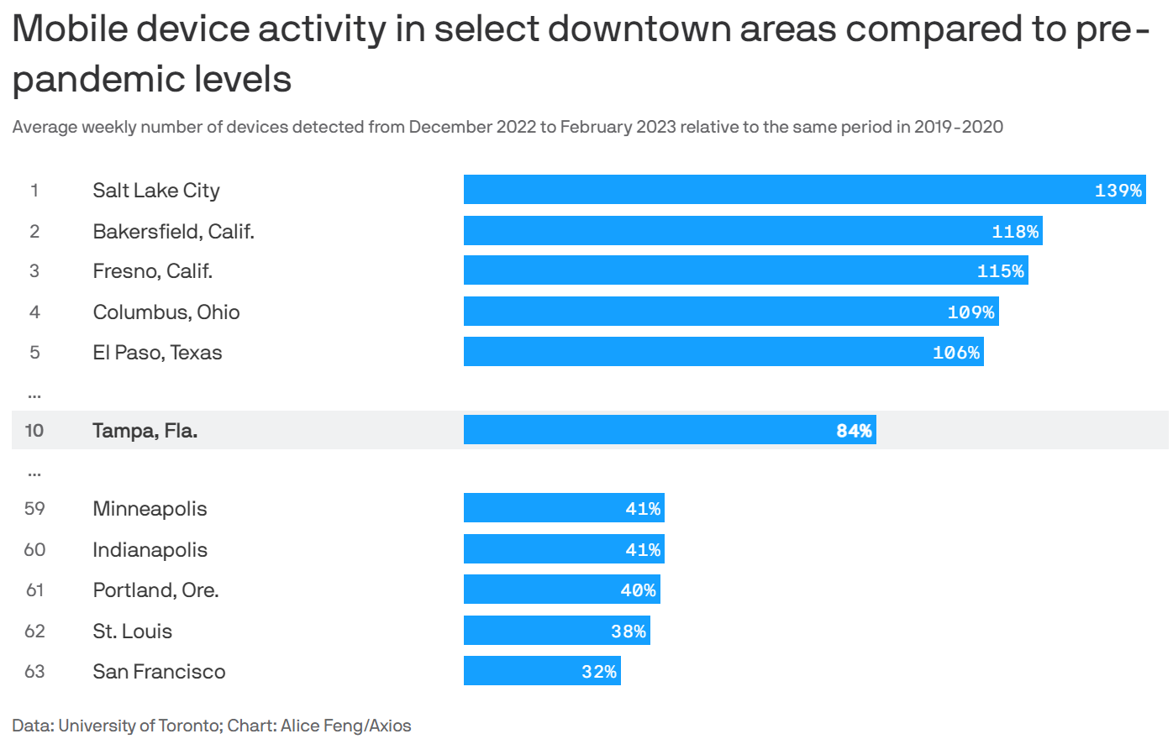

 | Source: | https://www.axios.com/local/tampa-bay/2023/05/04/tampa-downtown-activity-pandemic

 | How much have tourism levels changed in Florida?

Estimated Florida Tourism Levels
 |  | Visitor Estimates
 | Year | Domestic | Overseas | Canada | Total | Change from 2019
 | 2019 | 117,181,000 | 9,801,000 | 4,088,000 | 131,069,000 | --
 | 2020 | 75,506,000 | 2,407,000 | 1,485,000 | 79,397,000 | -39%
 | 2021 | 117,325,000 | 4,058,000 | 454,000 | 121,838,000 | -7%
 | 2022 | 127,751,000 | 7,022,000 | 2,627,000 | 137,401,000 | 5% | 9% | -28% | -36%

 | Source: | https://www.visitflorida.org/resources/research/

 | How much has transit ridership changed in the Hillsborough area?
Hillsborough Area RTA Monthly Ridership
 | Hillsborough Area Regional Transit Authority
 | Month | Monthly Ridership | Change from 2019
 | October 2019 | 78,500 | --
 | October 2022 | 96,700 | 23%

 | Source: | www.apta.com

 | How much has work-from-home changed in District 7 counties?

District 7 Work-from-Home Percentages
 |  |  | 2019 |  |  | 2021 |  |  | 2019 to 2021 Change
 |  | County | Total Workers | WFH% | WFH Workers | Total Workers | WFH% | WFH Workers | Total Workers | WFH% | WFH Workers | County | 2019 | 2019 to 2021 Change
 |  | Citrus County | N/A | N/A | N/A | N/A | N/A | N/A | N/A | N/A | N/A | Hernando County | 6.9% | 3.9%
 |  | Hernando County | 71,435 | 6.9% | 4,929 | 80,929 | 10.8% | 8,740 | 9,494 | 3.9% | 3,811 | Pasco County | 10.5% | 10.6%
 |  | Pasco County | 235,792 | 10.5% | 24,758 | 256,429 | 21.1% | 54,107 | 20,637 | 10.6% | 29,348 | Hillsborough County | 8.2% | 14.1%
 |  | Hillsborough County | 729,116 | 8.2% | 59,788 | 724,996 | 22.3% | 161,674 | -4,120 | 14.1% | 101,887 | Pinellas County | 8.6% | 12.8%
 |  | Pinellas County | 452,436 | 8.6% | 38,909 | 450,591 | 21.4% | 96,426 | -1,845 | 12.8% | 57,517 | District 7 | 8.6% | 12.6%
 |  | Total | 1,488,779 | 8.6% | 128,384 | 1,512,945 | 21.2% | 320,947 | 24,166 | 12.6% | 192,563

 | Source: | https://data.census.gov/table?q=commuting+to+work&g=050XX00US12017,12053,12057,12101,12103&y=2021

Commercial_Spending_Data
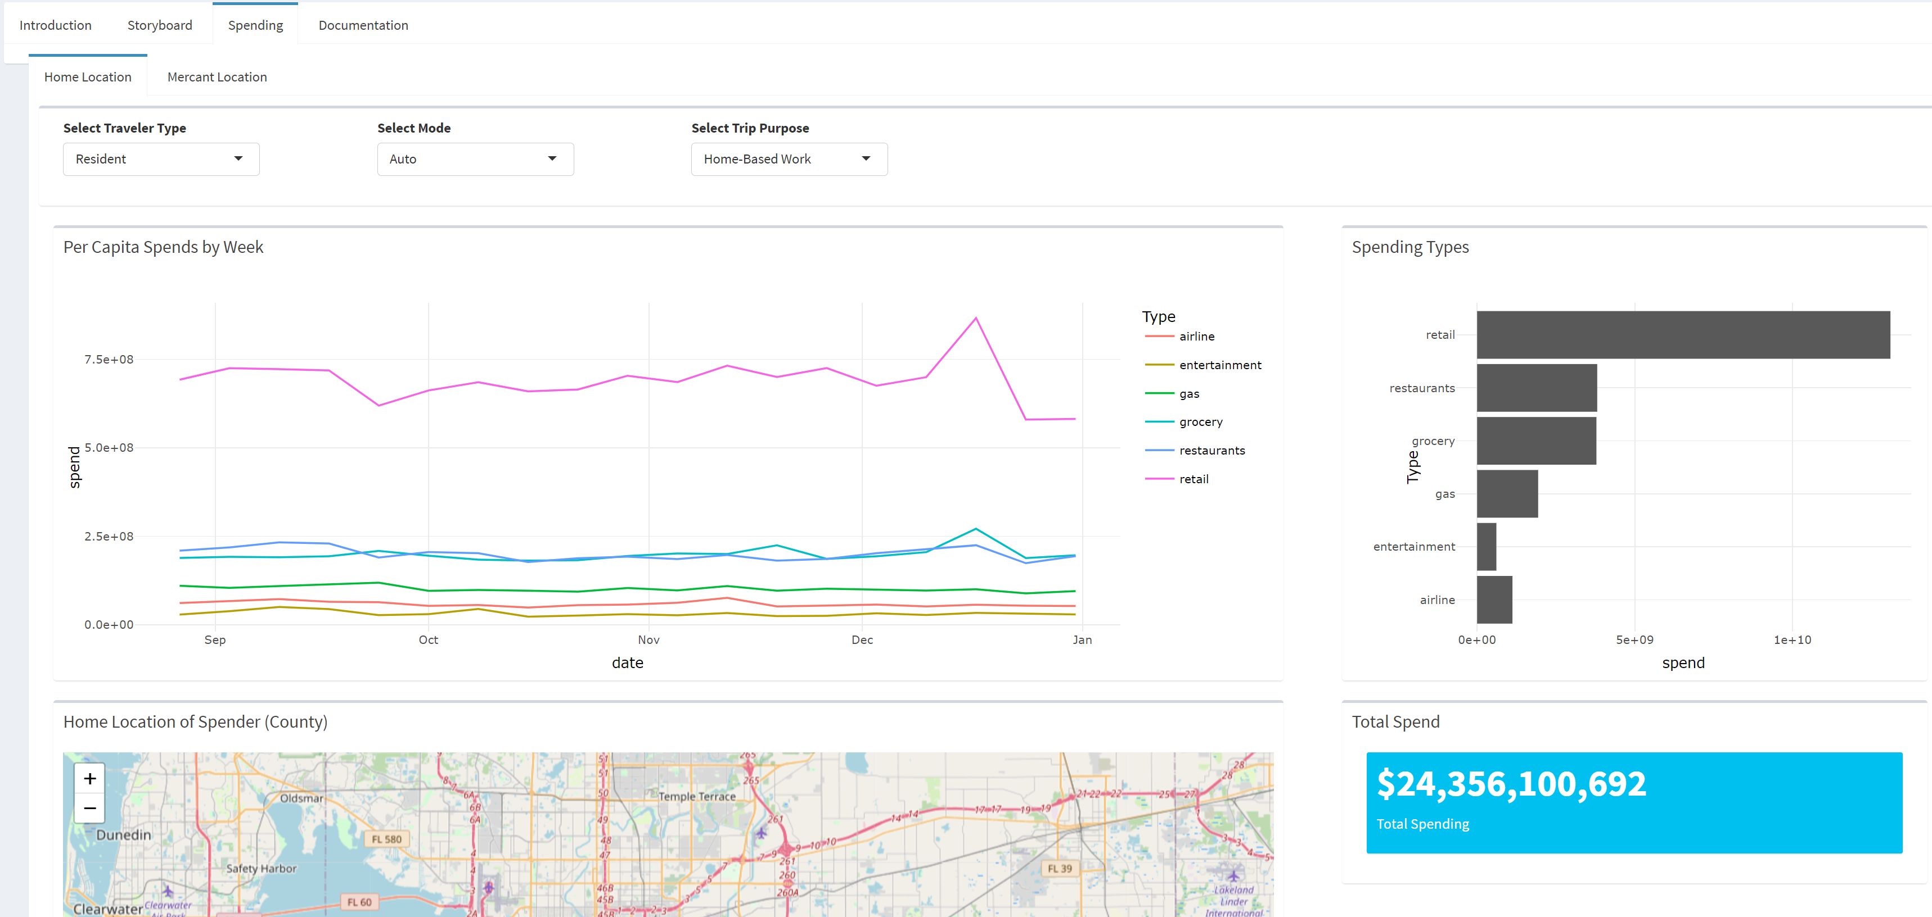
Interactive tool with maps and charts
 | Commercial Spending Data

 | What do commercial spending habits look like in the D7 region?

