Order entry - EBUY
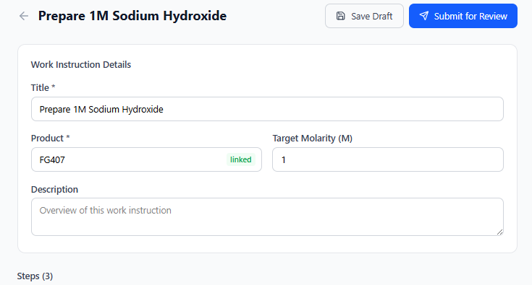
Create request
Item Number
Lab Number
Notes
quantity
size

