2E
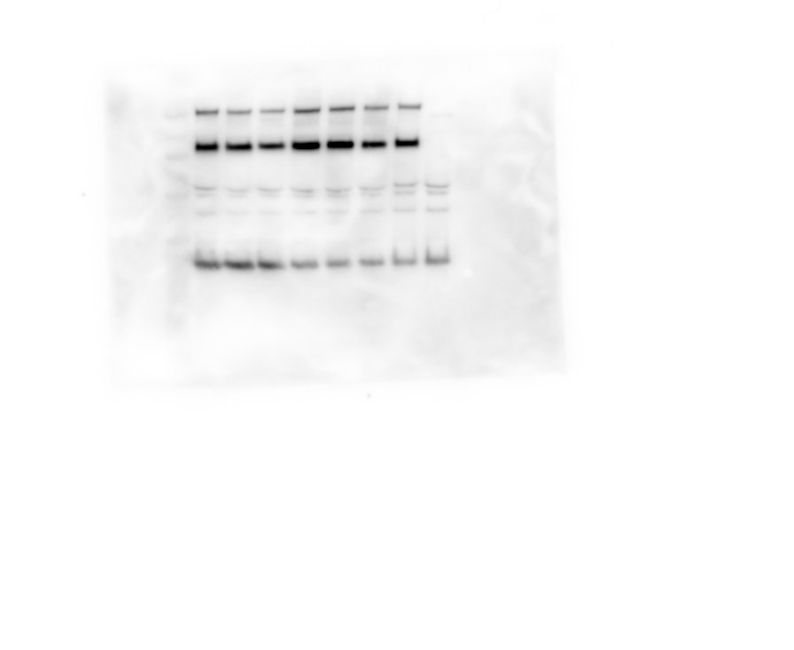
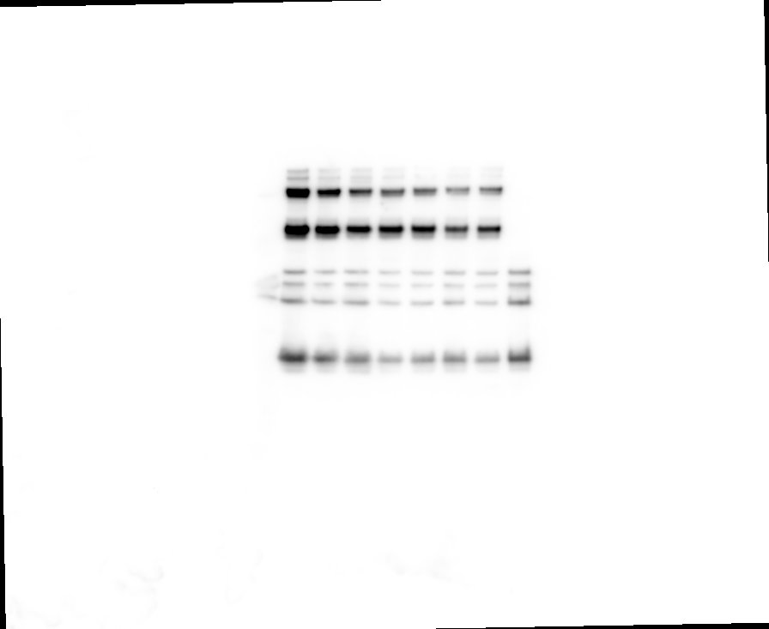
spike incorporation
GD01 | I529T | T424I | SV | LAK | B53 | B54
2.54010683 | 2.67117493 | 2.12315849 | 2.31841883 | 3.65630605 | 1.37381434 | 1.15895466
1.81022056 | 1.53954369 | 1.63034917 | 3.66795115 | 3.71508054 | 3.36317513 | 3.16865618
2.4329552 | 1.26892363 | 1.2363296 | 1.10348162 | 0.99609932 | 1.35843008 | 0.76527028
1.63143598 | 1.98453035 | 1.671582 | 3.61715723 | 2.40575072 | 1.38993697 | 2.12050019

virion clevage
GD01 | I529T | T424I | SV | LAK | B53 | B54
0.553166 | 0.55562559 | 0.56139991 | 0.55085687 | 0.57519706 | 0.58165374 | 0.59979842
0.71869 | 0.75363887 | 0.74510141 | 0.68448538 | 0.68755119 | 0.65437939 | 0.72479272
0.73302659 | 0.67894683 | 0.69496396 | 0.67991689 | 0.64267954 | 0.72994912 | 0.80919414
0.49046735 | 0.5632741 | 0.57577882 | 0.61440873 | 0.63194079 | 0.63607806 | 0.61633277

representative blot |  |  |  |  |  |  | other blots

