JAN
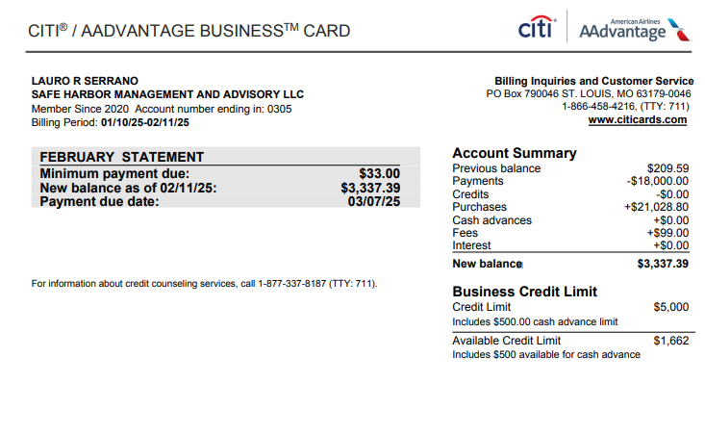
Date | Description | Debit | Credit | Member Name | Quick Books GL
2025-02-11 | ONLINE PAYMENT, THANK YOU |  | -2100 | LAURO R SERRANO | Payment
2025-02-11 | MEMBERSHIP FEE FEB 25-JAN 26 | 99 |  | LAURO R SERRANO | Dues & Subscriptions
2025-02-11 | LIDO INC NEW YORK NY | 337.5 |  | CARLOS RIVERA | Professional Fees
2025-02-11 | PROPERTYRADAR TRUCKEE CA | 599 |  | CARLOS RIVERA | Professional Fees
2025-02-10 | INTUIT *QBooks Online CL.INTUIT.COM CA | 65 |  | LAURO R SERRANO | Dues & Subscriptions
2025-02-10 | INTUIT *QBooks Online CL.INTUIT.COM CA | 65 |  | LAURO R SERRANO | Dues & Subscriptions
2025-02-10 | INTUIT *QBooks Online CL.INTUIT.COM CA | 65 |  | LAURO R SERRANO | Dues & Subscriptions
2025-02-10 | INTUIT *QBooks Online CL.INTUIT.COM CA | 65 |  | LAURO R SERRANO | Dues & Subscriptions
2025-02-10 | INTUIT *QBooks Online CL.INTUIT.COM CA | 65 |  | LAURO R SERRANO | Dues & Subscriptions
2025-02-10 | INTUIT *QBooks Online CL.INTUIT.COM CA | 65 |  | LAURO R SERRANO | Dues & Subscriptions
2025-02-10 | INTUIT *QBooks Online CL.INTUIT.COM CA | 65 |  | LAURO R SERRANO | Dues & Subscriptions
2025-02-10 | INTUIT *QBooks Online CL.INTUIT.COM CA | 99 |  | LAURO R SERRANO | Dues & Subscriptions
2025-02-10 | INTUIT *QBooks Online CL.INTUIT.COM CA | 99 |  | LAURO R SERRANO | Dues & Subscriptions
2025-02-10 | INTUIT *QBooks Online CL.INTUIT.COM CA | 99 |  | LAURO R SERRANO | Dues & Subscriptions
2025-02-10 | INTUIT *QBooks Online CL.INTUIT.COM CA | 99 |  | LAURO R SERRANO | Dues & Subscriptions
2025-02-10 | INTUIT *QBooks Online CL.INTUIT.COM CA | 99 |  | LAURO R SERRANO | Dues & Subscriptions
2025-02-10 | INTUIT *QBooks Online CL.INTUIT.COM CA | 99 |  | LAURO R SERRANO | Dues & Subscriptions
2025-02-10 | INTUIT *QBooks Online CL.INTUIT.COM CA | 99 |  | LAURO R SERRANO | Dues & Subscriptions
2025-02-10 | INTUIT *QBooks Online CL.INTUIT.COM CA | 99 |  | LAURO R SERRANO | Dues & Subscriptions
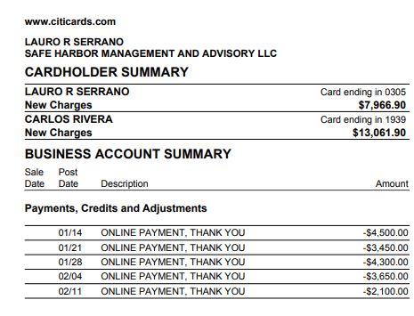
2025-02-10 | INTUIT *QBooks Online CL.INTUIT.COM CA | 201.43 |  | LAURO R SERRANO | Dues & Subscriptions
2025-02-10 | INTUIT *QBooks Online CL.INTUIT.COM CA | 235 |  | LAURO R SERRANO | Dues & Subscriptions
2025-02-10 | INTUIT *QBooks Online CL.INTUIT.COM CA | 235 |  | LAURO R SERRANO | Dues & Subscriptions
2025-02-10 | WWW.ACCURATENOW.COM SOUTHERN PINE NC | 172.9 |  | CARLOS RIVERA | Dues & Subscriptions
2025-02-10 | LIDO INC NEW YORK NY | 337.5 |  | CARLOS RIVERA | Professional Fees
2025-02-09 | LIDO INC NEW YORK NY | 375 |  | CARLOS RIVERA | Professional Fees
2025-02-09 | DOCUSIGN INC. Wilmington DE | 473.42 |  | CARLOS RIVERA | Dues & Subscriptions
2025-02-08 | INTUIT *QBooks Online CL.INTUIT.COM CA | 99 |  | LAURO R SERRANO | Dues & Subscriptions
2025-02-08 | INTUIT *QBooks Online CL.INTUIT.COM CA | 320 |  | LAURO R SERRANO | Dues & Subscriptions
2025-02-08 | PANERA BREAD #601124 O 305-406-3330 FL | 275.95 |  | CARLOS RIVERA | Meals & Entertainment
2025-02-04 | ONLINE PAYMENT, THANK YOU |  | -3650 | LAURO R SERRANO | Payment
2025-02-04 | ZOOM.COM 888-799-9666 SAN JOSE CA | 193.99 |  | CARLOS RIVERA | Dues & Subscriptions
2025-02-03 | ZOOM.COM 888-799-9666 SAN JOSE CA | 15.99 |  | CARLOS RIVERA | Dues & Subscriptions
2025-02-03 | WWW.ACCURATENOW.COM SOUTHERN PINE NC | 172.9 |  | CARLOS RIVERA | Dues & Subscriptions
2025-02-02 | Dropbox HSV1YNMHDQFX San Francisco CA | 120 |  | CARLOS RIVERA | Dues & Subscriptions
2025-02-01 | SMARTSTOP SELF STORAGE DORAL FL | 486.16 |  | LAURO R SERRANO | Dues & Subscriptions
2025-02-01 | AMAZON MKTPL*Z71F93IH2 Amzn.com/bill WA | 48.67 |  | CARLOS RIVERA | Office Supplies
2025-01-31 | MIAMI HERALD SUB 8008434372 CA | 42.99 |  | LAURO R SERRANO | Dues & Subscriptions
2025-01-31 | PITNEY BOWES SHELTON CT | 25.75 |  | CARLOS RIVERA | Postage and Delivery
2025-01-31 | PITNEY BOWES SHELTON CT | 51.5 |  | CARLOS RIVERA | Postage and Delivery
2025-01-31 | LIDO INC NEW YORK NY | 375 |  | CARLOS RIVERA | Professional Fees
2025-01-31 | PAPERSMITH 7863609192 FL | 63.9 |  | CARLOS RIVERA | Dues & Subscriptions
2025-01-30 | Hubspot Inc. Cambridge, Ma MA | 1239.5 |  | CARLOS RIVERA | Advertising & Marketing
2025-01-30 | CULLIGAN WATER ROSEMONT IL | 77.66 |  | CARLOS RIVERA | Dues & Subscriptions
2025-01-30 | LIDO INC NEW YORK NY | 337.5 |  | CARLOS RIVERA | Professional Fees
2025-01-30 | Amazon.com*ZC2LQ6SF0 Amzn.com/bill WA | 59.91 |  | CARLOS RIVERA | Office Supplies
2025-01-30 | Amazon.com*Z740J38I2 Amzn.com/bill WA | 59.91 |  | CARLOS RIVERA | Office Supplies
2025-01-29 | FEDEX480755912 MEMPHIS TN | 65.2 |  | LAURO R SERRANO | Postage and Delivery
2025-01-29 | AMAZON MKTPL*ZC71G2Q20 Amzn.com/bill WA | 14.92 |  | CARLOS RIVERA | Office Supplies
2025-01-29 | AMAZON MKTPL*ZC2SF6HY0 Amzn.com/bill WA | 81.05 |  | CARLOS RIVERA | Office Supplies
2025-01-29 | AMAZON MKTPL*ZC48Z8H70 Amzn.com/bill WA | 82.06 |  | CARLOS RIVERA | Office Supplies
2025-01-29 | AMAZON MKTPL*ZC76G8LR1 Amzn.com/bill WA | 102.51 |  | CARLOS RIVERA | Office Supplies
2025-01-28 | ONLINE PAYMENT, THANK YOU |  | -4300 | LAURO R SERRANO | Payment
2025-01-28 | ASANA.COM SAN FRANCISCO CA | 304.9 |  | LAURO R SERRANO | Dues & Subscriptions
2025-01-28 | Amazon.com*ZC9G161V0 Amzn.com/bill WA | 7.04 |  | CARLOS RIVERA | Office Supplies
2025-01-28 | 1-800-FLOWERS.COM,INC. 800-468-1141 NY | 136.93 |  | CARLOS RIVERA | Office Supplies
2025-01-27 | FEDEX OFFICE 800000836 PLANO TX | 128.31 |  | CARLOS RIVERA | Postage and Delivery
2025-01-26 | INTUIT *QBooks Online CL.INTUIT.COM CA | 99 |  | LAURO R SERRANO | Dues & Subscriptions
2025-01-25 | INTUIT *QBooks Online CL.INTUIT.COM CA | 99 |  | LAURO R SERRANO | Dues & Subscriptions
2025-01-24 | AMAZON MKTPL*ZC7IL1SH2 Amzn.com/bill WA | 8.55 |  | CARLOS RIVERA | Office Supplies
2025-01-24 | FEDEX OFFICE 800000836 PLANO TX | 128.31 |  | CARLOS RIVERA | Postage and Delivery
2025-01-23 | WEB*NETWORKSOLUTIONS 8886429675 FL | 47.98 |  | LAURO R SERRANO | Dues & Subscriptions
2025-01-23 | EIG*CONSTANTCONTACT.C 8552295506 MA | 110 |  | LAURO R SERRANO | Dues & Subscriptions
2025-01-23 | INTUIT *QBooks Online CL.INTUIT.COM CA | 99 |  | LAURO R SERRANO | Dues & Subscriptions
2025-01-23 | DNH*GODADDY#3542516408 480-505-8855 AZ | 449.08 |  | LAURO R SERRANO | Dues & Subscriptions
2025-01-23 | Amazon.com*ZG68F4Q50 Amzn.com/bill WA | 19.24 |  | CARLOS RIVERA | Dues & Subscriptions
2025-01-23 | LIDO INC NEW YORK NY | 375 |  | CARLOS RIVERA | Professional Fees
2025-01-23 | AMAZON MKTPL*ZC6SM8B82 Amzn.com/bill WA | 31.89 |  | CARLOS RIVERA | Office Supplies
2025-01-22 | FEDEX480035113 MEMPHIS TN | 21.53 |  | LAURO R SERRANO | Postage and Delivery
2025-01-22 | LIDO INC NEW YORK NY | 375 |  | CARLOS RIVERA | Professional Fees
2025-01-22 | CITY OF*DORAL 305-593-6725 FL | 3 |  | CARLOS RIVERA | Dues & Subscriptions
2025-01-21 | ONLINE PAYMENT, THANK YOU |  | -3450 | LAURO R SERRANO | Payment
2025-01-21 | THE REAL DEAL NEW YORK NY | 19 |  | LAURO R SERRANO | Dues & Subscriptions
2025-01-21 | OPENAI *CHATGPT SUBSCR SAN FRANCISCO CA | 60 |  | CARLOS RIVERA | Dues & Subscriptions
2025-01-21 | LIDO INC NEW YORK NY | 337.5 |  | CARLOS RIVERA | Professional Fees
2025-01-21 | ATT*BUS PHONE PMT 800-288-2020 TX | 203.3 |  | CARLOS RIVERA | Telephone/Internet/Web
2025-01-21 | FEDEX OFFIC22700022772 COCONUT GROVE FL | 599.04 |  | CARLOS RIVERA | Postage and Delivery
2025-01-20 | RINGCENTRAL INC. 888-898-4591 CA | 1233.47 |  | LAURO R SERRANO | Telephone/Internet/Web
2025-01-19 | INTUIT *QBooks Online CL.INTUIT.COM CA | 99 |  | LAURO R SERRANO | Dues & Subscriptions
2025-01-19 | AMAZON MKTPL*ZG97A7RR2 Amzn.com/bill WA | 345.38 |  | CARLOS RIVERA | Office Supplies
2025-01-18 | CRB*CARBONITE BACKUP 8776654466 MA | 191.98 |  | CARLOS RIVERA | Dues & Subscriptions
2025-01-17 | INTUIT *QBooks Online CL.INTUIT.COM CA | 235 |  | LAURO R SERRANO | Dues & Subscriptions
2025-01-17 | INTUIT *QBooks Online CL.INTUIT.COM CA | 235 |  | LAURO R SERRANO | Dues & Subscriptions
2025-01-17 | Amazon.com*Z52S49481 Amzn.com/bill WA | 12.66 |  | CARLOS RIVERA | Office Supplies
2025-01-17 | INTUIT *QBooks Online CL.INTUIT.COM CA | 117.5 |  | CARLOS RIVERA | Dues & Subscriptions
2025-01-16 | WEB*NETWORKSOLUTIONS 8886429675 FL | 46.17 |  | LAURO R SERRANO | Dues & Subscriptions
2025-01-15 | FEDEX479400847 MEMPHIS TN | 66.05 |  | LAURO R SERRANO | Postage and Delivery
2025-01-15 | INTUIT *QBooks Online CL.INTUIT.COM CA | 99 |  | CARLOS RIVERA | Dues & Subscriptions
2025-01-15 | TST*PIOLA - DORAL Miami FL | 301.43 |  | CARLOS RIVERA | Meals & Entertainment
2025-01-15 | COPY EXPRESS CORAL GABLES FL | 339.79 |  | CARLOS RIVERA | Office Supplies
2025-01-14 | ONLINE PAYMENT, THANK YOU |  | -4500 | LAURO R SERRANO | Payment
2025-01-14 | WEB*NETWORKSOLUTIONS 8886429675 FL | 2.5 |  | LAURO R SERRANO | Dues & Subscriptions
2025-01-14 | LinkedInPre *72342754 8556535653 CA | 33.94 |  | LAURO R SERRANO | Dues & Subscriptions
2025-01-14 | LIDO INC NEW YORK NY | 1000 |  | CARLOS RIVERA | Professional Fees
2025-01-13 | PAPERSMITH 7863609192 FL | 127.8 |  | CARLOS RIVERA | Dues & Subscriptions
2025-01-12 | PROPSTREAM 8772049040 CA | 99 |  | CARLOS RIVERA | Dues & Subscriptions
2025-01-12 | LIDO INC NEW YORK NY | 337 |  | CARLOS RIVERA | Professional Fees
2025-01-12 | INTUIT *QBooks Online CL.INTUIT.COM CA | 99 |  | CARLOS RIVERA | Dues & Subscriptions
2025-01-12 | AMAZON MKTPL*ZD9S791U1 Amzn.com/bill WA | 134.52 |  | CARLOS RIVERA | Office Supplies
2025-01-11 | LIDO INC NEW YORK NY | 337.5 |  | CARLOS RIVERA | Professional Fees
2025-01-11 | LIDO INC NEW YORK NY | 375 |  | CARLOS RIVERA | Professional Fees
2025-01-11 | PROPERTYRADAR TRUCKEE CA | 599 |  | CARLOS RIVERA | Professional Fees
2025-01-10 | INTUIT *QBooks Online CL.INTUIT.COM CA | 65 |  | LAURO R SERRANO | Dues & Subscriptions
2025-01-10 | INTUIT *QBooks Online CL.INTUIT.COM CA | 65 |  | LAURO R SERRANO | Dues & Subscriptions
2025-01-10 | INTUIT *QBooks Online CL.INTUIT.COM CA | 65 |  | LAURO R SERRANO | Dues & Subscriptions
2025-01-10 | INTUIT *QBooks Online CL.INTUIT.COM CA | 65 |  | LAURO R SERRANO | Dues & Subscriptions
2025-01-10 | INTUIT *QBooks Online CL.INTUIT.COM CA | 65 |  | LAURO R SERRANO | Dues & Subscriptions
2025-01-10 | INTUIT *QBooks Online CL.INTUIT.COM CA | 65 |  | LAURO R SERRANO | Dues & Subscriptions
2025-01-10 | INTUIT *QBooks Online CL.INTUIT.COM CA | 65 |  | LAURO R SERRANO | Dues & Subscriptions
2025-01-10 | INTUIT *QBooks Online CL.INTUIT.COM CA | 99 |  | LAURO R SERRANO | Dues & Subscriptions
2025-01-10 | INTUIT *QBooks Online CL.INTUIT.COM CA | 99 |  | LAURO R SERRANO | Dues & Subscriptions
2025-01-10 | INTUIT *QBooks Online CL.INTUIT.COM CA | 99 |  | LAURO R SERRANO | Dues & Subscriptions
2025-01-10 | INTUIT *QBooks Online CL.INTUIT.COM CA | 99 |  | LAURO R SERRANO | Dues & Subscriptions
2025-01-10 | INTUIT *QBooks Online CL.INTUIT.COM CA | 99 |  | LAURO R SERRANO | Dues & Subscriptions
2025-01-10 | INTUIT *QBooks Online CL.INTUIT.COM CA | 99 |  | LAURO R SERRANO | Dues & Subscriptions
2025-01-10 | INTUIT *QBooks Online CL.INTUIT.COM CA | 99 |  | LAURO R SERRANO | Dues & Subscriptions
2025-01-10 | INTUIT *QBooks Online CL.INTUIT.COM CA | 99 |  | LAURO R SERRANO | Dues & Subscriptions
2025-01-10 | INTUIT *QBooks Online CL.INTUIT.COM CA | 117.5 |  | LAURO R SERRANO | Dues & Subscriptions
2025-01-10 | INTUIT *QBooks Online CL.INTUIT.COM CA | 235 |  | LAURO R SERRANO | Dues & Subscriptions
2025-01-10 | INTUIT *QBooks Online CL.INTUIT.COM CA | 235 |  | LAURO R SERRANO | Dues & Subscriptions
2025-01-10 | Amazon.com*Z57MI9VM2 Amzn.com/bill WA | 30.25 |  | CARLOS RIVERA | Office Supplies
2025-01-09 | LIDO INC NEW YORK NY | 375 |  | CARLOS RIVERA | Professional Fees
2025-01-09 | AMAZON MKTPL*ZD29T2O61 Amzn.com/bill WA | 32.99 |  | CARLOS RIVERA | Office Supplies

FEB
Date | Description | Debit | Credit | Member Name | Quick Books GL
2025-03-11 | ONLINE PAYMENT, THANK YOU |  | -4000 | LAURO R SERRANO | Payment
2025-03-10 | ONLINE PAYMENT, THANK YOU |  | -900 | LAURO R SERRANO | Payment
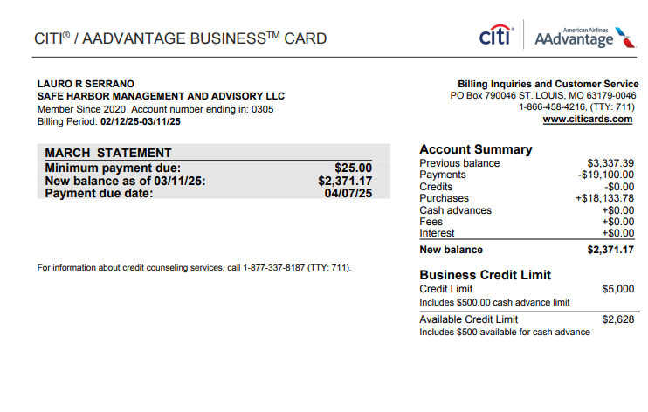
2025-03-10 | DNH*GODADDY#363814192 TEMPE AZ | 105.2 |  | LAURO R SERRANO | Dues & Subscriptions
2025-03-10 | DNH*GODADDY#359687063 TEMPE AZ | 168.84 |  | LAURO R SERRANO | Dues & Subscriptions
2025-03-10 | INTUIT *QBooks Online CL.INTUIT.COM CA | 65 |  | LAURO R SERRANO | Dues & Subscriptions
2025-03-10 | INTUIT *QBooks Online CL.INTUIT.COM CA | 65 |  | LAURO R SERRANO | Dues & Subscriptions
2025-03-10 | INTUIT *QBooks Online CL.INTUIT.COM CA | 65 |  | LAURO R SERRANO | Dues & Subscriptions
2025-03-10 | INTUIT *QBooks Online CL.INTUIT.COM CA | 65 |  | LAURO R SERRANO | Dues & Subscriptions
2025-03-10 | INTUIT *QBooks Online CL.INTUIT.COM CA | 65 |  | LAURO R SERRANO | Dues & Subscriptions
2025-03-10 | INTUIT *QBooks Online CL.INTUIT.COM CA | 65 |  | LAURO R SERRANO | Dues & Subscriptions
2025-03-10 | INTUIT *QBooks Online CL.INTUIT.COM CA | 65 |  | LAURO R SERRANO | Dues & Subscriptions
2025-03-10 | INTUIT *QBooks Online CL.INTUIT.COM CA | 99 |  | LAURO R SERRANO | Dues & Subscriptions
2025-03-10 | INTUIT *QBooks Online CL.INTUIT.COM CA | 99 |  | LAURO R SERRANO | Dues & Subscriptions
2025-03-10 | INTUIT *QBooks Online CL.INTUIT.COM CA | 99 |  | LAURO R SERRANO | Dues & Subscriptions
2025-03-10 | INTUIT *QBooks Online CL.INTUIT.COM CA | 99 |  | LAURO R SERRANO | Dues & Subscriptions
2025-03-10 | INTUIT *QBooks Online CL.INTUIT.COM CA | 99 |  | LAURO R SERRANO | Dues & Subscriptions
2025-03-10 | INTUIT *QBooks Online CL.INTUIT.COM CA | 117.5 |  | LAURO R SERRANO | Dues & Subscriptions
2025-03-10 | INTUIT *QBooks Online CL.INTUIT.COM CA | 235 |  | LAURO R SERRANO | Dues & Subscriptions
2025-03-10 | INTUIT *QBooks Online CL.INTUIT.COM CA | 235 |  | LAURO R SERRANO | Dues & Subscriptions
2025-03-10 | LIDO INC NEW YORK NY | 337.5 |  | CARLOS RIVERA | Professional Fees
2025-03-09 | LIDO INC NEW YORK NY | 375 |  | CARLOS RIVERA | Professional Fees
2025-03-09 | DROPBOX DOCSEND SAN FRANCISCO CA | 1800 |  | CARLOS RIVERA | Dues & Subscriptions
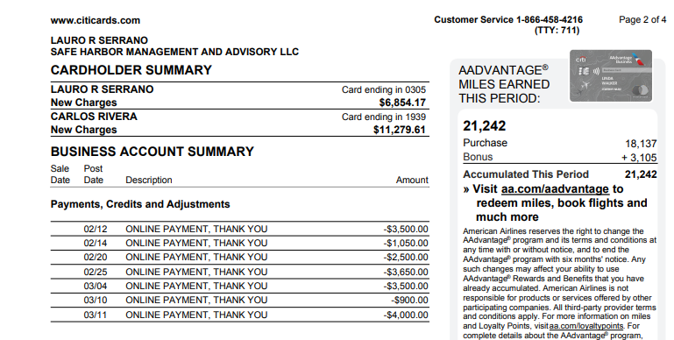
2025-03-08 | INTUIT *QBooks Payroll CL.INTUIT.COM CA | 320 |  | LAURO R SERRANO | Dues & Subscriptions
2025-03-07 | DNH*GODADDY#363253693 TEMPE AZ | 99.99 |  | LAURO R SERRANO | Dues & Subscriptions
2025-03-07 | DNH*GODADDY#3631258543 480-505-8855 AZ | 191.64 |  | LAURO R SERRANO | Dues & Subscriptions
2025-03-07 | PAY*THE DECK@ISLAND GA MIAMI FL | 1473.75 |  | CARLOS RIVERA | Meals & Entertainment
2025-03-06 | RINGCENTRAL INC. 888-898-4591 CA | 26.44 |  | LAURO R SERRANO | Telephone/Internet/Web
2025-03-06 | FEDEX483908165 MEMPHIS TN | 104.25 |  | LAURO R SERRANO | Postage and Delivery
2025-03-05 | AMAZON MKTPL*GM2367F43 Amzn.com/bill WA | 16.92 |  | CARLOS RIVERA | Office Supplies
2025-03-04 | ONLINE PAYMENT, THANK YOU |  | -3500 | LAURO R SERRANO | Payment
2025-03-04 | FEDEX483679681 MEMPHIS TN | 233.84 |  | LAURO R SERRANO | Postage and Delivery
2025-03-04 | ZOOM.COM 888-799-9666 SAN JOSE CA | 193.99 |  | CARLOS RIVERA | Dues & Subscriptions
2025-03-04 | CITY OF*DORAL 305-593-6725 FL | 72 |  | CARLOS RIVERA | Dues & Subscriptions
2025-03-03 | DNH*GODADDY#3623722768 480-505-8855 AZ | 205.75 |  | LAURO R SERRANO | Dues & Subscriptions
2025-03-03 | ZOOM.COM 888-799-9666 SAN JOSE CA | 15.99 |  | CARLOS RIVERA | Dues & Subscriptions
2025-03-03 | WWW.ACCURATENOW.COM SOUTHERN PINE NC | 155.8 |  | CARLOS RIVERA | Dues & Subscriptions
2025-03-02 | MIAMI HERALD SUB 8008434372 CA | 42.99 |  | LAURO R SERRANO | Dues & Subscriptions
2025-03-01 | WEB*NETWORKSOLUTIONS 8886429675 FL | 39.98 |  | LAURO R SERRANO | Dues & Subscriptions
2025-03-01 | SMARTSTOP SELF STORAGE DORAL FL | 486.16 |  | LAURO R SERRANO | Dues & Subscriptions
2025-03-01 | WALD INC PALO ALTO CA | 39.98 |  | CARLOS RIVERA | Dues & Subscriptions
2025-03-01 | Hubspot Inc. Winchester MA | 1239.5 |  | CARLOS RIVERA | Advertising & Marketing
2025-02-28 | ASANA.COM SAN FRANCISCO CA | 304.9 |  | LAURO R SERRANO | Dues & Subscriptions
2025-02-28 | AMAZON MKTPL*WU5UH0LF3 Amzn.com/bill WA | 8.39 |  | CARLOS RIVERA | Office Supplies
2025-02-28 | AMAZON MKTPL*VR1WH8KX3 Amzn.com/bill WA | 19.15 |  | CARLOS RIVERA | Office Supplies
2025-02-28 | LIDO INC NEW YORK NY | 300 |  | CARLOS RIVERA | Professional Fees
2025-02-28 | LIDO INC NEW YORK NY | 375 |  | CARLOS RIVERA | Professional Fees
2025-02-28 | PAPERSMITH 7863609192 FL | 127.8 |  | CARLOS RIVERA | Dues & Subscriptions
2025-02-26 | INTUIT *QBooks Online CL.INTUIT.COM CA | 99 |  | LAURO R SERRANO | Dues & Subscriptions
2025-02-26 | AMAZON MKTPL*ST2P83KA3 Amzn.com/bill WA | 45.98 |  | CARLOS RIVERA | Office Supplies
2025-02-26 | Amazon.com*C19E56V93 Amzn.com/bill WA | 57.76 |  | CARLOS RIVERA | Office Supplies
2025-02-25 | ONLINE PAYMENT, THANK YOU |  | -3650 | LAURO R SERRANO | Payment
2025-02-25 | INTUIT *QBooks Online CL.INTUIT.COM CA | 99 |  | LAURO R SERRANO | Dues & Subscriptions
2025-02-25 | SAUCE, INC* THE ORIGIN NEWARK DE | 178.49 |  | CARLOS RIVERA | Meals & Entertainment
2025-02-25 | AMAZON MKTPL*DK3035YF3 Amzn.com/bill WA | 35.6 |  | CARLOS RIVERA | Office Supplies
2025-02-24 | WWW.ACCURATENOW.COM SOUTHERN PINE NC | 77.9 |  | CARLOS RIVERA | Dues & Subscriptions
2025-02-23 | EIG*CONSTANTCONTACT.C 8552295506 MA | 110 |  | LAURO R SERRANO | Dues & Subscriptions
2025-02-23 | INTUIT *QBooks Online CL.INTUIT.COM CA | 99 |  | LAURO R SERRANO | Dues & Subscriptions
2025-02-23 | LIDO INC NEW YORK NY | 375 |  | CARLOS RIVERA | Professional Fees
2025-02-23 | ATT*BUS PHONE PMT 800-288-2020 TX | 203.3 |  | CARLOS RIVERA | Telephone/Internet/Web
2025-02-22 | LIDO INC NEW YORK NY | 375 |  | CARLOS RIVERA | Professional Fees
2025-02-21 | THE REAL DEAL NEW YORK NY | 19 |  | LAURO R SERRANO | Dues & Subscriptions
2025-02-21 | OPENAI *CHATGPT SUBSCR SAN FRANCISCO CA | 60 |  | CARLOS RIVERA | Dues & Subscriptions
2025-02-21 | LIDO INC NEW YORK NY | 337.5 |  | CARLOS RIVERA | Professional Fees
2025-02-20 | ONLINE PAYMENT, THANK YOU |  | -2500 | LAURO R SERRANO | Payment
2025-02-20 | WEB*NETWORKSOLUTIONS 8886429675 FL | 47.98 |  | LAURO R SERRANO | Dues & Subscriptions
2025-02-20 | RINGCENTRAL INC. 888-898-4591 CA | 1233.47 |  | LAURO R SERRANO | Telephone/Internet/Web
2025-02-20 | TST*DIVIETO RISTORANTE 305-470-8038 FL | 366.5 |  | CARLOS RIVERA | Meals & Entertainment
2025-02-20 | COPY EXPRESS CORAL GABLES FL | 134 |  | CARLOS RIVERA | Office Supplies
2025-02-20 | AMAZON MKTPL*RI9LO9T13 Amzn.com/bill WA | 29.1 |  | CARLOS RIVERA | Office Supplies
2025-02-19 | INTUIT *QBooks Online CL.INTUIT.COM CA | 99 |  | LAURO R SERRANO | Dues & Subscriptions
2025-02-19 | BRISAS DE ESPANA DORAL FL | 43.87 |  | CARLOS RIVERA | Meals & Entertainment
2025-02-18 | INTUIT *QBooks Online CL.INTUIT.COM CA | 13.22 |  | LAURO R SERRANO | Dues & Subscriptions
2025-02-18 | RINGCENTRAL INC. 888-898-4591 CA | 229.3 |  | LAURO R SERRANO | Telephone/Internet/Web
2025-02-17 | INTUIT *QBooks Online CL.INTUIT.COM CA | 235 |  | LAURO R SERRANO | Dues & Subscriptions
2025-02-17 | INTUIT *QBooks Online CL.INTUIT.COM CA | 235 |  | LAURO R SERRANO | Dues & Subscriptions
2025-02-17 | GRAMMARLY CO*KK9XLIN SAN FRANCISCO CA | 144 |  | CARLOS RIVERA | Dues & Subscriptions
2025-02-17 | INTUIT *QBooks Online CL.INTUIT.COM CA | 176.25 |  | CARLOS RIVERA | Dues & Subscriptions
2025-02-16 | DNH*GODADDY#3589799538 480-505-8855 AZ | 191.64 |  | LAURO R SERRANO | Dues & Subscriptions
2025-02-15 | PITNEY BOWES SHELTON CT | 25.75 |  | CARLOS RIVERA | Postage and Delivery
2025-02-15 | INTUIT *QBooks Online CL.INTUIT.COM CA | 99 |  | CARLOS RIVERA | Dues & Subscriptions
2025-02-14 | ONLINE PAYMENT, THANK YOU |  | -1050 | LAURO R SERRANO | Payment
2025-02-14 | LinkedInPre *26248184 8556535653 CA | 33.94 |  | LAURO R SERRANO | Dues & Subscriptions
2025-02-14 | LIDO INC NEW YORK NY | 1000 |  | CARLOS RIVERA | Professional Fees
2025-02-14 | CHECKSFORLESS.COM PORTLAND ME | 53.84 |  | CARLOS RIVERA | Office Supplies
2025-02-12 | ONLINE PAYMENT, THANK YOU |  | -3500 | LAURO R SERRANO | Payment
2025-02-12 | DNH*GODADDY#3581446235 480-505-8855 AZ | 239.64 |  | LAURO R SERRANO | Dues & Subscriptions
2025-02-12 | PROPSTREAM 8772049040 CA | 99 |  | CARLOS RIVERA | Dues & Subscriptions
2025-02-12 | LIDO INC NEW YORK NY | 337 |  | CARLOS RIVERA | Professional Fees
2025-02-12 | INTUIT *QBooks Online CL.INTUIT.COM CA | 99 |  | CARLOS RIVERA | Dues & Subscriptions
2025-02-11 | WEB*NETWORKSOLUTIONS 8886429675 FL | 2.5 |  | LAURO R SERRANO | Dues & Subscriptions
2025-02-11 | LIDO INC NEW YORK NY | 375 |  | CARLOS RIVERA | Professional Fees

MAR
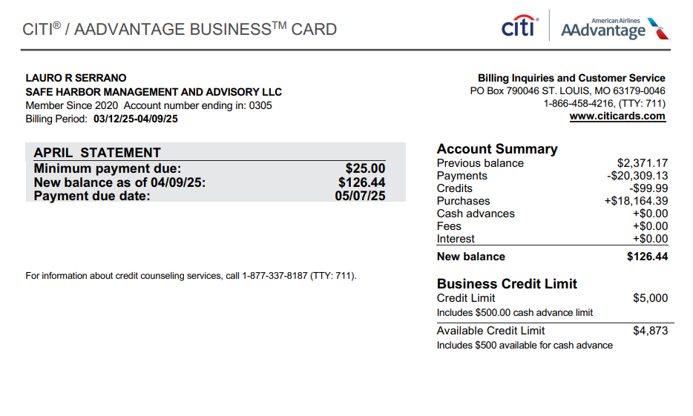
Date | Description | Debit | Credit | Member Name | Quick Books GL
2025-04-09 | ONLINE PAYMENT, THANK YOU |  | -3500 | LAURO R SERRANO | Payment
2025-04-08 | WEB*NETWORKSOLUTIONS 8886429675 FL | 3 |  | LAURO R SERRANO | Dues & Subscriptions
2025-04-08 | DNH*GODADDY#369531957 TEMPE AZ | 35.88 |  | LAURO R SERRANO | Dues & Subscriptions
2025-04-08 | INTUIT *QBooks Payroll CL.INTUIT.COM CA | 320 |  | LAURO R SERRANO | Dues & Subscriptions
2025-04-07 | EOI DIRECT BOISE ID | 29.95 |  | CARLOS RIVERA | Dues & Subscriptions
2025-04-04 | ZOOM.COM 888-799-9666 SAN JOSE CA | 193.99 |  | CARLOS RIVERA | Dues & Subscriptions
2025-04-04 | THE DECK AT ISLAND GAR MIAMI FL | 1708.8 |  | CARLOS RIVERA | Meals & Entertainment
2025-04-04 | DECK VALET MIAMI FL | 404 |  | CARLOS RIVERA | Meals & Entertainment
2025-04-03 | ONLINE PAYMENT, THANK YOU |  | -3450 | LAURO R SERRANO | Payment
2025-04-03 | DNH*GODADDY#368564734 TEMPE AZ | 239.88 |  | LAURO R SERRANO | Dues & Subscriptions
2025-04-03 | PAY*THE DECK@ISLAND GA MIAMI FL | 766.35 |  | CARLOS RIVERA | Meals & Entertainment
2025-04-03 | AMAZON MKTPL*KK4Z36GR3 Amzn.com/bill WA | 155.67 |  | CARLOS RIVERA | Office Supplies
2025-04-02 | WALD INC PALO ALTO CA | 39.98 |  | CARLOS RIVERA | Dues & Subscriptions
2025-04-01 | SMARTSTOP SELF STORAGE DORAL FL | 486.16 |  | LAURO R SERRANO | Dues & Subscriptions
2025-04-01 | MIAMI HERALD SUB 8008434372 CA | 55.99 |  | LAURO R SERRANO | Dues & Subscriptions
2025-04-01 | ZOOM.COM 888-799-9666 SAN JOSE CA | 15.99 |  | CARLOS RIVERA | Dues & Subscriptions
2025-04-01 | Hubspot Inc. Winchester MA | 1239.5 |  | CARLOS RIVERA | Advertising & Marketing
2025-03-31 | ONLINE PAYMENT, THANK YOU |  | -5109.13 | LAURO R SERRANO | Payment
2025-03-31 | LIDO INC NEW YORK NY | 375 |  | CARLOS RIVERA | Professional Fees
2025-03-31 | PAPERSMITH 7863609192 FL | 63.9 |  | CARLOS RIVERA | Dues & Subscriptions
2025-03-30 | LIDO INC NEW YORK NY | 337.5 |  | CARLOS RIVERA | Professional Fees
2025-03-28 | ASANA.COM SAN FRANCISCO CA | 304.9 |  | LAURO R SERRANO | Dues & Subscriptions
2025-03-28 | LIDO INC NEW YORK NY | 300 |  | CARLOS RIVERA | Professional Fees
2025-03-27 | PB ONLINE POSTAGE SHELTON CT | 25.75 |  | CARLOS RIVERA | Postage and Delivery
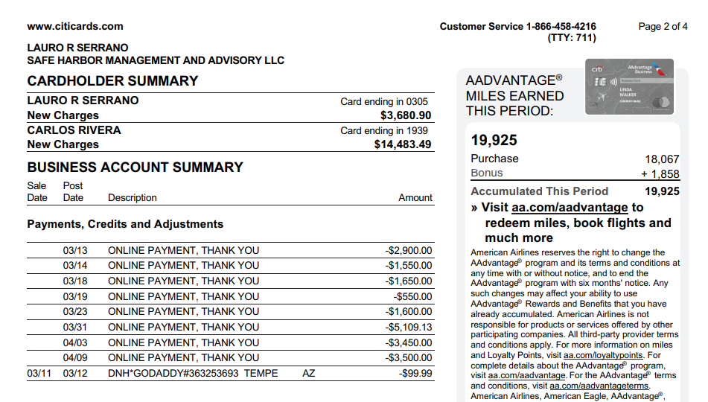
2025-03-27 | COPY EXPRESS CORAL GABLES FL | 443.45 |  | CARLOS RIVERA | Office Supplies
2025-03-26 | INTUIT *QBooks Online CL.INTUIT.COM CA | 99 |  | LAURO R SERRANO | Dues & Subscriptions
2025-03-25 | INTUIT *QBooks Online CL.INTUIT.COM CA | 99 |  | LAURO R SERRANO | Dues & Subscriptions
2025-03-25 | 4IMPRINT, INC 4IMPRINT.COM WI | 2801.41 |  | CARLOS RIVERA | Advertising & Marketing
2025-03-24 | WEB*NETWORKSOLUTIONS 8886429675 FL | 46.17 |  | LAURO R SERRANO | Dues & Subscriptions
2025-03-23 | ONLINE PAYMENT, THANK YOU |  | -1600 | LAURO R SERRANO | Payment
2025-03-23 | EIG*CONSTANTCONTACT.C 8552295506 MA | 110 |  | LAURO R SERRANO | Dues & Subscriptions
2025-03-23 | INTUIT *QBooks Online CL.INTUIT.COM CA | 99 |  | LAURO R SERRANO | Dues & Subscriptions
2025-03-23 | LIDO INC NEW YORK NY | 375 |  | CARLOS RIVERA | Professional Fees
2025-03-22 | LIDO INC NEW YORK NY | 375 |  | CARLOS RIVERA | Professional Fees
2025-03-22 | ATT*BUS PHONE PMT 800-288-2020 TX | 203.3 |  | CARLOS RIVERA | Telephone/Internet/Web
2025-03-21 | THE REAL DEAL NEW YORK NY | 19 |  | LAURO R SERRANO | Dues & Subscriptions
2025-03-21 | Amazon.com*VD9JC6AN3 Amzn.com/bill WA | 19.94 |  | CARLOS RIVERA | Office Supplies
2025-03-21 | OPENAI *CHATGPT SUBSCR SAN FRANCISCO CA | 60 |  | CARLOS RIVERA | Dues & Subscriptions
2025-03-21 | LIDO INC NEW YORK NY | 337.5 |  | CARLOS RIVERA | Professional Fees
2025-03-21 | AMAZON MKTPL*OD9HY94B3 Amzn.com/bill WA | 61.78 |  | CARLOS RIVERA | Office Supplies
2025-03-21 | AMAZON MKTPL*R51C40VI3 Amzn.com/bill WA | 77.22 |  | CARLOS RIVERA | Office Supplies
2025-03-20 | WEB*NETWORKSOLUTIONS 8886429675 FL | 47.98 |  | LAURO R SERRANO | Dues & Subscriptions
2025-03-20 | RINGCENTRAL INC. 888-898-4591 CA | 1233.47 |  | LAURO R SERRANO | Telephone/Internet/Web
2025-03-19 | ONLINE PAYMENT, THANK YOU |  | -550 | LAURO R SERRANO | Payment
2025-03-19 | INTUIT *QBooks Online CL.INTUIT.COM CA | 99 |  | LAURO R SERRANO | Dues & Subscriptions
2025-03-18 | ONLINE PAYMENT, THANK YOU |  | -1650 | LAURO R SERRANO | Payment
2025-03-18 | CRB*CARBONITE BACKUP 8776654466 MA | 95.99 |  | CARLOS RIVERA | Dues & Subscriptions
2025-03-17 | INTUIT *QBooks Online CL.INTUIT.COM CA | 235 |  | LAURO R SERRANO | Dues & Subscriptions
2025-03-17 | AMAZON MKTPL*2D5JR4LZ3 Amzn.com/bill WA | 24.6 |  | CARLOS RIVERA | Office Supplies
2025-03-17 | WWW.ACCURATENOW.COM SOUTHERN PINE NC | 172.9 |  | CARLOS RIVERA | Dues & Subscriptions
2025-03-17 | INTUIT *QBooks Online CL.INTUIT.COM CA | 235 |  | CARLOS RIVERA | Dues & Subscriptions
2025-03-16 | DNH*GODADDY#365006882 TEMPE AZ | 35.88 |  | LAURO R SERRANO | Dues & Subscriptions
2025-03-15 | LIDO INC NEW YORK NY | 337.5 |  | CARLOS RIVERA | Professional Fees
2025-03-15 | INTUIT *QBooks Online CL.INTUIT.COM CA | 99 |  | CARLOS RIVERA | Dues & Subscriptions
2025-03-14 | ONLINE PAYMENT, THANK YOU |  | -1550 | LAURO R SERRANO | Payment
2025-03-14 | FEDEX484619015 MEMPHIS TN | 75.15 |  | LAURO R SERRANO | Postage and Delivery
2025-03-14 | LinkedInPre *84049854 8556535653 CA | 33.94 |  | LAURO R SERRANO | Dues & Subscriptions
2025-03-14 | LIDO INC NEW YORK NY | 1000 |  | CARLOS RIVERA | Professional Fees
2025-03-13 | ONLINE PAYMENT, THANK YOU |  | -2900 | LAURO R SERRANO | Payment
2025-03-12 | AMAZON MKTPL*8W1MB15X3 Amzn.com/bill WA | 6.41 |  | CARLOS RIVERA | Office Supplies
2025-03-12 | Amazon.com*ST5I56SK3 Amzn.com/bill WA | 46.51 |  | CARLOS RIVERA | Office Supplies
2025-03-12 | PROPSTREAM 8772049040 CA | 99 |  | CARLOS RIVERA | Dues & Subscriptions
2025-03-12 | LIDO INC NEW YORK NY | 337 |  | CARLOS RIVERA | Professional Fees
2025-03-12 | TWIN PEAKS - DORAL DORAL FL | 418.06 |  | CARLOS RIVERA | Meals & Entertainment
2025-03-12 | PROPERTYRADAR TRUCKEE CA | 599 |  | CARLOS RIVERA | Professional Fees
2025-03-12 | INTUIT *QBooks Online CL.INTUIT.COM CA | 99 |  | CARLOS RIVERA | Dues & Subscriptions
2025-03-12 | AMAZON MKTPL*LG1W68FI3 Amzn.com/bill WA | 127.54 |  | CARLOS RIVERA | Office Supplies
2025-03-11 | DNH*GODADDY#363253693 TEMPE AZ |  | -99.99 | LAURO R SERRANO | Dues & Subscriptions
2025-03-11 | WEB*NETWORKSOLUTIONS 8886429675 FL | 2.5 |  | LAURO R SERRANO | Dues & Subscriptions
2025-03-11 | LIDO INC NEW YORK NY | 375 |  | CARLOS RIVERA | Professional Fees

MAY
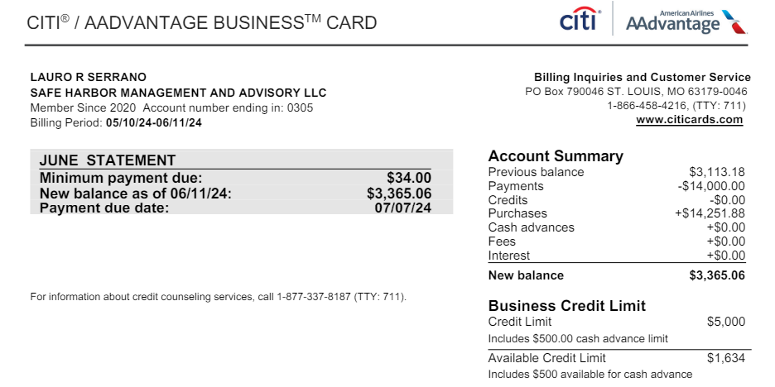
Date | Description | Debit | Credit | Member Name | Quick Books GL
2024-06-10 | INTUIT *QBooks Online CL.INTUIT.COM CA | 60 |  | LAURO R SERRANO | Dues & Subscriptions
2024-06-10 | INTUIT *QBooks Online CL.INTUIT.COM CA | 60 |  | LAURO R SERRANO | Dues & Subscriptions
2024-06-10 | INTUIT *QBooks Online CL.INTUIT.COM CA | 60 |  | LAURO R SERRANO | Dues & Subscriptions
2024-06-10 | INTUIT *QBooks Online CL.INTUIT.COM CA | 60 |  | LAURO R SERRANO | Dues & Subscriptions
2024-06-10 | INTUIT *QBooks Online CL.INTUIT.COM CA | 60 |  | LAURO R SERRANO | Dues & Subscriptions
2024-06-10 | INTUIT *QBooks Online CL.INTUIT.COM CA | 60 |  | LAURO R SERRANO | Dues & Subscriptions
2024-06-10 | INTUIT *QBooks Online CL.INTUIT.COM CA | 60 |  | LAURO R SERRANO | Dues & Subscriptions
2024-06-10 | INTUIT *QBooks Online CL.INTUIT.COM CA | 60 |  | LAURO R SERRANO | Dues & Subscriptions
2024-06-10 | INTUIT *QBooks Online CL.INTUIT.COM CA | 85 |  | LAURO R SERRANO | Dues & Subscriptions
2024-06-10 | INTUIT *QBooks Online CL.INTUIT.COM CA | 90 |  | LAURO R SERRANO | Dues & Subscriptions
2024-06-10 | INTUIT *QBooks Online CL.INTUIT.COM CA | 90 |  | LAURO R SERRANO | Dues & Subscriptions
2024-06-10 | INTUIT *QBooks Online CL.INTUIT.COM CA | 90 |  | LAURO R SERRANO | Dues & Subscriptions
2024-06-10 | INTUIT *QBooks Online CL.INTUIT.COM CA | 90 |  | LAURO R SERRANO | Dues & Subscriptions
2024-06-10 | INTUIT *QBooks Online CL.INTUIT.COM CA | 90 |  | LAURO R SERRANO | Dues & Subscriptions
2024-06-10 | INTUIT *QBooks Online CL.INTUIT.COM CA | 90 |  | LAURO R SERRANO | Dues & Subscriptions
2024-06-10 | INTUIT *QBooks Online CL.INTUIT.COM CA | 90 |  | LAURO R SERRANO | Dues & Subscriptions
2024-06-10 | INTUIT *QBooks Online CL.INTUIT.COM CA | 100 |  | LAURO R SERRANO | Dues & Subscriptions
2024-06-10 | INTUIT *QBooks Online CL.INTUIT.COM CA | 200 |  | LAURO R SERRANO | Dues & Subscriptions
2024-06-10 | UPWORK -704009276 8662624478 CA | 1260 |  | LAURO R SERRANO | Professional Fees
2024-06-09 | Hubspot Inc. Winchester MA | 500 |  | LAURO R SERRANO | Advertising & Marketing
2024-06-08 | INTUIT *QBooks Online CL.INTUIT.COM CA | 90 |  | LAURO R SERRANO | Dues & Subscriptions
2024-06-08 | INTUIT *QBooks Online CL.INTUIT.COM CA | 140 |  | LAURO R SERRANO | Dues & Subscriptions
2024-06-08 | PITNEY BOWES SHELTON CT | 25.88 |  | CARLOS RIVERA | Postage and Delivery
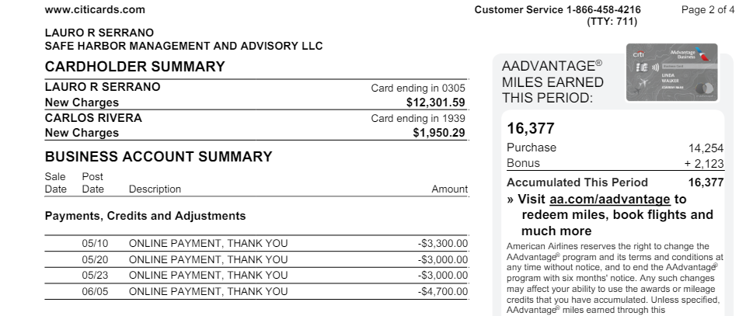
2024-06-08 | CRB*CARBONITE BACKUP 8776654466 MA | 95.99 |  | CARLOS RIVERA | Dues & Subscriptions
2024-06-06 | AMAZON RET* 112-278834 SEATTLE WA | 4.25 |  | CARLOS RIVERA | Office Supplies
2024-06-05 | ONLINE PAYMENT, THANK YOU |  | -4700 | LAURO R SERRANO | Payment
2024-06-05 | FEDEX460184481 800-4633339 TN | 61.52 |  | LAURO R SERRANO | Postage and Delivery
2024-06-04 | AMZN Mktp US*Z64BI89E3 Amzn.com/bill WA | 17.38 |  | CARLOS RIVERA | Office Supplies
2024-06-03 | UPWORK -701672164 8662624478 CA | 995.4 |  | LAURO R SERRANO | Professional Fees
2024-06-03 | ZOOM.US 888-799-9666 SAN JOSE CA | 159.9 |  | CARLOS RIVERA | Dues & Subscriptions
2024-06-02 | MIAMI HERALD SUB 8008434372 CA | 29.99 |  | LAURO R SERRANO | Dues & Subscriptions
2024-06-02 | Dropbox YX1MBFPHMJDC San Francisco CA | 480 |  | CARLOS RIVERA | Dues & Subscriptions
2024-06-01 | SMARTSTOP SELF STORAGE DORAL FL | 436.72 |  | LAURO R SERRANO | Dues & Subscriptions
2024-06-01 | CRB*CARBONITE BACKUP 8776654466 MA | 95.99 |  | CARLOS RIVERA | Dues & Subscriptions
2024-05-31 | 4TE*CONSOLIDATED WATER MIRAMAR FL | 40.83 |  | LAURO R SERRANO | Dues & Subscriptions
2024-05-30 | AMZN Mktp US*2U9NR5743 Amzn.com/bill WA | 48.67 |  | CARLOS RIVERA | Office Supplies
2024-05-28 | Hubspot Inc. Winchester MA | 100 |  | LAURO R SERRANO | Advertising & Marketing
2024-05-28 | ASANA.COM SAN FRANCISCO CA | 304.9 |  | LAURO R SERRANO | Dues & Subscriptions
2024-05-27 | Upwork -699438426REF Upwork.com/bi CA | 1129.8 |  | LAURO R SERRANO | Professional Fees
2024-05-26 | INTUIT *QBooks Online CL.INTUIT.COM CA | 90 |  | LAURO R SERRANO | Dues & Subscriptions
2024-05-25 | INTUIT *QBooks Online CL.INTUIT.COM CA | 90 |  | LAURO R SERRANO | Dues & Subscriptions
2024-05-24 | PITNEY BOWES SHELTON CT | 25.88 |  | CARLOS RIVERA | Postage and Delivery
2024-05-23 | ONLINE PAYMENT, THANK YOU |  | -3000 | LAURO R SERRANO | Payment
2024-05-23 | EIG*CONSTANTCONTACT.CO 8552295506 MA | 110 |  | LAURO R SERRANO | Dues & Subscriptions
2024-05-23 | INTUIT *QBooks Online CL.INTUIT.COM CA | 90 |  | LAURO R SERRANO | Dues & Subscriptions
2024-05-23 | AMZN Mktp US*ML62R3ZW3 Amzn.com/bill WA | 22.93 |  | CARLOS RIVERA | Office Supplies
2024-05-22 | AMZN Mktp US*WC65Y18R3 Amzn.com/bill WA | 26.73 |  | CARLOS RIVERA | Office Supplies
2024-05-22 | ATT*BUS PHONE PMT 800-288-2020 TX | 203.3 |  | CARLOS RIVERA | Telephone/Internet/Web
2024-05-21 | THE REAL DEAL NEW YORK NY | 19 |  | LAURO R SERRANO | Dues & Subscriptions
2024-05-21 | AMZN Mktp US*IC5OY7DP3 Amzn.com/bill WA | 18.89 |  | CARLOS RIVERA | Office Supplies
2024-05-21 | AMZN Mktp US*2N03U9WG3 Amzn.com/bill WA | 20.32 |  | CARLOS RIVERA | Office Supplies
2024-05-21 | Amazon.com*3Q17347Z3 Amzn.com/bill WA | 55.79 |  | CARLOS RIVERA | Office Supplies
2024-05-20 | ONLINE PAYMENT, THANK YOU |  | -3000 | LAURO R SERRANO | Payment
2024-05-20 | ZOOM.US 888-799-9666 SAN JOSE CA | 159.9 |  | LAURO R SERRANO | Dues & Subscriptions
2024-05-20 | Upwork -697262827REF Upwork.com/bi CA | 1141 |  | LAURO R SERRANO | Professional Fees
2024-05-20 | RINGCENTRAL INC. 888-898-4591 CA | 1119.81 |  | LAURO R SERRANO | Telephone/Internet/Web
2024-05-20 | INTUIT *QBooks Online CL.INTUIT.COM CA | 90 |  | CARLOS RIVERA | Dues & Subscriptions
2024-05-19 | INTUIT *QBooks Online CL.INTUIT.COM CA | 90 |  | LAURO R SERRANO | Dues & Subscriptions
2024-05-18 | AMZN Mktp US*Q71DD0AB3 Amzn.com/bill WA | 19.06 |  | CARLOS RIVERA | Office Supplies
2024-05-17 | INTUIT *QBooks Online CL.INTUIT.COM CA | 90 |  | LAURO R SERRANO | Dues & Subscriptions
2024-05-17 | INTUIT *QBooks Online CL.INTUIT.COM CA | 200 |  | LAURO R SERRANO | Dues & Subscriptions
2024-05-16 | WEB*NETWORKSOLUTIONS 8886429675 FL | 47.98 |  | LAURO R SERRANO | Dues & Subscriptions
2024-05-16 | AMZN Mktp US*J74BT54G3 Amzn.com/bill WA | 35.03 |  | CARLOS RIVERA | Office Supplies
2024-05-15 | AMZN Mktp US*IX4KZ4VX3 Amzn.com/bill WA | 46.75 |  | CARLOS RIVERA | Office Supplies
2024-05-15 | CHECKSFORLESS.COM PORTLAND ME | 67.66 |  | CARLOS RIVERA | Office Supplies
2024-05-15 | INTUIT *QBooks Online CL.INTUIT.COM CA | 90 |  | CARLOS RIVERA | Dues & Subscriptions
2024-05-14 | LinkedIn Pre 102014488 8556535653 CA | 33.94 |  | LAURO R SERRANO | Dues & Subscriptions
2024-05-14 | CRB*CARBONITE BACKUP 8776654466 MA | 95.99 |  | CARLOS RIVERA | Dues & Subscriptions
2024-05-13 | Upwork -695056933REF Upwork.com/bi CA | 940.8 |  | LAURO R SERRANO | Professional Fees
2024-05-13 | AIVOOV RAJKOT IND | 14.9 |  | CARLOS RIVERA | Dues & Subscriptions
2024-05-12 | INTUIT *QBooks Online CL.INTUIT.COM CA | 90 |  | CARLOS RIVERA | Dues & Subscriptions
2024-05-12 | PROPSTREAM SOFTWARE FOOTHILL RNCH CA | 99 |  | CARLOS RIVERA | Dues & Subscriptions
2024-05-10 | ONLINE PAYMENT, THANK YOU |  | -3300 | LAURO R SERRANO | Payment
2024-05-10 | INTUIT *QBooks Online CL.INTUIT.COM CA | 60 |  | LAURO R SERRANO | Dues & Subscriptions
2024-05-10 | INTUIT *QBooks Online CL.INTUIT.COM CA | 60 |  | LAURO R SERRANO | Dues & Subscriptions
2024-05-10 | INTUIT *QBooks Online CL.INTUIT.COM CA | 60 |  | LAURO R SERRANO | Dues & Subscriptions
2024-05-10 | INTUIT *QBooks Online CL.INTUIT.COM CA | 60 |  | LAURO R SERRANO | Dues & Subscriptions
2024-05-10 | INTUIT *QBooks Online CL.INTUIT.COM CA | 60 |  | LAURO R SERRANO | Dues & Subscriptions
2024-05-10 | INTUIT *QBooks Online CL.INTUIT.COM CA | 60 |  | LAURO R SERRANO | Dues & Subscriptions
2024-05-10 | INTUIT *QBooks Online CL.INTUIT.COM CA | 60 |  | LAURO R SERRANO | Dues & Subscriptions
2024-05-10 | INTUIT *QBooks Online CL.INTUIT.COM CA | 85 |  | LAURO R SERRANO | Dues & Subscriptions
2024-05-10 | INTUIT *QBooks Online CL.INTUIT.COM CA | 90 |  | LAURO R SERRANO | Dues & Subscriptions
2024-05-10 | INTUIT *QBooks Online CL.INTUIT.COM CA | 90 |  | LAURO R SERRANO | Dues & Subscriptions
2024-05-10 | INTUIT *QBooks Online CL.INTUIT.COM CA | 90 |  | LAURO R SERRANO | Dues & Subscriptions
2024-05-10 | INTUIT *QBooks Online CL.INTUIT.COM CA | 90 |  | LAURO R SERRANO | Dues & Subscriptions
2024-05-10 | INTUIT *QBooks Online CL.INTUIT.COM CA | 90 |  | LAURO R SERRANO | Dues & Subscriptions
2024-05-10 | INTUIT *QBooks Online CL.INTUIT.COM CA | 90 |  | LAURO R SERRANO | Dues & Subscriptions
2024-05-10 | INTUIT *QBooks Online CL.INTUIT.COM CA | 90 |  | LAURO R SERRANO | Dues & Subscriptions
2024-05-10 | INTUIT *QBooks Online CL.INTUIT.COM CA | 100 |  | LAURO R SERRANO | Dues & Subscriptions
2024-05-10 | INTUIT *QBooks Online CL.INTUIT.COM CA | 200 |  | LAURO R SERRANO | Dues & Subscriptions
2024-05-10 | INTUIT *QBooks Online CL.INTUIT.COM CA | 60 |  | LAURO R SERRANO | Dues & Subscriptions
 |  | 14251.88 | -14000

JUN
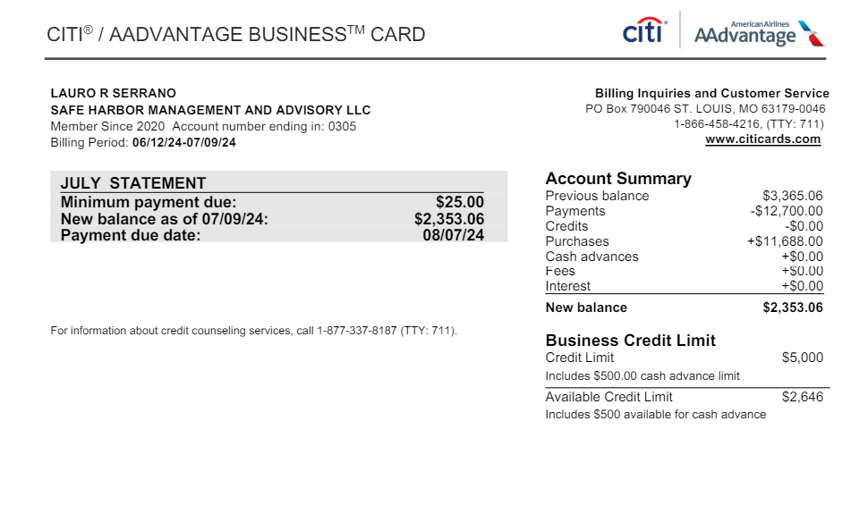
Date | Description | Debit | Credit | Member Name | Quick Books GL
2024-07-09 | Hubspot Inc. Winchester MA | 500 |  | LAURO R SERRANO | Advertising & Marketing
2024-07-08 | INTUIT *QBooks Online CL.INTUIT.COM CA | 90 |  | LAURO R SERRANO | Dues & Subscriptions
2024-07-08 | INTUIT *QBooks Online CL.INTUIT.COM CA | 199.35 |  | LAURO R SERRANO | Dues & Subscriptions
2024-07-08 | UPWORK -713168646 8662624478 CA | 1512 |  | LAURO R SERRANO | Professional Fees
2024-07-08 | AIVOOV RAJKOT IND | 14.9 |  | CARLOS RIVERA | Dues & Subscriptions
2024-07-08 | EOI DIRECT 2083507210 ID | 29.95 |  | CARLOS RIVERA | Dues & Subscriptions
2024-07-03 | ONLINE PAYMENT, THANK YOU |  | -2400 | LAURO R SERRANO | Payment
2024-07-03 | MIAMI HERALD SUB 8008434372 CA | 29.99 |  | LAURO R SERRANO | Dues & Subscriptions
2024-07-02 | ONLINE PAYMENT, THANK YOU |  | -2200 | LAURO R SERRANO | Payment
2024-07-02 | Dropbox SGD5LMPMK84Q San Francisco CA | 120 |  | CARLOS RIVERA | Dues & Subscriptions
2024-07-01 | SMARTSTOP SELF STORAGE DORAL FL | 436.72 |  | LAURO R SERRANO | Dues & Subscriptions
2024-07-01 | UPWORK -710928210 8662624478 CA | 1446.2 |  | LAURO R SERRANO | Professional Fees
2024-07-01 | LIDO INC NEW YORK NY | 500 |  | CARLOS RIVERA | Professional Fees
2024-06-28 | Hubspot Inc. Winchester MA | 100 |  | LAURO R SERRANO | Advertising & Marketing
2024-06-28 | ASANA.COM SAN FRANCISCO CA | 304.9 |  | LAURO R SERRANO | Dues & Subscriptions
2024-06-28 | PANERA BREAD #601124 O 305-406-3330 FL | 21.1 |  | CARLOS RIVERA | Meals & Entertainment
2024-06-28 | PANERA BREAD #601124 O 305-406-3330 FL | 274.26 |  | CARLOS RIVERA | Meals & Entertainment
2024-06-28 | AMAZON.COM*RC0ZP0PB2 SEATTLE WA | 4.49 |  | CARLOS RIVERA | Office Supplies
2024-06-27 | AMAZON MAR* 112-727538 SEATTLE WA | 118.64 |  | CARLOS RIVERA | Office Supplies
2024-06-26 | INTUIT *QBooks Online CL.INTUIT.COM CA | 90 |  | LAURO R SERRANO | Dues & Subscriptions
2024-06-25 | ONLINE PAYMENT, THANK YOU |  | -4100 | LAURO R SERRANO | Payment
2024-06-25 | INTUIT *QBooks Online CL.INTUIT.COM CA | 90 |  | LAURO R SERRANO | Dues & Subscriptions
2024-06-25 | Amazon.com*RG09Y6YE1 Amzn.com/bill WA | 13.88 |  | CARLOS RIVERA | Office Supplies
2024-06-25 | AMAZON MKTPL*RC6NK4VS0 Amzn.com/bill WA | 21.65 |  | CARLOS RIVERA | Office Supplies
2024-06-24 | UPWORK -708605393 8662624478 CA | 1288 |  | LAURO R SERRANO | Professional Fees
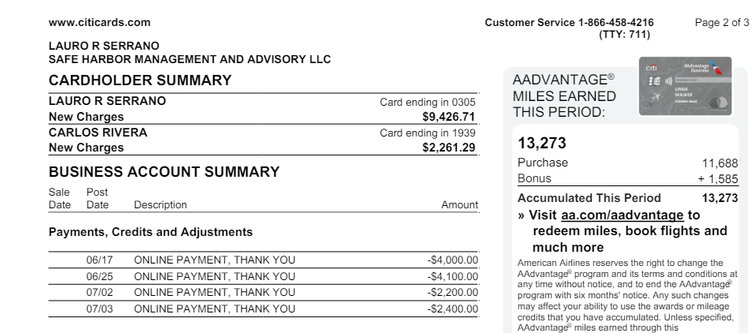
2024-06-23 | EIG*CONSTANTCONTACT.CO 8552295506 MA | 110 |  | LAURO R SERRANO | Dues & Subscriptions
2024-06-23 | INTUIT *QBooks Online CL.INTUIT.COM CA | 90 |  | LAURO R SERRANO | Dues & Subscriptions
2024-06-23 | AMAZON MKTPL*RG3MC18G1 Amzn.com/bill WA | 10.54 |  | CARLOS RIVERA | Office Supplies
2024-06-23 | ATT*BUS PHONE PMT 800-288-2020 TX | 203.3 |  | CARLOS RIVERA | Telephone/Internet/Web
2024-06-22 | DNH*GODADDY#3151738258 TEMPE AZ | 41.72 |  | LAURO R SERRANO | Dues & Subscriptions
2024-06-21 | THE REAL DEAL NEW YORK NY | 19 |  | LAURO R SERRANO | Dues & Subscriptions
2024-06-20 | RINGCENTRAL INC. 888-898-4591 CA | 1119.81 |  | LAURO R SERRANO | Telephone/Internet/Web
2024-06-20 | BRISAS DE ESPANA DORAL FL | 41.73 |  | CARLOS RIVERA | Meals & Entertainment
2024-06-20 | INTUIT *QBooks Online CL.INTUIT.COM CA | 90 |  | CARLOS RIVERA | Dues & Subscriptions
2024-06-19 | INTUIT *QBooks Online CL.INTUIT.COM CA | 90 |  | LAURO R SERRANO | Dues & Subscriptions
2024-06-18 | AMZN Mktp US*8Y9HI2ZT3 Amzn.com/bill WA | 37.87 |  | CARLOS RIVERA | Office Supplies
2024-06-17 | ONLINE PAYMENT, THANK YOU |  | -4000 | LAURO R SERRANO | Payment
2024-06-17 | DNH*GODADDY.COM TEMPE AZ | 99.9 |  | LAURO R SERRANO | Dues & Subscriptions
2024-06-17 | INTUIT *QBooks Online CL.INTUIT.COM CA | 90 |  | LAURO R SERRANO | Dues & Subscriptions
2024-06-17 | INTUIT *QBooks Online CL.INTUIT.COM CA | 200 |  | LAURO R SERRANO | Dues & Subscriptions
2024-06-17 | UPWORK -706308784 8662624478 CA | 1397.2 |  | LAURO R SERRANO | Professional Fees
2024-06-16 | AMAZON MAR* 112-446822 SEATTLE WA | 27.93 |  | CARLOS RIVERA | Office Supplies
2024-06-15 | AMZN Mktp US*DY0941PL3 Amzn.com/bill WA | 38.36 |  | CARLOS RIVERA | Office Supplies
2024-06-15 | INTUIT *QBooks Online CL.INTUIT.COM CA | 90 |  | CARLOS RIVERA | Dues & Subscriptions
2024-06-14 | LinkedIn Pre P73073344 8556535653 CA | 33.94 |  | LAURO R SERRANO | Dues & Subscriptions
2024-06-14 | AMAZON MAR* 112-579628 SEATTLE WA | 21.33 |  | CARLOS RIVERA | Office Supplies
2024-06-14 | CRB*CARBONITE BACKUP 8776654466 MA | 191.98 |  | CARLOS RIVERA | Dues & Subscriptions
2024-06-13 | WEB*NETWORKSOLUTIONS 8886429675 FL | 47.98 |  | LAURO R SERRANO | Dues & Subscriptions
2024-06-13 | AIVOOV RAJKOT IND | 14.9 |  | CARLOS RIVERA | Dues & Subscriptions
2024-06-12 | PITNEY BOWES SHELTON CT | 25.88 |  | CARLOS RIVERA | Postage and Delivery
2024-06-12 | PROPSTREAM SOFTWARE FOOTHILL RNCH CA | 99 |  | CARLOS RIVERA | Dues & Subscriptions
2024-06-12 | INTUIT *QBooks Online CL.INTUIT.COM CA | 90 |  | CARLOS RIVERA | Dues & Subscriptions
2024-06-11 | AMZN Mktp US*K79CS8KW3 Amzn.com/bill WA | 44.35 |  | CARLOS RIVERA | Office Supplies
2024-06-11 | AMZN Mktp US*G293S70U3 Amzn.com/bill WA | 115.25 |  | CARLOS RIVERA | Office Supplies

JUL
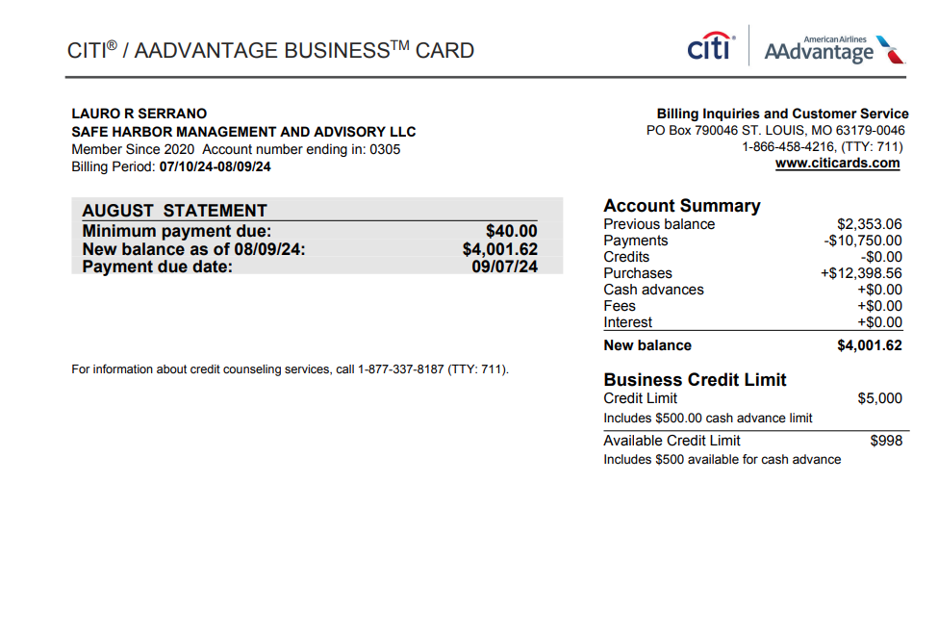
Date | Description | Debit | Credit | Member Name | Quick Books GL
2024-08-09 | Hubspot Inc. Winchester MA | 500.00 |  | LAURO R SERRANO | Advertising & Marketing
2024-08-09 | Amazon.com*RM5A34ZZ1 Amzn.com/bill WA | 13.90 |  | CARLOS RIVERA | Office Supplies
2024-08-09 | Amazon.com*RM5IU44E1 Amzn.com/bill WA | 42.47 |  | CARLOS RIVERA | Office Supplies
2024-08-08 | WEB*NETWORKSOLUTIONS 8886429675 FL | 47.98 |  | LAURO R SERRANO | Dues & Subscriptions
2024-08-08 | INTUIT *QBooks Online CL.INTUIT.COM CA | 99.00 |  | LAURO R SERRANO | Dues & Subscriptions
2024-08-08 | INTUIT *QBooks Online CL.INTUIT.COM CA | 280.00 |  | LAURO R SERRANO | Dues & Subscriptions
2024-08-08 | AIVOOV RAJKOT IND | 14.90 |  | CARLOS RIVERA | Dues & Subscriptions
2024-08-06 | EOI DIRECT 2083507210 ID | 29.95 |  | CARLOS RIVERA | Dues & Subscriptions
2024-08-06 | AMZN Mktp US*RF0RL9I22 Amzn.com/bill WA | 35.60 |  | CARLOS RIVERA | Office Supplies
2024-08-05 | WWW.ACCURATENOW.COM SOUTHERN PINE NC | 244.80 |  | CARLOS RIVERA | Dues & Subscriptions
2024-08-03 | CRB*CARBONITE BACKUP 8776654466 MA | 95.99 |  | CARLOS RIVERA | Dues & Subscriptions
2024-08-02 | MIAMI HERALD SUB 8008434372 CA | 29.99 |  | LAURO R SERRANO | Dues & Subscriptions
2024-08-02 | Dropbox XJNJVLH9Q3LZ San Francisco CA | 120.00 |  | CARLOS RIVERA | Dues & Subscriptions
2024-08-02 | FEDEX OFFIC14900014936 DORAL FL | 61.18 |  | CARLOS RIVERA | Postage and Delivery
2024-08-01 | SMARTSTOP SELF STORAGE DORAL FL | 436.72 |  | LAURO R SERRANO | Dues & Subscriptions
2024-08-01 | ZOOM.US 888-799-9666 SAN JOSE CA | 15.99 |  | CARLOS RIVERA | Dues & Subscriptions
2024-08-01 | LIDO INC NEW YORK NY | 500.00 |  | CARLOS RIVERA | Professional Fees
2024-07-31 | AMAZON MKTPL*RV5RI66C1 Amzn.com/bill WA | 18.47 |  | CARLOS RIVERA | Office Supplies
2024-07-30 | FEDEX464723792 800-4633339 TN | 107.30 |  | LAURO R SERRANO | Postage and Delivery
2024-07-29 | UPWORK -719643802 8662624478 CA | 464.80 |  | LAURO R SERRANO | Professional Fees
2024-07-28 | Hubspot Inc. Winchester MA | 100.00 |  | LAURO R SERRANO | Advertising & Marketing
2024-07-28 | ASANA.COM SAN FRANCISCO CA | 304.90 |  | LAURO R SERRANO | Dues & Subscriptions
2024-07-27 | FEDEX464530079 800-4633339 TN | 57.03 |  | LAURO R SERRANO | Postage and Delivery
2024-07-26 | INTUIT *QBooks Online CL.INTUIT.COM CA | 90.00 |  | LAURO R SERRANO | Dues & Subscriptions
2024-07-25 | INTUIT *QBooks Online CL.INTUIT.COM CA | 90.00 |  | LAURO R SERRANO | Dues & Subscriptions
2024-07-25 | AMAZON MKTPL*RJ43B2WU2 Amzn.com/bill WA | 24.60 |  | CARLOS RIVERA | Office Supplies
2024-07-24 | ONLINE PAYMENT, THANK YOU |  | -4000.00 | LAURO R SERRANO | Payment
2024-07-23 | EIG*CONSTANTCONTACT.CO 8552295506 MA | 110.00 |  | LAURO R SERRANO | Dues & Subscriptions
2024-07-23 | INTUIT *QBooks Online CL.INTUIT.COM CA | 90.00 |  | LAURO R SERRANO | Dues & Subscriptions
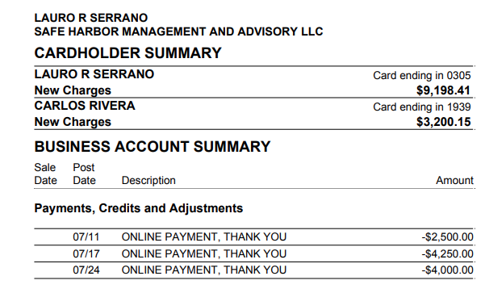
2024-07-23 | AMAZON MKTPL*RJ0T011G1 Amzn.com/bill WA | 40.40 |  | CARLOS RIVERA | Office Supplies
2024-07-22 | UPWORK -717517175 8662624478 CA | 1589.00 |  | LAURO R SERRANO | Professional Fees
2024-07-22 | ATT*BUS PHONE PMT 800-288-2020 TX | 203.30 |  | CARLOS RIVERA | Telephone/Internet/Web
2024-07-22 | AURORA TRAINING ADVANT SANFORD FL | 219.00 |  | CARLOS RIVERA | Conferences & Training
2024-07-22 | AURORA TRAINING ADVANT SANFORD FL | 298.00 |  | CARLOS RIVERA | Conferences & Training
2024-07-21 | THE REAL DEAL NEW YORK NY | 19.00 |  | LAURO R SERRANO | Dues & Subscriptions
2024-07-20 | RINGCENTRAL INC. 888-898-4591 CA | 1127.88 |  | LAURO R SERRANO | Telephone/Internet/Web
2024-07-20 | AMAZON MKTPL*RJ74N6FV2 Amzn.com/bill WA | 70.43 |  | CARLOS RIVERA | Office Supplies
2024-07-20 | INTUIT *QBooks Online CL.INTUIT.COM CA | 90.00 |  | CARLOS RIVERA | Dues & Subscriptions
2024-07-19 | DNH*GODADDY#3198223595 TEMPE AZ | 167.88 |  | LAURO R SERRANO | Dues & Subscriptions
2024-07-19 | INTUIT *QBooks Online CL.INTUIT.COM CA | 90.00 |  | LAURO R SERRANO | Dues & Subscriptions
2024-07-19 | PITNEY BOWES SHELTON CT | 25.88 |  | CARLOS RIVERA | Postage and Delivery
2024-07-18 | INTUIT *QBooks Online CL.INTUIT.COM CA | 90.00 |  | LAURO R SERRANO | Dues & Subscriptions
2024-07-18 | INTUIT *QBooks Online CL.INTUIT.COM CA | 200.00 |  | LAURO R SERRANO | Dues & Subscriptions
2024-07-17 | ONLINE PAYMENT, THANK YOU |  | -4250.00 | LAURO R SERRANO | Payment
2024-07-16 | AMAZON.COM*RS5RQ6ZG2 SEATTLE WA | 14.96 |  | CARLOS RIVERA | Office Supplies
2024-07-15 | UPWORK -715355807 8662624478 CA | 1478.40 |  | LAURO R SERRANO | Professional Fees
2024-07-15 | WWW.ACCURATENOW.COM SOUTHERN PINE NC | 74.90 |  | CARLOS RIVERA | Dues & Subscriptions
2024-07-15 | INTUIT *QBooks Online CL.INTUIT.COM CA | 90.00 |  | CARLOS RIVERA | Dues & Subscriptions
2024-07-14 | LinkedIn Pre P10193971 8556535653 CA | 33.94 |  | LAURO R SERRANO | Dues & Subscriptions
2024-07-14 | SIMPLIFILE.COM PROVO UT | 249.00 |  | CARLOS RIVERA | Dues & Subscriptions
2024-07-12 | Amazon.com*RY3ZI0512 Amzn.com/bill WA | 30.12 |  | CARLOS RIVERA | Office Supplies
2024-07-12 | CRB*CARBONITE BACKUP 8776654466 MA | 95.99 |  | CARLOS RIVERA | Dues & Subscriptions
2024-07-12 | PROPSTREAM SOFTWARE FOOTHILL RNCH CA | 99.00 |  | CARLOS RIVERA | Dues & Subscriptions
2024-07-12 | CHECKSFORLESS.COM PORTLAND ME | 39.84 |  | CARLOS RIVERA | Office Supplies
2024-07-12 | CHECKSFORLESS.COM PORTLAND ME | 39.84 |  | CARLOS RIVERA | Office Supplies
2024-07-12 | CHECKSFORLESS.COM PORTLAND ME | 67.66 |  | CARLOS RIVERA | Office Supplies
2024-07-12 | CHECKSFORLESS.COM PORTLAND ME | 67.66 |  | CARLOS RIVERA | Office Supplies
2024-07-12 | INTUIT *QBooks Online CL.INTUIT.COM CA | 90.00 |  | CARLOS RIVERA | Dues & Subscriptions
2024-07-11 | ONLINE PAYMENT, THANK YOU |  | -2500.00 | LAURO R SERRANO | Payment
2024-07-11 | WEB*NETWORKSOLUTIONS 8886429675 FL | 47.98 |  | LAURO R SERRANO | Dues & Subscriptions
2024-07-10 | INTUIT *QBooks Online CL.INTUIT.COM CA | 60.00 |  | LAURO R SERRANO | Dues & Subscriptions
2024-07-10 | INTUIT *QBooks Online CL.INTUIT.COM CA | 60.00 |  | LAURO R SERRANO | Dues & Subscriptions
2024-07-10 | INTUIT *QBooks Online CL.INTUIT.COM CA | 60.00 |  | LAURO R SERRANO | Dues & Subscriptions
2024-07-10 | INTUIT *QBooks Online CL.INTUIT.COM CA | 60.00 |  | LAURO R SERRANO | Dues & Subscriptions
2024-07-10 | INTUIT *QBooks Online CL.INTUIT.COM CA | 60.00 |  | LAURO R SERRANO | Dues & Subscriptions
2024-07-10 | INTUIT *QBooks Online CL.INTUIT.COM CA | 60.00 |  | LAURO R SERRANO | Dues & Subscriptions
2024-07-10 | INTUIT *QBooks Online CL.INTUIT.COM CA | 60.00 |  | LAURO R SERRANO | Dues & Subscriptions
2024-07-10 | INTUIT *QBooks Online CL.INTUIT.COM CA | 60.00 |  | LAURO R SERRANO | Dues & Subscriptions
2024-07-10 | INTUIT *QBooks Online CL.INTUIT.COM CA | 85.00 |  | LAURO R SERRANO | Dues & Subscriptions
2024-07-10 | INTUIT *QBooks Online CL.INTUIT.COM CA | 90.00 |  | LAURO R SERRANO | Dues & Subscriptions
2024-07-10 | INTUIT *QBooks Online CL.INTUIT.COM CA | 90.00 |  | LAURO R SERRANO | Dues & Subscriptions
2024-07-10 | INTUIT *QBooks Online CL.INTUIT.COM CA | 90.00 |  | LAURO R SERRANO | Dues & Subscriptions
2024-07-10 | INTUIT *QBooks Online CL.INTUIT.COM CA | 90.00 |  | LAURO R SERRANO | Dues & Subscriptions
2024-07-10 | INTUIT *QBooks Online CL.INTUIT.COM CA | 90.00 |  | LAURO R SERRANO | Dues & Subscriptions
2024-07-10 | INTUIT *QBooks Online CL.INTUIT.COM CA | 90.00 |  | LAURO R SERRANO | Dues & Subscriptions
2024-07-10 | INTUIT *QBooks Online CL.INTUIT.COM CA | 90.00 |  | LAURO R SERRANO | Dues & Subscriptions
2024-07-10 | INTUIT *QBooks Online CL.INTUIT.COM CA | 151.61 |  | LAURO R SERRANO | Dues & Subscriptions
2024-07-10 | INTUIT *QBooks Online CL.INTUIT.COM CA | 200.00 |  | LAURO R SERRANO | Dues & Subscriptions
2024-07-10 | Amazon.com*RY37R5XP0 Amzn.com/bill WA | 4.97 |  | CARLOS RIVERA | Office Supplies
2024-07-10 | AMZN MKTP US*RY2ES4G40 SEATTLE WA | 48.06 |  | CARLOS RIVERA | Office Supplies
2024-07-10 | AMAZON MKTPL*RY3X77VC0 Amzn.com/bill WA | 23.29 |  | CARLOS RIVERA | Office Supplies

AUG
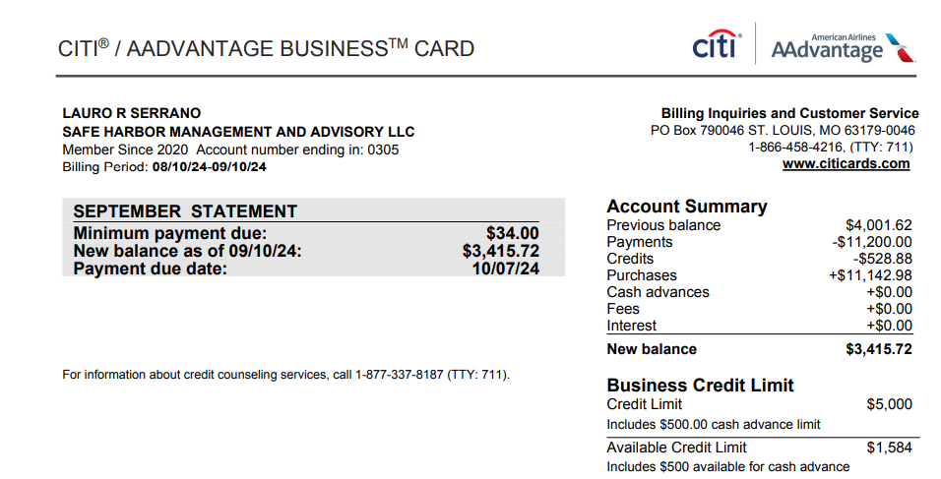
Date | Description | Debit | Credit | Member Name | Quick Books GL
2024-09-09 | INTUIT *QBooks Online CL.INTUIT.COM CA | 1.09 |  | LAURO R SERRANO | Meals & Entertainment
2024-09-09 | INTUIT *QBooks Online CL.INTUIT.COM CA | 4.77 |  | LAURO R SERRANO | Meals & Entertainment
2024-09-09 | RINGCENTRAL INC. 888-898-4591 CA | 21.19 |  | LAURO R SERRANO | Telephone/Internet/Web
2024-09-09 | AMZN Mktp US*Z85W11C40 Amzn.com/bill WA | 94.15 |  | CARLOS RIVERA | Office Supplies
2024-09-09 | WWW.ACCURATENOW.COM SOUTHERN PINE NC | 74.9 |  | CARLOS RIVERA | Meals & Entertainment
2024-09-08 | INTUIT *QBooks Online CL.INTUIT.COM CA | 99 |  | LAURO R SERRANO | Meals & Entertainment
2024-09-08 | INTUIT *QBooks Online CL.INTUIT.COM CA | 280 |  | LAURO R SERRANO | Meals & Entertainment
2024-09-08 | AMAZON MARK* Z88980LH2 SEATTLE WA | 46.28 |  | CARLOS RIVERA | Office Supplies
2024-09-08 | AIVOOV RAJKOT IND | 14.9 |  | CARLOS RIVERA | Meals & Entertainment
2024-09-05 | WEB*NETWORKSOLUTIONS 8886429675 FL | 47.98 |  | LAURO R SERRANO | Meals & Entertainment
2024-09-04 | ZOOM.US 888-799-9666 SAN JOSE CA | 15.99 |  | CARLOS RIVERA | Meals & Entertainment
2024-09-02 | ZOOM.US 888-799-9666 SAN JOSE CA | 15.99 |  | CARLOS RIVERA | Meals & Entertainment
2024-09-02 | Dropbox CC49KLZGS52H San Francisco CA | 120 |  | CARLOS RIVERA | Meals & Entertainment
2024-09-01 | SMARTSTOP SELF STORAGE DORAL FL | 436.72 |  | LAURO R SERRANO | Meals & Entertainment
2024-09-01 | MIAMI HERALD SUB 8008434372 CA | 42.99 |  | LAURO R SERRANO | Meals & Entertainment
2024-08-31 | DNH*GODADDY#3272559043 TEMPE AZ | 119.88 |  | LAURO R SERRANO | Meals & Entertainment
2024-08-30 | DNH*GODADDY#3272003415 TEMPE AZ | 99.99 |  | LAURO R SERRANO | Meals & Entertainment
2024-08-29 | Hubspot Inc. Winchester MA | 912.41 |  | CARLOS RIVERA | Advertising & Marketing
2024-08-28 | ONLINE PAYMENT, THANK YOU |  | -3700 | LAURO R SERRANO | Payment
2024-08-28 | Hubspot Inc. Winchester MA | 100 |  | LAURO R SERRANO | Advertising & Marketing
2024-08-28 | ASANA.COM SAN FRANCISCO CA | 304.9 |  | LAURO R SERRANO | Meals & Entertainment
2024-08-27 | PAY*BULLA CORAL GABLES CORAL GABLES FL | 550 |  | CARLOS RIVERA | Meals & Entertainment
2024-08-26 | INTUIT *QBooks Online CL.INTUIT.COM CA | 99 |  | LAURO R SERRANO | Meals & Entertainment
2024-08-26 | Hubspot Inc. Winchester MA | 41.94 |  | CARLOS RIVERA | Advertising & Marketing
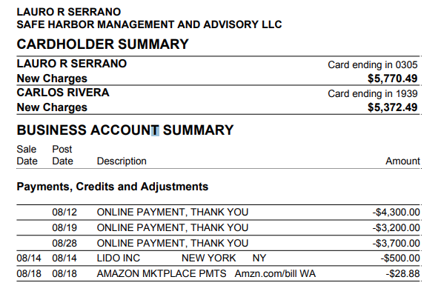
2024-08-25 | INTUIT *QBooks Online CL.INTUIT.COM CA | 99 |  | LAURO R SERRANO | Meals & Entertainment
2024-08-24 | AMAZON MKTPL*RK19K2CT2 Amzn.com/bill WA | 9.62 |  | CARLOS RIVERA | Office Supplies
2024-08-23 | EIG*CONSTANTCONTACT.CO 8552295506 MA | 110 |  | LAURO R SERRANO | Meals & Entertainment
2024-08-23 | INTUIT *QBooks Online CL.INTUIT.COM CA | 99 |  | LAURO R SERRANO | Meals & Entertainment
2024-08-23 | PAYPAL *PROFESSIONA PA 4029357733 SGP | 249 |  | CARLOS RIVERA | Professional Fees
2024-08-23 | LIDO INC NEW YORK NY | 425 |  | CARLOS RIVERA | Professional Fees
2024-08-22 | VMO*Vimeo Starter 646-490-1679 NY | 144 |  | CARLOS RIVERA | Meals & Entertainment
2024-08-21 | THE REAL DEAL NEW YORK NY | 19 |  | LAURO R SERRANO | Meals & Entertainment
2024-08-21 | OPENAI *CHATGPT SUBSCR SAN FRANCISCO CA | 60 |  | CARLOS RIVERA | Professional Fees
2024-08-21 | FIREFLIES.AI PLEASANTON CA | 525.99 |  | CARLOS RIVERA | Meals & Entertainment
2024-08-21 | ATT*BUS PHONE PMT 800-288-2020 TX | 203.3 |  | CARLOS RIVERA | Telephone/Internet/Web
2024-08-20 | RINGCENTRAL INC. 888-898-4591 CA | 1127.88 |  | LAURO R SERRANO | Telephone/Internet/Web
2024-08-20 | AMAZON MKTPL*R40587JF2 Amzn.com/bill WA | 96.04 |  | CARLOS RIVERA | Office Supplies
2024-08-20 | INTUIT *QBooks Online CL.INTUIT.COM CA | 99 |  | CARLOS RIVERA | Meals & Entertainment
2024-08-19 | ONLINE PAYMENT, THANK YOU |  | -3200 | LAURO R SERRANO | Payment
2024-08-19 | INTUIT *QBooks Online CL.INTUIT.COM CA | 99 |  | LAURO R SERRANO | Meals & Entertainment
2024-08-19 | WWW.ACCURATENOW.COM SOUTHERN PINE NC | 74.9 |  | CARLOS RIVERA | Meals & Entertainment
2024-08-19 | AMAZON MKTPL*R41GP6ND2 Amzn.com/bill WA | 17.29 |  | CARLOS RIVERA | Office Supplies
2024-08-18 | AMAZON MKTPLACE PMTS Amzn.com/bill WA |  | -28.88 | CARLOS RIVERA | Office Supplies
2024-08-17 | INTUIT *QBooks Online CL.INTUIT.COM CA | 99 |  | LAURO R SERRANO | Meals & Entertainment
2024-08-17 | INTUIT *QBooks Online CL.INTUIT.COM CA | 235 |  | LAURO R SERRANO | Meals & Entertainment
2024-08-16 | PITNEY BOWES SHELTON CT | 25.88 |  | CARLOS RIVERA | Postage and Delivery
2024-08-15 | AMAZON.COM*RU1AH0NH0 SEATTLE WA | 24.6 |  | CARLOS RIVERA | Office Supplies
2024-08-15 | AMAZON MKTPL*RU1570P42 Amzn.com/bill WA | 29.95 |  | CARLOS RIVERA | Office Supplies
2024-08-15 | INTUIT *QBooks Online CL.INTUIT.COM CA | 99 |  | CARLOS RIVERA | Meals & Entertainment
2024-08-14 | INTUIT *QBooks Online CL.INTUIT.COM CA | 99 |  | LAURO R SERRANO | Meals & Entertainment
2024-08-14 | LinkedIn Pre P13723547 8556535653 CA | 33.94 |  | LAURO R SERRANO | Meals & Entertainment
2024-08-14 | LIDO INC NEW YORK NY |  | -500 | CARLOS RIVERA | Professional Fees
2024-08-14 | LIDO INC NEW YORK NY | 750 |  | CARLOS RIVERA | Professional Fees
2024-08-13 | AMZN Mktp US*RM1724I92 Amzn.com/bill WA | 117.69 |  | CARLOS RIVERA | Office Supplies
2024-08-13 | ZOOM.US 888-799-9666 SAN JOSE CA | 159.9 |  | CARLOS RIVERA | Meals & Entertainment
2024-08-13 | AMAZON MKTPL*RM0AQ2I40 Amzn.com/bill WA | 39.05 |  | CARLOS RIVERA | Office Supplies
2024-08-12 | ONLINE PAYMENT, THANK YOU |  | -4300 | LAURO R SERRANO | Payment
2024-08-12 | RINGCENTRAL INC. 888-898-4591 CA | 204.58 |  | LAURO R SERRANO | Telephone/Internet/Web
2024-08-12 | RINGCENTRAL INC. 888-898-4591 CA | 204.58 |  | LAURO R SERRANO | Telephone/Internet/Web
2024-08-12 | CRB*CARBONITE BACKUP 8776654466 MA | 95.99 |  | CARLOS RIVERA | Meals & Entertainment
2024-08-12 | PROPSTREAM LAKE FOREST CA | 99 |  | CARLOS RIVERA | Meals & Entertainment
2024-08-12 | INTUIT *QBooks Online CL.INTUIT.COM CA | 99 |  | CARLOS RIVERA | Meals & Entertainment
2024-08-10 | INTUIT *QBooks Online CL.INTUIT.COM CA | 65 |  | LAURO R SERRANO | Meals & Entertainment
2024-08-10 | INTUIT *QBooks Online CL.INTUIT.COM CA | 65 |  | LAURO R SERRANO | Meals & Entertainment
2024-08-10 | INTUIT *QBooks Online CL.INTUIT.COM CA | 65 |  | LAURO R SERRANO | Meals & Entertainment
2024-08-10 | INTUIT *QBooks Online CL.INTUIT.COM CA | 65 |  | LAURO R SERRANO | Meals & Entertainment
2024-08-10 | INTUIT *QBooks Online CL.INTUIT.COM CA | 65 |  | LAURO R SERRANO | Meals & Entertainment
2024-08-10 | INTUIT *QBooks Online CL.INTUIT.COM CA | 65 |  | LAURO R SERRANO | Meals & Entertainment
2024-08-10 | INTUIT *QBooks Online CL.INTUIT.COM CA | 65 |  | LAURO R SERRANO | Meals & Entertainment
2024-08-10 | INTUIT *QBooks Online CL.INTUIT.COM CA | 65 |  | LAURO R SERRANO | Meals & Entertainment
2024-08-10 | INTUIT *QBooks Online CL.INTUIT.COM CA | 99 |  | LAURO R SERRANO | Meals & Entertainment
2024-08-10 | INTUIT *QBooks Online CL.INTUIT.COM CA | 99 |  | LAURO R SERRANO | Meals & Entertainment
2024-08-10 | INTUIT *QBooks Online CL.INTUIT.COM CA | 99 |  | LAURO R SERRANO | Meals & Entertainment
2024-08-10 | INTUIT *QBooks Online CL.INTUIT.COM CA | 99 |  | LAURO R SERRANO | Meals & Entertainment
2024-08-10 | INTUIT *QBooks Online CL.INTUIT.COM CA | 99 |  | LAURO R SERRANO | Meals & Entertainment
2024-08-10 | INTUIT *QBooks Online CL.INTUIT.COM CA | 99 |  | LAURO R SERRANO | Meals & Entertainment
2024-08-10 | INTUIT *QBooks Online CL.INTUIT.COM CA | 99 |  | LAURO R SERRANO | Meals & Entertainment
2024-08-10 | INTUIT *QBooks Online CL.INTUIT.COM CA | 235 |  | LAURO R SERRANO | Meals & Entertainment
2024-08-10 | INTUIT *QBooks Online CL.INTUIT.COM CA | 235 |  | LAURO R SERRANO | Meals & Entertainment
2024-08-09 | BRISAS DE ESPANA DORAL FL | 41.73 |  | CARLOS RIVERA | Meals & Entertainment

SEPT
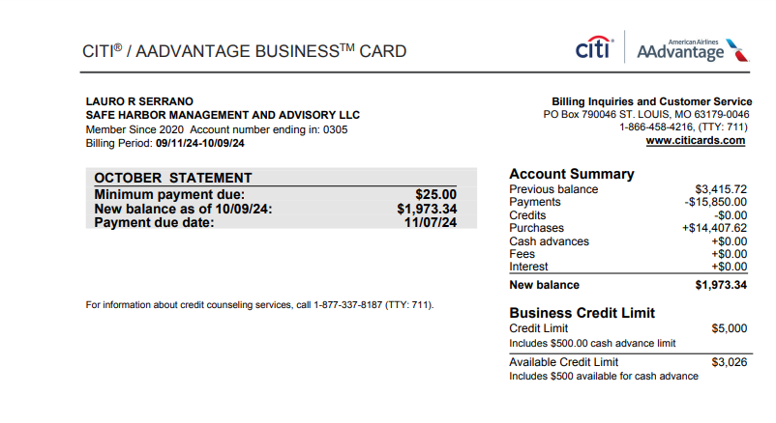
Date | Description | Debit | Credit | Member Name | Quick Books GL
2024-10-08 | INTUIT *QBooks Online CL.INTUIT.COM CA | 99 |  | LAURO R SERRANO | Dues & Subscriptions
2024-10-08 | INTUIT *QBooks Online CL.INTUIT.COM CA | 320 |  | LAURO R SERRANO | Dues & Subscriptions
2024-10-08 | WALMART.COM WALMART.COM AR | 63.98 |  | CARLOS RIVERA | Office Supplies
2024-10-07 | AMAZON RETA* YH8RJ8Q43 SEATTLE WA | 7.68 |  | CARLOS RIVERA | Office Supplies
2024-10-07 | Amazon.com*F42K639O3 Amzn.com/bill WA | 33.44 |  | CARLOS RIVERA | Office Supplies
2024-10-07 | AMAZON MKTPL*N35715N73 Amzn.com/bill WA | 34.22 |  | CARLOS RIVERA | Office Supplies
2024-10-05 | ELEMENTOR WILMINGTON DE | 59 |  | CARLOS RIVERA | Dues & Subscriptions
2024-10-05 | Amazon.com*Z73RA5Q83 Amzn.com/bill WA | 23.18 |  | CARLOS RIVERA | Office Supplies
2024-10-04 | TST* BULLA GABLES CORAL GABLES FL | 1078.41 |  | CARLOS RIVERA | Meals & Entertainment
2024-10-04 | ZOOM.US 888-799-9666 SAN JOSE CA | 94.99 |  | CARLOS RIVERA | Dues & Subscriptions
2024-10-03 | ONLINE PAYMENT, THANK YOU |  | -1200 | LAURO R SERRANO | Payment
2024-10-03 | WEB*NETWORKSOLUTIONS 8886429675 FL | 47.98 |  | LAURO R SERRANO | Dues & Subscriptions
2024-10-02 | Dropbox V97WRVBNGWKM San Francisco CA | 120 |  | CARLOS RIVERA | Dues & Subscriptions
2024-10-01 | ONLINE PAYMENT, THANK YOU |  | -2100 | LAURO R SERRANO | Payment
2024-10-01 | SMARTSTOP SELF STORAGE DORAL FL | 436.72 |  | LAURO R SERRANO | Dues & Subscriptions
2024-10-01 | MIAMI HERALD SUB 8008434372 CA | 42.99 |  | LAURO R SERRANO | Dues & Subscriptions
2024-10-01 | RINGCENTRAL INC. 888-898-4591 CA | 204.58 |  | LAURO R SERRANO | Telephone/Internet/Web
2024-10-01 | ZOOM.US 888-799-9666 SAN JOSE CA | 15.99 |  | CARLOS RIVERA | Dues & Subscriptions
2024-09-30 | DNH*GODADDY#3327015747 TEMPE AZ | 191.64 |  | LAURO R SERRANO | Dues & Subscriptions
2024-09-30 | Hubspot Inc. Winchester MA | 1199.5 |  | CARLOS RIVERA | Professional Fees
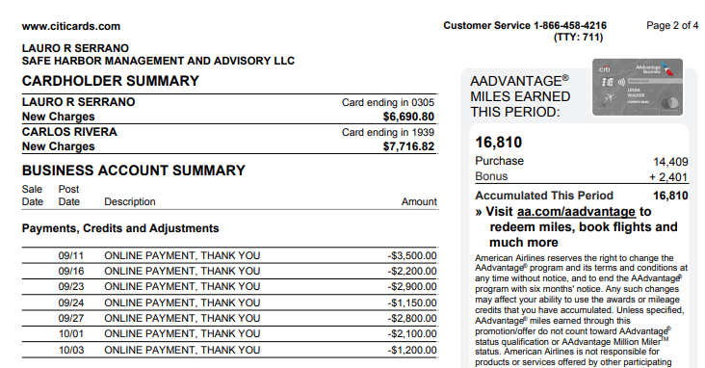
2024-09-30 | AMZN Mktp US*H06U681F3 Amzn.com/bill WA | 20.49 |  | CARLOS RIVERA | Office Supplies
2024-09-30 | SERGIOS RESTRNT-DORAL DORAL FL | 358.43 |  | CARLOS RIVERA | Meals & Entertainment
2024-09-30 | WALMART.COM 8009256278 BENTONVILLE AR | 31.66 |  | CARLOS RIVERA | Office Supplies
2024-09-28 | ASANA.COM SAN FRANCISCO CA | 304.9 |  | LAURO R SERRANO | Dues & Subscriptions
2024-09-27 | ONLINE PAYMENT, THANK YOU |  | -2800 | LAURO R SERRANO | Payment
2024-09-27 | DNH*GODADDY#3320247008 TEMPE AZ | 335.64 |  | LAURO R SERRANO | Dues & Subscriptions
2024-09-27 | AMAZON MKTPL*BS7GI1HP3 Amzn.com/bill WA | 7.45 |  | CARLOS RIVERA | Office Supplies
2024-09-27 | AMAZON MKTPL*AX46B8HU3 Amzn.com/bill WA | 23.5 |  | CARLOS RIVERA | Office Supplies
2024-09-26 | INTUIT *QBooks Online CL.INTUIT.COM CA | 99 |  | LAURO R SERRANO | Dues & Subscriptions
2024-09-26 | PITNEY BOWES SHELTON CT | 25.88 |  | CARLOS RIVERA | Postage and Delivery
2024-09-25 | INTUIT *QBooks Online CL.INTUIT.COM CA | 99 |  | LAURO R SERRANO | Dues & Subscriptions
2024-09-25 | BRANDSMART USA HOLLYWOOD FL | 1069.98 |  | CARLOS RIVERA | Office Supplies
2024-09-25 | AMAZON RETA* N59CP00B3 SEATTLE WA | 44.49 |  | CARLOS RIVERA | Office Supplies
2024-09-24 | ONLINE PAYMENT, THANK YOU |  | -1150 | LAURO R SERRANO | Payment
2024-09-24 | FEDEX469538456 800-4633339 TN | 682.75 |  | LAURO R SERRANO | Postage and Delivery
2024-09-24 | WALMART.COM 8009256278 BENTONVILLE AR | 37.02 |  | CARLOS RIVERA | Office Supplies
2024-09-23 | ONLINE PAYMENT, THANK YOU |  | -2900 | LAURO R SERRANO | Payment
2024-09-23 | EIG*CONSTANTCONTACT.CO 8552295506 MA | 110 |  | LAURO R SERRANO | Dues & Subscriptions
2024-09-23 | WEB*NETWORKSOLUTIONS 8886429675 FL | 110.26 |  | LAURO R SERRANO | Dues & Subscriptions
2024-09-23 | INTUIT *QBooks Online CL.INTUIT.COM CA | 99 |  | LAURO R SERRANO | Dues & Subscriptions
2024-09-23 | LIDO INC NEW YORK NY | 375 |  | CARLOS RIVERA | Professional Fees
2024-09-23 | ATT*BUS PHONE PMT 800-288-2020 TX | 203.3 |  | CARLOS RIVERA | Telephone/Internet/Web
2024-09-22 | AMAZON MKTPL*ST8L539J3 Amzn.com/bill WA | 25.56 |  | CARLOS RIVERA | Office Supplies
2024-09-21 | THE REAL DEAL NEW YORK NY | 19 |  | LAURO R SERRANO | Dues & Subscriptions
2024-09-21 | OPENAI *CHATGPT SUBSCR SAN FRANCISCO CA | 60 |  | CARLOS RIVERA | Dues & Subscriptions
2024-09-20 | RINGCENTRAL INC. 888-898-4591 CA | 1186.9 |  | LAURO R SERRANO | Telephone/Internet/Web
2024-09-19 | INTUIT *QBooks Online CL.INTUIT.COM CA | 99 |  | LAURO R SERRANO | Dues & Subscriptions
2024-09-19 | SIMPLIFILE.COM PROVO UT | 75.56 |  | CARLOS RIVERA | Dues & Subscriptions
2024-09-18 | BISNOW 202-2930370 DC | 649 |  | CARLOS RIVERA | Training and Conferences
2024-09-17 | INTUIT *QBooks Online CL.INTUIT.COM CA | 117.5 |  | LAURO R SERRANO | Dues & Subscriptions
2024-09-17 | INTUIT *QBooks Online CL.INTUIT.COM CA | 235 |  | LAURO R SERRANO | Dues & Subscriptions
2024-09-17 | INTUIT *QBooks Online CL.INTUIT.COM CA | 49.5 |  | CARLOS RIVERA | Dues & Subscriptions
2024-09-17 | INTUIT *QBooks Online CL.INTUIT.COM CA | 49.5 |  | CARLOS RIVERA | Dues & Subscriptions
2024-09-17 | WALMART.COM 8009256278 BENTONVILLE AR | 37.02 |  | CARLOS RIVERA | Office Supplies
2024-09-16 | ONLINE PAYMENT, THANK YOU |  | -2200 | LAURO R SERRANO | Payment
2024-09-16 | ZOOM.US 888-799-9666 SAN JOSE CA | 47.4 |  | CARLOS RIVERA | Dues & Subscriptions
2024-09-15 | INTUIT *QBooks Online CL.INTUIT.COM CA | 99 |  | CARLOS RIVERA | Dues & Subscriptions
2024-09-14 | LinkedIn Pre P18410704 8556535653 CA | 33.94 |  | LAURO R SERRANO | Dues & Subscriptions
2024-09-14 | LIDO INC NEW YORK NY | 750 |  | CARLOS RIVERA | Professional Fees
2024-09-13 | Amazon.com*Z846G10F1 Amzn.com/bill WA | 16 |  | CARLOS RIVERA | Office Supplies
2024-09-13 | Amazon.com*3O45Z2M13 Amzn.com/bill WA | 37.89 |  | CARLOS RIVERA | Office Supplies
2024-09-13 | FEDEX OFFICE 800000836 PLANO TX | 89.4 |  | CARLOS RIVERA | Postage and Delivery
2024-09-13 | TST*PIOLA - DORAL Miami FL | 528.42 |  | CARLOS RIVERA | Meals & Entertainment
2024-09-12 | AMAZON MKTPL*PC1166U83 Amzn.com/bill WA | 7.47 |  | CARLOS RIVERA | Office Supplies
2024-09-12 | AMZN Mktp US*QK5334HT3 Amzn.com/bill WA | 9.61 |  | CARLOS RIVERA | Office Supplies
2024-09-12 | PROPSTREAM 8772049040 CA | 99 |  | CARLOS RIVERA | Dues & Subscriptions
2024-09-12 | AMZN Mktp US*Z81NV3TD1 Amzn.com/bill WA | 23.54 |  | CARLOS RIVERA | Office Supplies
2024-09-12 | INTUIT *QBooks Online CL.INTUIT.COM CA | 99 |  | CARLOS RIVERA | Dues & Subscriptions
2024-09-11 | ONLINE PAYMENT, THANK YOU |  | -3500 | LAURO R SERRANO | Payment
2024-09-10 | INTUIT *QBooks Online CL.INTUIT.COM CA | 65 |  | LAURO R SERRANO | Dues & Subscriptions
2024-09-10 | INTUIT *QBooks Online CL.INTUIT.COM CA | 65 |  | LAURO R SERRANO | Dues & Subscriptions
2024-09-10 | INTUIT *QBooks Online CL.INTUIT.COM CA | 65 |  | LAURO R SERRANO | Dues & Subscriptions
2024-09-10 | INTUIT *QBooks Online CL.INTUIT.COM CA | 65 |  | LAURO R SERRANO | Dues & Subscriptions
2024-09-10 | INTUIT *QBooks Online CL.INTUIT.COM CA | 65 |  | LAURO R SERRANO | Dues & Subscriptions
2024-09-10 | INTUIT *QBooks Online CL.INTUIT.COM CA | 65 |  | LAURO R SERRANO | Dues & Subscriptions
2024-09-10 | INTUIT *QBooks Online CL.INTUIT.COM CA | 65 |  | LAURO R SERRANO | Dues & Subscriptions
2024-09-10 | INTUIT *QBooks Online CL.INTUIT.COM CA | 99 |  | LAURO R SERRANO | Dues & Subscriptions
2024-09-10 | INTUIT *QBooks Online CL.INTUIT.COM CA | 99 |  | LAURO R SERRANO | Dues & Subscriptions
2024-09-10 | INTUIT *QBooks Online CL.INTUIT.COM CA | 99 |  | LAURO R SERRANO | Dues & Subscriptions
2024-09-10 | INTUIT *QBooks Online CL.INTUIT.COM CA | 99 |  | LAURO R SERRANO | Dues & Subscriptions
2024-09-10 | INTUIT *QBooks Online CL.INTUIT.COM CA | 99 |  | LAURO R SERRANO | Dues & Subscriptions
2024-09-10 | INTUIT *QBooks Online CL.INTUIT.COM CA | 99 |  | LAURO R SERRANO | Dues & Subscriptions
2024-09-10 | INTUIT *QBooks Online CL.INTUIT.COM CA | 99 |  | LAURO R SERRANO | Dues & Subscriptions
2024-09-10 | INTUIT *QBooks Online CL.INTUIT.COM CA | 99 |  | LAURO R SERRANO | Dues & Subscriptions
2024-09-10 | INTUIT *QBooks Online CL.INTUIT.COM CA | 99 |  | LAURO R SERRANO | Dues & Subscriptions
2024-09-10 | INTUIT *QBooks Online CL.INTUIT.COM CA | 235 |  | LAURO R SERRANO | Dues & Subscriptions
2024-09-10 | INTUIT *QBooks Online CL.INTUIT.COM CA | 235 |  | LAURO R SERRANO | Dues & Subscriptions
2024-09-10 | Amazon.com*E19D43DV3 Amzn.com/bill WA | 36.36 |  | CARLOS RIVERA | Office Supplies

OCT
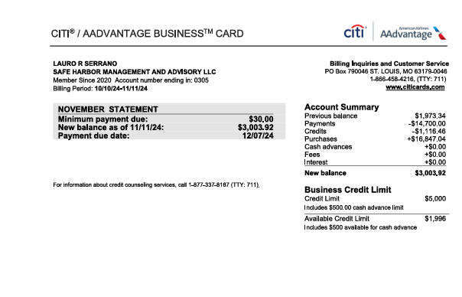
Date | Description | Debit | Credit | Member Name | Quick Books GL
2024-11-10 | INTUIT *QBooks Online CL.INTUIT.COM CA | 65 |  | LAURO R SERRANO | Dues & Subscriptions
2024-11-10 | INTUIT *QBooks Online CL.INTUIT.COM CA | 65 |  | LAURO R SERRANO | Dues & Subscriptions
2024-11-10 | INTUIT *QBooks Online CL.INTUIT.COM CA | 65 |  | LAURO R SERRANO | Dues & Subscriptions
2024-11-10 | INTUIT *QBooks Online CL.INTUIT.COM CA | 65 |  | LAURO R SERRANO | Dues & Subscriptions
2024-11-10 | INTUIT *QBooks Online CL.INTUIT.COM CA | 65 |  | LAURO R SERRANO | Dues & Subscriptions
2024-11-10 | INTUIT *QBooks Online CL.INTUIT.COM CA | 65 |  | LAURO R SERRANO | Dues & Subscriptions
2024-11-10 | INTUIT *QBooks Online CL.INTUIT.COM CA | 65 |  | LAURO R SERRANO | Dues & Subscriptions
2024-11-10 | INTUIT *QBooks Online CL.INTUIT.COM CA | 99 |  | LAURO R SERRANO | Dues & Subscriptions
2024-11-10 | INTUIT *QBooks Online CL.INTUIT.COM CA | 99 |  | LAURO R SERRANO | Dues & Subscriptions
2024-11-10 | INTUIT *QBooks Online CL.INTUIT.COM CA | 99 |  | LAURO R SERRANO | Dues & Subscriptions
2024-11-10 | INTUIT *QBooks Online CL.INTUIT.COM CA | 99 |  | LAURO R SERRANO | Dues & Subscriptions
2024-11-10 | INTUIT *QBooks Online CL.INTUIT.COM CA | 99 |  | LAURO R SERRANO | Dues & Subscriptions
2024-11-10 | INTUIT *QBooks Online CL.INTUIT.COM CA | 99 |  | LAURO R SERRANO | Dues & Subscriptions
2024-11-10 | INTUIT *QBooks Online CL.INTUIT.COM CA | 99 |  | LAURO R SERRANO | Dues & Subscriptions
2024-11-10 | INTUIT *QBooks Online CL.INTUIT.COM CA | 99 |  | LAURO R SERRANO | Dues & Subscriptions
2024-11-10 | INTUIT *QBooks Online CL.INTUIT.COM CA | 99 |  | LAURO R SERRANO | Dues & Subscriptions
2024-11-10 | INTUIT *QBooks Online CL.INTUIT.COM CA | 235 |  | LAURO R SERRANO | Dues & Subscriptions
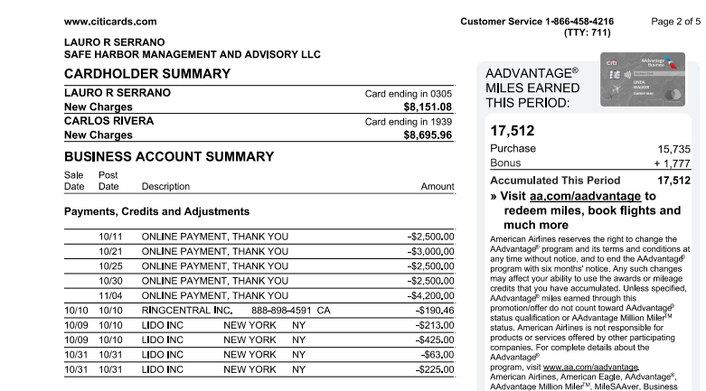
2024-11-10 | INTUIT *QBooks Online CL.INTUIT.COM CA | 235 |  | LAURO R SERRANO | Dues & Subscriptions
2024-11-09 | LIDO INC NEW YORK NY | 375 |  | CARLOS RIVERA | Professional Fees
2024-11-08 | INTUIT *QBooks Online CL.INTUIT.COM CA | 99 |  | LAURO R SERRANO | Dues & Subscriptions
2024-11-08 | INTUIT *QBooks Online CL.INTUIT.COM CA | 320 |  | LAURO R SERRANO | Dues & Subscriptions
2024-11-06 | AMZN Mktp US*TF31N3463 Amzn.com/bill WA | 28.88 |  | CARLOS RIVERA | Office Supplies
2024-11-05 | Amazon.com*G557C8IG3 Amzn.com/bill WA | 11.27 |  | CARLOS RIVERA | Office supplies
2024-11-04 | ONLINE PAYMENT, THANK YOU |  | -4200 | LAURO R SERRANO | Payment
2024-11-04 | WWW.ACCURATENOW.COM SOUTHERN PINE NC | 74.9 |  | CARLOS RIVERA | Dues & Subscriptions
2024-11-04 | ZOOM.US 888-799-9666 SAN JOSE CA | 193.99 |  | CARLOS RIVERA | Dues & Subscriptions
2024-11-03 | Amazon.com*593FI7HP3 Amzn.com/bill WA | 10.67 |  | CARLOS RIVERA | Office supplies
2024-11-02 | Dropbox 6YWS7GB4TP5L San Francisco CA | 120 |  | CARLOS RIVERA | Dues & Subscriptions
2024-11-01 | SMARTSTOP SELF STORAGE DORAL FL | 436.72 |  | LAURO R SERRANO | Dues & Subscriptions
2024-11-01 | MIAMI HERALD SUB 8008434372 CA | 42.99 |  | LAURO R SERRANO | Dues & Subscriptions
2024-11-01 | AMZN Mktp US*L09OK3BQ3 Amzn.com/bill WA | 1241.77 |  | CARLOS RIVERA | Office Supplies
2024-11-01 | ZOOM.US 888-799-9666 SAN JOSE CA | 15.99 |  | CARLOS RIVERA | Dues & Subscriptions
2024-10-31 | WEB*NETWORKSOLUTIONS 8886429675 FL | 47.98 |  | LAURO R SERRANO | Dues & Subscriptions
2024-10-31 | LIDO INC NEW YORK NY |  | -63 | CARLOS RIVERA | Professional Fees
2024-10-31 | LIDO INC NEW YORK NY |  | -225 | CARLOS RIVERA | Professional Fees
2024-10-31 | LIDO INC NEW YORK NY | 375 |  | CARLOS RIVERA | Professional Fees
2024-10-31 | AMAZON MKTPL*W01JB5D53 Amzn.com/bill WA | 32.99 |  | CARLOS RIVERA | Office Supplies
2024-10-31 | AMAZON MKTPL*6U05I0DD3 Amzn.com/bill WA | 89.03 |  | CARLOS RIVERA | Office Supplies
2024-10-30 | ONLINE PAYMENT, THANK YOU |  | -2500 | LAURO R SERRANO | Payment
2024-10-30 | Hubspot Inc. Winchester MA | 1199.5 |  | CARLOS RIVERA | Advertising & Marketing
2024-10-30 | Amazon.com*0S8ZB4IS3 Amzn.com/bill WA | 15.42 |  | CARLOS RIVERA | Office Supplies
2024-10-30 | PITNEY BOWES SHELTON CT | 25.88 |  | CARLOS RIVERA | Postage and Delivery
2024-10-30 | AMAZON MKTPL*978YQ1JY3 Amzn.com/bill WA | 84.09 |  | CARLOS RIVERA | Office Supplies
2024-10-29 | FEDEX472540278 MEMPHIS TN | 838.73 |  | LAURO R SERRANO | Postage and Delivery
2024-10-29 | AMZN Mktp US*CG96D56V3 Amzn.com/bill WA | 12.16 |  | CARLOS RIVERA | Office Supplies
2024-10-29 | AMZN Mktp US*VA8MH2LC3 Amzn.com/bill WA | 40.02 |  | CARLOS RIVERA | Office Supplies
2024-10-28 | ASANA.COM SAN FRANCISCO CA | 304.9 |  | LAURO R SERRANO | Dues & Subscriptions
2024-10-28 | WWW.ACCURATENOW.COM SOUTHERN PINE NC | 169.9 |  | CARLOS RIVERA | Dues & Subscriptions
2024-10-28 | AMAZON MKTPL*BJ42X5I63 Amzn.com/bill WA | 29.72 |  | CARLOS RIVERA | Office Supplies
2024-10-28 | CHECKSFORLESS.COM PORTLAND ME | 67.66 |  | CARLOS RIVERA | Office Supplies
2024-10-26 | FEDEX472339932 MEMPHIS TN | 20.68 |  | LAURO R SERRANO | Postage and Delivery
2024-10-26 | INTUIT *QBooks Online CL.INTUIT.COM CA | 99 |  | LAURO R SERRANO | Dues & Subscriptions
2024-10-25 | ONLINE PAYMENT, THANK YOU |  | -2500 | LAURO R SERRANO | Payment
2024-10-25 | DNH*GODADDY#3374426984 TEMPE AZ | 155.76 |  | LAURO R SERRANO | Dues & Subscriptions
2024-10-25 | INTUIT *QBooks Online CL.INTUIT.COM CA | 99 |  | LAURO R SERRANO | Dues & Subscriptions
2024-10-25 | AMZN Mktp US*VE55T7OX3 Amzn.com/bill WA | 141.63 |  | CARLOS RIVERA | Office Supplies
2024-10-25 | WALMART.COM 800-925-6278 AR | 35 |  | CARLOS RIVERA | Office Supplies
2024-10-24 | WEB*NETWORKSOLUTIONS 8886429675 FL | 74.15 |  | LAURO R SERRANO | Dues & Subscriptions
2024-10-24 | AMAZON MARK* 776S17BT3 SEATTLE WA | 14.17 |  | CARLOS RIVERA | Office Supplies
2024-10-24 | AMAZON MARK* TO80M2S63 SEATTLE WA | 16.04 |  | CARLOS RIVERA | Office Supplies
2024-10-24 | AMAZON MARK* CV9265Z33 SEATTLE WA | 34.75 |  | CARLOS RIVERA | Office Supplies
2024-10-24 | AMAZON MARK* AQ2UU2FR3 SEATTLE WA | 46.86 |  | CARLOS RIVERA | Office Supplies
2024-10-24 | AMAZON MKTPL*628CU6X63 Amzn.com/bill WA | 19.3 |  | CARLOS RIVERA | Office supplies
2024-10-24 | AMZN Mktp US*HN9UV4V23 Amzn.com/bill WA | 37.62 |  | CARLOS RIVERA | Office Supplies
2024-10-24 | AMAZON MARK* TT0EO0BS3 SEATTLE WA | 57.36 |  | CARLOS RIVERA | Office Supplies
2024-10-24 | AMAZON MARK* KQ1JB04U3 SEATTLE WA | 105.16 |  | CARLOS RIVERA | Office Supplies
2024-10-24 | AMAZON MARK* BM6WT9ZL3 SEATTLE WA | 142.92 |  | CARLOS RIVERA | Office Supplies
2024-10-24 | AMAZON MARK* 073GM52L3 SEATTLE WA | 146.79 |  | CARLOS RIVERA | Office Supplies
2024-10-24 | Amazon.com*CL69X6XU3 Amzn.com/bill WA | 37.68 |  | CARLOS RIVERA | Office Supplies
2024-10-24 | AMAZON MKTPL*YD2WI5HZ3 Amzn.com/bill WA | 348.52 |  | CARLOS RIVERA | Office Supplies
2024-10-23 | EIG*CONSTANTCONTACT.CO 8552295506 MA | 110 |  | LAURO R SERRANO | Dues & Subscriptions
2024-10-23 | INTUIT *QBooks Online CL.INTUIT.COM CA | 99 |  | LAURO R SERRANO | Dues & Subscriptions
2024-10-23 | LIDO INC NEW YORK NY | 375 |  | CARLOS RIVERA | Professional Fees
2024-10-23 | AMZN Mktp US*AD3KO6193 Amzn.com/bill WA | 36.3 |  | CARLOS RIVERA | Office Supplies
2024-10-23 | Amazon.com*N30GG95R3 Amzn.com/bill WA | 58.15 |  | CARLOS RIVERA | Office Supplies
2024-10-22 | WEB*NETWORKSOLUTIONS 8886429675 FL | 46.51 |  | LAURO R SERRANO | Dues & Subscriptions
2024-10-22 | LIDO INC NEW YORK NY | 375 |  | CARLOS RIVERA | Professional Fees
2024-10-21 | ONLINE PAYMENT, THANK YOU |  | -3000 | LAURO R SERRANO | Payment
2024-10-21 | THE REAL DEAL NEW YORK NY | 19 |  | LAURO R SERRANO | Dues & Subscriptions
2024-10-21 | OPENAI *CHATGPT SUBSCR SAN FRANCISCO CA | 60 |  | CARLOS RIVERA | Professional Fees
2024-10-21 | ATT*BUS PHONE PMT 800-288-2020 TX | 203.3 |  | CARLOS RIVERA | Telephone/Internet/Web
2024-10-20 | DNH*GODADDY#3363383657 TEMPE AZ | 44.68 |  | LAURO R SERRANO | Dues & Subscriptions
2024-10-20 | RINGCENTRAL INC. 888-898-4591 CA | 1175.54 |  | LAURO R SERRANO | Telephone/Internet/Web
2024-10-19 | INTUIT *QBooks Online CL.INTUIT.COM CA | 99 |  | LAURO R SERRANO | Dues & Subscriptions
2024-10-18 | AMAZON MKTPL*LG5XA3JT3 Amzn.com/bill WA | 147.49 |  | CARLOS RIVERA | Office supplies
2024-10-17 | INTUIT *QBooks Online CL.INTUIT.COM CA | 117.5 |  | LAURO R SERRANO | Dues & Subscriptions
2024-10-17 | INTUIT *QBooks Online CL.INTUIT.COM CA | 235 |  | LAURO R SERRANO | Dues & Subscriptions
2024-10-17 | AMZN Mktp US*E01EF98L3 Amzn.com/bill WA | 36.27 |  | CARLOS RIVERA | Office supplies
2024-10-17 | ZOOM.US 888-799-9666 SAN JOSE CA | 57.48 |  | CARLOS RIVERA | Dues & Subscriptions
2024-10-17 | CRB*CARBONITE BACKUP 8776654466 MA | 95.99 |  | CARLOS RIVERA | Dues & Subscriptions
2024-10-17 | INTUIT *QBooks Online CL.INTUIT.COM CA | 49.5 |  | CARLOS RIVERA | Dues & Subscriptions
2024-10-16 | PITNEY BOWES SHELTON CT | 25.88 |  | CARLOS RIVERA | Postage and Delivery
2024-10-15 | INTUIT *QBooks Online CL.INTUIT.COM CA | 99 |  | CARLOS RIVERA | Dues & Subscriptions
2024-10-14 | LinkedIn Pre P23394911 8556535653 CA | 33.94 |  | LAURO R SERRANO | Dues & Subscriptions
2024-10-14 | LIDO INC NEW YORK NY | 1031.68 |  | CARLOS RIVERA | Professional Fees
2024-10-12 | PROPSTREAM 8772049040 CA | 99 |  | CARLOS RIVERA | Dues & Subscriptions
2024-10-12 | INTUIT *QBooks Online CL.INTUIT.COM CA | 99 |  | CARLOS RIVERA | Dues & Subscriptions
2024-10-11 | ONLINE PAYMENT, THANK YOU |  | -2500 | LAURO R SERRANO | Payment
2024-10-11 | Subway 10181 Miami FL | 25.28 |  | CARLOS RIVERA | Meals & Entertainment
2024-10-10 | RINGCENTRAL INC. 888-898-4591 CA |  | -190.46 | LAURO R SERRANO | Telephone/Internet/Web
2024-10-10 | INTUIT *QBooks Online CL.INTUIT.COM CA | 65 |  | LAURO R SERRANO | Dues & Subscriptions
2024-10-10 | INTUIT *QBooks Online CL.INTUIT.COM CA | 65 |  | LAURO R SERRANO | Dues & Subscriptions
2024-10-10 | INTUIT *QBooks Online CL.INTUIT.COM CA | 65 |  | LAURO R SERRANO | Dues & Subscriptions
2024-10-10 | INTUIT *QBooks Online CL.INTUIT.COM CA | 65 |  | LAURO R SERRANO | Dues & Subscriptions
2024-10-10 | INTUIT *QBooks Online CL.INTUIT.COM CA | 65 |  | LAURO R SERRANO | Dues & Subscriptions
2024-10-10 | INTUIT *QBooks Online CL.INTUIT.COM CA | 65 |  | LAURO R SERRANO | Dues & Subscriptions
2024-10-10 | INTUIT *QBooks Online CL.INTUIT.COM CA | 65 |  | LAURO R SERRANO | Dues & Subscriptions
2024-10-10 | INTUIT *QBooks Online CL.INTUIT.COM CA | 99 |  | LAURO R SERRANO | Dues & Subscriptions
2024-10-10 | INTUIT *QBooks Online CL.INTUIT.COM CA | 99 |  | LAURO R SERRANO | Dues & Subscriptions
2024-10-10 | INTUIT *QBooks Online CL.INTUIT.COM CA | 99 |  | LAURO R SERRANO | Dues & Subscriptions
2024-10-10 | INTUIT *QBooks Online CL.INTUIT.COM CA | 99 |  | LAURO R SERRANO | Dues & Subscriptions
2024-10-10 | INTUIT *QBooks Online CL.INTUIT.COM CA | 99 |  | LAURO R SERRANO | Dues & Subscriptions
2024-10-10 | INTUIT *QBooks Online CL.INTUIT.COM CA | 99 |  | LAURO R SERRANO | Dues & Subscriptions
2024-10-10 | INTUIT *QBooks Online CL.INTUIT.COM CA | 99 |  | LAURO R SERRANO | Dues & Subscriptions
2024-10-10 | INTUIT *QBooks Online CL.INTUIT.COM CA | 99 |  | LAURO R SERRANO | Dues & Subscriptions
2024-10-10 | INTUIT *QBooks Online CL.INTUIT.COM CA | 99 |  | LAURO R SERRANO | Dues & Subscriptions
2024-10-10 | INTUIT *QBooks Online CL.INTUIT.COM CA | 235 |  | LAURO R SERRANO | Dues & Subscriptions
2024-10-10 | INTUIT *QBooks Online CL.INTUIT.COM CA | 235 |  | LAURO R SERRANO | Dues & Subscriptions
2024-10-10 | STK*Shutterstock 8666633954 NY | 49 |  | CARLOS RIVERA | Dues & Subscriptions
2024-10-09 | LIDO INC NEW YORK NY |  | -213 | CARLOS RIVERA | Professional Fees
2024-10-09 | LIDO INC NEW YORK NY |  | -425 | CARLOS RIVERA | Professional Fees
2024-10-09 | LIDO INC NEW YORK NY | 375 |  | CARLOS RIVERA | Professional Fees

NOV
Date | Description | Debit | Credit | Member Name | Quick Books GL
2024-12-10 | Amazon.com*ZX5ZT2GP2 Amzn.com/bill WA | 80.6 |  | CARLOS RIVERA | Office Supplies
2024-12-09 | LIDO INC NEW YORK NY | 375 |  | CARLOS RIVERA | Professional Fees
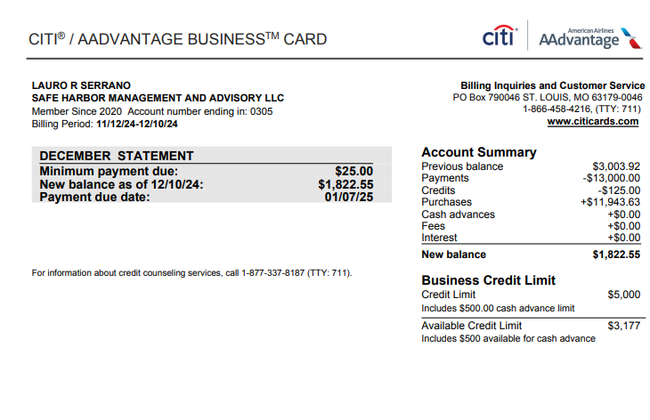
2024-12-08 | INTUIT *QBooks Online CL.INTUIT.COM CA | 99 |  | LAURO R SERRANO | Dues & Subscriptions
2024-12-08 | INTUIT *QBooks Payroll CL.INTUIT.COM CA | 320 |  | LAURO R SERRANO | Dues & Subscriptions
2024-12-06 | AMAZON MKTPL*ZR2913GL2 Amzn.com/bill WA | 24.9 |  | CARLOS RIVERA | Office Supplies
2024-12-05 | AMAZON MKTPL*ZR05Y3J92 Amzn.com/bill WA | 27.48 |  | CARLOS RIVERA | Office Supplies
2024-12-04 | ZOOM.COM 888-799-9666 SAN JOSE CA | 193.99 |  | CARLOS RIVERA | Dues & Subscriptions
2024-12-03 | ONLINE PAYMENT, THANK YOU |  | -3000 | LAURO R SERRANO | Payment
2024-12-03 | INTUIT *QBooks Online CL.INTUIT.COM CA | 31.73 |  | CARLOS RIVERA | Dues & Subscriptions
2024-12-02 | ONLINE PAYMENT, THANK YOU |  | -1500 | LAURO R SERRANO | Payment
2024-12-02 | ZOOM.US 888-799-9666 SAN JOSE CA | 15.99 |  | CARLOS RIVERA | Dues & Subscriptions
2024-12-02 | Hubspot Inc. Winchester MA | 36 |  | CARLOS RIVERA | Advertising & Marketing
2024-12-02 | Dropbox HWMJYYTFR6CJ San Francisco CA | 120 |  | CARLOS RIVERA | Dues & Subscriptions
2024-12-01 | SMARTSTOP SELF STORAGE DORAL FL | 436.72 |  | LAURO R SERRANO | Dues & Subscriptions
2024-12-01 | MIAMI HERALD SUB 8008434372 CA | 42.99 |  | LAURO R SERRANO | Dues & Subscriptions
2024-11-30 | Hubspot Inc. Winchester MA | 1199.5 |  | CARLOS RIVERA | Advertising & Marketing
2024-11-30 | LIDO INC NEW YORK NY | 375 |  | CARLOS RIVERA | Professional Fees
2024-11-29 | CANVA* I04350-68026452 CAMDEN DE | 119.99 |  | CARLOS RIVERA | Dues & Subscriptions
2024-11-28 | WEB*NETWORKSOLUTIONS 8886429675 FL | 47.98 |  | LAURO R SERRANO | Dues & Subscriptions
2024-11-28 | ASANA.COM SAN FRANCISCO CA | 304.9 |  | LAURO R SERRANO | Dues & Subscriptions
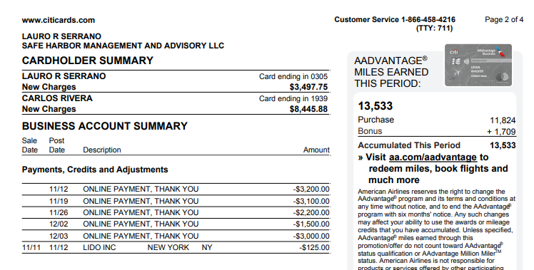
2024-11-27 | BERRIES IN THE GROVE MIAMI FL | 1286.64 |  | CARLOS RIVERA | Meals & Entertainment
2024-11-26 | ONLINE PAYMENT, THANK YOU |  | -2200 | LAURO R SERRANO | Payment
2024-11-26 | INTUIT *QBooks Online CL.INTUIT.COM CA | 99 |  | LAURO R SERRANO | Dues & Subscriptions
2024-11-25 | INTUIT *QBooks Online CL.INTUIT.COM CA | 99 |  | LAURO R SERRANO | Dues & Subscriptions
2024-11-25 | SIMPLIFILE.COM PROVO UT | 29.1 |  | CARLOS RIVERA | Dues & Subscriptions
2024-11-25 | AMZN Mktp US*TZ7L41KB3 Amzn.com/bill WA | 15.77 |  | CARLOS RIVERA | Office Supplies
2024-11-24 | AMAZON MKTPL*H02758643 Amzn.com/bill WA | 63.5 |  | CARLOS RIVERA | Office Supplies
2024-11-24 | ATT*BUS PHONE PMT 800-288-2020 TX | 203.3 |  | CARLOS RIVERA | Telephone/Internet/Web
2024-11-23 | EIG*CONSTANTCONTACT.C 8552295506 MA | 110 |  | LAURO R SERRANO | Dues & Subscriptions
2024-11-23 | FEDEX474687393 MEMPHIS TN | 37.82 |  | LAURO R SERRANO | Postage and Delivery
2024-11-23 | INTUIT *QBooks Online CL.INTUIT.COM CA | 99 |  | LAURO R SERRANO | Dues & Subscriptions
2024-11-23 | PITNEY BOWES SHELTON CT | 25.88 |  | CARLOS RIVERA | Postage and Delivery
2024-11-23 | LIDO INC NEW YORK NY | 375 |  | CARLOS RIVERA | Professional Fees
2024-11-22 | FEDEX474583603 MEMPHIS TN | 39.87 |  | LAURO R SERRANO | Postage and Delivery
2024-11-22 | LIDO INC NEW YORK NY | 375 |  | CARLOS RIVERA | Professional Fees
2024-11-21 | THE REAL DEAL NEW YORK NY | 19 |  | LAURO R SERRANO | Dues & Subscriptions
2024-11-21 | SIMPLIFILE.COM PROVO UT | 29.1 |  | CARLOS RIVERA | Dues & Subscriptions
2024-11-21 | OPENAI *CHATGPT SUBSCR SAN FRANCISCO CA | 60 |  | CARLOS RIVERA | Professional Fees
2024-11-20 | RINGCENTRAL INC. 888-898-4591 CA | 1175.54 |  | LAURO R SERRANO | Telephone/Internet/Web
2024-11-20 | AMAZON MARK* LQ5RR21Y3 SEATTLE WA | 37.34 |  | CARLOS RIVERA | Office Supplies
2024-11-20 | AMZN Mktp US*8L86S0MJ3 Amzn.com/bill WA | 35.6 |  | CARLOS RIVERA | Office Supplies
2024-11-19 | ONLINE PAYMENT, THANK YOU |  | -3100 | LAURO R SERRANO | Payment
2024-11-19 | WEB*NETWORKSOLUTIONS 8886429675 FL | 2.5 |  | LAURO R SERRANO | Dues & Subscriptions
2024-11-19 | INTUIT *QBooks Online CL.INTUIT.COM CA | 99 |  | LAURO R SERRANO | Dues & Subscriptions
2024-11-19 | AMAZON MKTPL*LD7AK97R3 Amzn.com/bill WA | 60.47 |  | CARLOS RIVERA | Office Supplies
2024-11-19 | INTUIT *QBooks Online CL.INTUIT.COM CA | 49.5 |  | CARLOS RIVERA | Dues & Subscriptions
2024-11-19 | INTUIT *QBooks Online CL.INTUIT.COM CA | 68 |  | CARLOS RIVERA | Dues & Subscriptions
2024-11-19 | INTUIT *QBooks Online CL.INTUIT.COM CA | 117.5 |  | CARLOS RIVERA | Dues & Subscriptions
2024-11-19 | INTUIT *QBooks Online CL.INTUIT.COM CA | 117.5 |  | CARLOS RIVERA | Dues & Subscriptions
2024-11-18 | INTUIT *QBooks Online CL.INTUIT.COM CA | 13.56 |  | LAURO R SERRANO | Dues & Subscriptions
2024-11-18 | WWW.ACCURATENOW.COM SOUTHERN PINE NC | 74.9 |  | CARLOS RIVERA | Dues & Subscriptions
2024-11-18 | AMAZON MKTPL*QV9T05OA3 Amzn.com/bill WA | 24.6 |  | CARLOS RIVERA | Office Supplies
2024-11-17 | INTUIT *QBooks Online CL.INTUIT.COM CA | 148.83 |  | LAURO R SERRANO | Dues & Subscriptions
2024-11-17 | INTUIT *QBooks Online CL.INTUIT.COM CA | 235 |  | LAURO R SERRANO | Dues & Subscriptions
2024-11-17 | INTUIT *QBooks Online CL.INTUIT.COM CA | 49.5 |  | CARLOS RIVERA | Dues & Subscriptions
2024-11-16 | FEDEX474102055 MEMPHIS TN | 34.1 |  | LAURO R SERRANO | Postage and Delivery
2024-11-15 | INTUIT *QBooks Online CL.INTUIT.COM CA | 99 |  | CARLOS RIVERA | Dues & Subscriptions
2024-11-14 | LinkedIn Pre P28354893 8556535653 CA | 33.94 |  | LAURO R SERRANO | Dues & Subscriptions
2024-11-14 | LIDO INC NEW YORK NY | 1000 |  | CARLOS RIVERA | Professional Fees
2024-11-13 | GREENLEAF & BLOOM ROSLYN NY | 186.31 |  | CARLOS RIVERA | Office Supplies
2024-11-13 | PANERA BREAD #606380 O 855-372-6372 FL | 299.19 |  | CARLOS RIVERA | Meals & Entertainment
2024-11-12 | ONLINE PAYMENT, THANK YOU |  | -3200 | LAURO R SERRANO | Payment
2024-11-12 | PROPSTREAM 8772049040 CA | 99 |  | CARLOS RIVERA | Dues & Subscriptions
2024-11-12 | LIDO INC NEW YORK NY | 337 |  | CARLOS RIVERA | Professional Fees
2024-11-12 | INTUIT *QBooks Online CL.INTUIT.COM CA | 99 |  | CARLOS RIVERA | Dues & Subscriptions
2024-11-11 | LIDO INC NEW YORK NY |  | -125 | CARLOS RIVERA | Payment
2024-11-11 | PROPERTYRADAR TRUCKEE CA | 119 |  | CARLOS RIVERA | Professional Fees
2024-11-11 | LIDO INC NEW YORK NY | 375 |  | CARLOS RIVERA | Professional Fees
2024-11-11 | COPY EXPRESS CORAL GABLES FL | 134 |  | CARLOS RIVERA | Postage and Delivery

DEC
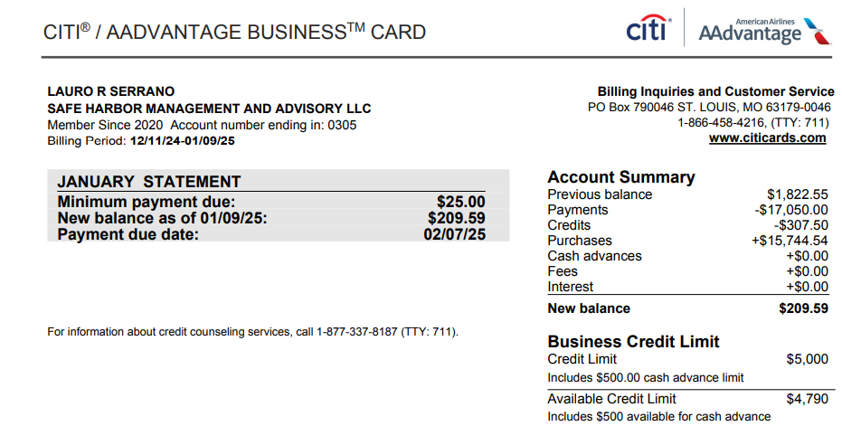
Date | Description | Debit | Credit | Member Name | Quick Books GL
2025-01-08 | ONLINE PAYMENT, THANK YOU |  | -4200 | LAURO R SERRANO | Payment
2025-01-08 | INTUIT *QBooks Online CL.INTUIT.COM CA | 99 |  | LAURO R SERRANO | Dues & Subscriptions
2025-01-08 | INTUIT *QBooks Payroll CL.INTUIT.COM CA | 320 |  | LAURO R SERRANO | Dues & Subscriptions
2025-01-08 | Amazon.com*ZD17X8XW0 Amzn.com/bill WA | 23.53 |  | CARLOS RIVERA | Office Supplies
2025-01-08 | AMAZON MKTPL*Z52B73NP2 Amzn.com/bill WA | 36.36 |  | CARLOS RIVERA | Office Supplies
2025-01-07 | Amazon.com*ZD64M7WX2 Amzn.com/bill WA | 454.2 |  | CARLOS RIVERA | Office Supplies
2025-01-06 | ZOOM.COM 888-799-9666 SAN JOSE CA | 193.99 |  | CARLOS RIVERA | Dues & Subscriptions
2025-01-03 | DNH*GODADDY#3503811081 480-505-8855 AZ | 179.64 |  | LAURO R SERRANO | Dues & Subscriptions
2025-01-02 | Dropbox H4YYXNK5B9B5 San Francisco CA | 120 |  | CARLOS RIVERA | Dues & Subscriptions
2025-01-01 | SMARTSTOP SELF STORAGE DORAL FL | 486.16 |  | LAURO R SERRANO | Dues & Subscriptions
2025-01-01 | ZOOM.COM 888-799-9666 SAN JOSE CA | 15.99 |  | CARLOS RIVERA | Dues & Subscriptions
2024-12-31 | MIAMI HERALD SUB 8008434372 CA | 42.99 |  | LAURO R SERRANO | Dues & Subscriptions
2024-12-31 | LIDO INC NEW YORK NY | 375 |  | CARLOS RIVERA | Professional Fees
2024-12-30 | ONLINE PAYMENT, THANK YOU |  | -2900 | LAURO R SERRANO | Payment
2024-12-30 | Hubspot Inc. Winchester MA | 1239.5 |  | CARLOS RIVERA | Advertising & Marketing
2024-12-30 | LIDO INC NEW YORK NY | 337.5 |  | CARLOS RIVERA | Professional Fees
2024-12-29 | LIDO INC NEW YORK NY | 375 |  | CARLOS RIVERA | Professional Fees
2024-12-28 | ASANA.COM SAN FRANCISCO CA | 304.9 |  | LAURO R SERRANO | Dues & Subscriptions
2024-12-26 | WEB*NETWORKSOLUTIONS 8886429675 FL | 47.98 |  | LAURO R SERRANO | Dues & Subscriptions
2024-12-26 | INTUIT *QBooks Online CL.INTUIT.COM CA | 99 |  | LAURO R SERRANO | Dues & Subscriptions
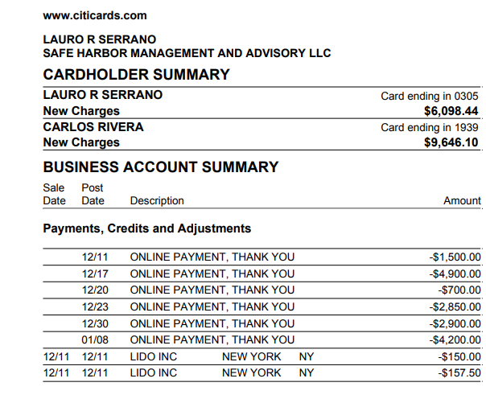
2024-12-25 | INTUIT *QBooks Online CL.INTUIT.COM CA | 99 |  | LAURO R SERRANO | Dues & Subscriptions
2024-12-23 | ONLINE PAYMENT, THANK YOU |  | -2850 | LAURO R SERRANO | Payment
2024-12-23 | EIG*CONSTANTCONTACT.C 8552295506 MA | 110 |  | LAURO R SERRANO | Dues & Subscriptions
2024-12-23 | INTUIT *QBooks Online CL.INTUIT.COM CA | 99 |  | LAURO R SERRANO | Dues & Subscriptions
2024-12-23 | MR. C MIAMI - COCONUT MIAMI FL PHONE NUMBER: 7863389809 FOLIO NUMBER: 0000132202 ARRIVE: 12/18/2024 DEPART:12/23/2024 | 300 |  | CARLOS RIVERA | Meals & Entertainment
2024-12-22 | LIDO INC NEW YORK NY | 375 |  | CARLOS RIVERA | Professional Fees
2024-12-22 | Amazon.com*ZE2FJ1AX2 Amzn.com/bill WA | 241.8 |  | CARLOS RIVERA | Office Supplies
2024-12-21 | THE REAL DEAL NEW YORK NY | 19 |  | LAURO R SERRANO | Dues & Subscriptions
2024-12-21 | OPENAI *CHATGPT SUBSCR SAN FRANCISCO CA | 60 |  | CARLOS RIVERA | Professional Fees
2024-12-21 | ATT*BUS PHONE PMT 800-288-2020 TX | 203.3 |  | CARLOS RIVERA | Telephone/Internet/Web
2024-12-20 | ONLINE PAYMENT, THANK YOU |  | -700 | LAURO R SERRANO | Payment
2024-12-20 | RINGCENTRAL INC. 888-898-4591 CA | 1234 |  | LAURO R SERRANO | Telephone/Internet/Web
2024-12-19 | DNH*GODADDY#347582197 TEMPE AZ | 155.76 |  | LAURO R SERRANO | Dues & Subscriptions
2024-12-19 | INTUIT *QBooks Online CL.INTUIT.COM CA | 99 |  | LAURO R SERRANO | Dues & Subscriptions
2024-12-19 | FEDEX476922952 MEMPHIS TN | 341.8 |  | LAURO R SERRANO | Postage and Delivery
2024-12-19 | NOTARYFNS-800.422.1555 ORLANDO FL | 114.43 |  | CARLOS RIVERA | Office Supplies
2024-12-18 | RINGCENTRAL INC. 888-898-4591 CA | 4.28 |  | LAURO R SERRANO | Telephone/Internet/Web
2024-12-18 | Amazon.com*Z13TC10H1 Amzn.com/bill WA | 17.3 |  | CARLOS RIVERA | Office Supplies
2024-12-18 | MR. C MIAMI - COCONUT MIAMI FL PHONE NUMBER: 7863389809 FOLIO NUMBER: 0000131709 ARRIVE: 12/17/2024 DEPART:12/18/2024 | 2000 |  | CARLOS RIVERA | Meals & Entertainment
2024-12-17 | ONLINE PAYMENT, THANK YOU |  | -4900 | LAURO R SERRANO | Payment
2024-12-17 | INTUIT *QBooks Online CL.INTUIT.COM CA | 235 |  | LAURO R SERRANO | Dues & Subscriptions
2024-12-17 | INTUIT *QBooks Online CL.INTUIT.COM CA | 235 |  | LAURO R SERRANO | Dues & Subscriptions
2024-12-17 | WEB*NETWORKSOLUTIONS 8886429675 FL | 2.5 |  | LAURO R SERRANO | Dues & Subscriptions
2024-12-17 | SAUCE, INC* THE ORIGIN NEWARK DE | 235.43 |  | CARLOS RIVERA | Office Supplies
2024-12-17 | INTUIT *QBooks Online CL.INTUIT.COM CA | 117.5 |  | CARLOS RIVERA | Dues & Subscriptions
2024-12-16 | WWW.ACCURATENOW.COM SOUTHERN PINE NC | 74.9 |  | CARLOS RIVERA | Dues & Subscriptions
2024-12-15 | Amazon.com*Z179L6ZO0 Amzn.com/bill WA | 13.69 |  | CARLOS RIVERA | Office Supplies
2024-12-15 | AMAZON MKTPL*Z10X97D82 Amzn.com/bill WA | 45.75 |  | CARLOS RIVERA | Office Supplies
2024-12-15 | AMAZON MKTPL*ZX37A12R1 Amzn.com/bill WA | 58.81 |  | CARLOS RIVERA | Office Supplies
2024-12-15 | INTUIT *QBooks Online CL.INTUIT.COM CA | 99 |  | CARLOS RIVERA | Dues & Subscriptions
2024-12-14 | WEB*NETWORKSOLUTIONS 8886429675 FL | 15.99 |  | LAURO R SERRANO | Dues & Subscriptions
2024-12-14 | LinkedInPre *26992244 8556535653 CA | 33.94 |  | LAURO R SERRANO | Dues & Subscriptions
2024-12-14 | LIDO INC NEW YORK NY | 1000 |  | CARLOS RIVERA | Professional Fees
2024-12-12 | PROPSTREAM 8772049040 CA | 99 |  | CARLOS RIVERA | Dues & Subscriptions
2024-12-12 | LIDO INC NEW YORK NY | 337 |  | CARLOS RIVERA | Professional Fees
2024-12-12 | INTUIT *QBooks Online CL.INTUIT.COM CA | 99 |  | CARLOS RIVERA | Dues & Subscriptions
2024-12-11 | ONLINE PAYMENT, THANK YOU |  | -1500 | LAURO R SERRANO | Payment
2024-12-11 | LIDO INC NEW YORK NY |  | -150 | CARLOS RIVERA | Professional Fees
2024-12-11 | LIDO INC NEW YORK NY |  | -157.5 | CARLOS RIVERA | Professional Fees
2024-12-11 | PROPERTYRADAR TRUCKEE CA | 599 |  | CARLOS RIVERA | Professional Fees
2024-12-11 | LIDO INC NEW YORK NY | 375 |  | CARLOS RIVERA | Professional Fees
2024-12-10 | INTUIT *QBooks Online CL.INTUIT.COM CA | 65 |  | LAURO R SERRANO | Dues & Subscriptions
2024-12-10 | INTUIT *QBooks Online CL.INTUIT.COM CA | 65 |  | LAURO R SERRANO | Dues & Subscriptions
2024-12-10 | INTUIT *QBooks Online CL.INTUIT.COM CA | 65 |  | LAURO R SERRANO | Dues & Subscriptions
2024-12-10 | INTUIT *QBooks Online CL.INTUIT.COM CA | 65 |  | LAURO R SERRANO | Dues & Subscriptions
2024-12-10 | INTUIT *QBooks Online CL.INTUIT.COM CA | 65 |  | LAURO R SERRANO | Dues & Subscriptions
2024-12-10 | INTUIT *QBooks Online CL.INTUIT.COM CA | 65 |  | LAURO R SERRANO | Dues & Subscriptions
2024-12-10 | INTUIT *QBooks Online CL.INTUIT.COM CA | 65 |  | LAURO R SERRANO | Dues & Subscriptions
2024-12-10 | INTUIT *QBooks Online CL.INTUIT.COM CA | 99 |  | LAURO R SERRANO | Dues & Subscriptions
2024-12-10 | INTUIT *QBooks Online CL.INTUIT.COM CA | 99 |  | LAURO R SERRANO | Dues & Subscriptions
2024-12-10 | INTUIT *QBooks Online CL.INTUIT.COM CA | 99 |  | LAURO R SERRANO | Dues & Subscriptions
2024-12-10 | INTUIT *QBooks Online CL.INTUIT.COM CA | 99 |  | LAURO R SERRANO | Dues & Subscriptions
2024-12-10 | INTUIT *QBooks Online CL.INTUIT.COM CA | 99 |  | LAURO R SERRANO | Dues & Subscriptions
2024-12-10 | INTUIT *QBooks Online CL.INTUIT.COM CA | 99 |  | LAURO R SERRANO | Dues & Subscriptions
2024-12-10 | INTUIT *QBooks Online CL.INTUIT.COM CA | 99 |  | LAURO R SERRANO | Dues & Subscriptions
2024-12-10 | INTUIT *QBooks Online CL.INTUIT.COM CA | 99 |  | LAURO R SERRANO | Dues & Subscriptions
2024-12-10 | INTUIT *QBooks Online CL.INTUIT.COM CA | 117.5 |  | LAURO R SERRANO | Dues & Subscriptions
2024-12-10 | INTUIT *QBooks Online CL.INTUIT.COM CA | 235 |  | LAURO R SERRANO | Dues & Subscriptions
2024-12-10 | INTUIT *QBooks Online CL.INTUIT.COM CA | 235 |  | LAURO R SERRANO | Dues & Subscriptions
2024-12-10 | PROPERTYRADAR TRUCKEE CA | 9.12 |  | CARLOS RIVERA | Professional Fees

