Job description
RTB CO., LTD

 | JOB DESCRIPTION

SHIP NAME | Engineer name and Title | Work order from | Departure date & time, from place
 |  | Everllence ELU KOREA
WORK PLACE | Mechanic names and numbers | P.O No. | Return date & time, to place

Description

MAN POWER : Skilled fitter and fitter ()
The above manpower carried out the following work as instructed by the Everllence ELU Engineer.
1.
2.
3.

 |  | 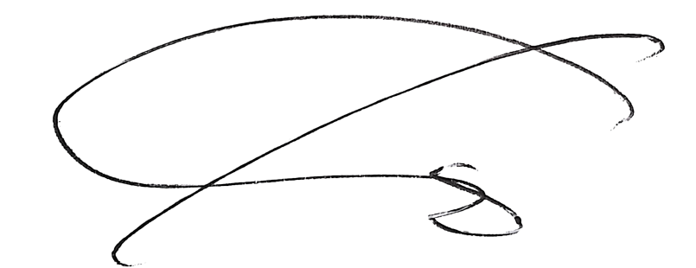

Customer representative(s) |  | RTB representative

E-mail: tech01@rtb-kor.com l Phone: +82 51 266 7995 l Fax: +82 51 266 7996
RTB CO.,LTD. Jedoro 767-16, Gangseo-gu, Busan, Republic of Korea

