Invoice

RTB CO., LTD

INVOICE

Invoice to |  | Job inform. |  |  | P.O No:
Everllence |  | Hull no. |  |  | INVOICE No:
2-Stroke Business, Operation / Engineering |  | Engine type: |  |  | Date:
Teglholmsgade 41 |  | Work Period & Place: |  |  | Valid For: | 14 days
2450 Copenhagen SV, Denmark |  | Work Item: |  |  | Currency unit: | EUR

Description |  |  | Q'ty | Unit | Unit price | Total
1. MAN POWER

 |  |  |  |  |  | 0
 |  |  |  |  |  | 0
 |  |  |  |  |  | 0
 |  |  |  |  |  | 0
 |  |  |  |  |  | 0
 |  |  |  |  |  | 0

 |  |  |  |  |  | 0
 |  |  |  |  |  | 0
 |  |  |  |  |  | 0
 |  |  |  |  |  | 0
 |  |  |  |  |  | 0
 |  |  |  |  |  | 0

2. Service material (Inc. 10% handling fee) |  |  | 1 | LOT | 0 | 0
 | : Oil rags, Molykote, Cleaning oil, Gloves

3. Daily Allowance

4. Transportation (KRW 500/km)
 | : (One-way) x 100km x 1car : 100km |  |  | Km | 500 | 0
 | : (One-way) x 10km x 1car : 10km |  |  | Km | 500 | 0
 | * Mileage: RTB to HHI(One-way) : 70km |  |  |  |  | 0
 | Hotel to HHI(One-way) : 10km |  |  |  |  | 0
 |  |  |  |  |  | 0
5. Accomodation (Inc. 10% handling fee) |  |  |  | PC |  | 0
 | : Rooms for people for nights

 |  |  |  | Grand Total | KRW
 |  |  |  | Grand Total | EUR
 |  | KEB HANA Bank exchange rate: 1 EUR (€) = |  |  |  | 1,608.02 KRW (₩)
 |  |  |  |  |  | Exchange date: 15/07/2025
 |  |  |  |  |  | (excluding VAT)
Remark
1. Terms of payment : within 30 days net cash after job completion

Bank account details of RTB
Beneficiary name: RTB
Beneficiary account no.: 37791000446138
Beneficiary address: Jedoro 767-16, Gangseo-gu, Busan, Republic of Korea
Beneficiary phone no.: (+82)1099584156
Bank name: KEB Hana Bank
Swift code: KOEXKRSE or KOEXKRSEXXX
Bank address: 467-62 36, Myeongji ocean city 9-ro, Gangseo-gu, Busan, South Korea
Bank telephone no.: (+82)512715631

E-mail: tech01@rtb-kor.com l Phone: +82 51 266 7995 l Fax: +82 51 266 7996
RTB CO.,LTD. Jedoro 767-16, Gangseo-gu, Busan, Republic of Korea

Job description
RTB CO., LTD

 | JOB DESCRIPTION

SHIP NAME | Engineer name and Title | Work order from | Departure date & time, from place
 |  | Everllence ELU KOREA
WORK PLACE | Mechanic names and numbers | P.O No. | Return date & time, to place

Description

MAN POWER : Skilled fitter and fitter ()
The above manpower carried out the following work as instructed by the Everllence ELU Engineer.
1.
2.
3.

 |  | 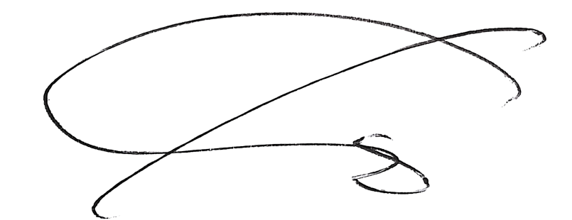

Customer representative(s) |  | RTB representative

E-mail: tech01@rtb-kor.com l Phone: +82 51 266 7995 l Fax: +82 51 266 7996
RTB CO.,LTD. Jedoro 767-16, Gangseo-gu, Busan, Republic of Korea

