jacket data
Project | Source | Power capacity (MW) | Number of legs | Water depth (m) | Length (m) | Emerged height(m) | Jacket mass (t) | Piles mass (t) | Comments | Mass / length (t/m) | Mass / length / power (t/m/MW) | Normalized Mass / length / power
Wickinger, Germany | https://www.iberdrola.com/sustainability/offshore-wind-turbines-foundations | 5 | 4 | 39 | 59 | 20 | 625 |  |  | 10.593220339 | 2.1186440678 | 1
East Anglia ONE, United Kingdom | https://www.iberdrola.com/sustainability/offshore-wind-turbines-foundations | 7 | 3 | 44 | 65.5 | 21.5 | 845 |  | Lighter because 3 legs | 12.900763359 | 1.8429661941 | 0.86988004362
Dieppe Tréport | https://cpdp.debatpublic.fr/cpdp-eolienmer-pdlt/sites/debat.eolienmer_pdlt/files/documents/eolienmerpdlt_-_fiche_i-le_bilan_carbone_du_parc_eolien_de_dieppe_-_le_treport.pdf | 8 |  | 19 | 39 | 20 | 650 |  |  | 16.666666667 | 2.0833333333 | 0.98333333333
Saint Brieuc | https://www.navantia.es/en/news/press-releases/iberdrola-inicia-el-traslado-a-francia-de-las-jackets-construidas-por-navantia-windar-para-el-parque-eolico-marino-de-saint-brieuc/ | 8 |  |  | 75 |  | 1150 | 248 |  | 15.333333333 | 1.9166666667 | 0.90466666667
DEME Study | https://wes.copernicus.org/preprints/wes-2023-4/wes-2023-4-manuscript-version2.pdf | 15 |  | 60 | 73.5 |  | 1921 |  |  | 26.136054422 | 1.7424036281 | 0.82241451247

Normalized Mass / length / power

Semi sub
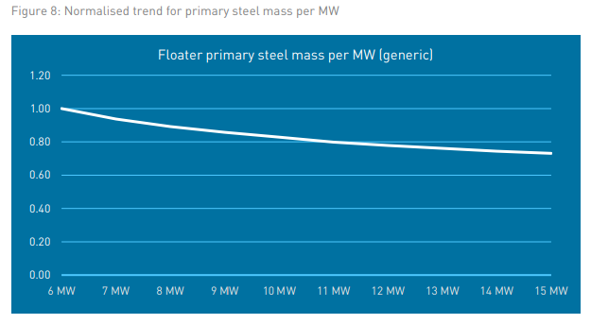
 |  | Techno | Power capacity (MW) | Water depth (m) | Mass floater (t) | Iron-ore-concrete ballast | Tower interface (t) | Length lines (m) | Number of lines | Diameter of lines (mm) | Linear density (kg/m) | Length of one line (m) | Mass of lines (t) | Number of anchors | Mass of anchors (t)
Culsean | Scoping Report (marine.gov.scot) | Semi-Submersible – Ocergy design | 3 |  | 975
NREL 15 MW | https://www.nrel.gov/docs/fy20osti/76773.pdf | Semi-Submersible – Ocergy design | 15 | 200 | 3914 | 2540 | 100 |  | 3 | 185 | 685 | 283.33333333 | 582.25
WindFloat Atlantic, Portugal | Principle power

 | Ancrage, dépend des conditions météo (courant, vagues, vent)

FLW JIP Summary Report-FWJIP_Phase 2 Summary Report - p.48

