ProjectPlanningTool
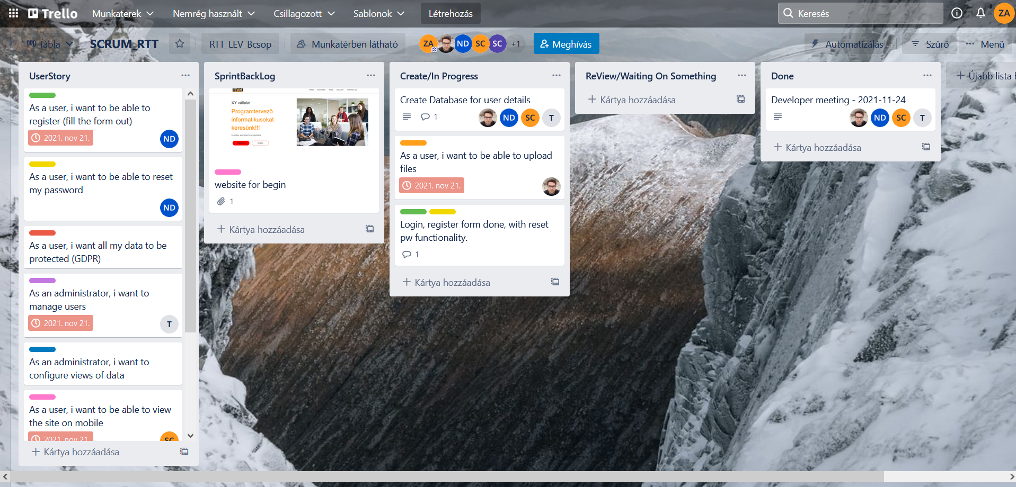
We used the Trello where we handled the US cards, and here was documented the projects | https://trello.com/b/u6AZ8gOs/scrumrtt

