Pressure Relief Valve Operation
Process Description: |  |  |  |  | Plant Manager Approved | See Rev History
Operation of Pressure Relief Valves
 |  |  |  |  | HSE Approved | See Rev History |  | Facility | BHGE Jandakot Test Bunker

Adjustment Screw
Lock Nut
Mounting Hole
Relief Outlet (on side)
Test Line Connection
Mounting Hole
"H" or "L" Label
 |  |  |  |  | Safety Precautions
 |  |  |  |  |  |  | PRV to be set before commencing test and set pressure to be documented in the pressure test permit, document: BHGE-HSE-006
 |  |  |  |  |  |  | PRV set pressure to be checked at the start of each shift when testing is ongoing over 1 day
 |  |  |  |  | Verify test pressure to be tested:
 |  |  |  |  | For test pressures up to and including 5000psi (345bar), set the PRV to 10% above the test pressure, calculated as follows: PRV setting = (test pressure) X 1.1
 |  |  |  |  | For test pressures above 5000psi (345bar), set the PRV to 500psi (35bar) above the test pressure, calculated as follows: PRV setting = (test pressure) + 500psi (35bar)
 |  |  |  |  | Identify the appropriate PRV for the pressure required:
 |  |  |  |  | ● For pressures up to and including 10,000psi (690bar), use the low pressure PRV (labeled with a “L”)
 |  |  |  |  | ● For pressures above 10,000psi (690bar), use the high pressure PRV (labeled with a "H")
 |  |  |  |  | Operation Description
 | Installed PRV |  |  |  | Set the PRV pressure using the following steps:
 |  |  |  |  | ● Connect the test line to the appropriate PRV
 |  |  |  |  | ● Loosen the lock nut on the adjustment screw
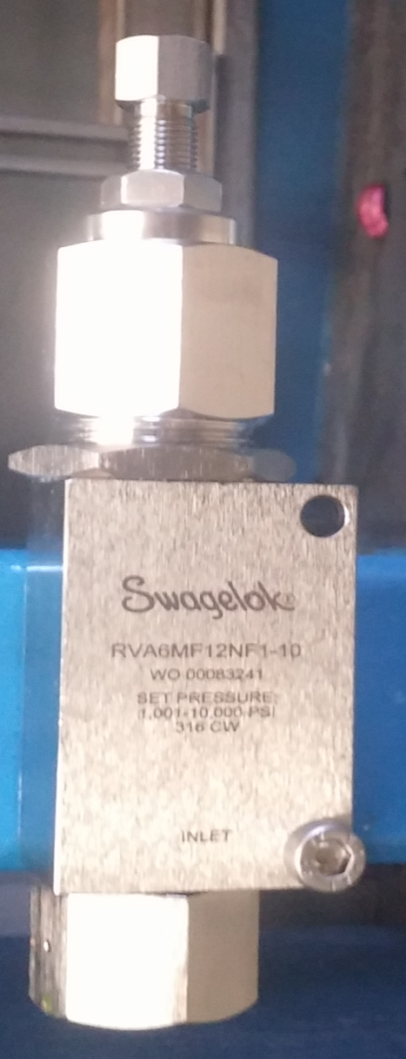
"H" or "L" Label
Adjustment Screw
Test Line Connection
Relief Outlet
(faces down toward drain)
Lock Nut
 |  |  |  |  | ● Turn the adjustment screw to increase or decrease relief pressure:
 |  |  |  |  | - Turning clockwise will increase the relief pressure
 |  |  |  |  | - Turning counterclockwise will decrease the relief pressure
 |  |  |  |  | ● Blank off the test supply hose (with PRV tee'd in)
 |  |  |  |  | ● While viewing from camera, proceed to pressurize test supply hose till PRV vents to verify that relief pressure setting is correct
 |  |  |  |  |  | Fluid will flow from the bottom of the PRV once the relief pressure has been reached
 |  |  |  |  | ● Make adjustments to the relief pressure setting as required
 |  |  |  |  | ● Once relief pressure has been corrected/verified, tighten lock nut to prevent accidental changes to pressure setting
 |  |  |  |  | ● Identify PRV set pressure on the PRV
 |  |  |  |  | ● Identify PRV set pressure on the pressure test permit
 |  |  |  |  | Once tests are complete:
 |  |  |  |  | ● Back off PRV to a set pressure of 0 PSI (or minimum setting possible)
 |  |  |  |  | ● Remove set pressure identification
 |  |  |  |  | ● Cap off PRV to protect while not in use

Process Description:
Pressure Relief Valve (PRV) Settings

 | Test Pressure |  | PRV Setting |  | Test Pressure |  |  | PRV Setting
 | (psi) | (bar) | (psi) | (bar) | (psi) | (bar) |  | (psi) | (bar)
 | 1000 | 69 | 1100 | 76 |  | Beyond 5000 psi (345bar): PRV Setting = Test Pressure + 500psi (34bar)
 | 1100 | 76 | 1210 | 83
 | 1200 | 83 | 1320 | 91 | 5000 | 345 |  | 5500 | 379
 | 1300 | 90 | 1430 | 99 | 5500 | 379 |  | 6000 | 414
 | 1400 | 97 | 1540 | 106 | 6000 | 414 |  | 6500 | 448
 | 1500 | 103 | 1650 | 114 | 6500 | 448 |  | 7000 | 483
 | 1600 | 110 | 1760 | 121 | 7000 | 483 |  | 7500 | 517
 | 1700 | 117 | 1870 | 129 | 7500 | 517 |  | 8000 | 552
 | 1800 | 124 | 1980 | 137 | 8000 | 552 |  | 8500 | 586
 | 1900 | 131 | 2090 | 144 | 8500 | 586 |  | 9000 | 621
 | 2000 | 138 | 2200 | 152 | 9000 | 621 |  | 9500 | 655
 | 2100 | 145 | 2310 | 159 | 9500 | 655 |  | 10000 | 689
 | 2200 | 152 | 2420 | 167 | 10000 | 689 |  | 10500 | 724
 | 2300 | 159 | 2530 | 174 | 10500 | 724 |  | 11000 | 758
 | 2400 | 165 | 2640 | 182 | 11000 | 758 |  | 11500 | 793
 | 2500 | 172 | 2750 | 190 | 11500 | 793 |  | 12000 | 827
 | 2600 | 179 | 2860 | 197 | 12000 | 827 |  | 12500 | 862
 | 2700 | 186 | 2970 | 205 | 12500 | 862 |  | 13000 | 896
 | 2800 | 193 | 3080 | 212 | 13000 | 896 |  | 13500 | 931
 | 2900 | 200 | 3190 | 220 | 13500 | 931 |  | 14000 | 965
 | 3000 | 207 | 3300 | 228 | 14000 | 965 |  | 14500 | 1000
 | 3100 | 214 | 3410 | 235 | 14500 | 1000 |  | 15000 | 1034
 | 3200 | 221 | 3520 | 243 | 15000 | 1034 |  | 15500 | 1069
 | 3300 | 228 | 3630 | 250 | 15500 | 1069 |  | 16000 | 1103
 | 3400 | 234 | 3740 | 258 | 16000 | 1103 |  | 16500 | 1138
 | 3500 | 241 | 3850 | 265 | 16500 | 1138 |  | 17000 | 1172
 | 3600 | 248 | 3960 | 273 | 17000 | 1172 |  | 17500 | 1207
 | 3700 | 255 | 4070 | 281 | 17500 | 1207 |  | 18000 | 1241
 | 3800 | 262 | 4180 | 288 | 18000 | 1241 |  | 18500 | 1276
 | 3900 | 269 | 4290 | 296 | 18500 | 1276 |  | 19000 | 1310
 | 4000 | 276 | 4400 | 303 | 19000 | 1310 |  | 19500 | 1344
 | 4100 | 283 | 4510 | 311 | 19500 | 1344 |  | 20000 | 1379
 | 4200 | 290 | 4620 | 319
 | 4300 | 296 | 4730 | 326
 | 4400 | 303 | 4840 | 334
 | 4500 | 310 | 4950 | 341
 | 4600 | 317 | 5060 | 349
 | 4700 | 324 | 5170 | 356 |  |  |  | -Denotes commonly used test pressures
 | 4800 | 331 | 5280 | 364
 | 4900 | 338 | 5390 | 372
 | 5000 | 345 | 5500 | 379

