TRS Awareness Roadmap
This Technical Regulations and Standards (TRS) roadmap is provided for awareness purposes only. It is not designed to replace or supercede TRS requirements documented in the QMS.
WHAT ARE TRS? | TRS are mandated through legislation and are required to provide products and services in a global setting. BHGE is required to incorporate TRS compliance into all its products and services across all lifecycle stages (design, procurement, manufacture, packaging, shipping/transportation, installation, testing, operation, maintenance and disposal), and maintain compliance throughout the life of the product lines as TRS change.
QMS PROCEDURE | BHGE-QUA-009 Technical Regulations and Standards Process
WHERE IN THE WORLD? | TRS apply globally and are regionally specific. BHGE publish regional TRS requirements in Product Baseline Compliance Specifications. | WHERE CAN I FIND THE PBCS's? | QMS Link to PBCS's
WHAT IS AFFECTED? | TRS is not the same from region to region, even though there may be common themes. It is essential that you: 1. Select the applicable regional PBCS (point/s of use). 2. Determine the Product Lines from the PBCS. 3. Identify the Applicability (and Regulations) from the PBCS. 4. Identify any specified or implied customer requirements. | ARE THERE 'HOT' TOPICS? | You must equate the scope of work / equipment to the application (What is it used for, where is it used?) as defined in the PBCS. Common 'hot' topics are listed below; but don't ignore the PBCS!
HOW DO I DOCUMENT REQUIREMENTS? | The QMS specifies the requirement to use a Transactional Compliance Plan (TCP) for Non-Flow business as detailed in 'Creating a Transactional Compliance Plan Work Instruction QW-SS-GLO-TRS-001'. | PRESSURE EQUIPMENT Pressure Vessel Registration (WorkSafeWA)
 | QW-SS-GLO-TRS-001 | LIFTING EQUIPMENT CE Marking | 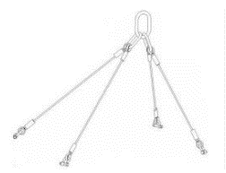
 | (From QW-SS-GLO-TRS-001): Flow opportunities are defined and validated using the Salesforce.com Deal Management tool. Flow deals are not required to go through the TCP or R-Process, and may be approved via established regional and/or Platform functional cost and revenue approvals and completion of the SFDC mandatory CommOps fields. | ELECTRICAL EQUIPMENT Electrical Safety Electrical Equipment in Hazardous Areas (EEHA) | 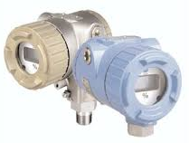
ANY HINTS FOR MANAGING FLOW? | The solution will be dependent on the complexity of the scope of supply. However a check of the relevant PBCS Applicability vs. equipment type/use will be required. Don't forget customer specified requirements. | ELECTROMAGNETIC COMPLIANCE ACMA (EMC)
 |  | RADIATION EQUIPMENT Department of Mines, Industry Regulation & Safety | 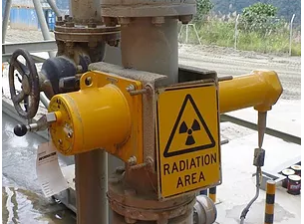
INFORMATION SOURCES | TRS PORTAL | TRS Standards Library | Raise a Case
 | Regulatory Compliance Yammer

