Bug Report
 |  |  |  |  | QA |  |  |  |  |  |  | Dev
BugID | Module Name | Build No. | Description | TC_ID | Steps to replicate bug | Screenshot | Sevirity | Priority | Reported by | Assigned to | Resolution | Status | Fixed Date
DarazBD_Bug_001 | DarazBD_SignUp | 1 | receive exclusive offers and promotions via SMS' checkbox option is selected by default. | TC_SignUp_13 | 1. Open the application (https://www.daraz.com.bd/) in any web browser. 2. Click on 'Sign Up' 3. View the 'exclusive offers and promotions' checkbox option. | 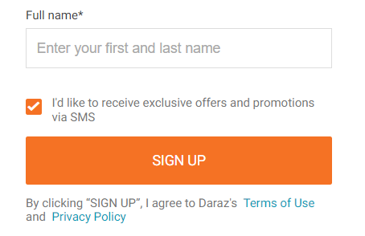 | S4 | P4 | Ruhani Akter

