Лист1
№ | Summary | Descriprion | Steps to reproduce | Severity | Priority
1 | Not the same indentation of the text | In the Russian localization of the site, the indentation in the “my profile” tab is not the same Platform: Google Chrome 87.0.4280.141 OC: Windows Version: 10 x64 Date: 17.01.2021 | 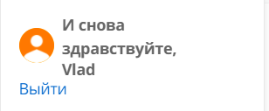 1.Open website https://best.aliexpress.ru/?lan=ru at the top of the “account” tab, select “Sign in" 3.In the field login and password enter the following data: login: Alieexspress, password: Ali123, 4.Click on the US flag at the top, select Russian in the "Language" field and click "save" 5.Hover over “Мой профиль" at the top | minor | Medium

