BugReport
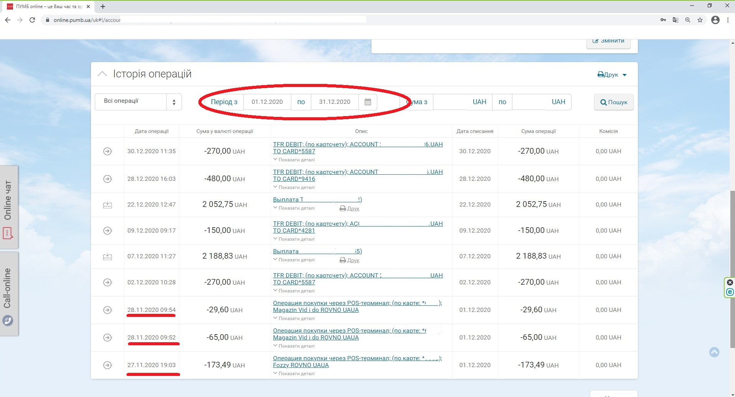
Summary | Uncorrect showing date period in Operations List
Project | Pumb online
Component | Database
Bug ID | ID number | 001
 | Submit Date | 2021-01-16
 | Name | Operations List - uncorrect date period
 | Reporter | Anton T.
Bug overview | URL | https://online.pumb.ua/uk#!/accounts/operations
 | Summary | When select operation period 12/01/2020-12/31/2020 it shows also few previous month days
Environment | OS | Windows 10 x64
 | Browser | Chrome Version 87.0.4280.141
Bug details | Steps to reproduce | Open online.pumb.ua > select a card > select Operations > chose time period (from 1-st month day until last) > push Show button
 | Expected result | Correct time period showed
 | Actual result | showed also few previous month days
Bug tracking | Severity | Minor
 | Priority | Low
 | Assigned to | D.R. Proschenko

